From Fusion 360
SubAssy | Category | Item | Thumbnail | Part Name | Part Description | Make/Buy | QTY | Comment | Vendor | Vendor URL
HextrudORT Carriage_STDHT_MGN9 | BUY | 1 | 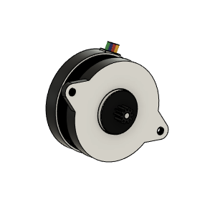 | LDO_NEMA14_36STH17-1004AHG v6 v2 | LDO NEMA 14 Round | BUY | 1 | WARNING!! DO NOT SET CURRENT HIGHER THAN 0.400ma in your printer config file. These motors are Class H and are rated for 180C, they can become VERY HOT and might melt your carriage Spec: https://miragec79.github.io/HextrudORT/docs/LDO-36STH17-1004AHG-RevA_1.pdf Important Note: ref: https://github.com/MirageC79/HextrudORT/issues/9 Depending on source of components, printing tolerances and the fact that the design clearances are reduced to a minimal, you may need to file/trim a section of the Nema 14 motor to clear the XY cross member. This modifcation will not affect motor performance or reliability.
HextrudORT Carriage_STDHT_MGN9 | BUY | 1 | 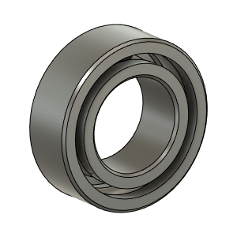 | OPTION A: Bearing_MR95_7804K105 | Bearing 5X9X3 | BUY | 2* | OPTION A These are BIGGER bearings than the ones used in the BMG. To be used with Back Plate and cover marked with "BB"
HextrudORT Carriage_STDHT_MGN9 | BUY | 2 |  | OPTION B: Bearing_MR85 (from BMG) | Bearing 5X8X2.5 | BUY | 2* | OPTION B Use MR85 5x8x2.5 bearings from BMG
HextrudORT Carriage_STDHT_MGN9 | BUY | 3 | 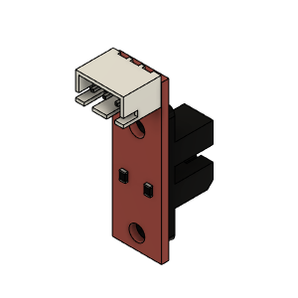 | Opto endstop PM | Optical End-Stop | BUY | 1
HextrudORT Carriage_STDHT_MGN9 | HARDWARE | 4 | 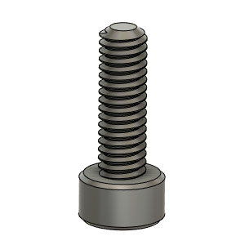 | M2.5X8_CapScrew_92290A058 | Screw, Cap_M2.5 X 8mm | BUY | 1
HextrudORT Carriage_STDHT_MGN9 | HARDWARE | 5 | 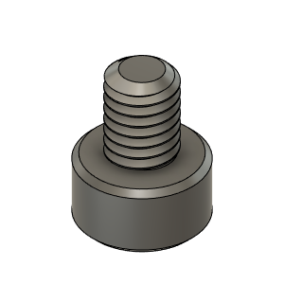 | M3X4_CapScrew_92290A108 | Screw, Cap - M3X4mm | BUY | 3
HextrudORT Carriage_STDHT_MGN9 | HARDWARE | 6 | 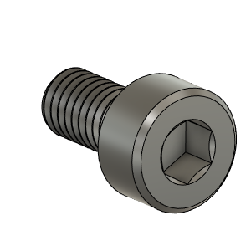 | M3X6_CapScrew_92290A111 v4 | Screw, Cap - M3X6mm | BUY | 2
HextrudORT Carriage_STDHT_MGN9 | HARDWARE | 17 | 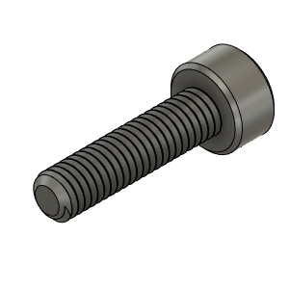 | M3X12_CapScrew_92290A117 | Screw, Cap - M3X12mm | BUY | 2
HextrudORT Carriage_STDHT_MGN9 | HARDWARE | 18 | 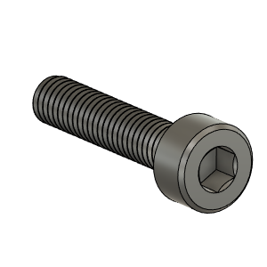 | M3X14_CapScrew_92290A118 | Screw, Cap - M3X14 | BUY | 1
HextrudORT Carriage_STDHT_MGN9 | HARDWARE | 19 | 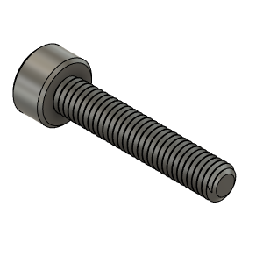 | M3X16_CapScrew_92290A120 | Screw, Cap - M3X16mm | BUY | 1
HextrudORT Carriage_STDHT_MGN9 | HARDWARE | 20 | 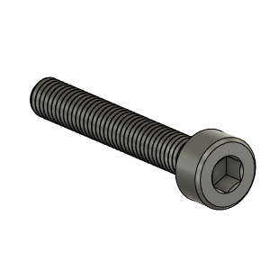 | M3X20_CapScrew_92290A122 v3 | Screw, Cap - M3X20mm | BUY | 1
HextrudORT Carriage_STDHT_MGN9 | HARDWARE | 21 | 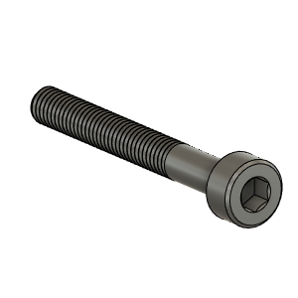 | M3X25_CapScrew_92290A124 v4 | Screw, Cap - M3X25mm | BUY | 1
HextrudORT Carriage_STDHT_MGN9 | HARDWARE | 22 | 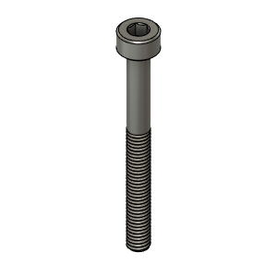 | M3X30_CapScrew_92290A126 | Screw, Cap - M3X30mm | BUY | 2
HextrudORT Carriage_STDHT_MGN9 | HARDWARE | 23 | 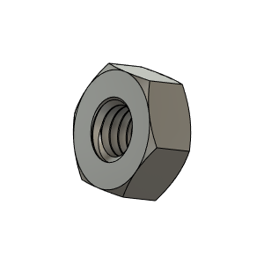 | M3_Nut_94150A325 v4 | Nut, Hex - M3 | BUY | 7
HextrudORT Carriage_STDHT_MGN9 | MAKE | 27 | 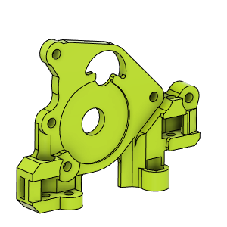 | CarriageBAckPlate_Body* Or CarriageBAckPlate_Body_BB* | 3D Printed | MAKE | 1 | * NOTE ! For Big Bearings (MR95 5X9X2.5) use: HextrudORT_ BackPlate_STDHT_MGN9_BB.stl For Bearing provided with BMG (MR85 5x8x2.5) use: HextrudORT_ BackPlate_STDHT_MGN9.stl | Thingiverse Alternate: GitHub | https://www.thingiverse.com/thing:4793215 alternate: https://github.com/MirageC79/HextrudORT/tree/main/files/CARRIAGE/STDHT_MGN9/STL
HextrudORT Carriage_STDHT_MGN9 | MAKE | 28 | 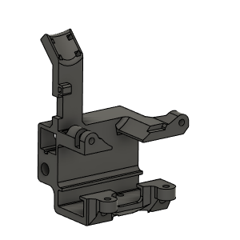 | Carriage_Body | 3D PRinted | MAKE | 1 | NOTE ! To be used with MGN9H Rail on X cross member | Thingiverse Alternate: GitHub | https://www.thingiverse.com/thing:4793215 alternate: https://github.com/MirageC79/HextrudORT/tree/main/files/CARRIAGE/STDHT_MGN9/STL
HextrudORT Carriage_STDHT_MGN9 | MAKE | 29 | 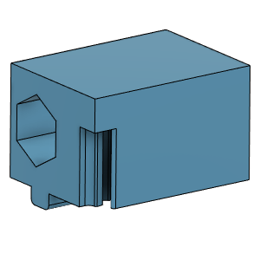 | TensionnerBLock | 3D Printed | MAKE | 2 | NOTE ! Make sure your printer is well calibrated, these are small and precise parts. Recommended print settings: - 0.16 Layer height - Support interface: yes - Full fan at first support interfacing layer | Thingiverse Alternate: GitHub | https://www.thingiverse.com/thing:4793215 alternate: https://github.com/MirageC79/HextrudORT/tree/main/files/CARRIAGE/STDHT_MGN9/STL
HextrudORT Carriage_STDHT_MGN9 | MAKE | 30 | 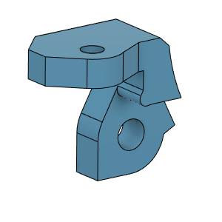 | OpticalSupport_Body | 3D Printed | MAKE | 1 |  | Thingiverse Alternate: GitHub | https://www.thingiverse.com/thing:4793215 alternate: https://github.com/MirageC79/HextrudORT/tree/main/files/CARRIAGE/STDHT_MGN9/STL

