From Fusion 360
SubAssy | Category | Item | Thumbnail | Part Name | Part Description | Make/Buy | QTY | Comment | Vendor | Vendor URL
HextrudORT STDHT_MGN9_NOVA | BUY | 1 | 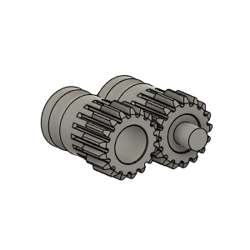 | Bondetech mini gears v1 | From BMG extruder | BUY | 1 | From BMG Extruder
HextrudORT STDHT_MGN9_NOVA | BUY | 2 | 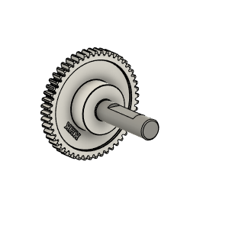 | Bondtech_Shaft_assembly v1 | From BMG extruder | BUY | 1 | From BMG Extruder *NOTE* Short side of the shaft might need to be filed down to avoid grinding against stepper motor.
HextrudORT STDHT_MGN9_NOVA | BUY | 3 | 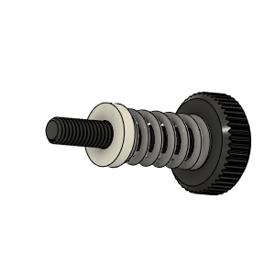 | Bondtech_Thumbscrew_assembly v1 | From BMG extruder | BUY | 1 | From BMG Extruder
HextrudORT STDHT_MGN9_NOVA | BUY | 4 | 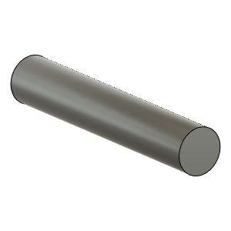 | TensionArm_Pin | Make From BMG arm pin | BUY | 1 | From BMG Extruder
HextrudORT STDHT_MGN9_NOVA | BUY | 5 | 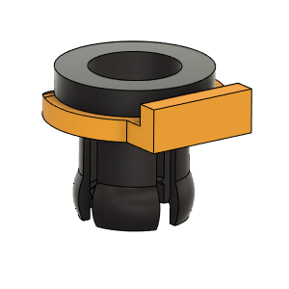 | PTFE Tube Retainer | Retainer, PTFE Tube 4mm | BUY | 1 | Is included with certain BMG clones. If not, need to purchase separately
HextrudORT STDHT_MGN9_NOVA | BUY | 6a | 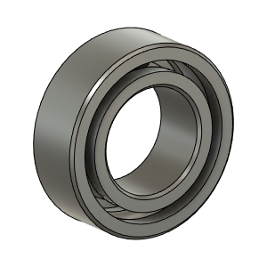 | OPTION A: Bearing_MR95_7804K105 | Bearing 5X9X2.5 | BUY | 2* | OPTION A These are BIGGER bearings than the ones used in the BMG. To be used with Back Plate and cover marked with "BB"
HextrudORT STDHT_MGN9_NOVA | BUY | 6b |  | OPTION B: Bearing_MR85 (from BMG) | Bearing 5X8X2.5 | BUY | 2* | OPTION B Use MR85 5x8x2.5 bearings from BMG
HextrudORT STDHT_MGN9_NOVA | BUY | 7 | 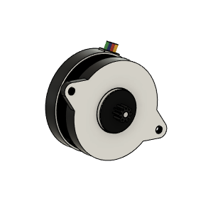 | LDO_NEMA14_36STH17-1004AHG v6 v2 | LDO NEMA 14 Round | BUY | 1 | WARNING!! DO NOT SET CURRENT HIGHER THAN 0.400ma in your printer config file. These motors are Class H and are rated for 180C, they can become VERY HOT and might melt your carriage Spec: https://miragec79.github.io/HextrudORT/docs/LDO-36STH17-1004AHG-RevA_1.pdf
HextrudORT STDHT_MGN9_NOVA | MAKE | 8 | 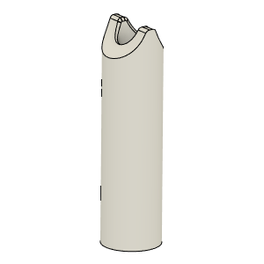 | PTFE_Guide | Comes with BMG clones | MAKE | 1 | Make from 4mm OD PTFE tube: 1 - Using Xacto blade, create internal chamfer in one end. 2 - Cut that end into an arrow shape (try to match the angle from the HextrudORT body where the hobb gears meet. 3 - Insert into HextrudORT body and cut excess length flush.
HextrudORT STDHT_MGN9_NOVA | BUY | 9 | 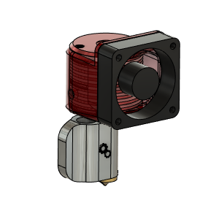 | NOVA HotEnd | From 3DPassion.com | BUY | 1 | BE AWARE, if using the 100W heater cartridge available for NOVA, Duet might trigger errors during PID tune due to too much overshoot (default 15C). This can be resolved by Inserting an M570 H1* T25 in your config file. * is your heater number. Klipper seems to be handling this power without any issue.
HextrudORT STDHT_MGN9_NOVA | BUY | 10 | 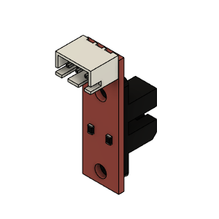 | Opto endstop PM | Optical End-Stop | BUY | 1
HextrudORT STDHT_MGN9_NOVA | BUY | 11 | 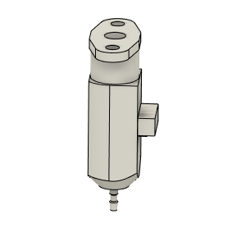 | bltouch |  | BUY | 1
HextrudORT STDHT_MGN9_NOVA | HARDWARE | 12 | 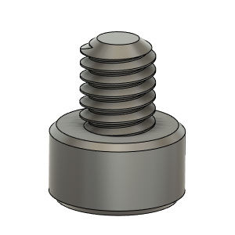 | M2.5X4_CapScrew_92290A853 | Screw, Cap - M2.5X4mm | BUY | 1
HextrudORT STDHT_MGN9_NOVA | HARDWARE | 13 | 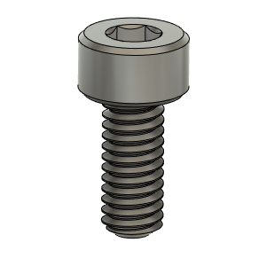 | M2.5X6_CapScrew_92290A056 | Screw, Cap - M2.5X6mm | BUY | 4
HextrudORT STDHT_MGN9_NOVA | HARDWARE | 14 | 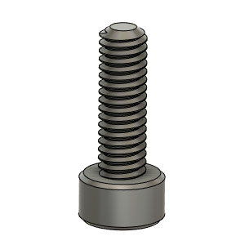 | M2.5X8_CapScrew_92290A058 | Screwm Cap_M2.5 X 8mm | BUY | 1
HextrudORT STDHT_MGN9_NOVA | HARDWARE | 15 | 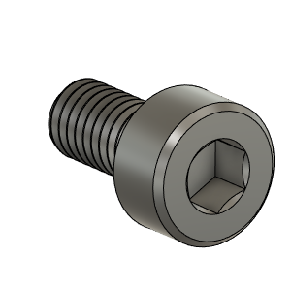 | M3X6_CapScrew_92290A111 v4 | Screw, Cap - M3X6mm | BUY | 3
HextrudORT STDHT_MGN9_NOVA | HARDWARE | 16 | 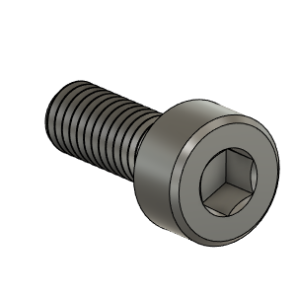 | M3X8_CapScrew_92290A113 v6 | Screw, Cap - M3X8mm | BUY | 1
HextrudORT STDHT_MGN9_NOVA | HARDWARE | 17 | 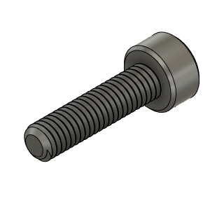 | M3X12_CapScrew_92290A117 | Screw, Cap - M3X12mm | BUY | 2
HextrudORT STDHT_MGN9_NOVA | HARDWARE | 18 | 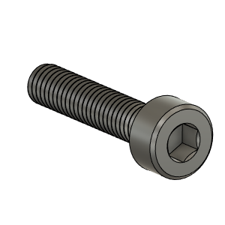 | M3X14_CapScrew_92290A118 | Screw, Cap - M3X14 | BUY | 1
HextrudORT STDHT_MGN9_NOVA | HARDWARE | 19 | 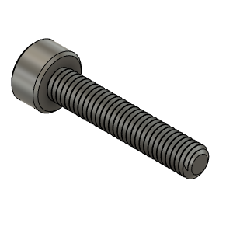 | M3X16_CapScrew_92290A120 | Screw, Cap - M3X16mm | BUY | 1
HextrudORT STDHT_MGN9_NOVA | HARDWARE | 20 | 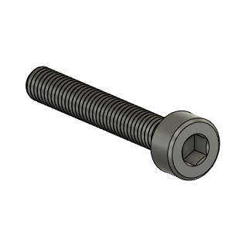 | M3X20_CapScrew_92290A122 v3 | Screw, Cap - M3X20mm | BUY | 2
HextrudORT STDHT_MGN9_NOVA | HARDWARE | 21 | 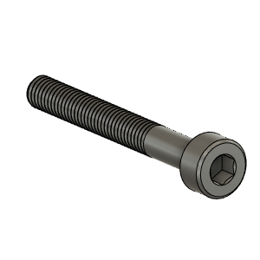 | M3X25_CapScrew_92290A124 v4 | Screw, Cap - M3X25mm | BUY | 2
HextrudORT STDHT_MGN9_NOVA | HARDWARE | 22 | 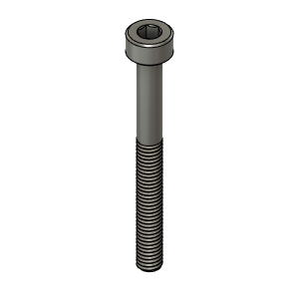 | M3X30_CapScrew_92290A126 | Screw, Cap - M3X30mm | BUY | 2
HextrudORT STDHT_MGN9_NOVA | HARDWARE | 23 | 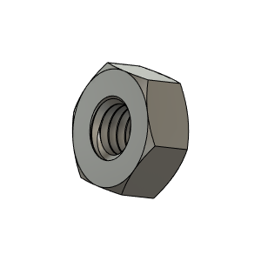 | M3_Nut_94150A325 v4 | Nut, Hex - M3 | BUY | 10
HextrudORT STDHT_MGN9_NOVA | MAKE | 24 | 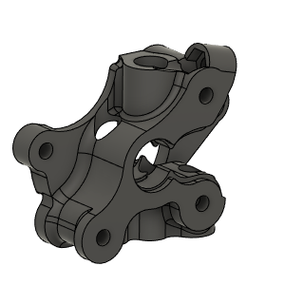 | HextrudORT_BODY_NOVA | 3D Printed | MAKE | 1 | NOTE ! Make sure your printer is well calibrated, these are small and precise parts. Recommended print settings: - 0.16 Layer height - Support interface: yes - Full fan at first support interfacing layer | Thingiverse Alternate: GitHub | https://www.thingiverse.com/thing:4786341 alternate: https://github.com/MirageC79/HextrudORT/tree/main/files/STDHT_MGN9_NOVA/STL
HextrudORT STDHT_MGN9_NOVA | MAKE | 25 | 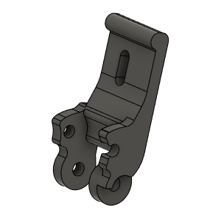 | HextrudORT_TENSION_ARM | 3D_Printed | MAKE | 1 | NOTE ! Make sure your printer is well calibrated, these are small and precise parts. Recommended print settings: - 0.16 Layer height - Support interface: yes - Full fan at first support interfacing layer | Thingiverse Alternate: GitHub | https://www.thingiverse.com/thing:4786341 alternate: https://github.com/MirageC79/HextrudORT/tree/main/files/STDHT_MGN9_NOVA/STL
HextrudORT STDHT_MGN9_NOVA | MAKE | 26 | 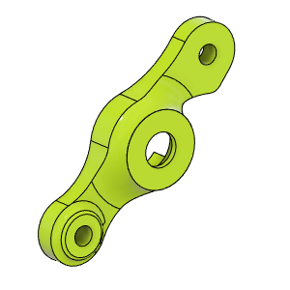 | HextrudORT_COVER | 3D_Printed | MAKE | 1 | NOTE ! For Big Bearings (MR95 5X9X2.5) use: HextrudORT_COVER_BB.STL For Bearing provided with BMG (MR85 5x8x2.5) use: HextrudORT_COVER.STL | Thingiverse Alternate: GitHub | https://www.thingiverse.com/thing:4786341 alternate: https://github.com/MirageC79/HextrudORT/tree/main/files/STDHT_MGN9_NOVA/STL
HextrudORT STDHT_MGN9_NOVA | MAKE | 27 | 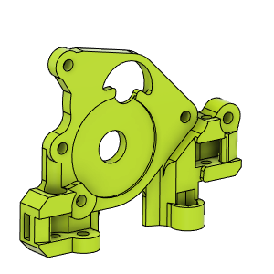 | CarriageBAckPlate_Body | 3D Printed | MAKE | 1 | NOTE ! For Big Bearings (MR95 5X9X2.5) use: HextrudORT_ BackPlate_STDHT_MGN9_BB.stl For Bearing provided with BMG (MR85 5x8x2.5) use: HextrudORT_COVER.STL | Thingiverse Alternate: GitHub | https://www.thingiverse.com/thing:4786341 alternate: https://github.com/MirageC79/HextrudORT/tree/main/files/STDHT_MGN9_NOVA/STL
HextrudORT STDHT_MGN9_NOVA | MAKE | 28 | 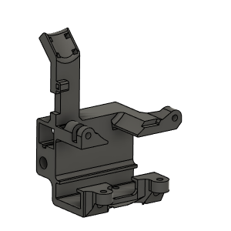 | Carriage_Body | 3D PRinted | MAKE | 1 | NOTE ! To be used with MGN9H Rail on X cross member | Thingiverse Alternate: GitHub | https://www.thingiverse.com/thing:4786341 alternate: https://github.com/MirageC79/HextrudORT/tree/main/files/STDHT_MGN9_NOVA/STL
HextrudORT STDHT_MGN9_NOVA | MAKE | 29 | 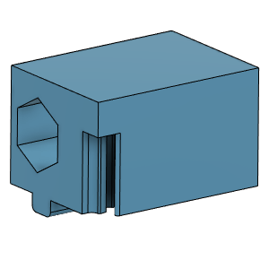 | TensionnerBLock | 3D Printed | MAKE | 2 | NOTE ! Make sure your printer is well calibrated, these are small and precise parts. Recommended print settings: - 0.16 Layer height - Support interface: yes - Full fan at first support interfacing layer | Thingiverse Alternate: GitHub | https://www.thingiverse.com/thing:4786341 alternate: https://github.com/MirageC79/HextrudORT/tree/main/files/STDHT_MGN9_NOVA/STL
HextrudORT STDHT_MGN9_NOVA | MAKE | 30 | 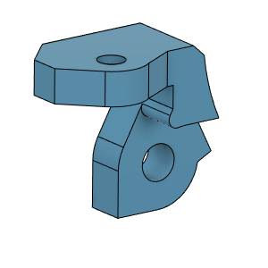 | OpticalSupport_Body | 3D Printed | MAKE | 1 |  | Thingiverse Alternate: GitHub | https://www.thingiverse.com/thing:4786341 alternate: https://github.com/MirageC79/HextrudORT/tree/main/files/STDHT_MGN9_NOVA/STL
HextrudORT STDHT_MGN9_NOVA | MAKE | 31 | 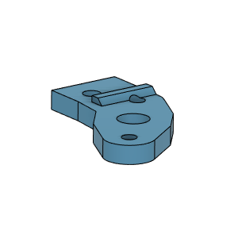 | BlTouchSupport | 3D Printed | MAKE | 1 |  | Thingiverse Alternate: GitHub | https://www.thingiverse.com/thing:4786341 alternate: https://github.com/MirageC79/HextrudORT/tree/main/files/STDHT_MGN9_NOVA/STL
HextrudORT STDHT_MGN9_NOVA | MAKE | 32 | 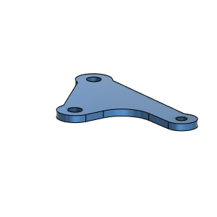 | NovaBottomBrace_Body | 3D Printed | MAKE | 1 | To be made from Printed Circuit Board (1.6mm thk) DIY material. Install copper side against Heat Sink. | Thingiverse Alternate: GitHub | https://www.thingiverse.com/thing:4786341 alternate: https://github.com/MirageC79/HextrudORT/tree/main/files/STDHT_MGN9_NOVA/STL

