From Fusion 360
SubAssy | Category | Item | Thumbnail | Part Name | Part Description | Make/Buy | QTY | Comment | Vendor | Vendor URL
HextrudORT_HotEnd_Nova | BUY | 1 | 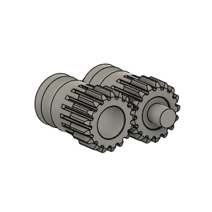 | Bondetech mini gears v1 | From BMG extruder | BUY | 1 | From BMG Extruder | Triangle Lab | https://s.click.aliexpress.com/e/_Ao9yaZ
HextrudORT_HotEnd_Nova | BUY | 1a |  | SetScrew_M3X2_92605A097 | Comes with BMG | BUY | 1 | From BMG Extruder | Triangle Lab | https://s.click.aliexpress.com/e/_Ao9yaZ
HextrudORT_HotEnd_Nova | BUY | 2 | 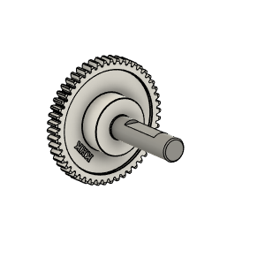 | Bondtech_Shaft_assembly v1 | From BMG extruder | BUY | 1 | From BMG Extruder *NOTE* 1 - Some BMG clone have a 4mm thick gear, they will not fit. Verified sources are: a) Original BMG from BondTech b) https://s.click.aliexpress.com/e/_Ao9yaZ 2 - Short side of the shaft might need to be filed down to avoid grinding against stepper motor. | Triangle Lab | https://s.click.aliexpress.com/e/_Ao9yaZ
HextrudORT_HotEnd_Nova | BUY | 3 | 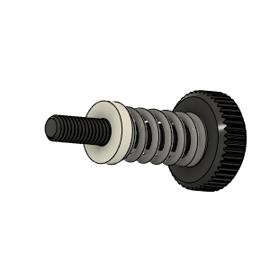 | Bondtech_Thumbscrew_assembly v1 | From BMG extruder | BUY | 1 | From BMG Extruder | Triangle Lab | https://s.click.aliexpress.com/e/_Ao9yaZ
HextrudORT_HotEnd_Nova | BUY | 4 | 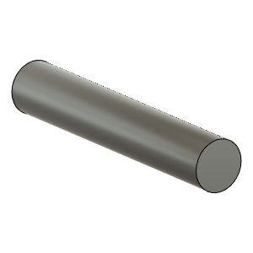 | TensionArm_Pin | Make From BMG arm pin | BUY | 1 | From BMG Extruder | Triangle Lab | https://s.click.aliexpress.com/e/_Ao9yaZ
HextrudORT_HotEnd_Nova | BUY | 5 | 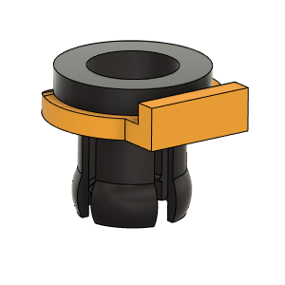 | PTFE Tube Retainer | Retainer, PTFE Tube 4mm | BUY | 1 | Is included with certain BMG clones. If not, need to purchase separately | Triangle Lab | https://s.click.aliexpress.com/e/_Ao9yaZ
HextrudORT_HotEnd_Nova | BUY | 6a | 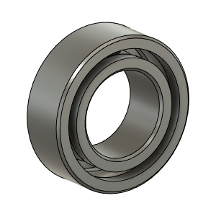 | OPTION A: Bearing_MR95_7804K105 | Bearing 5X9X3 | BUY | 1* | OPTION A These are BIGGER bearings than the ones used in the BMG. To be used with Back Plate and cover marked with "BB"
HextrudORT_HotEnd_Nova | BUY | 6b |  | OPTION B: Bearing_MR85 (from BMG) | Bearing 5X8X2.5 | BUY | 1* | OPTION B Use MR85 5x8x2.5 bearings from BMG | Triangle Lab | https://s.click.aliexpress.com/e/_Ao9yaZ
HextrudORT_HotEnd_Nova | MAKE | 7 | 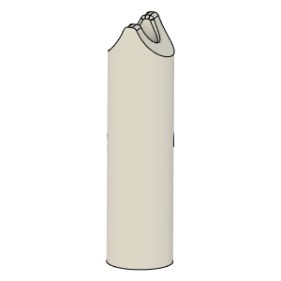 | PTFE_Guide | Comes with BMG clones | MAKE | 1 | Make from 4mm OD PTFE tube: 1 - Using Xacto blade, create internal chamfer in one end. 2 - Cut that end into an arrow shape (try to match the angle from the HextrudORT body where the hobb gears meet. 3 - Insert into HextrudORT body and cut excess length flush.
HextrudORT_HotEnd_Nova | BUY | 8 | 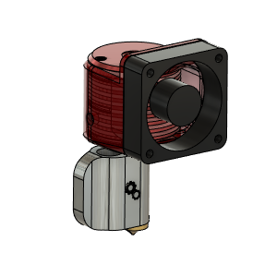 | NOVA HotEnd | From 3DPassion.com | BUY | 1 | BE AWARE, if using the 100W heater cartridge available for NOVA, Duet might trigger errors during PID tune due to too much overshoot (default 15C). This can be resolved by Inserting an M570 H1* T25 in your config file. * is your heater number. Klipper seems to be handling this power without any issue.
HextrudORT_HotEnd_Nova | BUY | 9 | 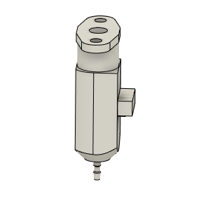 | bltouch |  | BUY | 1
HextrudORT_HotEnd_Nova | HARDWARE | 10 | 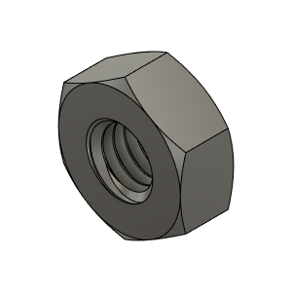 | M3_Nut_94150A325 | Nut, Hex - M3 | Buy | 2
HextrudORT_HotEnd_Nova | HARDWARE | 13 | 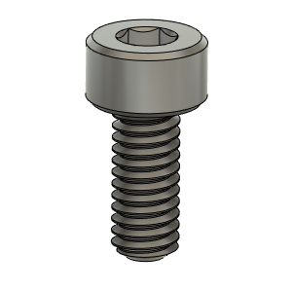 | M2.5X6_CapScrew_92290A056 | Screw, Cap - M2.5X6mm | BUY | 2
HextrudORT_HotEnd_Nova | HARDWARE | 11 | 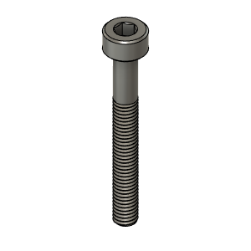 | M3X25_CapScrew_92290A124 | Screw, Cap - M3X25mm | Buy | 1
HextrudORT_HotEnd_Nova | HARDWARE | 12 | 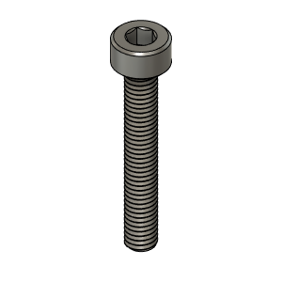 | M3X20_CapScrew_92290A122 | Screw, Cap - M3X20mm | Buy | 1
HextrudORT_HotEnd_Nova | HARDWARE | 13 | 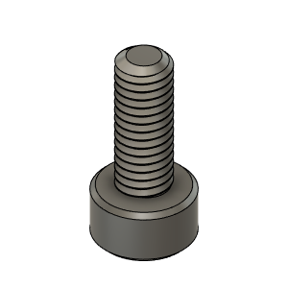 | M3X8_CapScrew_92290A113 | Screw, Cap - M3X8mm | Buy | 1
HextrudORT_HotEnd_Nova | MAKE | 10a | 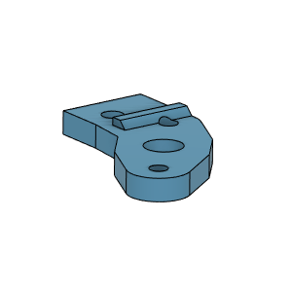 | BlTouchSupport for STDHT MGN9 & MGN12 Carriage | 3D Printed | MAKE | 1* | * OPTION BlTouchSupport for STDHT MGN9 & MGN12 Carriage
HextrudORT_HotEnd_Nova | MAKE | 10b | To come | BLTouch support for HD9 | 3D Printed | MAKE | 1* | * OPTION BlTouchSupport for HD9 Carriage
HextrudORT_HotEnd_Nova | MAKE | 10c |  | BLTouch support for HD12 | 3D Printed | MAKE | 1* | * OPTION BlTouchSupport for HD12 Carriage
HextrudORT_HotEnd_Nova | MAKE | 11 | 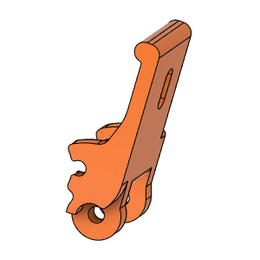 | HextrudORT_TENSION_ARM | 3D_Printed |  | 1 | NOTE ! Make sure your printer is well calibrated, these are small and precise parts. Recommended print settings: - 0.16 Layer height - Support interface: yes - Full fan at first support interfacing layer
HextrudORT_HotEnd_Nova | MAKE | 12 | 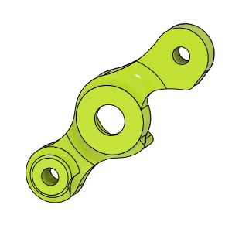 | HextrudORT_COVER | 3D_Printed |  | 1 | NOTE ! For Big Bearings (MR95 5X9X2.5) use: HextrudORT_COVER_BB.STL For Bearing provided with BMG (MR85 5x8x2.5) use: HextrudORT_COVER.STL
HextrudORT_HotEnd_Nova | MAKE | 13 | 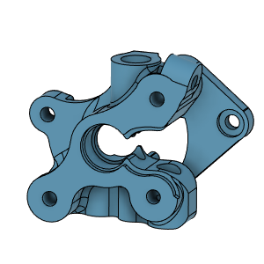 | HextrudORT_BODY_NOVA | 3D Printed |  | 1 | NOTE ! Make sure your printer is well calibrated, these are small and precise parts. Recommended print settings: - 0.16 Layer height - Support interface: yes - Full fan at first support interfacing layer

