Wilcock_Crow_full_grainsize
Discharge_(cms) | Bedload transport_rate (kg/min.)
100.00 | 143.93
102.81 | 158.58
105.70 | 174.48
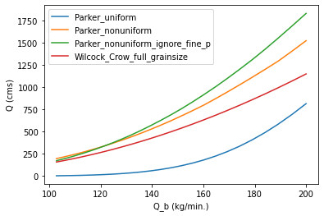
108.67 | 191.71
111.73 | 210.36
114.87 | 230.53
118.10 | 252.33
121.42 | 275.86
124.83 | 301.24
128.34 | 328.58
131.95 | 358.00
135.66 | 389.62
139.47 | 423.57
143.40 | 459.98
147.43 | 499.00
151.57 | 540.79
155.83 | 585.51
160.21 | 633.31
164.72 | 684.37
169.35 | 738.88
174.11 | 797.02
179.01 | 859.00
184.04 | 925.02
189.21 | 995.29
194.53 | 1070.05
200.00 | 1149.54

