Schematic
Income Year 2022 Schedule

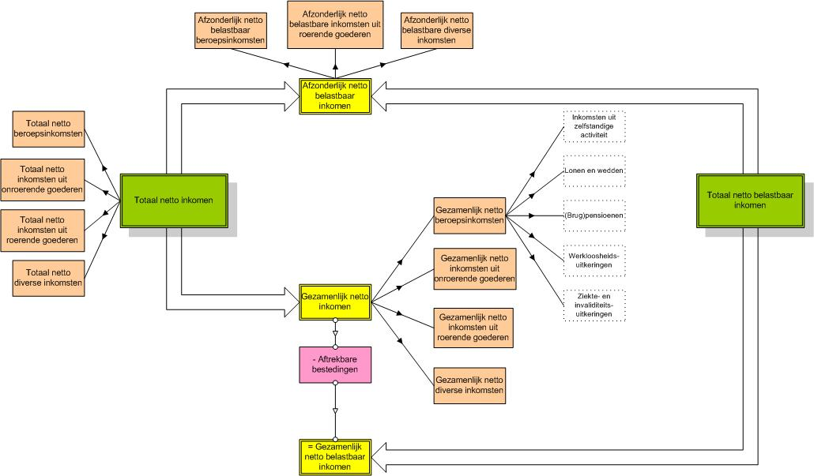

Source: Statbel (Directorate-General for Statistics - Statistics Belgium), Fiscal incomes

Overview
Glossary

