Bug 1
ID | QAC-101
Project | QA Course testing
Product | n/a
Release Version | 1.7.12
Module | Product List Page
Detected Build Version | 1.7.12.5
Summary | In T-Shirts category page besides the T-Shirts there is also a long sleeve tee in that category.
Description | When user hovers over Products menu and Clothing then clicks on T-Shirts category page besides the T-Shirts there is a long sleeve tee in that category page.
Steps to Replicate | Open QA Course app http://qacourse.churlinoski.mk/ Hover on Products button from top menu Hover on Clothing sub-menu of Products menu Click on T-Shirts category page
Actual Result | There is also a long sleeve tee in T-Shirts category page.
Expected Results | There should only be T-Shirts in T-Shirts category page.
Attachments | on page 2
Remarks
Defect Severity | S4
Defect Priority | P4
Reported By | Frosina Mishikj
Assigned To | Lead of dev
Status | New
Fixed Build Version
Environment | Windows 10 Pro 20H2 , Google Chrome v. 98.0.4758.82

 | 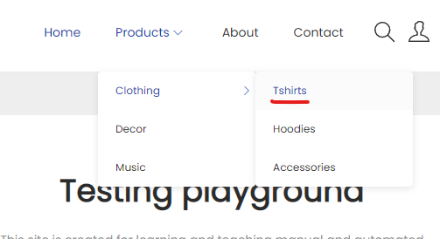

 | 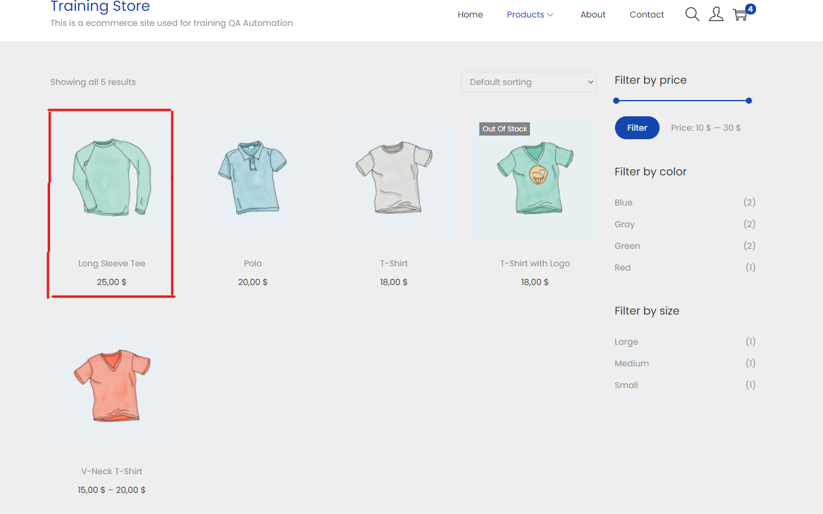

Bug 2
ID | QAC-102
Project | QA Course testing
Product | n/a
Release Version | 1.7.12
Module | Product List Page
Detected Build Version | 1.7.12.5
Summary | In the T-Shirts category page if you filter by color blue there is also a red T-Shirt displayed.
Description | When the user hovers over Products menu and Clothing then clicks on T-Shirts category page and filters by color blue there is also a red T-Shirt displayed. If you hover over the picture of the product, the color changes to green.
Steps to Replicate | Open QA Course app http://qacourse.churlinoski.mk/ Hover on Products button from top menu Hover on Clothing sub-menu of Products menu Click on T-Shirts category page On the right side menu on filter by color options click on blue
Actual Result | There is also a red T-Shirt in the T-Shirts category page when we filter by color blue.
Expected Results | There should only be blue T-Shirts in the T-Shirts category page when we filter by color blue.
Attachments | on page 2
Remarks
Defect Severity | S4
Defect Priority | P3
Reported By | Frosina Mishikj
Assigned To | Lead of dev
Status | New
Fixed Build Version
Environment | Windows 10 Pro 20H2 , Google Chrome v. 98.0.4758.82

 | 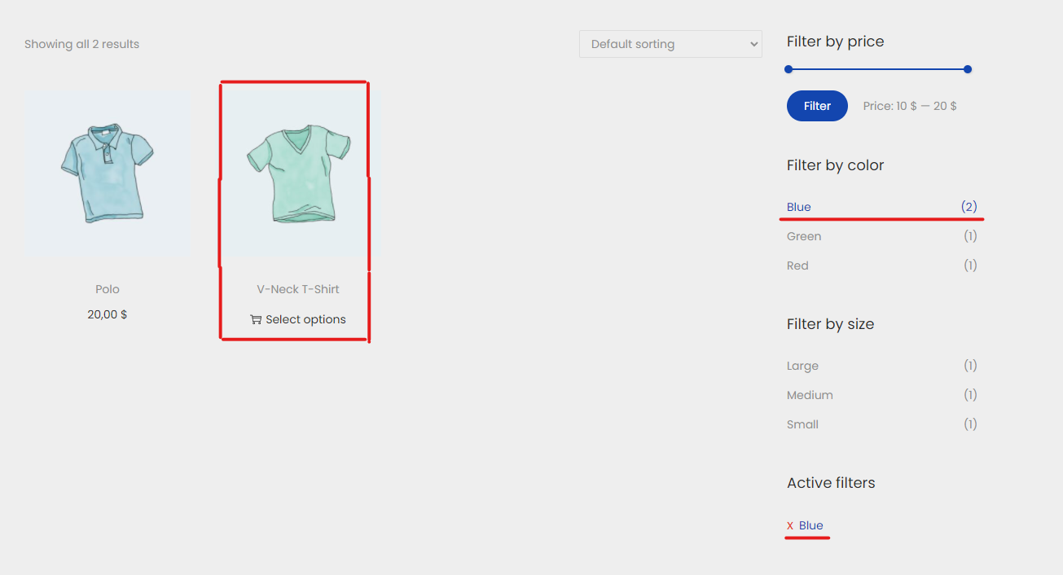

 | 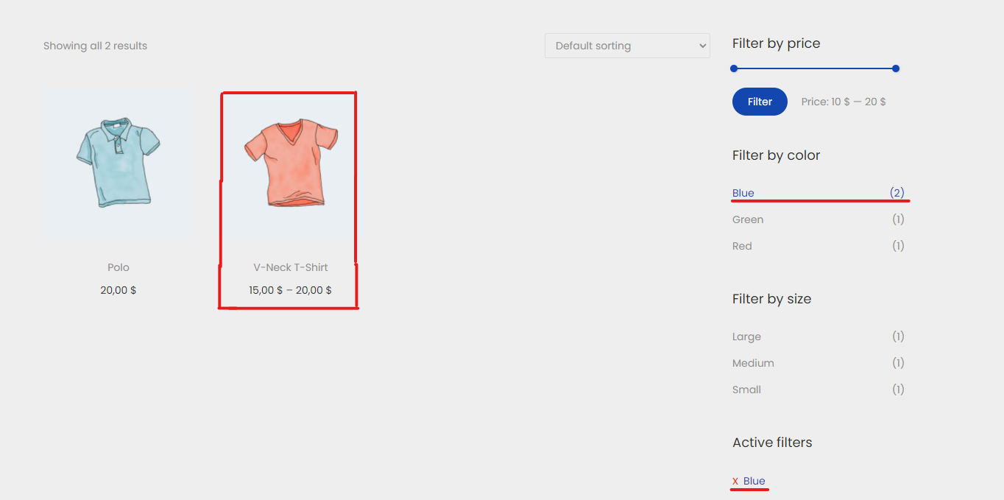

Bug 3
ID | QAC-103
Project | QA Course testing
Product | n/a
Release Version | 1.7.12
Module | Product List Page
Detected Build Version | 1.7.12.5
Summary | There are no hoodies in the Hoodies category page.
Description | When the user hovers over the Products menu and Clothing then clicks on the Hoodies category page, there are no hoodies on that page. It redirects to the Accessories category page instead.
Steps to Replicate | Open QA Course app http://qacourse.churlinoski.mk/ Hover on Products button from top menu Hover on Clothing sub-menu of Products menu Click on Hoodies category page
Actual Result | It redirects to the Accessories category page when we click on Hoodies category page.
Expected Results | Hoodies should be displayed when we click on the Hoodies category page.
Attachments | on page 2
Remarks
Defect Severity | S2
Defect Priority | P2
Reported By | Frosina Mishikj
Assigned To | Lead of dev
Status | New
Fixed Build Version
Environment | Windows 10 Pro 20H2 , Google Chrome v. 98.0.4758.82

 | 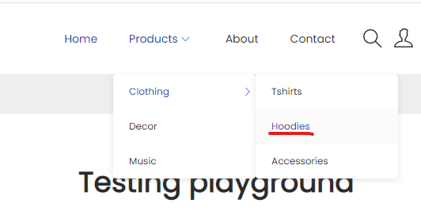

 | 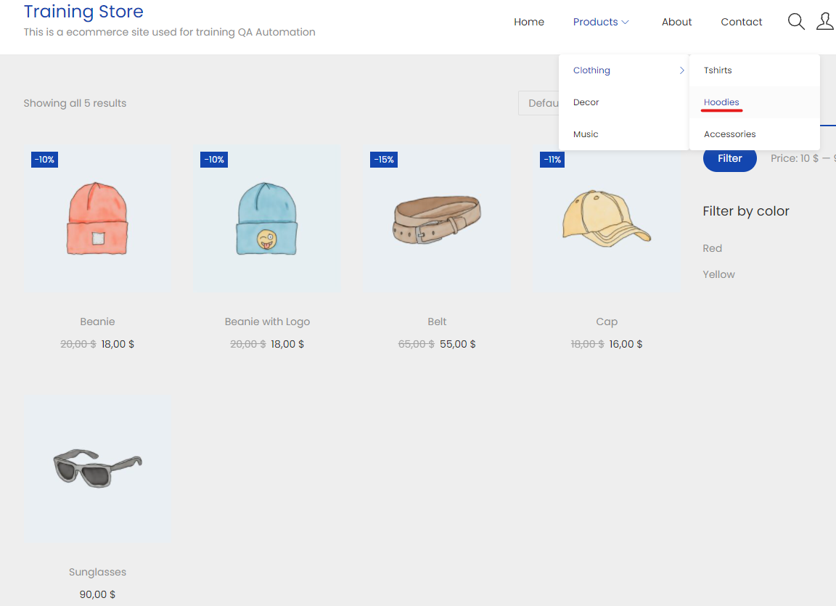

Bug 4
ID | QAC-104
Project | QA Course testing
Product | n/a
Release Version | 1.7.12
Module | Product List Page
Detected Build Version | 1.7.12.5
Summary | In the Accessories category page if you filter by color red there is also a blue Beanie displayed.
Description | When the user hovers over the Products menu and Clothing then clicks on the Accessories category page and filters by color red there is also a blue Beanie displayed. In the products detail page under additional information the color is red.
Steps to Replicate | Open QA Course app http://qacourse.churlinoski.mk/ Hover on Products button from top menu Hover on Clothing sub-menu of Products menu Click on Accessories category page On the right side menu on filter by color options click on red
Actual Result | There is also a blue Beanie in the Accessories category page when we filter by color red.
Expected Results | There should only be red products in the Accessories category page when we filter by color red.
Attachments | on page 2
Remarks
Defect Severity | S4
Defect Priority | P3
Reported By | Frosina Mishikj
Assigned To | Lead of dev
Status | New
Fixed Build Version
Environment | Windows 10 Pro 20H2 , Google Chrome v. 98.0.4758.82

 | 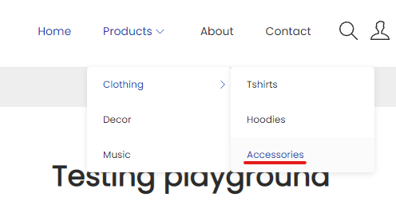

 | 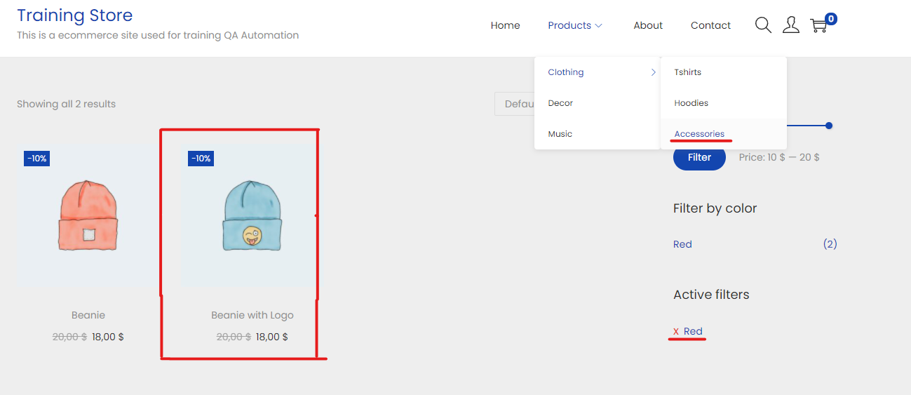

Bug 5
ID | QAC-105
Project | QA Course testing
Product | n/a
Release Version | 1.7.12
Module | Product List Page
Detected Build Version | 1.7.12.5
Summary | In the Accessories category page the Belt product has a wrong discounted price.
Description | When the user hovers over the Products menu and Clothing then clicks on the Accessories category page, the belt product has a wrong discounted price. The discount is for 15% off, the original price was 65.00$ the discounted price is 55.00 $, it should be 55.25$.
Steps to Replicate | Open QA Course app http://qacourse.churlinoski.mk/ Hover on Products button from top menu Hover on Clothing sub-menu of Products menu Click on Accessories category page
Actual Result | The belt product has a wrong discounted price. The discount is for 15% off, the original price was 65.00$ the discounted price is 55.00 $.
Expected Results | The belt’s discounted price should be 55.25$.
Attachments | on page 2
Remarks
Defect Severity | S2
Defect Priority | P2
Reported By | Frosina Mishikj
Assigned To | Lead of dev
Status | New
Fixed Build Version
Environment | Windows 10 Pro 20H2 , Google Chrome v. 98.0.4758.82

 | 