Sheet1
 |  |  |  | BUG REPORT : Journal Article Published

 | Title | Bug Description | steps to Reproduce | Expected Result | Actual Result | Priority | Comments | Date | Screenshots/ screenRecords | QA Name | Status | ScreenShots

1 | After searching , the content appears to be mixed or improperly organized, leading to confusion and difficulty in interpreting the data. | After searching any value from list then the content appears to be mixed or improperly organized, leading to confusion and difficulty in interpreting the data. | 1.Open the URL https://dev-portal.svkm.ac.in/researches/user 2.Enter valid username and Password. 3.Click on Signin button. 4.Click on Journal Article Published. 5.Click on Search option. | After searching any value from list then the content should not appears to be mixed or improperly organized. | After searching any value from list then the content appears to be mixed or improperly organized, leading to confusion and difficulty in interpreting the data. | high |  | 2024-04-26 | 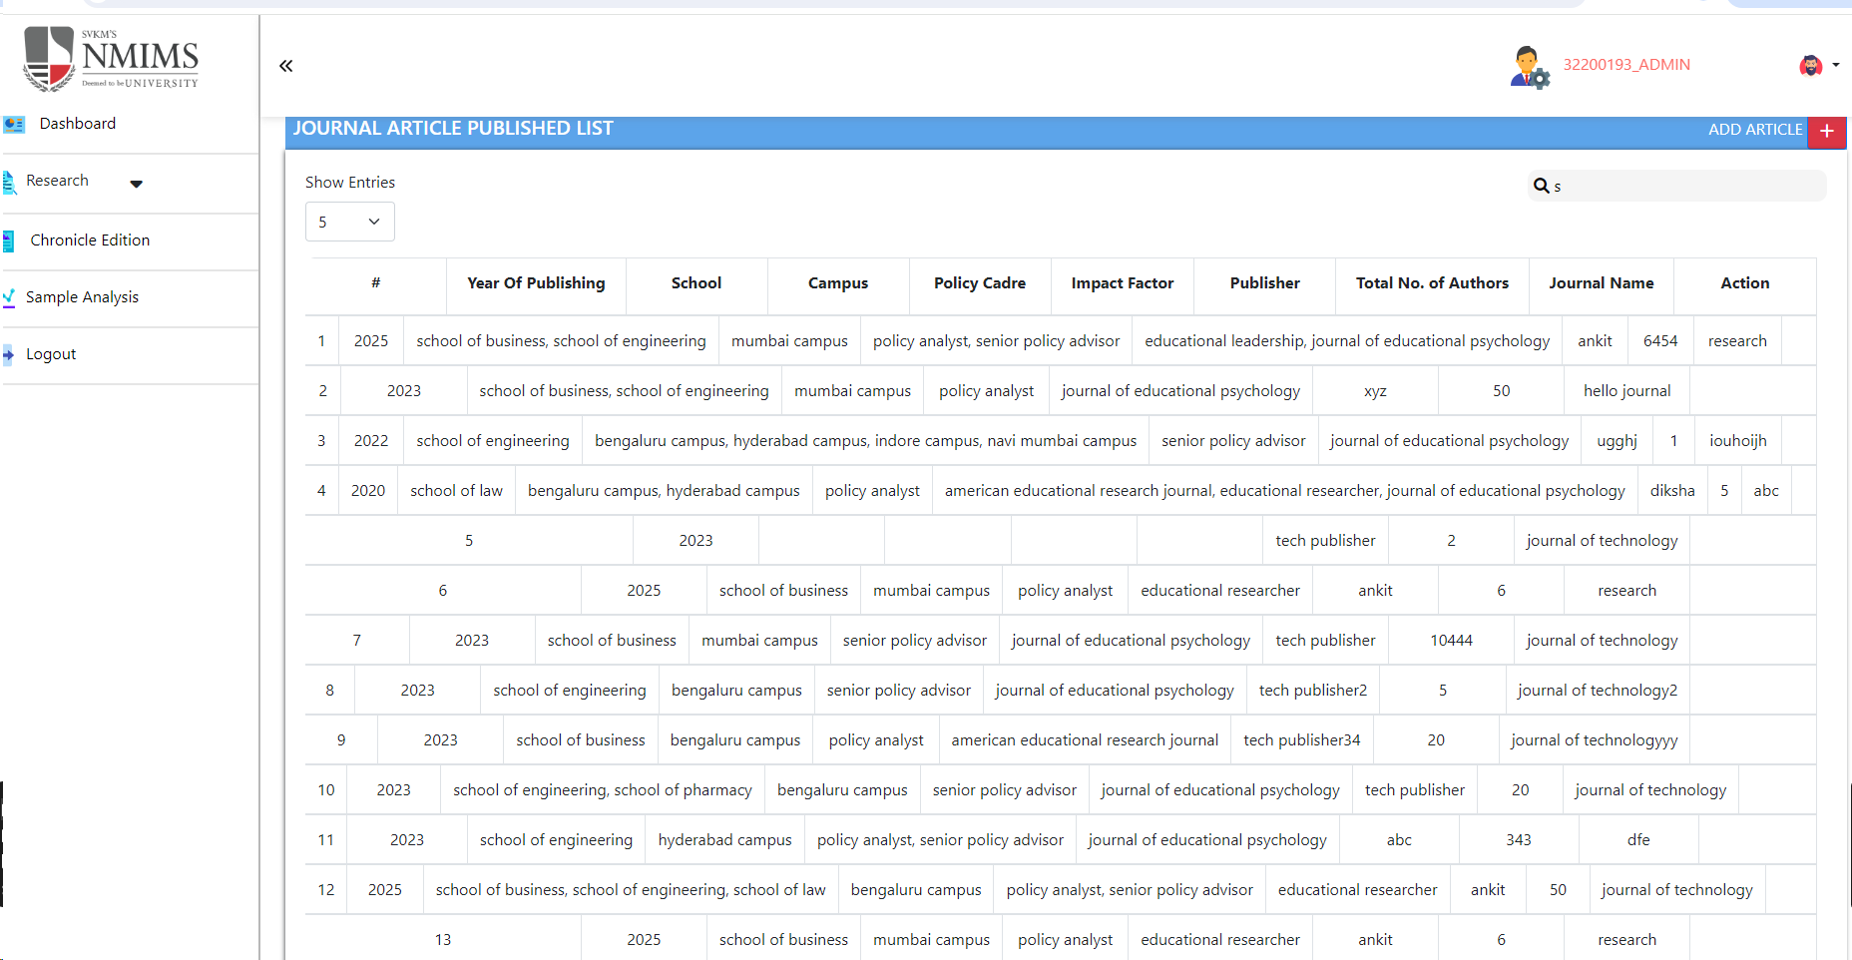 | diksha | 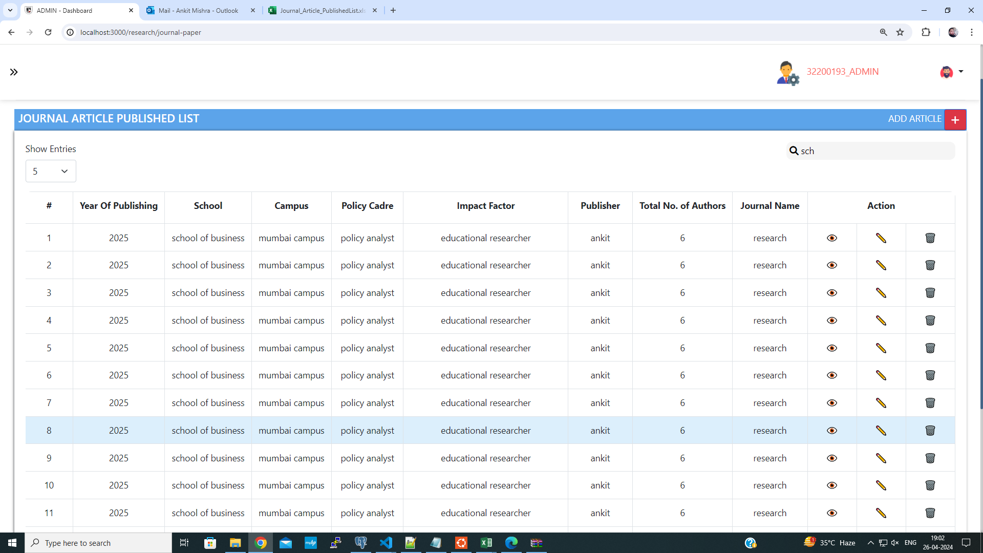 Complete

2 | After deleting Values from table then the page reverts to displaying its default entries on the page. | If we select 10 show entries then after deleting any entry from table then page reverts to display its default i.e 5 entries on the page. | 1.Open the URL https://dev-portal.svkm.ac.in/researches/user 2.Enter valid username and Password. 3.Click on Signin button. 4.Click on Journal Article Published. | If we select 10 show entries then after deleting any entry from table then page should not revert to display its default i.e 5 entries on the page. | If we select 10 show entries then after deleting any entry from table then page reverts to display its default i.e 5 entries on the page. | low |  | 2024-04-26 | https://screenrec.com/share/z43qSluKMO |  | Complete |  | Completed

3 | After clicking on view button Internal Server error is displayed. | After clicking on view button Internal Server error is displayed. | 1.Open the URL https://dev-portal.svkm.ac.in/researches/user 2.Enter valid username and Password. 3.Click on Signin button. 4.Click on Journal Article Published 5.Click on View button. | After clicking on view button then Internal Server error should not ' displayed. | After clicking on view button Internal Server error is displayed. | medium |  | 2024-04-26 | 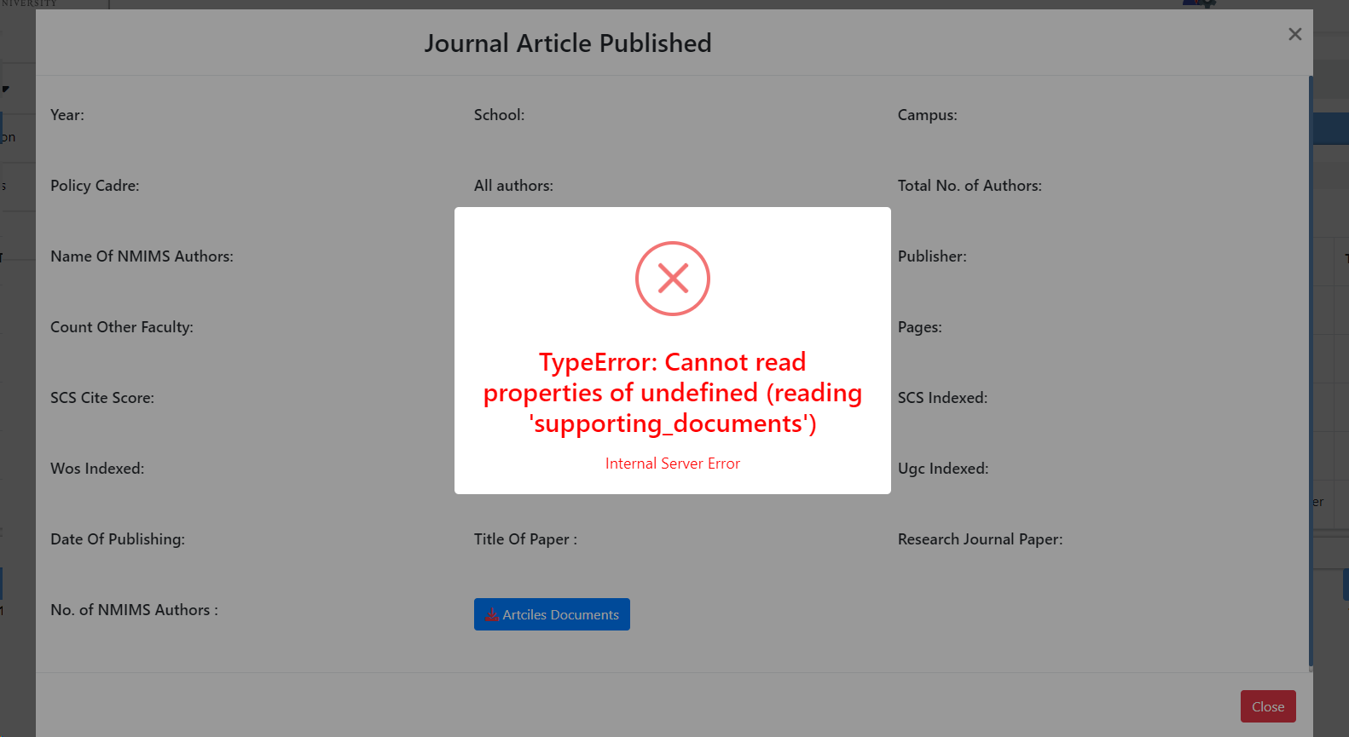 | en | Completed its Happening becuse i have given you access for testing and in case of view only user data will display

4 | Inside View All fields values are not displayed | Insie View option field values are not displayed. | 1.Open the URL https://dev-portal.svkm.ac.in/researches/user 2.Enter valid username and Password. 3.Click on Signin button. 4.Click on Journal Article Published 5.Click on View button. | Insie View option field values should be displayed. | Insie View option field values are not displayed. | medium |  | 2024-04-26 | 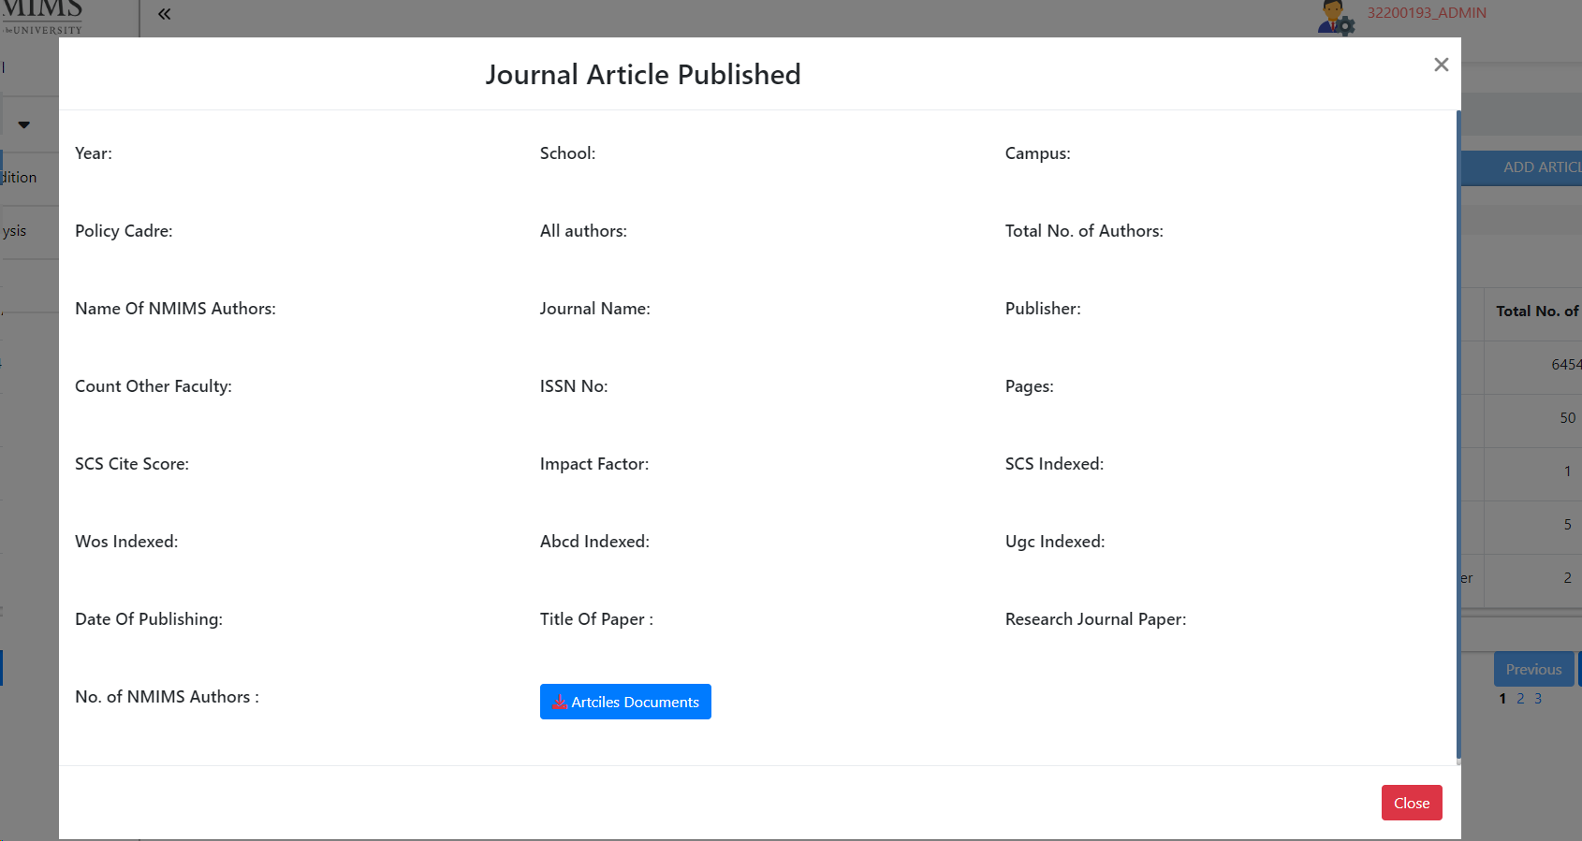 |  | Completed

5 | Close button is not clickable. | Close Button of View option is not clickable. | 1.Open the URL https://dev-portal.svkm.ac.in/researches/user 2.Enter valid username and Password. 3.Click on Signin button. 4.Click on Journal Article Published 5.Click on View button. | Close Button of View option should be clickable. | Close Button of View option is not clickable. | low |  | 2024-04-26 |  |  | Completed

6 | Field error message from Edit are reflected inside Add options fields. | Field error message from Edit are reflected inside Add options fields. | 1.Open the URL https://dev-portal.svkm.ac.in/researches/user 2.Enter valid username and Password. 3.Click on Signin button. 4.Click on Journal Article Published 5.Click on Add button. | Field error message from Edit should not reflect inside Add options fields. | Field error message from Edit are reflected inside Add options fields. | low |  | 2024-04-26 | https://screenrec.com/share/Cgb3tl4d9P

7 | Tooltips for View, Edit , Delete are not present. | Tooltips for View, Edit , Delete are not available. | 1.Open the URL https://dev-portal.svkm.ac.in/researches/user 2.Enter valid username and Password. 3.Click on Signin button. 4.Click on Journal Article Published. | Tooltips for View, Edit , Delete are not present. | Tooltips for View, Edit , Delete are not present. | low |  | 2024-04-26 |  |  | Completed

