Case Study
Case Study - Requirement
A.7 | Case Study | Remarks
1 | Author's last name, author's first name
2 | Title of case study
3 | Edition (if applicable)
4 | Volume number (if applicable)
5 | Publisher Name
6 | Publication Year
7 | Publisher Category
8 | International | Radio button
9 | National | Radio button
10 | Page numbers
11 | URL of the Case Study
12 | No. of NMIMS Authors
13 | Name of NMIMS Authors
14 | NMIMS Campus - Author
15 | NMIMS School - Author
16 | Upload Supporting Documents | Upload file

 |  | Test Case Template for Project
 |  | Project Name | Research
 |  | Module Name | Case Study
 |  | Created By | Niharika
 |  | Created Date
 |  | Peer Review By
 |  | Peer Reviewed Date

RESEARCH TEST CASES
Scenario TID | Scenario Description | Test Case ID | Pre Condition | Steps to Execute | Expected Result | Actual Result | Status | Executed QA Name | Comments | Screenshots
1 | To Verify if all the fields are available to fill as per requirement | 1 | Application should be open. https://devportal.svkm.ac.in/researches | "1.Open the URL http://localhost:3000/admin/dashboard 2.Click on Research option from Left side bar. 3. Click on Case Study. | All 14 fields should be available to fill in form | Upload Supporting Document Field id missing. | Fail | Niharika |  | 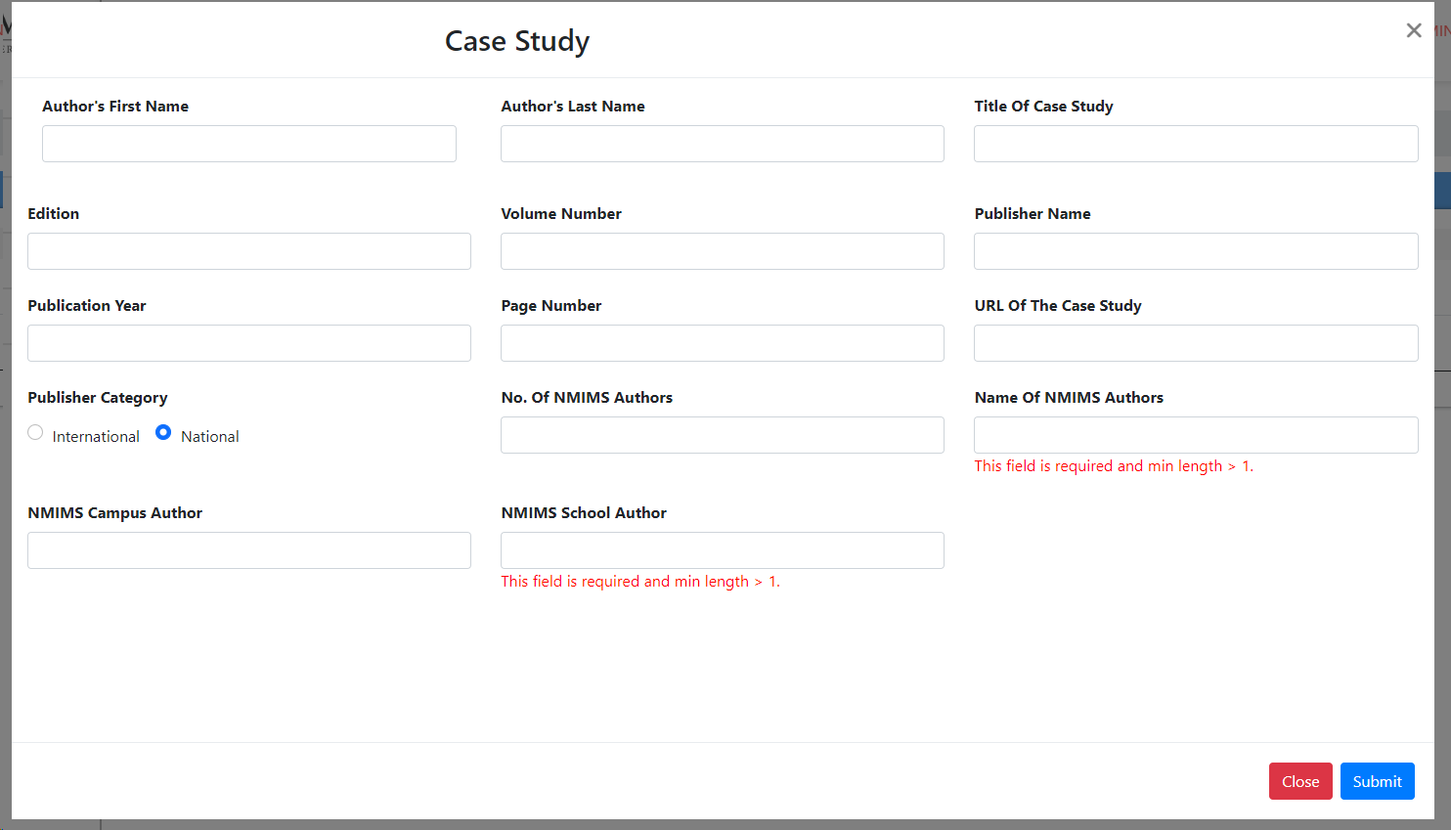
2 | To verify if all the fields names are according to provided requirements | 2 | Application should be open. https://devportal.svkm.ac.in/researches | "1.Open the URL http://localhost:3000/admin/dashboard 2.Click on Research option from Left side bar. 3. Click on Case Study. | All fields name should be same as provided requirement List | Fields which are not correct - Page Numbers, NMIMS Campus - Author, NMIMS School - Author, Edition (if applicable), Volume number (if applicable) |  | Niharika
3 | To Verify Fields accept Entries | 3 | Application should be open. https://devportal.svkm.ac.in/researches | "1.Open the URL http://localhost:3000/admin/dashboard 2.Click on Research option from Left side bar. 3. Click on Case Study. 4.Click on ADD button." | All fields should accept entries as per requirement | Fields: Names of NMIMS Authors, NMIMS Campus Author, NMIMS School Author - all are not accepting special character (,) | Fail | Niharika |  | 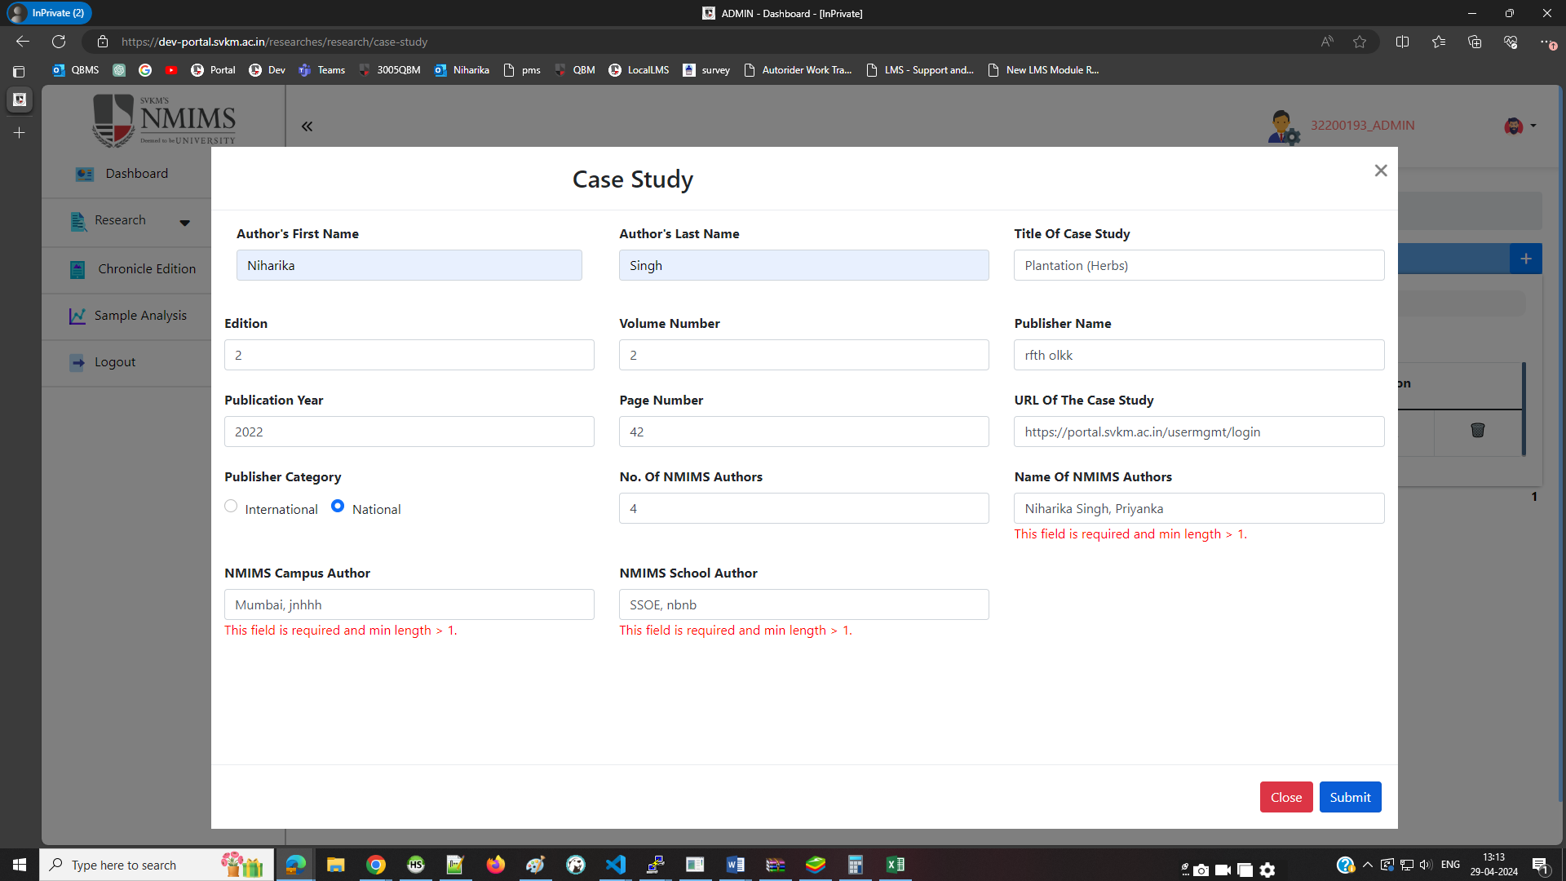
4 | To verify Form will get submitted without entering non-mandatory fields | 4 | Application should be open. https://devportal.svkm.ac.in/researches | "1.Open the URL http://localhost:3000/admin/dashboard 2.Click on Research option from Left side bar. 3. Click on Case Study. 4.Click on ADD button." | Form Should get submitted without entering Non-Mandatory Field - Edition and Volume Number. | Form is not getting submitted without entering edition and Volumne No. | Fail | Niharika |  | 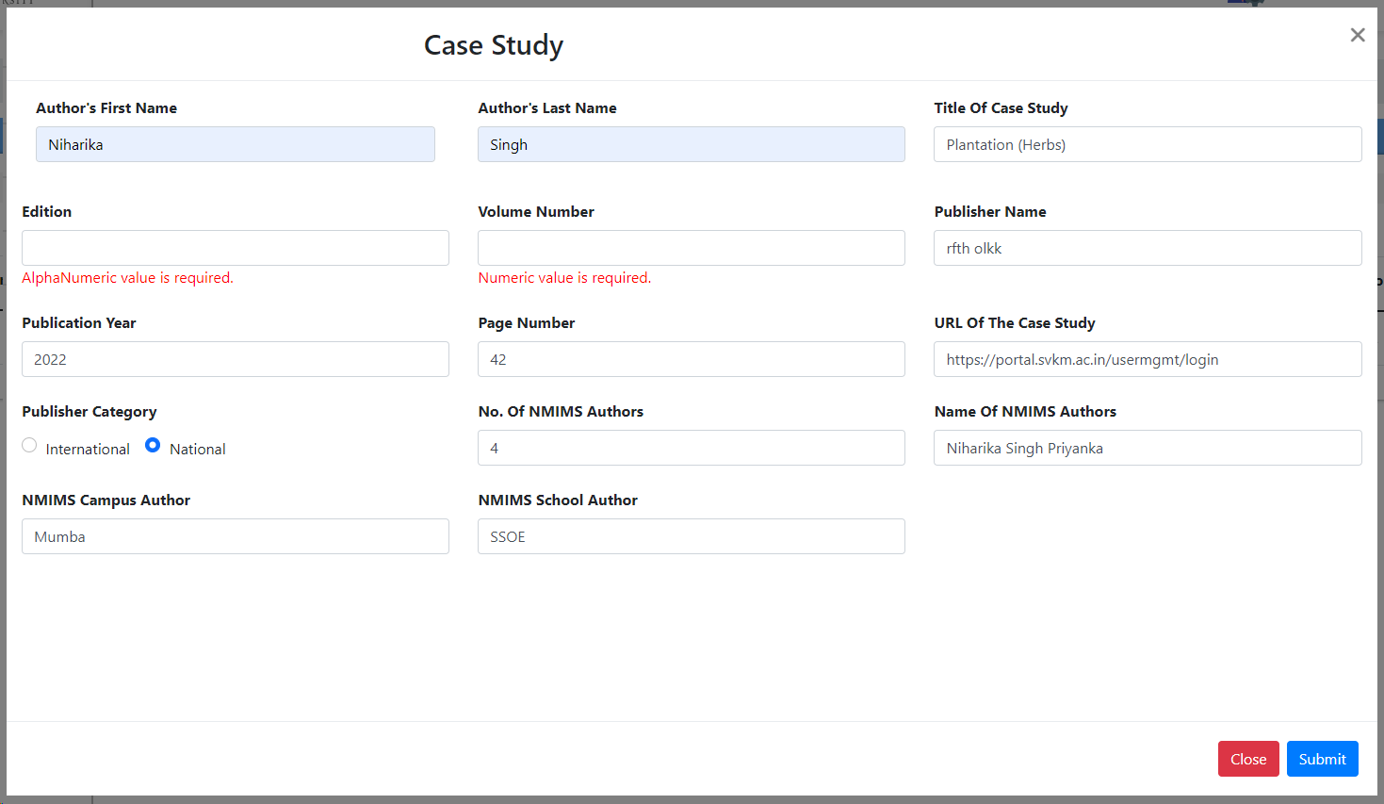
5 | To Verify if multiple Page Nos. can be added in Form | 5 | Application should be open. https://devportal.svkm.ac.in/researches | "1.Open the URL http://localhost:3000/admin/dashboard 2.Click on Research option from Left side bar. 3. Click on Case Study. 4.Click on ADD button." | Forms Filed : Page Number should accept Multiple Page No. | Not allowing to enter more than one Page No. | Fail | Niharika
6 | To Verify View List of filled form | 6 | Application should be open. https://devportal.svkm.ac.in/researches | "1.Open the URL http://localhost:3000/admin/dashboard 2.Click on Research option from Left side bar. 3. Click on Case Study. 4.Click on ADD button." | After submitting the Form the detail submitted should reflects in View List | After Submitting the form, in the View list it is not reflecting automatically , we have to refresh the page then all enteriers reflects | Minor | Niharika |  | 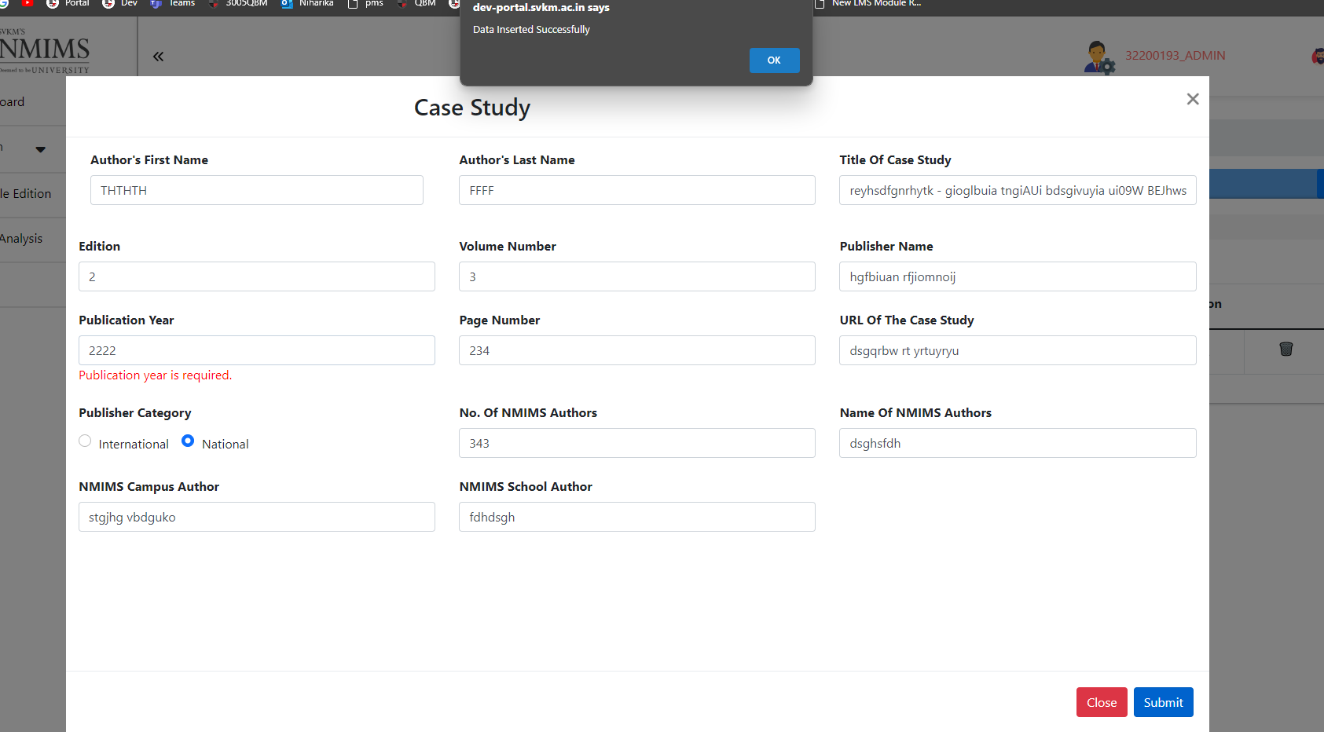 | Before Refresh, After submitting the form | After refresh
7 | To verify the submitted Form in View List is reflecting correctly | 7 | Application should be open. https://devportal.svkm.ac.in/researches | "1.Open the URL http://localhost:3000/admin/dashboard 2.Click on Research option from Left side bar. 3. Click on Case Study. 4.Click on View button." | All Details and Field names are should reflects properly | Following Field names are not Similar to Fields name in Form 1. Author's First Name 2. Author's Last Name 3. Title of the Case Study 4.Page Numbers 5.URL of the Case Study 6. Name of NMIMS Authors 7. NMIMS Campus - Author 8. NMIMS School - Author | Fail | Niharika |  |  |  | 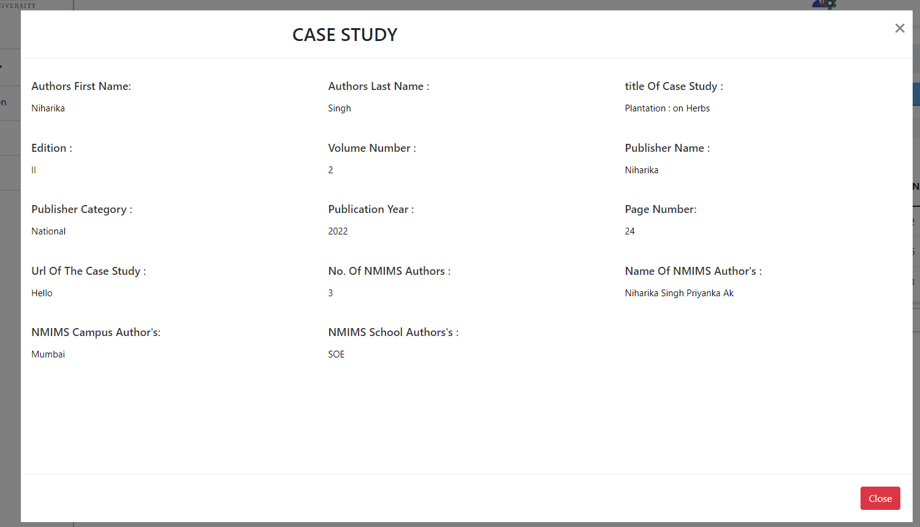
8 | To Verify Edit | 8 | Application should be open. https://devportal.svkm.ac.in/researches | "1.Open the URL http://localhost:3000/admin/dashboard 2.Click on Research option from Left side bar. 3. Click on Case Study. 4.Click on Edit button." | All fields should be editable | System not reflecting every filed entry to edit, User have to entry every Blank field again to edit even if user only wanted to edit one entry otherwise form is not getting updated. | Fail | Niharika |  | 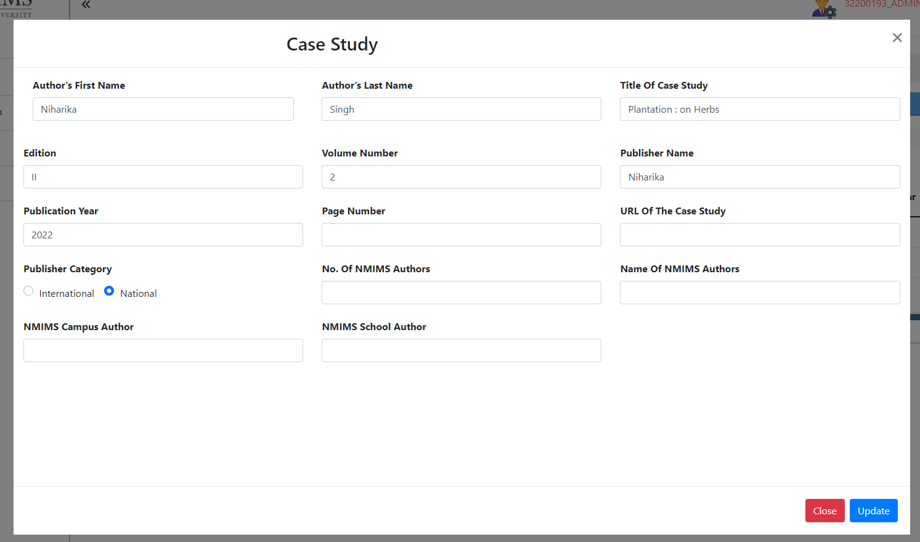

NMIMS Consultancy Form
SVKM's NMIMS Deemed to-be University Mumbai

Consultancy Approval Form
This form is for internal use only. It should be filled out and sent to the Dean/Director for approval. |  |  |  |  |  | Year:
Title (Brief)
Name of Faculty
Designation and address of Contact Person for Client

Date of Commencement |  |  |  |  | Date of Completion
BUDGET
 |  |  | Days/Sessions | Fee per Day/Session |  | Total Fee (Rs.)
 |  |  |  | (Rs.)
(a) Gross Fees

 | Faculty Share | 70% of (a)
 | NMIMS Share | 30% of (a)
Details of Distribution of Faculty Share (if more than one faculty) |  |  |  | Fees (Rs.)

(b) | Research Staff Expenses
(c) | Travel
(d) | Computer Charges/Printing/publication/Editing/Communication/Consumables
(e) | Charges for NMIMS Facilities (Class-room, Conference room), if applicable
(f) | Miscellaneous including Contingency
(g) | Total (a to f)
 | GST as per Government Rules (if consulting is routed through NMIMS)
 | Grand Total
Payment Schedule as discussed and agreed with the clinet |  |  |  | Advance Payment
 |  |  |  | Final Payment
 |  |  |  | Total Payment
Faculty Coordinator : |  |  |  | Vice Chancellor :

Date : |  |  |  | Date :

 | Days in Each Financial year if project extends beyond current year
 | Faculty | Financial Year | No of Days/Sessions

 |  | Test Case Template for Project
 |  | Project Name | Research
 |  | Module Name | NMIMS Consultancy Form
 |  | Created By | Niharika
 |  | Created Date
 |  | Peer Review By
 |  | Peer Reviewed Date

RESEARCH TEST CASES
Scenario TID | Scenario Description | Test Case ID | Pre Condition | Steps to Execute | Expected Result | Actual Result | Status | Executed QA Name | Comments | Screenshots
1 | To Verify if all the fields are available to fill as per requirement | 1 | Application should be open. https://devportal.svkm.ac.in/researches | "1.Open the URL http://localhost:3000/admin/dashboard 2.Click on Research option from Left side bar. 3. Click on NMIMS Consultancy Form. | All fields should be available to fill in form as per provided requirement | Multiple options are missing 1. Name of the Faculty and Designation are separate fields, Name of field is : Designation and address of Contact Person for Client. 2. Budget Highlight is missing, 3. Faculty share 70%(a) and NMIMS Share 30%(a) are sub-fields of Gross Fees not the seperate fields. 4. Field: Total (a to f) is missing 5. Field: GST as per Government Rules (if consulting is routed through NMIMS) is missing 6. Field : Grand Total is missing 7. Field: Advance Payment, Final Payment and Field: Total Payment comes under Field: Payment Schedule as discussed and agreed with the clinet 8. Field Faculty Coordinator and Date is Missing 9. Field: Vice Chancellor and Date is missing | Fail |  |  | 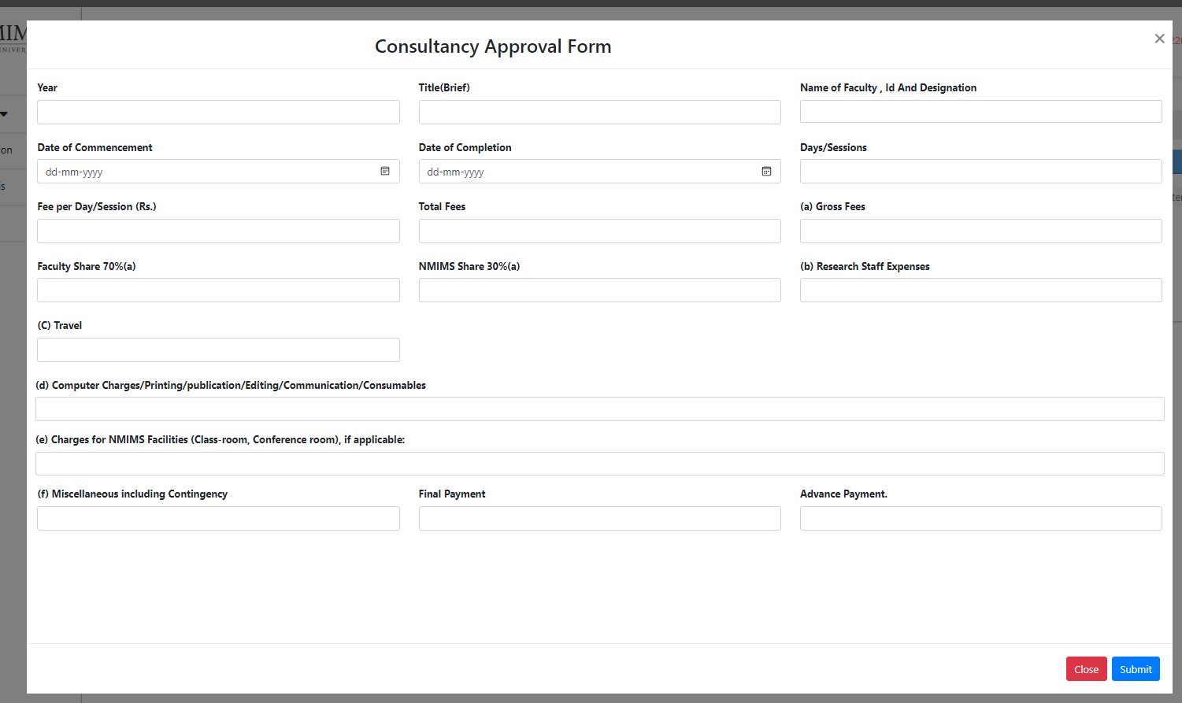
2 | To Verify form submitted successfully after entering all details | 1 | Application should be open. https://devportal.svkm.ac.in/researches | "1.Open the URL http://localhost:3000/admin/dashboard 2.Click on Research option from Left side bar. 3. Click on NMIMS Consultancy Form. 4. Click on "Add" Icon | Form should get submitted after filling all details | Not able to submit Form | Fail |  |  | 