Sheet1
dish0 | type0 | 12 | 
dish1 | type1 | 23 | 
dish2 | type2 | 144 | 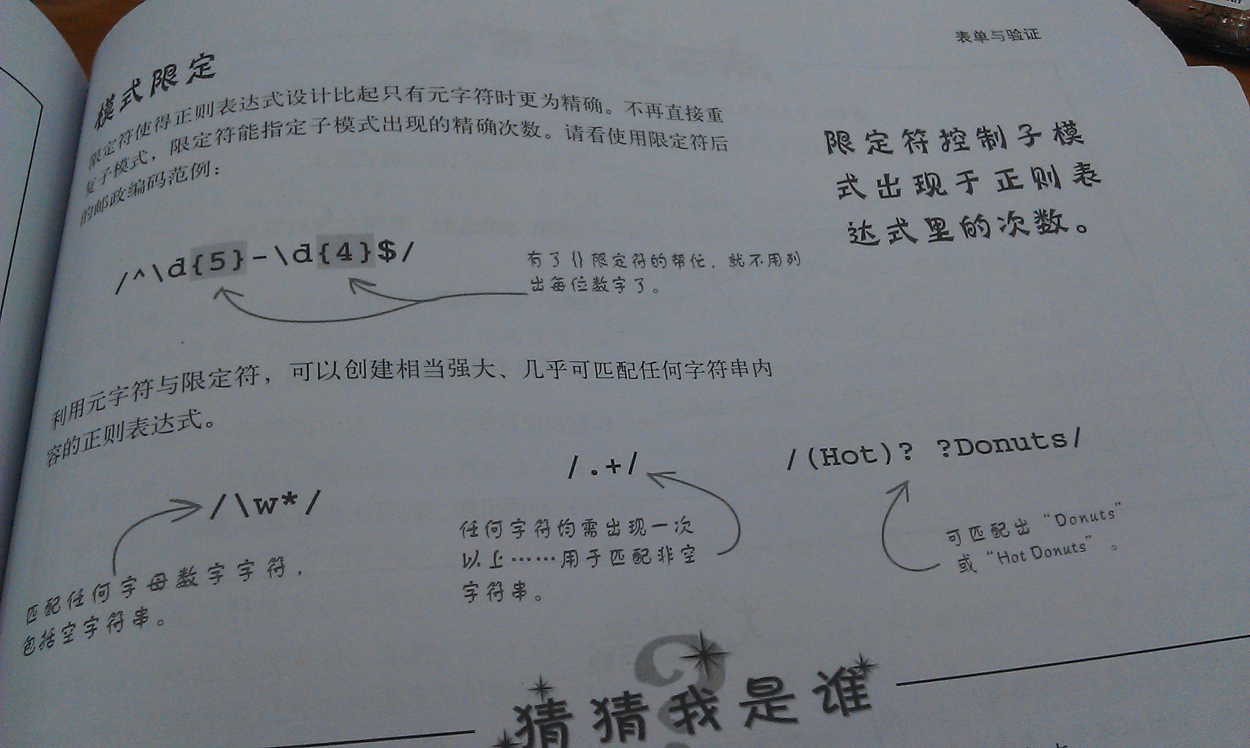
dish3 | type3 | 5 | 

