Sheet1
Teriyaki-Glazed Chicken | Chicken | 35 | 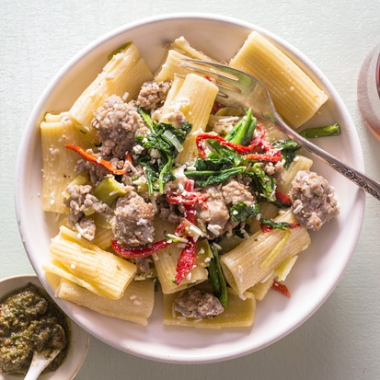
Pappardelle with Italian Meat Sugo | Rice | 46 | 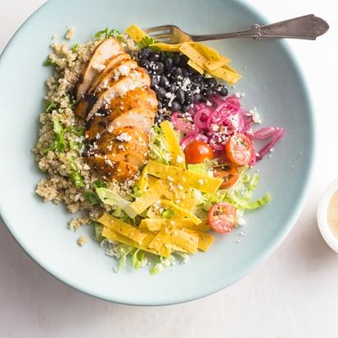
Bean soup | Soup | 14 | 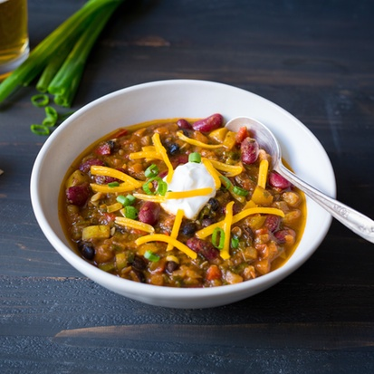
Fresh fruit salad | Salad | 20 | 