Notes
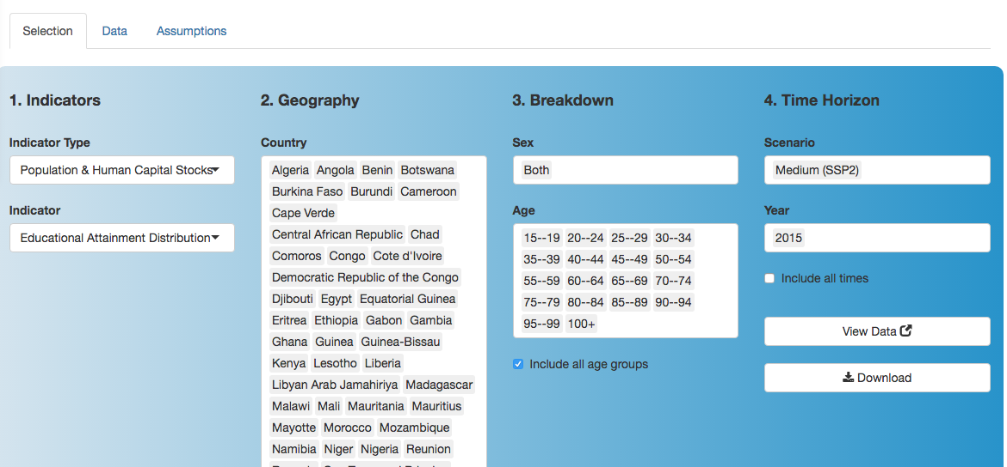
Date | Observer | Notes
2017-10-27 | CS | Educations Levels!

 |  | Data obtained today from:
 |  |  | Wittgenstein Centre Data Explore
 |  |  | http://www.oeaw.ac.at/fileadmin/subsites/Institute/VID/dataexplorer/index.html

 |  | Found on "Data is Plural" blog 2016-10-05. Their description:
 |  |  | Researchers at the Vienna-based Wittgenstein Centre for Demography and Global Human Capital have developed a dataset of historical and projected education levels for 171 countries. For five-year age groups in each country, the project estimates the percentage of people in each of several categories of educational attainment — no education, primary education, secondary education, post-secondary education, and a few gradations in between. The dataset is available to browse and download via the Wittgenstein Centre Data Explorer – look for “Educational Attainment Distribution” in the “indicators” dropdown.

 |  | Broad Age Settings:
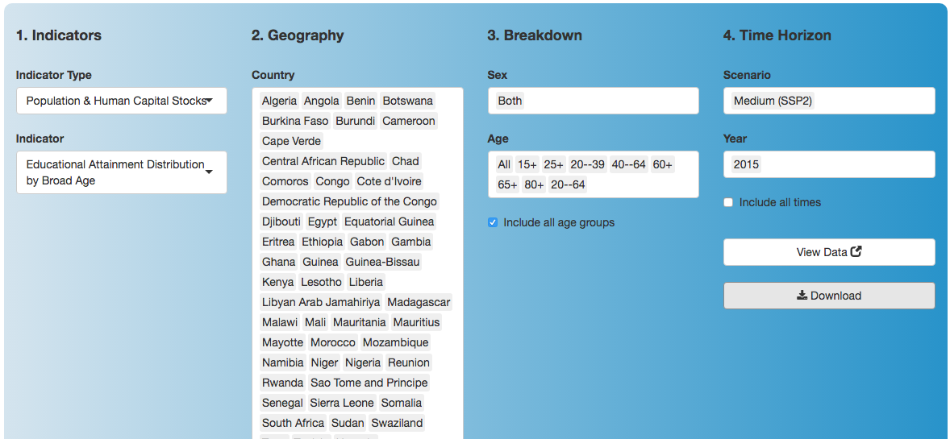

 |  | Detailed Age Settings:

