MutiLinearRegression2Variable
$$.$$

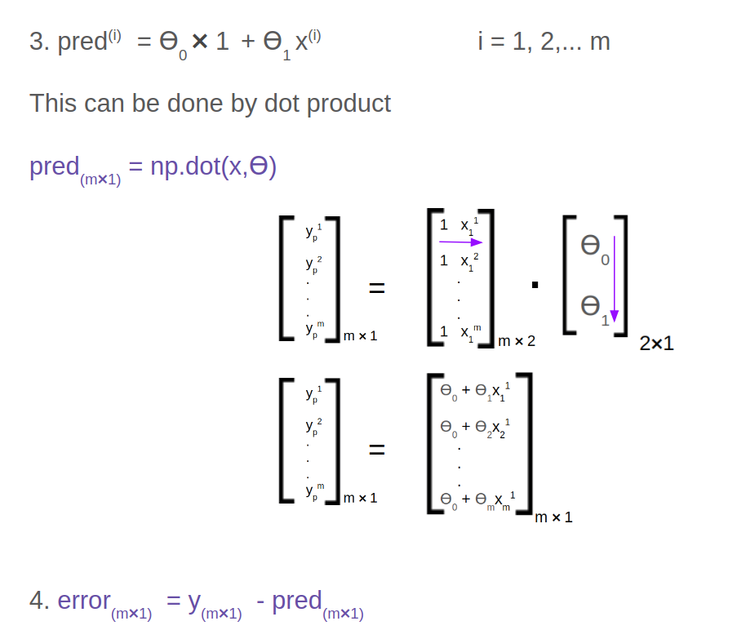

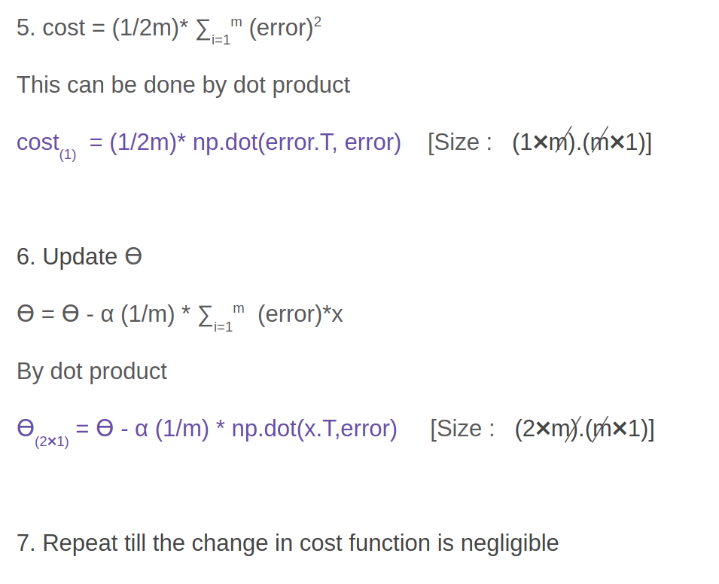

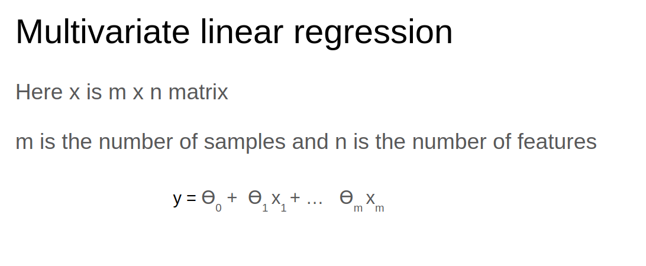

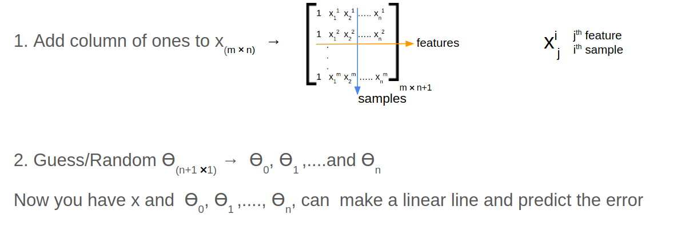

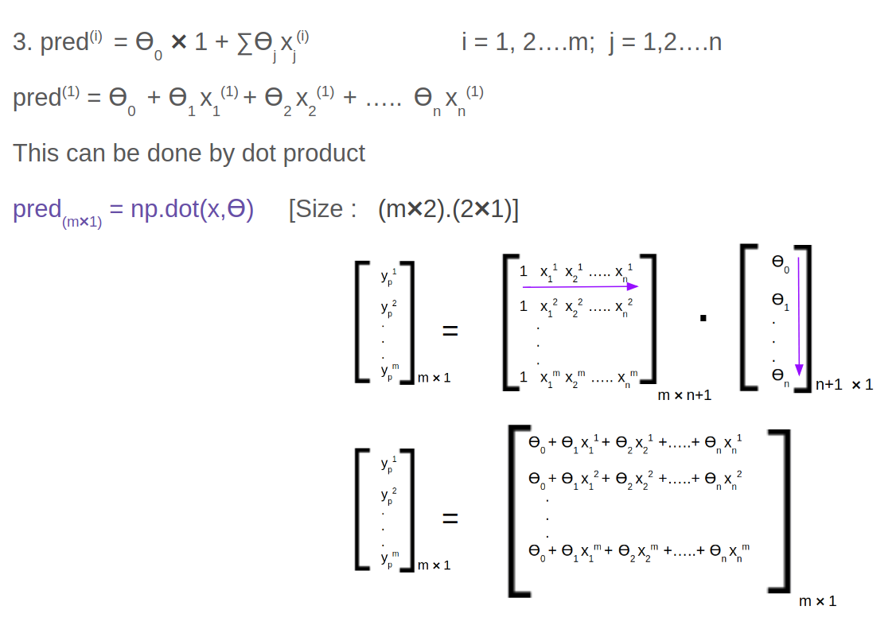

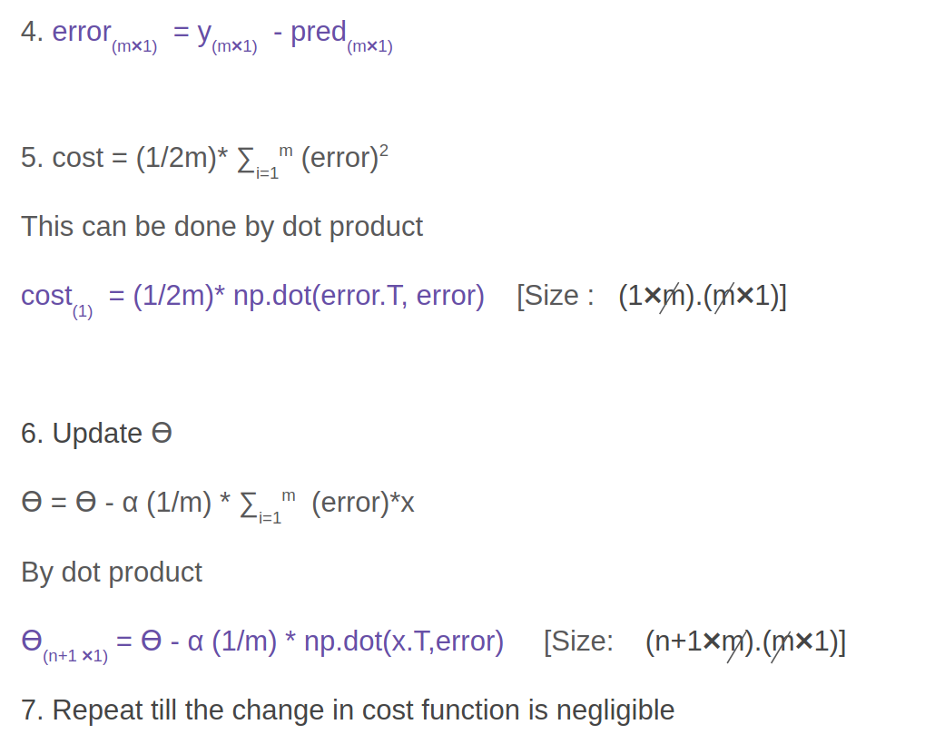

import numpy as np

array1 = np.arange(21, 30)
array2 = np.arange(11, 20)
array3 = np.ones(9)

print(array1)
print(array2)
print(array3)
print(array1.shape)
print(array2.shape)
print(array3.shape)
"""
[21 22 23 24 25 26 27 28 29]
[11 12 13 14 15 16 17 18 19]
[1. 1. 1. 1. 1. 1. 1. 1. 1.]
(9,)
(9,)
(9,)
"""

my_matrix = np.c_[array3, array2, array1]
print(my_matrix)
print(my_matrix.shape)

"""
[[ 1. 11. 21.]
[ 1. 12. 22.]
[ 1. 13. 23.]
[ 1. 14. 24.]
[ 1. 15. 25.]
[ 1. 16. 26.]
[ 1. 17. 27.]
[ 1. 18. 28.]
[ 1. 19. 29.]]
(9, 3)
"""

my_matrix = np.stack([array3, array2, array1], axis=1)
print(my_matrix)
print(my_matrix.shape)
"""
[[ 1. 11. 21.]
[ 1. 12. 22.]
[ 1. 13. 23.]
[ 1. 14. 24.]
[ 1. 15. 25.]
[ 1. 16. 26.]
[ 1. 17. 27.]
[ 1. 18. 28.]
[ 1. 19. 29.]]
(9, 3)
"""

K - NearestNeighbour
 |  |  |  | (x=0) |  | (x=5)
 |  |  |  |  | 1 Dimentional Line

 |  |  | x=0,y=5 |  |  |  | x=5,y=5

 |  |  | x=0,y=0 |  |  |  | x=5,y=0
 |  |  |  |  | 2 Dimentional Rect

 |  |  |  |  | x

 |  |  | y

 |  |  |  | z

 |  |  |  |  | x=0,y=0,z=0

 |  |  |  |  | 3 dimentional cube

shape | shape is collection or set of points
co-ordinate | x , y, z are called co -odinates
line | 1 D with X
Square | 2D with x,y
cube | 3D with x,y,z
N dimentional Hyper cube | represented with n co-ordinates , hard to visualize but its tuple with n points or coordinates
 | K - NearestNeighbour classifier is supervised ML approch
Universe_of_words_for_all_msg | w1 | w2 | w3 | w4 | w5 | … | … | … | … | … | … | … | … | … | … | … | wN
 | hello, | this, | is, | the, | universe , | of , | all, | words, | in, | email, | a, | an, | test, | how, | are, | you, | goodbye
msg1 - hello this is test | hello, | this, | is, | - | - | - | - | - | - | - | - | - | test | - | - | - | -
 | 1 | 1 | 1 | 0 | 0 | 0 | 0 | 0 | 0 | 0 | 0 | 0 | 1 | 0 | 0 | 0 | 0
msg2 - how are you | - | - | - | - | - | - | - | - | - | - | - | - | - | how, | are, | you, | -
 | 0 | 0 | 0 | 0 | 0 | 0 | 0 | 0 | 0 | 0 | 0 | 0 | 0 | 1 | 1 | 1 | 0
msg3 - hello All GoodBye | hello, | - | - | - | - | - | all, | - | - | - | - | - | - | - | - | - | goodbye
 | 1 | 0 | 0 | 0 | 0 | 0 | 1 | 0 | 0 | 0 | 0 | 0 | 0 | 0 | 0 | 0 | 1

Euclidean Distance Formula
 |  |  |  |  |  |  | (x2,y2)

 |  |  |  |  | Distance(Hypoteneous) |  |  |  | Hypoteneous(square)=a(square)+b(square)
 |  |  |  |  |  |  | y2-y1 | b

 |  |  |  | (x1,y1) | x2-x1 |  | (x2,y1)
 |  |  |  |  | a

 | But Euclidean Distance Formula is not always best for implementation of K nerest neighbour. Instead algorithm used is weights. Down-Weight the importance of points which are far away and increases importance of points which are near by.
 | Euclidean Distance Formula works only in case feature vector is made of continues variables, But if feature vector is made of discrete or categorical then Euclidean Distance Formula does not work.
 | Letters words colors are examples of discrete or categorical variables
 | Incase of discrete variables you can use EDIT distance or HAMMING distance. How EDIT distance work ? Is it number of edits required to go from one string to other.

feature vector | NaiveBayes assumes feature vectors are independent . Knearest makes no assumption about the probability distribution of Feature Vector.

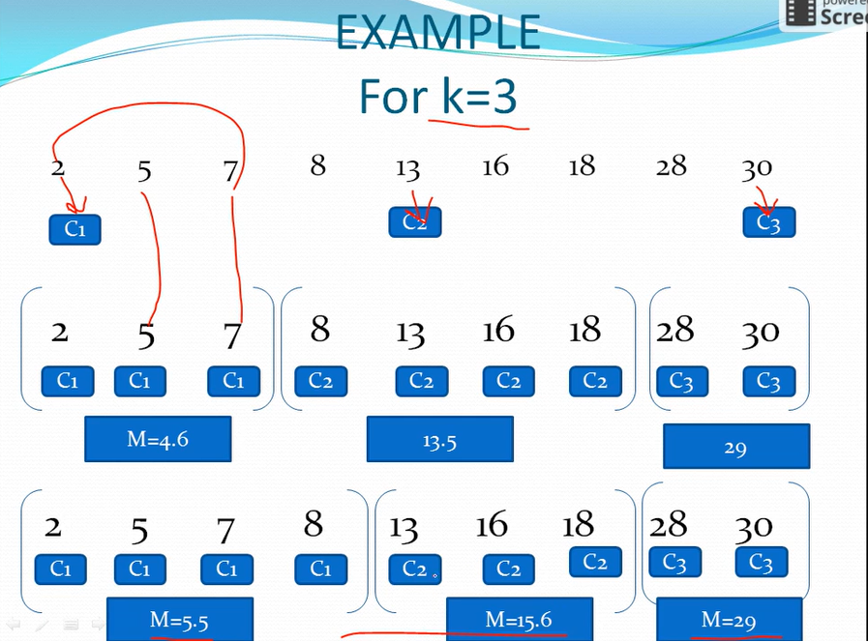
Question K cluster | k = {2,3,4,10,11,12,20,25,30} and you need 2 cluster k=2
solution
pick 2 random number | M1 = 4 , M2= 12
arrange the cluster | K1 = { 2,3,4} and K2 = { 10,11,12,20,25,30}
calculate means M1 nd M2 | M1 = 3 , M2 = 18
arrange the cluster | K1 = { 2,3,4, 10} and K2 = {11,12,20,25,30}
calculate means M1 nd M2 | M1 = 4.75 , M2 = 19.6
approx values | M1 = 5 , M2 = 20
arrange the cluster | K1 = { 2,3,4, 10,11,12} and K2 = {20,25,30}
calculate means M1 nd M2 | M1 = 7 , M2 = 25
arrange the cluster | K1 = { 2,3,4, 10,11,12} and K2 = {20,25,30}
calculate means M1 nd M2 | M1 = 7 , M2 = 25
Final Answer | K1 = { 2,3,4, 10,11,12} and K2 = {20,25,30}

Question K cluster | Individual | Variable1 | Variable1
Your K = 2 , find the cluster and centroids | 1 | 1 | 1
 | 2 | 1.5 | 2
 | 3 | 3 | 4
 | 4 | 5 | 7
 | 5 | 3.5 | 5
 | 6 | 4.5 | 5
 | 7 | 3.5 | 4.5

 |  | Individual | Mean Vector |  | Edistance (sq)= | (m-x)sq+(m-y)sq
 | Group1 | 1 | (1.0, 1.0)
 | Group2 | 4 | (5.0,7.0)

 |  | Individual | ED(sq) | ED1 | ED(sq) | ED2
 |  | 1 |  | 0 |  | 7.21
 |  | 2 | (1-1.5)sq + (1-2)sq | 1.12 | (5-1.5)sq + (7-2)sq | 6.1
 |  | 3 |  | 3.61 |  | 3.61
 |  | 4 |  | 7.21 |  | 0
 |  | 5 |  | 4.72 |  | 2.5
 |  | 6 |  | 5.31 |  | 2.06
 |  | 7 |  | 4.3 |  | 2.92

 |  | Mean Vector
 | Group1 | 1/3(1+1.5+3) , 1/3(1 + 2 + 4) | (1.83, 2.33)
 | Group2 | 1/4(5+3.5+4.5+3.5), 1/4(7+5+5+4.5) | (4.12, 5.38)

 |  | Individual | ED(sq) | ED1 | ED(sq) | ED2
 |  | 1 |  | 1.57 |  | 5.38
 |  | 2 | (1.83-1.5)sq + (2.33-2)sq | 0.47 | (4.12-1.5)sq + (5.38-2)sq | 4.28
 |  | 3 |  | 2.04 |  | 1.78
 |  | 4 |  | 5.64 |  | 1.84
 |  | 5 |  | 3.15 |  | 0.73
 |  | 6 |  | 3.78 |  | 0.54
 |  | 7 |  | 2.74 |  | 1.08

 |  | Mean Vector
 | Group1 | 1.25, 1.5
 | Group2 | 3.9,5.1

 |  | Individual | ED1 | ED2
 |  | 1 | 0.56 | 5.02
 |  | 2 | 0.56 | 3.92
 |  | 3 | 3.05 | 1.42
 |  | 4 | 6.66 | 2.2
 |  | 5 | 4.16 | 0.41
 |  | 6 | 4.78 | 0.61
 |  | 7 | 3.75 | 0.72

Dimentionality Reduction | Dimention is length of feature vector. Bigger it is model will be less efficient and less efficacy. By only keeping the most relevant variables from the original dataset (this technique is called feature selection) By finding a smaller set of new variables, each being a combination of the input variables, containing basically the same information as the input variables (this technique is called dimensionality reduction)
 | There are too many variables – do I need to explore each and every variable? Are all variables important? All variables are numeric and what if they have multi-collinearity? How can I identify these variables? I want to use decision tree. It can automatically select the right variables. Is this a right technique? I am using random forest but it is taking a high execution time because of high number of features Is there any machine learning algorithm that can identify the most significant variables automatically? As this is a classification problem, can I use SVM with all variables? Which is the best tool to deal with high number of variable, R or Python?
 | https://archive.ics.uci.edu/ml/machine-learning-databases/00240/
Dimensionality Reduction Methods | https://www.analyticsvidhya.com/blog/2018/08/dimensionality-reduction-techniques-python/ Common Dimensionality Reduction Techniques 3.1 Missing Value Ratio 3.2 Low Variance Filter 3.3 High Correlation Filter 3.4 Random Forest 3.5 Backward Feature Elimination 3.6 Forward Feature Selection 3.7 Factor Analysis 3.8 Principal Component Analysis 3.9 Independent Component Analysis 3.10 Methods Based on Projections 3.11 t-Distributed Stochastic Neighbor Embedding (t-SNE) 3.12 UMAP Principal Component Analysis (PCA) Linear Discriminant Analysis (LDA) Generalized Discriminant Analysis (GDA)

SupportVectorMachines
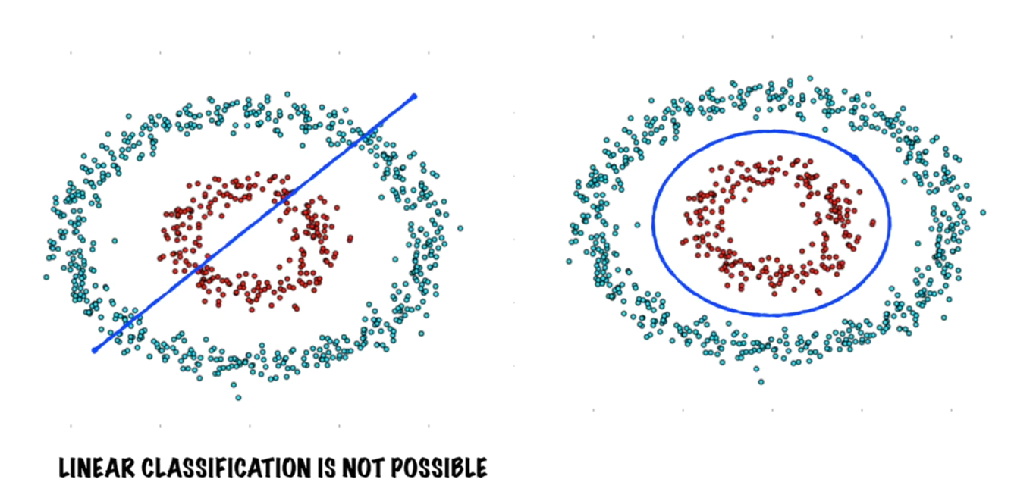
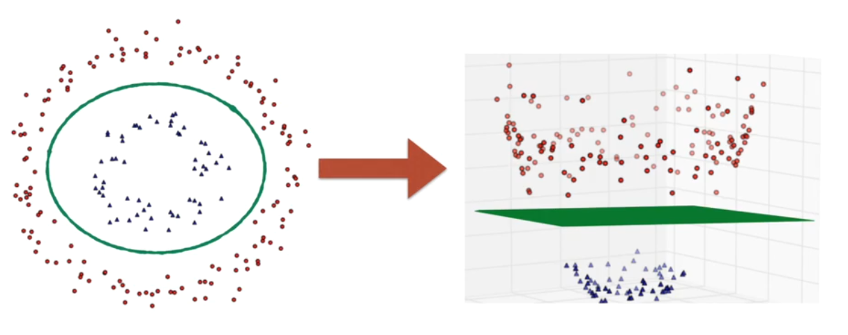
SVM | In machine learning, support vector machines (SVMs) are supervised learning models with associated learning algorithms that analyze data used for classification and regression analysis. (Wikipedia) SVMs - Support Vector Machines Wikipedia tells us that SVMs can be used to do two things: classification or regression. SVM is a Supervised Machine Learning Algorithm which is used to build Linear Non-Probabilistic binary classified. ( Supervised means it will have training data , Linear means if point X = X1,X2,X3,X4…,Xn then a Linear function is like f(X) = aX1 + bX2 + cX3+.....zXn, Non-Probabilistic means SVM do not involve explicit assumption about the probability distribution of the points Where as NAIVE BAYES assumes the distribution of different features are independent, Binary Classifier means can not have more then 2 Categories)
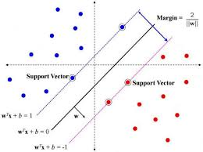

 |  | This is HyperPlane | Ax +By +Cz = D

 |  | Ax + By +Cz > D

 |  |  | Ax +By +Cz < D

What is HYPERPLANE? | in one dimension, an hyperplane is called a point in two dimensions, it is a line in three dimensions, it is a plane in more dimensions you can call it an hyperplane Plane is rectangle in 3 dimention space.So its geometric shape with 2D and zero thickness in one dimention. So in a vector space of N dimention , A hyper plane is a Geometric shape with N-1 Dimention and it has zero thickness in one dimention. The equation which describes the HyperPLane is always Linear Ax +By+ Cz = D in 3 dimentional space.

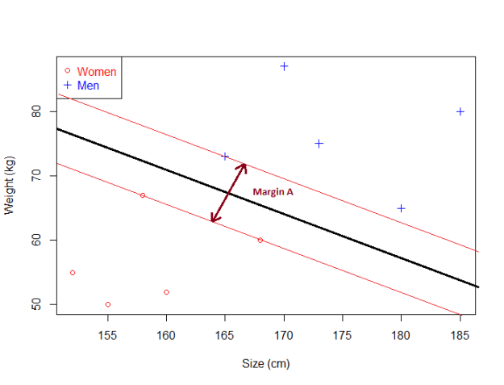
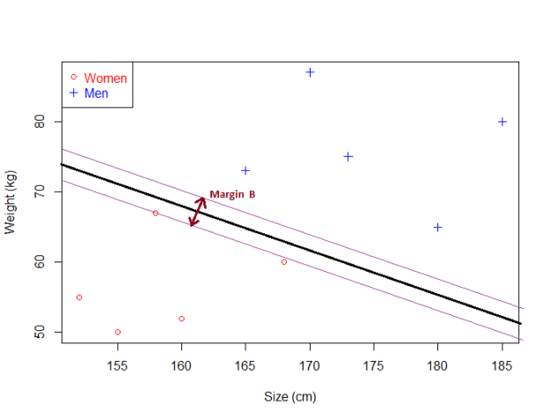
What is the margin and how does it help choosing the optimal hyperplane?

 | Given a particular hyperplane, we can compute the distance between the hyperplane and the closest data point. Once we have this value, if we double it we will get what is called the margin. Basically the margin is a no man's land. There will never be any data point inside the margin. (Note: this can cause some problems when data is noisy, and this is why soft margin classifier will be introduced later) the optimal hyperplane will be the one with the biggest margin.(The Maximum Margin Hyperplane)

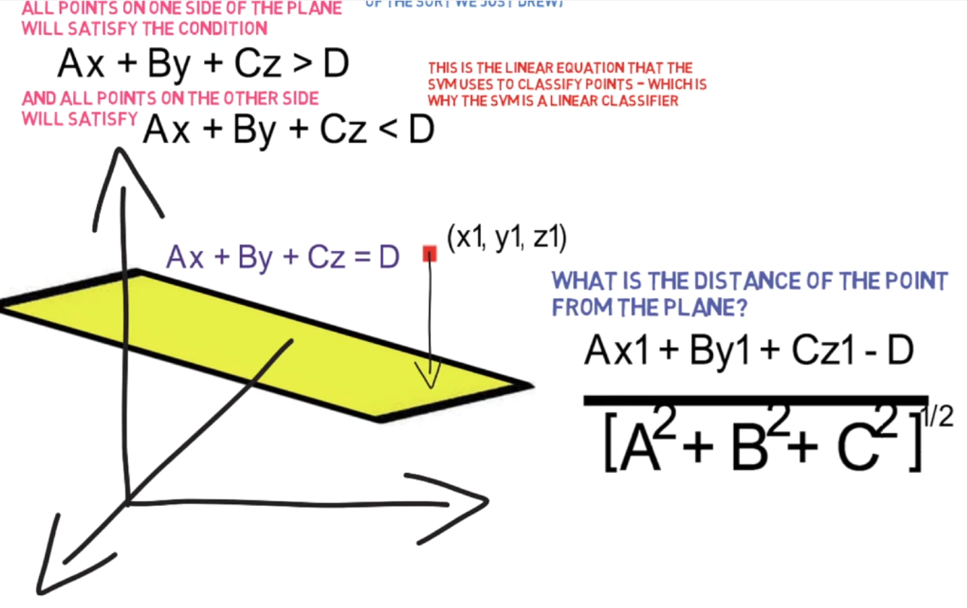
How to Calculate Distance?

What if the points are not Linerarly Seprable ? | the soft marjin method - it is as clean a sepration as possible i.e some points will be miss-classified. So this method also allow us to measure what is extend of miss-classification.

The Kernel Trick and How it works | The way Kernel Trick works is that it transforms the feature vector into high dimentional space . So kernel triick is the way in which SVM can work in very high dimentional space
 | The problem with Linear classification setup is that it has to calculate DOT Product of vectors with a huge number of elements. Where as the KERNEL Trick is the function that allow us classification to be done implcity I.E. without sactual dealing with the feature vector in elemenytwise operation

Maths
Independent events | each event is not affected by other events
Dependent events | also called "Conditional", where an event is affected by other events
Mutually Exclusive events | events can't happen at the same time
Permutation | The number of permutations of n objects taken r at a time is determined by the following formula: P ( n , r ) = n ! /( n − r ) ! For Permutation order matters (Tip : Amit 1st and Raj 2nd is different from Raj1st and Amit 2nd)
Question | 4 people running in race. How many ways the first two can first and seconf position finish ? Answer is P(4,2) = 4!/2! = 3*3 = 12 ways
Combination | For combination order does not matter (Tip : Amit 1st and Raj 2nd is equal to Raj1st and Amit 2nd). Formula is nCr = n! / r! * (n - r)!
Question | 4 people in meeting room and you need to pick 2 people out of it . In how many ways you can pick two people. Ans = C(4,2) = 4! / 2! (4-2)! = 4*3 *2*1 / 2 * 2 = 6 ways
Probability Defination | The chance that something will happen. How likely it is that some event will occur. Sometimes we can measure a probability with a number like "10% chance", or we can use words such as impossible, unlikely, possible, even chance, likely and certain. Example: "It is unlikely to rain tomorrow". As a number, probability is from P(A) = 0 (impossible) to P(A)= 1 (certain).
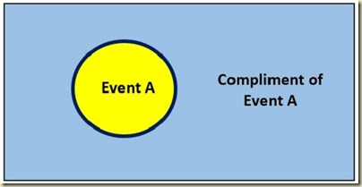

 |  |  |  |  | All other Events except enevt(A)
 |  |  |  |  | 0.6

 |  |  |  |  | Event A . 0.4

 | 1 <= P(A) >= 0
 | P(s) Probability of entire sample space = 1
 | P( A') = 1 - P(A)
 | P(A) = Number of Ways event (A) can occur / Total number of outcomes
Question | What is probability of getting an ACE from Deck ? Answer = 4/52
Question | What is probability of Not Getting ACE from from deck ? 1-4/52 = 52-4/52=12/13
Question | A car rental agency has 18 compact cars and 12 intermediate-size cars. The total number of rental cars is 30 . If 4 cars are selected at random, what is probability of getting 2 cars of each type ?
 | Answer - c(18,2) * c(12,2) / c(30,4)
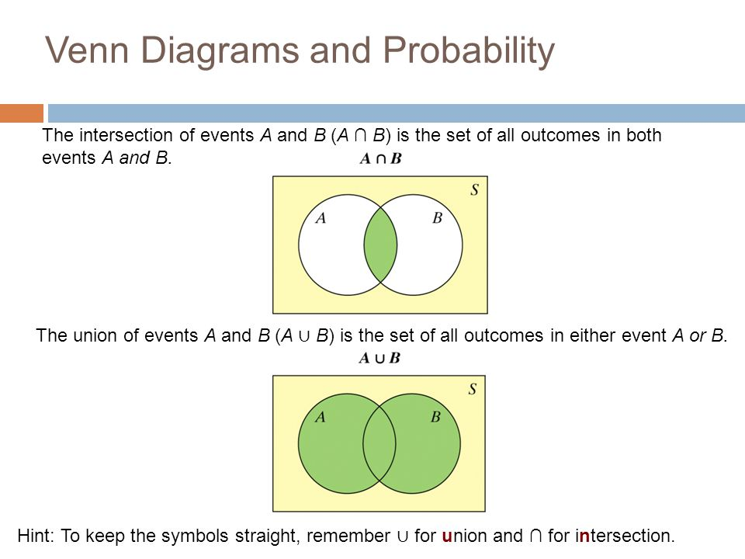
Addition Rule of Probability

Example | Event A = pull any ACE from deck , Event B = Pull any Club from the Deck
 | Now P(A∪B) , P(A or B)= U means union means A or B or Both . I.E -> you pull any ACE or You pull any Club
 | Now P(A∩B), P(A and B) = ∩ means intersection means "and" has to occur simultaneously . You only win if you pull ace of Club

 | Exscusive event example - Pulling even number from deck and pullting odd number from deck.

 | P(A or B) = P(A) + P(B) - P(A and B) if events are not mutualy exclusive
 | P (A ∪ B) = P(A) + P(B) - P(A∩B) if events are not mutualy exclusive
 | P(A or B) = P(A) + P(B) if events are mutualy exclusive because P(A and B) = 0 if events A and B are mutually exclusive (i.e no intersection)

Question | You flip the coin what is probability that you will get head or tail ..Anuser = 1/2 + 1/2 = 1 as A and B are mutually exclusive
Question | You roll 2 dice , what is probability that you get the sum is 3 or 4?
 | sum of 2 dice A(3) and sum of 2 dice B(4) are mutually exclusive events. P(A or B) = P(A) +P(B)= 2/36 + 3/36
Question | A box have five White balls numbered as 1-5 and five Green balls numbered 1 to 5. You choose 1 ball . What is probability that it is White or Odd numbered?
 | P (A ∪ B) = P(A) + P(B) - P(A∩B)
 | event A -> choosing White Ball 5/10
 | Event B -> choosing odd numbered ball 6/110
 | P(A∩B) = 3/10
 | Ans P (A ∪ B) = P(A) + P(B) - P(A∩B)
 | P (A ∪ B) = 5/10 + 6/10 - 3/10
 | = 4/5

Conditional Probability | P(A∩B) = P(A)*P(BIA) ( A and B must be dependent events )
Example | You draw a card from deck of 52 cards , you then drawn second card without replacing the first one. What is probability of getting an Ace on first draw and a King on second draw?
 | event A -> Pulling ACE = 4/52
 | event B -> pulling KING = 4/51
 | P(A∩B) =P(BIA)* P(A)
 | P(A∩B) = 4/52 * 4/51
Conditional Probability | P(A∩B) = P(A)*P(B) ( A and B are independent events)
Example | you have coin , event A - > toss to get head event B -> toss to get tail . Here A abd B are independent events.
Question | You flip a coin and toss a dice . What is probability that you get tail and 3?
 | A -> toss coin , B-> toss dice . Bot h are independent
 | P(A) = 1/2
 | P(B) = 1/6
 | P(A∩B) = P(A)*P(BIA)
 | P(A∩B) = 1/2 * 1/6 = 1/12

Bayes Theorem | P(BIA) = P(B)*P(AIB) / P(A)
 | P(A∩B) = P(A)*P(BIA)
 | P(B∩A) = P(B)*P(AIB)
 | P(A)*P(BIA) = P(B)*P(AIB)
 | P(BIA) = P(B)*P(AIB) / P(A)

Detailed Bayes Theorem | Assume we gave 2 Bags . Bag1 contains 4-orange and 3-red balls and Bag2 contains 3-orange and 2-red balls.
 | Part 1 - You picked a ball randomly from from one of bag , Please calcuate the probability that the balls you picked in RED.
SOLUTION | Part 1 is about law of total probability
 | a) Both Events E1 and E2 have equal probability , You can pick ball from any of them
 | b) probability of P(A|E1) = probability of piking red ball from BAG1 provided we have already picked ball from BAG 1 = 4/7
 | C) probability of P(A|E2) = probability of piking red ball from BAG2 provided we have already picked ball from BAG 2 = 2/5
 | D) P(A) = total probability of picking RED ball = P(E1) * P(AIE1) + P(E2)*P(AIE2)
 | P(A) = (1/2 * 4/7) + ( 1/2 * 2/5) = 29/70
 | Part2 - Bayes Theorem - You have already picked a ball and have seen it . Its Red in colour , Now what is probability that it has come from BAG2
 | a) P(E2|A) = P(E2) * P(A|E2) / P(A)
 | or
 | P(E2|A) = P(E2) * P(A|E2) / P(E1) * P(AIE1) + P(E2)*P(AIE2)
 | b) P(E2|A) = (1/2*2/5)*29/70 = 14/29

 |  | BAG 1

 |  |  |  | Event1 = E1 = 1/2
 |  |  |  |  |  | P(AIE1) = 4/7
 |  |  |  |  |  |  |  |  |  | Event1 |  | Event3

 |  |  |  |  |  |  | P(A) = P(picking red ball)
 |  | BAG 2 |  |  |  |  |  |  |  |  |  | Event4
 |  |  |  |  |  |  |  |  |  | Event2

 |  |  |  | Event2 = E2 = 1/2 |  | P(AIE2) = 2/5 |  |  |  |  | Sample Space
 |  |  |  |  |  |  |  |  | Bayes theorem = Sum of all events should be complete sample space

 |  |  |  |  | P(E1)=0.3
 |  |  |  |  |  | 0.8
 |  |  |  |  |  | P(AIE1)

 |  |  |  |  |  |  | P(A) = (.3*.8)+(.1*.7) | 0.31

 |  |  |  |  |  | P(AIE2)
 |  |  |  |  |  | 0.01
 |  |  |  |  | P(E2) =0.7

 |  | E1 = dog ate it - P(E2) before fact probability
 |  | E2 = dog did not ate it - P(E1) before fact probability
 |  | P(A|E2) Likelyhood
 |  | P(A|E1) Likelyhood
 |  | A = thrash on floor

 |  | (After fact probability)
 |  | P(E2|A)= | P(E2) * P(A|E2) / P(A)
 |  |  | (.7*.01)/.31=0.02
 |  | P(E1|A)= | P(E1) * P(A|E1) / P(A)
 |  |  | (.3*.8)/.31=0.77
 |  | Note : basically we can cancel the denominator to make it powerful and easy in python this is how Naïve Bayes classifier works

Vector
Scaler | A scalar has only magnitude (size) example 3.044, −7 and 2½ are scalars
 | Distance, speed, time, temperature, mass, length, area, volume, density, charge, pressure, energy, work and power are all scalars.
vector | A vector has magnitude and direction:
 | Displacement, velocity, acceleration, force and momentum are all vectors.

Distance vs Displacement | You can walk a long distance, but your displacement may be small (or zero if you return to the start).
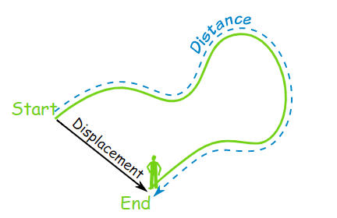

Using Scalars | Example: 3 kg + 4 kg = 7 kg

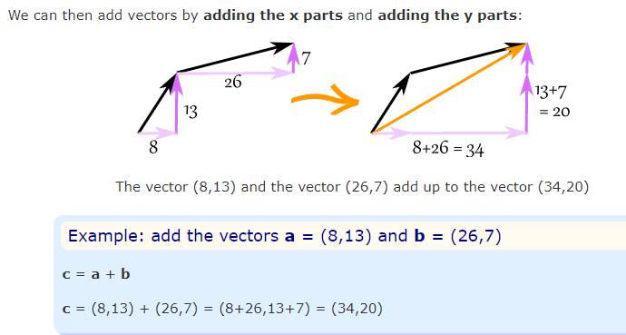
Adding Vectors

Subtracting Vectors

Magnitude of a Vector | Example: what is the magnitude of the vector b = (6,8) ?
 | |b| = √( 62 + 82 ) = √( 36+64 ) = √100 = 10

Multiplying a Vector by a Scalar | Example: multiply the vector m = (7,3) by the scalar 3 vector scaling a = 3m = (3×7,3×3) = (21,9) It still points in the same direction, but is 3 times longer

Multiplying a Vector by a Vector | (Dot Product and Cross Product)

Stat
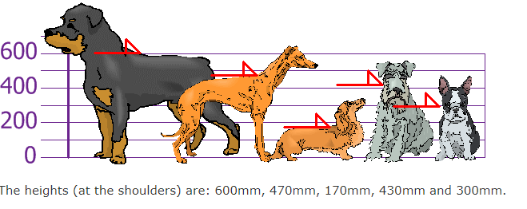
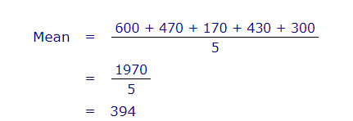
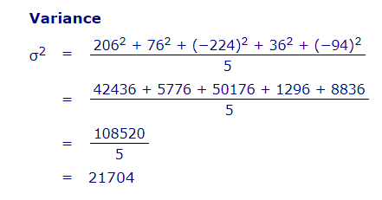
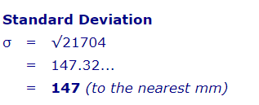
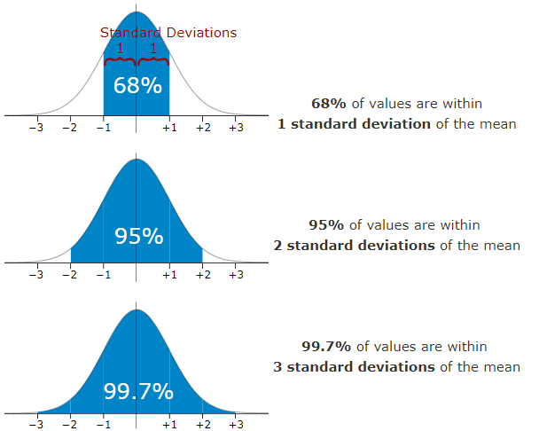
Fraud detection Systerm for credit card comp | Lets say you have to design fraud detection system for credit card company . Idea iss to detect transaction is fraud or not .Purely classification problem.
Types of Random Variable | DISCRETE - They take only integer value ( 0,1,2,3,4,5,6,7…..)
 | CONTINUES - Take any value from Range of Values [0,1]:[0,INFINITY]
 | CATEGORICAL - Take value from fixed set of values /Categories / Groups {Red,Blue,Green}
Feature vector for transaction | Amount Spend, IPAddress , Number of Attempts , Time Since Last Transcation , Location of Transaction - All these variables are Random Variables as you know know there value before hand. Even if you have historical data of trnascations , you can not determine the value of these variables for future transcation . Although you can determine the range of values of these variables and there type.
 | Amount Spend: ( 0 , INFINITY) - CONTINUES
 | IPAddress: (Set of all Ipaddress in the world) - CATEGORICAL
 | Number of Attempts: ( 0, 1,2,3,4,5,6,….) - DISCRETE
 | Time Since Last Trancation : ( 0 , INFINITY) - CONTINUES
 | Location of Transaction : (Delhi, Mumbai, Chennai , Goa, Orlando, AuckLand , …..) - CATEGORICAL
Table | Country(X) |  |  | % of facebook users(y) | This table is probability dictribution of a country random variable (X). A probability Disctribution is a table or function or equation that links each outcomeof statastiucal experiment with its probability of occurance.
 | USA |  |  | 10%
 | India |  |  | 7%
 | Brazil |  |  | 5%
 | Indonesia |  |  | 4% |  | P(X=usa) = .1
 | Mexico |  |  | 3%
 | United Kingdom |  |  | 2%
 | Japan |  |  | 1.80%
 | France |  |  | 1.50%
 | Others |  |  | 65%
Statastical Experiment | Pick a user at random from the entire group of FB users. What country are they likely from ?
DICE EXAMPLE | when you toll dice what is outcome (X) . X is discrete variable here. (1,2,3,4,5,6)
Table | X | y | Uniform probability distribution (as it has constant function)
 | 1 | "1/6"
 | 2 | "1/6"
 | 3 | "1/6"
 | 4 | "1/6"
 | 5 | "1/6"
 | 6 | "1/6"
Normal Distribution | where the data tends to be around a central value with no bias left or right, and it gets close to a "Normal Distribution" like bell curve
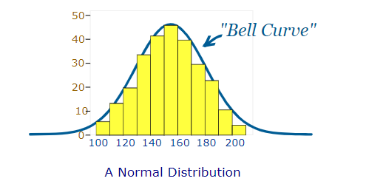
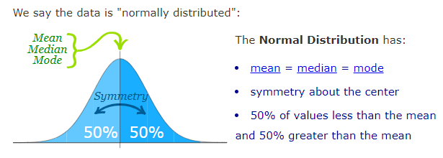

Standard Deviations | The Standard Deviation is a measure of how spread out numbers are. Its symbol is σ (the greek letter sigma) .The formula is easy: it is the square root of the Variance.
Variance | The average of the squared differences from the Mean.
Example | your friends have just measured the heights of your dogs (in millimeters) . Find out the Mean, the Variance, and the Standard Deviation.

