8D COVER
 | 8D CONCERN & COUNTERMEASURE REPORT SUMMARY

 | Note: This summary should be supported by an appropriate detail appendix (see attached spreadsheets)

Report Date: |  |  | Date issue occurred:
Customer: |  |  | 8D Due date:
Product: |  |  | Date issue closed:
Issue #: |  |  | Reference other 8D Report:
SNR/ CAR: |  |  | Supplier Name/ Code:
Issue Frequency:

1. Team Members (At least one member per indicated department should be participating in the analysis) | Process Owner Name | Process Owner Title | Process Owner phone number | Process Owner e-mail address

 | Quality representative Name | Quality representative Title | Quality representative phone number | Quality representative e-mail address

 | Operator (s) | Area | Phone number | e-mail address

 | Maintenance representative | Title | Phone number | e-mail address

 | Training representative | Title | Phone number | e-mail address

 | Additional Team Member (s) | Title (s) | Phone number (s) | E-mail address (es)

2. Problem Description | Description (Describe the issue in terms of what, where, when and how many). Where the defect was detected (incoming inspection, supplier process, JCI process, etc.)

 | Impact on Product & Application (Identify the potential for safety, fit, function like performance, etc.)

 | Impact on Customer (Identify the potential for shut down, line interruptions, yard recalls, warranty, etc.)

 | Facilities/ Lots involved (Customer, Supplier, any sub-suppliers. Number or ID of the lots, # invoices).

3. Interim Containment | What actions were taken to immediately protect the customer and contain any suspect inventory?
What actions have been taken to prevent the delivery of reject parts to JCI plants ? For support, use the containment record in the attached sheet

 | Other product/ platforms at risk ? (molds, colors, opposite hand, etc.) |  | Identification of certified material?

 | Sorting results (time, date, total number sorted and quantity rejected) in warehouse, work in process, service parts, etc.

 | Qty. Sorted | Qty. Defective | Interim Containment start date | Quick Response Matrix update?

4. Root Cause (s) (Prevent-Predict- Protect) | ROOT CAUSES. Consider the use of: Kepner & Tregoe, Drill Deep and Wide, 5 Why, 6 Sigma tools, or any other tool (Ishikawa, Tree chart, etc.)
Why was the non conformity made ? Why was the non conformity not detected ? | Cause 1

 | Cause 2

 | Cause 3

 | Cause 4

5. Permanent Corrective Action (s) | CORRECTIVE ACTION (S) FOR ROOT CAUSES (S)
What actions have been taken to prevent the manufacture of rejects parts in the future ? | For Cause 1

 | Corrective Action Owner name | C.A. Owner phone number | C.A. Owner e-mail address | Target due Date

 | For Cause 2

 | Corrective Action Owner name | C.A. Owner phone number | C.A. Owner e-mail address | Target due Date

 | For Cause 3

 | Corrective Action Owner name | C.A. Owner phone number | C.A. Owner e-mail address | Target due Date

 | For Cause 4

 | Corrective Action Owner name | C.A. Owner phone number | C.A. Owner e-mail address | Target due Date
 |  | … | … | …

6. Verification of Corrective Action (s) | Verification of corrective action (s): Has the issue been turned on and off? How ? Verification through statistical evidence/ hypothesis testing. Verification of corrective action for each why made and why shipped is required.

 | Build date for certified material |  | How will new parts be identified? Until what date ?

7. Prevention | How will this issue be avoided in the future ?

 | Has the necessary documentation or system been updated ?
 | Affected document | Mark "X" if Yes | Owner for update | Date
 | DFMEA/ PFMEA
 | Process Flow Diagram
 | Drawing
 | Technical Specification
 | Dream
 | Control Plan
 | Process Specification
 | Poka Yoke
 | Operation Instructions
 | Maintenance Routine
 | Quick Response
 | Training Process
 | Risk Analysis
 | Lesson Learned
 | LPA
 | Error Proofing
 | Other _______________
 | Have the countermeasures taken been horizontally deployed to similar parts, processes and other plants?
 | Countermeasurement Action | Part Number/ Plant | C.A. Owner for follow up | Due date

xlJDAljdalva
8. Closure
 |  | Root causes identified |  | Corrective actions completed

 |  | Corrective Actions efficiency verified |  | Documentation Updated or N/A

 |  | Close by JCI

 |  |  | APPENDIX
 |  |  | Kepner & Tregoe format
 |  |  | Drill Deep & Wide format
 |  |  | Root cause list
 |  |  | 5 WHY
 |  | Add spreadsheets for necessary evidence (changes in documentations, pictures, etc.) | Evidence # 1 | Use the attached spreadsheets to include evidences.
 |  |  | Evidence # 2
 |  |  | Evidence # 3
 |  |  | Evidence # 4

ROOT CAUSES
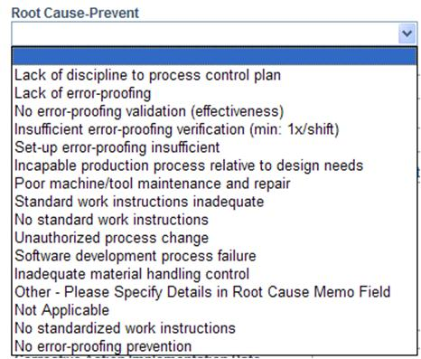

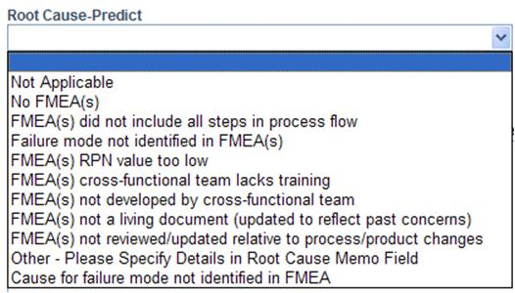
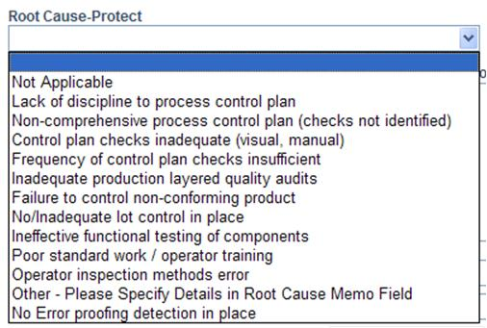

DDW
Drill Deep Worksheet

 | Revision Date: |  |  |  |  |  | Original | Final
 |  | Name and Title: |  |  | Phone: | RPN
 | Supplier Team Lead: |  |  |  |  | Severity
 |  | Provide a complete member list with contact information on Contact List Worksheet |  |  |  | Occurance
 | JCI SQE: |  |  |  |  | Detection

 | Supplier Duns: |  |  | Supplier Name and Location:

 | Issue Category: |  |  |  |  | Issue Number:

 | Failure Mode:

 | Effects of Failure Mode:

 | Cause of Failure Mode: |  |  |  |  | Point of Manufacture | Tier 3

Prevent
Manufacturing System -
Error Proofing &
Standardized Work
 |  |  |  | Drill Deep | Corrective Action | Verification | Owner | Due Date
Why did the Manufacturing System not prevent this |  |  | M1 | Cause of Failure Mode |  |  |  |  | **************************
Failure Mode |  |  | M2 |  |  |  |  |  | **************************
********************************** |  |  | M3
********************************** |  |  | M4
********************************** |  |  | M5
Protect
Quality System -
Error Detection &
Containment
Quality Assurance |  |  | M-RC
Why did the Quality System not Protect JCI from this |  |  | Q1 |  |  |  |  |  | **************************
Failure Mode |  |  | Q2 |  |  |  |  |  | **************************
********************************** |  |  | Q3
********************************** |  |  | Q4
Predict
********************************** |  |  | Q5
Planning System -
informational content
in all documentation
Quality Control |  |  | Q-RC
Why did the Planning System not Predict this |  |  | P1 |  |  |  |  |  | **************************
Failure Mode |  |  | P2 |  |  |  |  |  | **************************
********************************** |  |  | P3
********************************** |  |  | P4
********************************** |  |  | P5
Quality Planning |  |  | P-RC
What are the key findings based on this quality issue? |  |  | A |  |  |  |  |  | **************************
 |  |  | B |  |  |  |  |  | **************************
********************************** |  |  | C
********************************** |  |  | D
********************************** |  |  | E

Tier 1
Tier 1

