Flowchart
Investor product flow journey

Product launch and marketing
Customer getting on Kotak app
Creating bank account with minimum balance

User clicks on INMovies feature
new
Existing user journey starts from here

Big budget
Small/Medium budget
OTT platform
TV shows

Display list of Production house
Display list of small Production house/ Freelancers
Display list of different OTT platforms
Display list of different channels and OTT platforms having TV shows

User selects any OTT platform
User selects any production house
User selects any production house

Display upcoming projects in selected platform
Display upcoming TV shows projects in selected platform with gist
List details of production house and upcoming movies
List small budget and freelancers project gist

User selects any movie from upcoming projects

List details of that particular projects with investment firm and other required details

List minimum and maximum ticket size

Give buttons below to Buy, sell and check existing portfolios

buy
sell
portfolio

Buying page
Selling page
Display customer portfolio

Wireframe
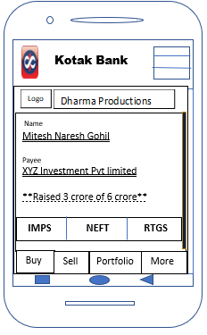
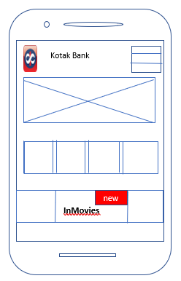
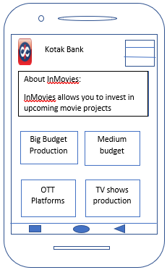

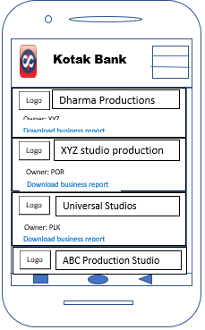
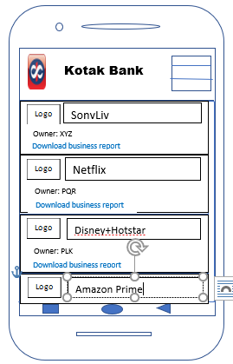
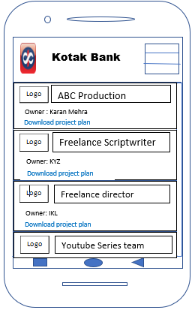
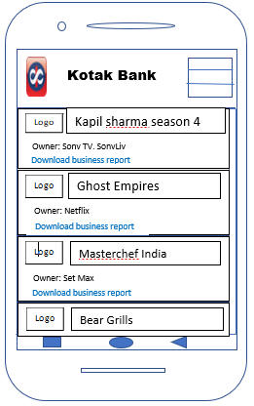

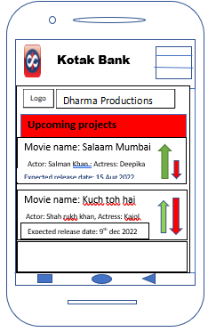

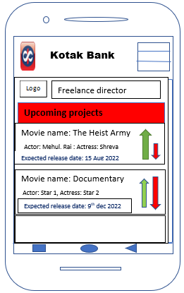
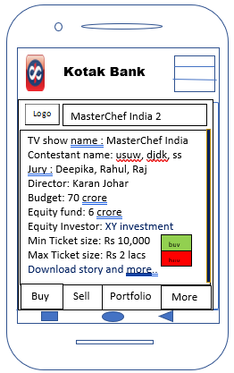

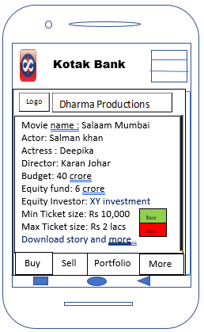

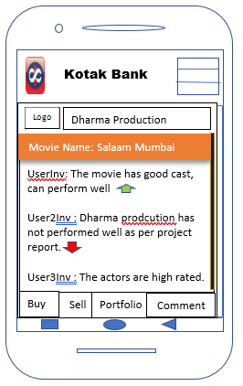

User can comment and rate individual movie by clicking on arrow next to movie

