Source Image
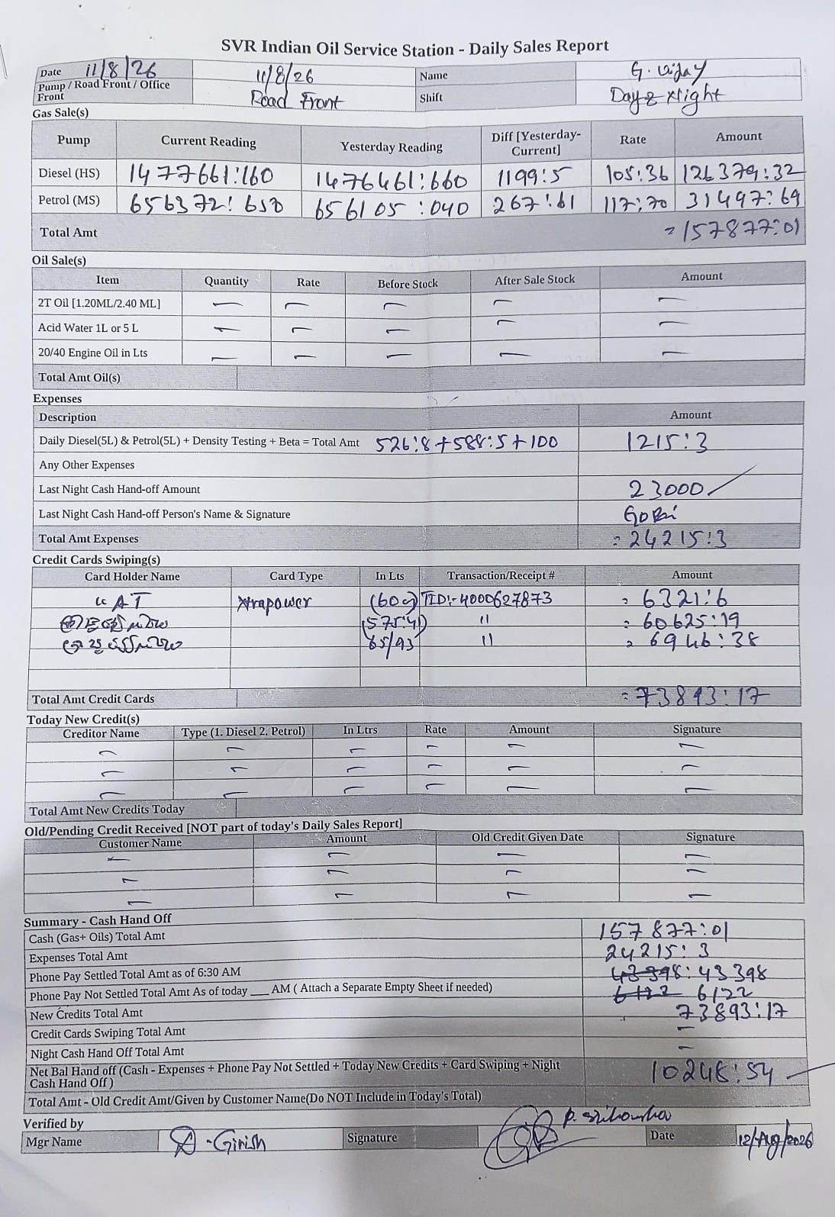
Original source image (preserved for reference)

