Keywords
Keyword | Count
how | 4
can | 3
people | 2
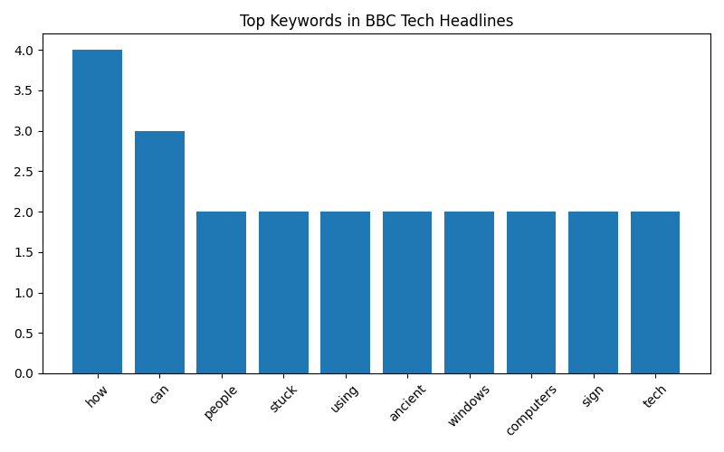
stuck | 2
using | 2
ancient | 2
windows | 2
computers | 2
sign | 2
tech | 2

