Keywords
Keyword | Count
how | 4
can | 3
watch | 2
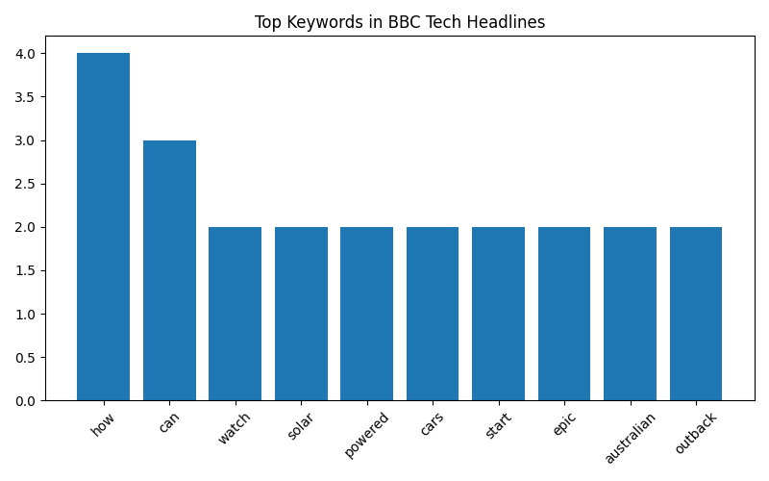
solar | 2
powered | 2
cars | 2
start | 2
epic | 2
australian | 2
outback | 2

