Plan1
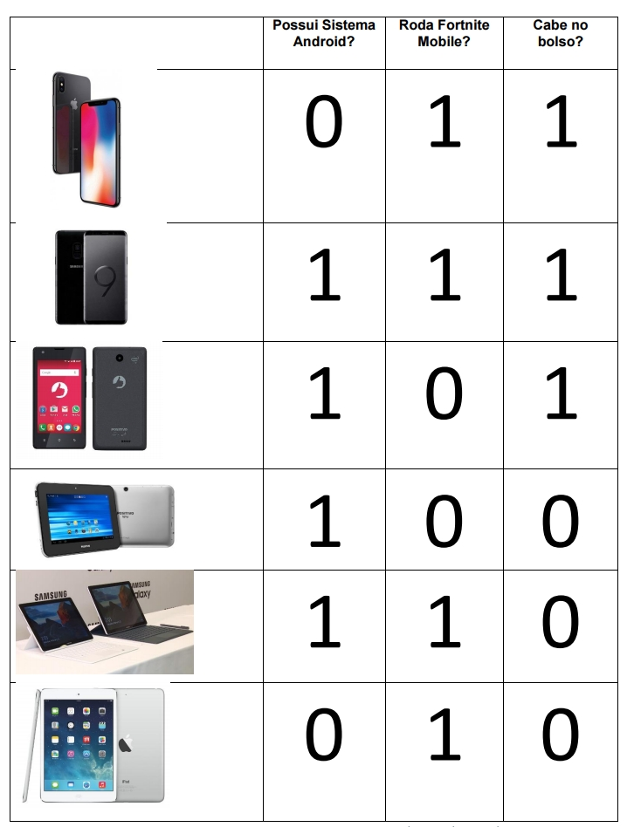
Possui_Sistema_Android | Roda_Fortnite_Mobile | Cabe_no_bolso | Portatil
0 | 1 | 1 | Smartphone
1 | 1 | 1 | Smartphone
1 | 0 | 1 | Smartphone
1 | 0 | 0 | Tablet
1 | 1 | 0 | Tablet
0 | 1 | 0 | Tablet
0 | 0 | 1 | Smartphone
0 | 1 | 0 | Tablet
1 | 0 | 0 | Tablet
0 | 1 | 0 | Tablet
1 | 1 | 1 | Smartphone
1 | 0 | 1 | Smartphone
1 | 1 | 0 | Tablet
0 | 1 | 1 | Smartphone
0 | 0 | 0 | Tablet

