bugReports
Summarry | Default subject heading available from a dropdown on a contact form
Reported by | Mladen Mladenović
Environment | QA
Description | When choosing from a ‘Subject heading’ dropdown the default option ‘--Choose--’ is available for selection, but if a message send is attempted with the default selection the error message is displayed stating ‘Please select a subject from the list provided’
Steps to reproduce | -Open contact page -Click on ‘Subject Headng’ dropdown -Click on ‘--Choose--’ option -Enter valid email address Enter text in the ‘Message’ box -Click ‘Send’ button
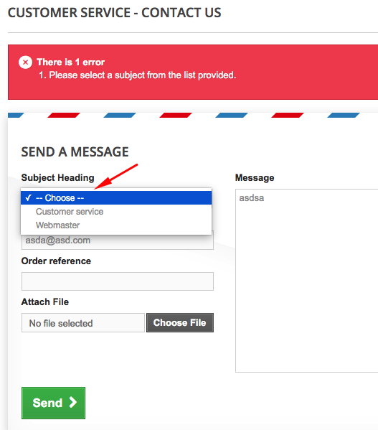
Expected result | A message is successfully sent and a ‘Your message has been successfully sent to our team.’ is displayed
Screenshot

Summarry | Using any of the filter boxes on the category page results in a greyed out screen and a loading animation lasting longer than 2 minutes
Reported by | Mladen Mladenović
Environment | QA
Description | When on any category page, if a user tries to use any of the filter boxes on the left side of the page the product selecton part grays out and a loading animation apears at the center left of the screen which than last longer than 2 minutes.
Steps to reproduce | -Go to category page -Click any of the filter boxes on the left side of the screen
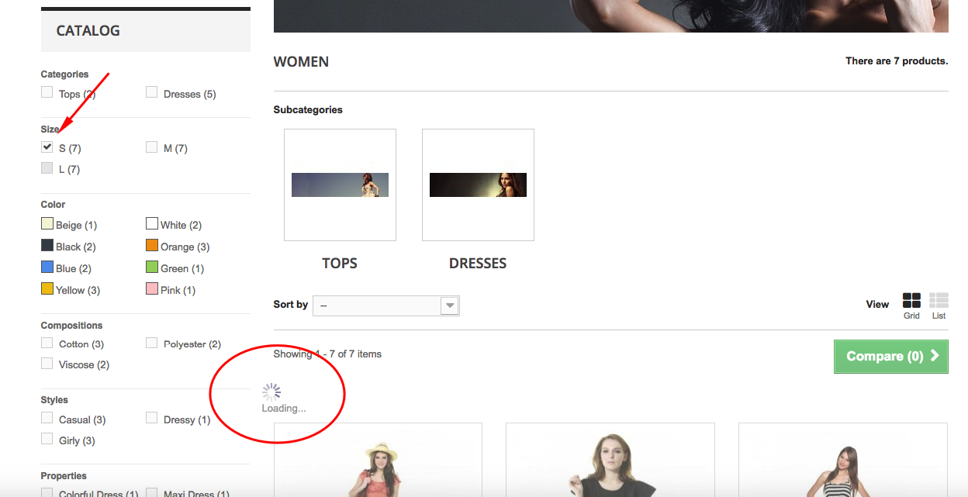
Expected result | The products displayed at the middle of the screen filter out only to show products that match the activated selection filter
Screenshot

