Requirements
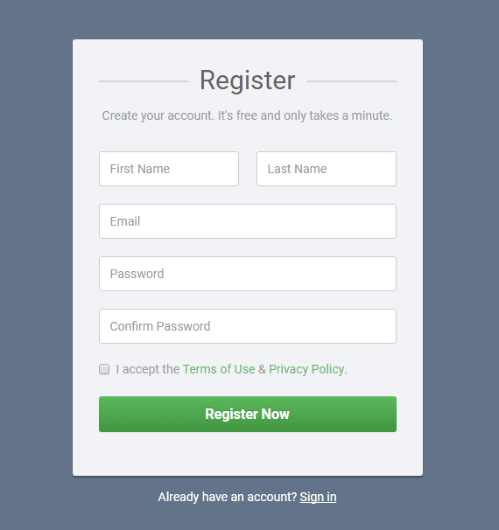
REQUIREMENTS
“First Name” and “Last Name” fields don’t accept numerical characters, both are not case sensitive and accept space as a last character (but do not require it).

Valid email address consists of a local part, the @ symbol, a domain name, a .(dot) and a domain (ex. com) “Email field” in the local part accepts: - uppercase and lowercase Latin letters A to Z and a to z - digits 0 to 9 - printable characters !#$%&'*+-/=?^_`{|}~ - dot ., provided that it is not the first or last character and provided also that it does not appear consecutively “Email field” in the domain name part accepts: - uppercase and lowercase Latin letters A to Z and a to z; - digits 0 to 9, provided that top-level domain names are not all-numeric; - hyphen -, provided that it is not the first or last character. “Email field” in the domain part accepts: - lowercase Latin letters a to z

“Password” field and “Confirm password” field accept: - uppercase and lowercase Latin letters A to Z and a to z; - digits 0 to 9; - special characters ±§!@#$%^&*()_-+={[}]|\”’:;?/>.<,~` and space; For a password to be valid it must contain at least one character from every group, and must be between 5 and 15 characters long.

The Check Box must be selected for valid registration, if not selected page will give out a warning after the “Register Now” button is clicked and stay on the register form.

“Register Now” button will lead to “successful registration” page only if all the fields are filled correctly. If fields are not filled correctly it will show a warning and stay on the register form.

Bug Report1
Summary: | Slack does’t set files for upload when drag’n drop
Description: | When a file is dragged over the Slacks input field the program doesn’t recognize it. After dropping the file just ‘files’ back were it came from and does not get set up fo upload.
Steps to reproduce: | Open Slack. Open the folder with files to upload. Resize the Slack window so both the file and the input box are visible. Click in the input field at the bottom center of the window to activate it. Click once on the chosen file, hold and drag it into the input box. When hoovering over the input box release the click/file.
Expected result: | File is added into the input box and ready for upload.
Actual result: | File ‘files’ back to its original position and input box remains empty as if Slack doesn’t recognize it.
Repro rate: | 30%
Priority: | medium
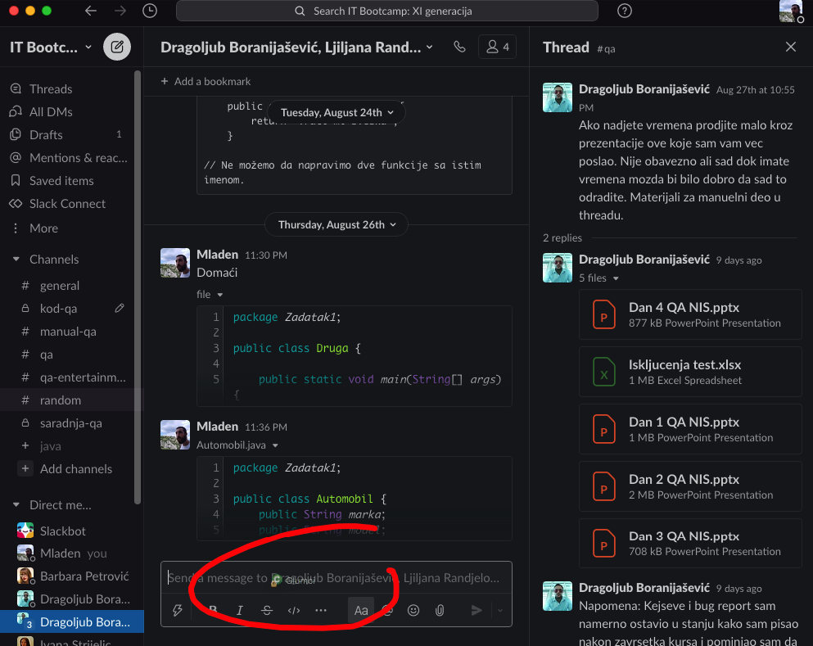
Severity: | low
Sreenshot:

Bug Report2
Summary: | Pcloud logs out when clicked on an internal bookmark
Description: | When user clicks on an internal pCloud bookmark, the new tab opens in which the user is no longer logged in.
Steps to reproduce: | Open browser (Firefox). Type url into the url bar at the top center of the window. https://my.pcloud.com Log in using valid credentials. When logged in, on the left side-bar click on ‘Bookmarks’. Click on an element from the list at the center of the page. That will lead to the bookmarked location.
Expected result: | Bookmarked location opens and user stays logged in.
Actual result: | At the top right part of the window options to log in are visible, user is no longer logged in.
Repro rate: | 100%
Priority: | low
Severity | medium
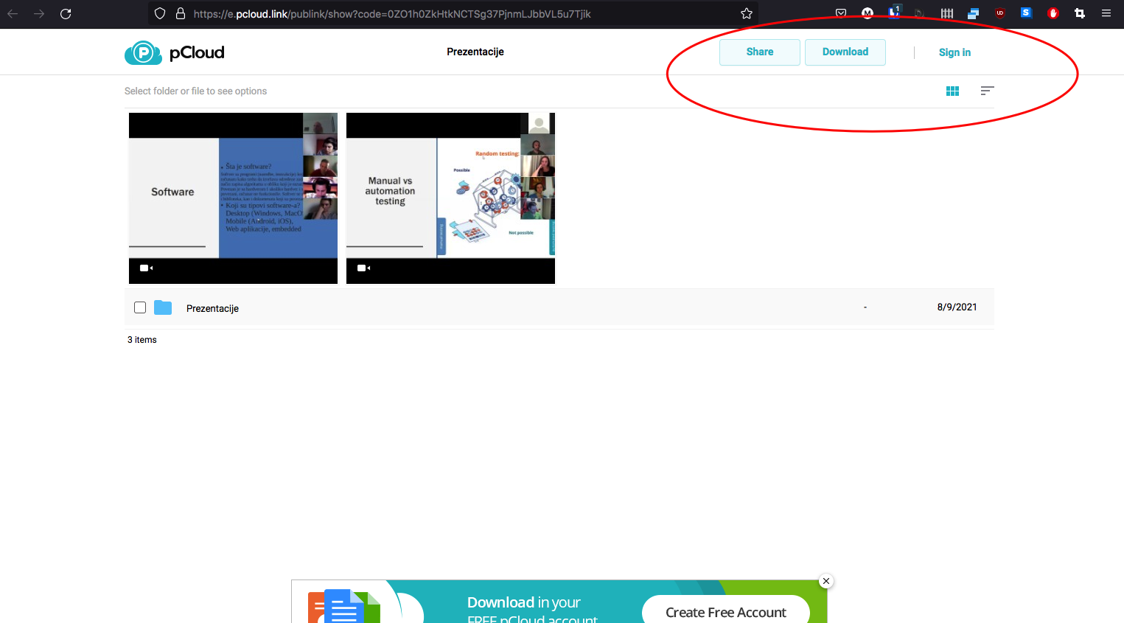
Sreenshot:

Bug Report3
Summary: | Text overspilling from a div
Description: | At approximately two thirds of a page, text is overspilling from a navy-blue div.
Steps to reproduce: | Open browser (Firefox) In the url bar at the top middle of the screen type url https://www.theworldsworstwebsiteever.com/ Scroll to the lower third of the page The div can be found aligned to the right edge of the window with white text in it.
Expected result: | Div is to contain the whole text.
Actual result: | Div is significantly shorter than text and text continues long after the div ends.
Repro rate: | 100%
Priority: | low
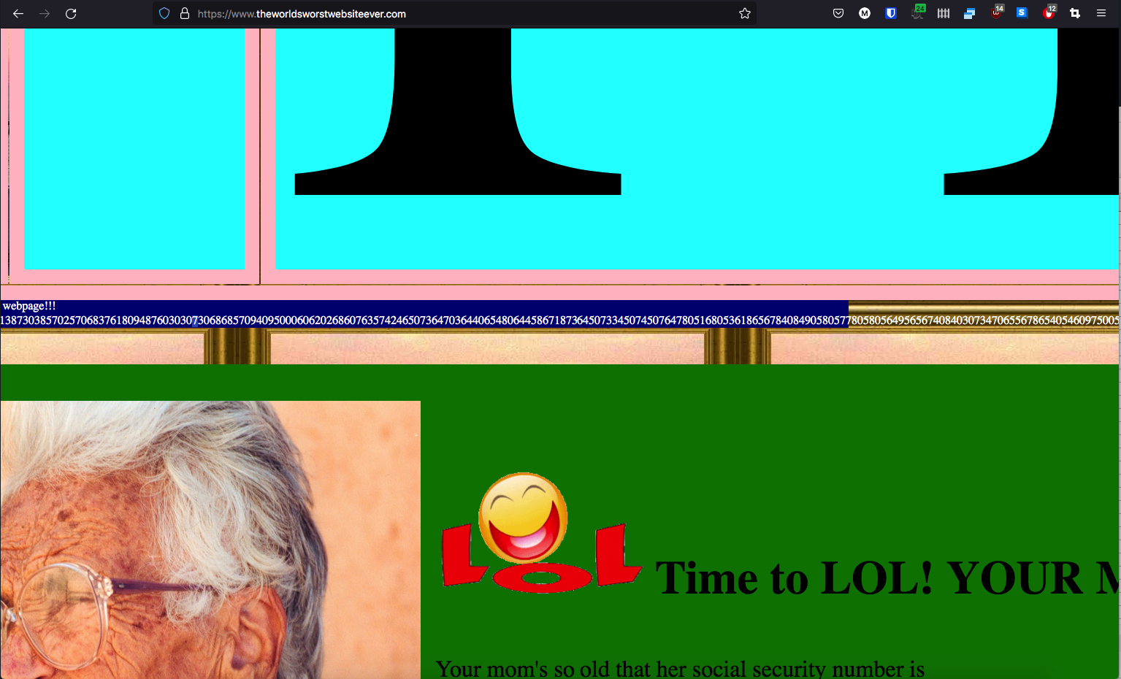
Severity: | low
Sreenshot:

