Sheet1
NSL ID | Name | Designation | Date of Joining | Date of Birth | Blood Group | NID Number | Passport Number | Current Allocation | Phone Number | Photo | NID Scan | Passport Scan
1 | Mladen | Mladen | 2018-01-01 | 1990-09-21 | 0+ | 1 | 1 | 1 | 1 | 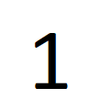 | 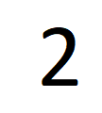 | 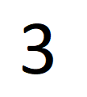
2 | Mladen | Mladen | 2018-01-01 | 1990-09-21 | 0+ | 1 | 1 | 1 | 1
3 | Mladen | Mladen | 2018-01-01 | 1990-09-21 | 0+ | 1 | 1 | 1 | 1
4 | Mladen | Mladen | 2018-01-01 | 1990-09-21 | 0+ | 1 | 1 | 1 | 1

