project_data_general
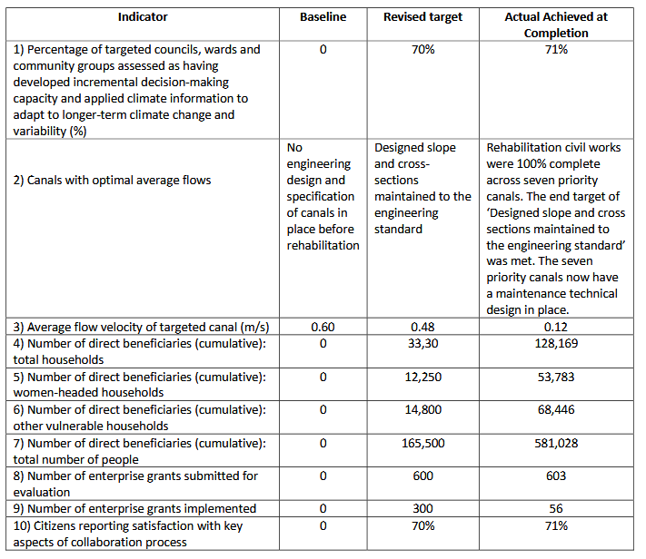
project_code | project_title | project_id | project_lead | publication_year | start_year | closure_year | project_scale | location_count | location_notes | rationale_project | target_beneficiary_project | GESI_project | result1 | result1_metric | result1_unit | result2 | result2_metric | result2_unit | result3 | result3_metric | result3_unit | result_notes | budget_total | disbursed | currency | funding_mechanism | funding_mechanism_portion | funder | implementors | document_type | resource_id | evidence_depth | reference_link_1 | reference_link_2 | reference_link_3
P0001 | ZAMBIA STRENGTHENING CLIMATE RESILIENCE (PPCR PHASE II) PROJECT | ICR00006143 | GLO18 | 2023 | 2013 | 2022 |  |  | 1 African location, both at national and community level | to improve the livelihoods and diversify agricultural income sources for those that are extremely vulnerable to the increasing incidence of climate change |  | Data disaggregated across gender, vulnerable grouos were also considered | 931,684,711 | national budget allocations | ZMW/year | 53,783.00 | women beneficiaries | individuals |  |  |  |  | 50,586,914 | 50,586,914 | USD

