Bug_002

Defect Number | Description | Steps to Reproduce | Severity
Bug_002 | User is unable to interact with the application as the application becomes unresposive after 5 mins of inactivity | 1. Navigate to "https://wmxrwq14uc.execute-api.us-east-1.amazonaws.com/Prod/Account/Login" | High
 |  | 2. Enter Username: TestUser132 and Password: a+)zK4D}d0lH
 |  | 3. Log In
 |  | 4. Do not perform any action on the application for about 5 mins
 |  | 5. Click on "Add" an employee
 |  | 6. Enter Emplyee details
 |  | 7. Click "Add"
 |  | Expected: User should be able to add an employee
 |  | Actual: Clicking on "Add" button does not allow user to add Employee

Screenshot

Bug_006
Defect Number | Description | Steps to Reproduce | Severity
Bug_006 | Paylocity Benefits Dashboard's page layout is not propely alligned | 1. Navigate to "https://wmxrwq14uc.execute-api.us-east-1.amazonaws.com/Prod/Account/Login" | Low
 |  | 2. Enter Username: TestUser132 and Password: a+)zK4D}d0lH
 |  | 3. Log In
 |  | 4. Click on "Add Employee" to add a new employee
 |  | 5. Create multiple sets of employee records with long names
 |  | Expected: Pay layout should be properly alligned as designed
 |  | Actual: A black line cross over the "Edit" button

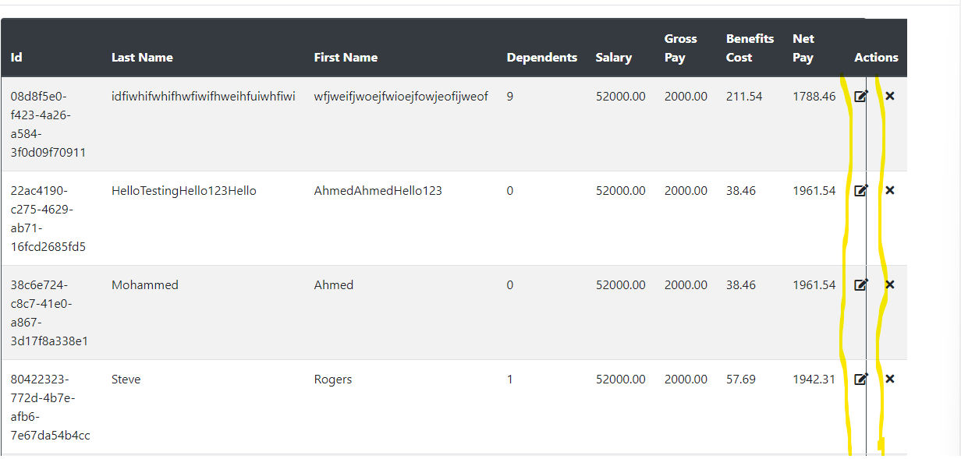
Screenshot

Bug_007
Defect Number | Description | Steps to Reproduce | Severity
Bug_009 | System failed to display an error message when user input Username in lowercase rather it sent a request to the server with this request ID: 0HMESKRCUMDVN | 1. Navigate to "https://wmxrwq14uc.execute-api.us-east-1.amazonaws.com/Prod/Account/Login" | High
 |  | 2. Enter Username: testuser132 and Password: a+)zK4D}d0lH
 |  | 3. Log In
 |  | Expected: System should display an error message saying incorrect username/password
 |  | Actual: System displayed Error while processing request

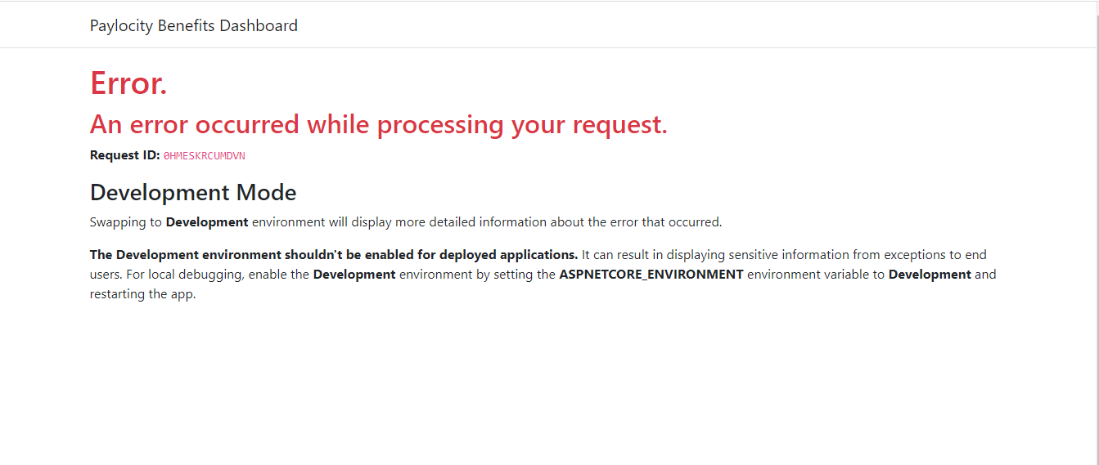
Screenshot

