ESP32
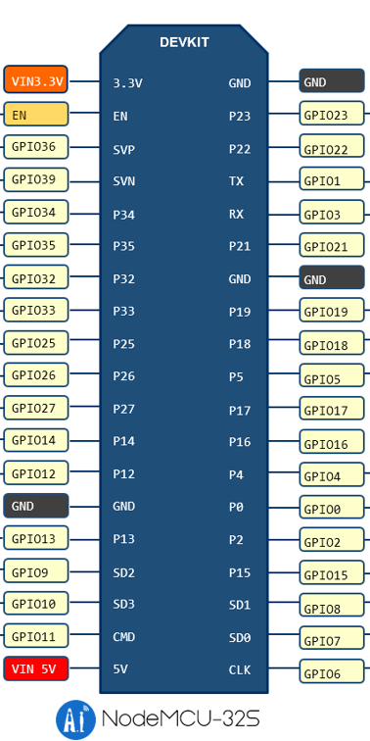

ENC_2 A
ENC_2 B
ENC_1 A
ENC_1 B |  |  | Motor_PWM2

I2C (PI) SDA
I2C (PI) SCL
Servo PWM | W |  | IMU_RXD
Motor_DIR1 |  |  | Motor_PWM1
Motor_DIR2 |  | W

ESP Board
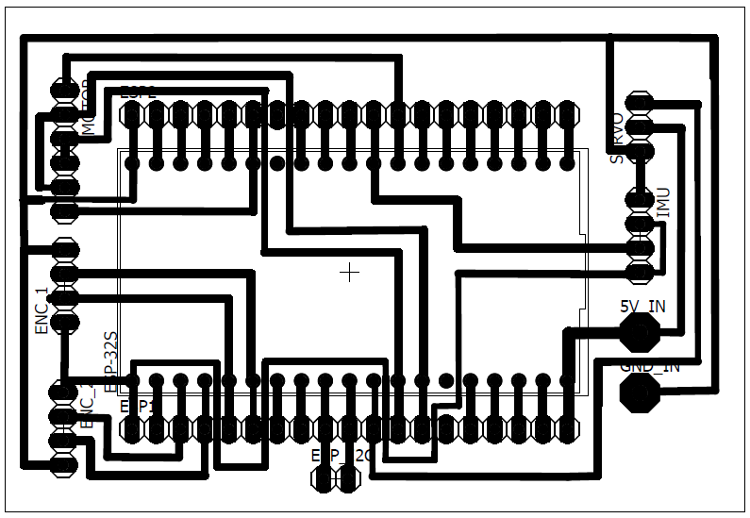

Motor_PWM1
Motor_DIR2 |  |  |  | W | Servo PWM
Motor_DIR1 |  |  |  |  | Servo VCC
Motor_DIR1 |  |  |  |  | Servo GND
Motor_DIR2 | W
Motor_PWM2 |  |  |  | W | IMU GND
 |  |  |  |  | IMU VCC
ENC_1 GND |  |  |  |  | IMU TXD (SDA)
ENC_1 B |  |  |  |  | IMU PS0
ENC_1 A
ENC_1 VCC

ENC_2 VCC
ENC_2 A
ENC_2 B
ENC_2 GND

 |  | ESP I2C SDA | ESP I2C SDA

