ESP32
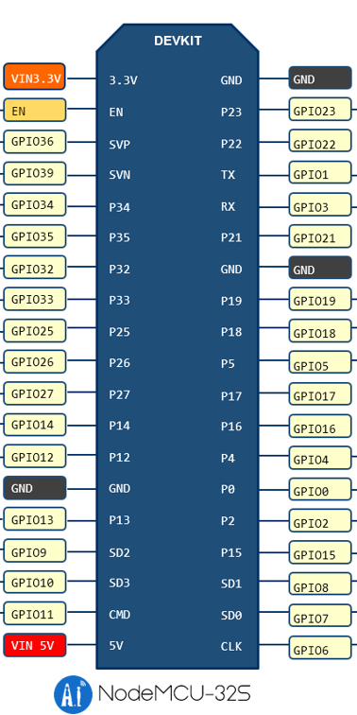

(IMU VCC) | (ENC1 VCC) | (IMU PS0) |  |  | PSU GND |  | (SERVO GND) |  | (ENC1 GND) | W | (IMU GND)

 |  | ENC_0 A | -
 |  | ENC_0 B | -
 |  | ENC_1 A
 |  | ENC_1 B |  | - | Motor_PWM2 | - |  | - |  | -

 |  | UART (PI) RXD
 |  | UART (PI) TXD | W
 |  | Servo PWM | W |  | IMU_RXD
 |  | Motor_DIR1 |  |  | Motor_PWM1
 |  | Motor_DIR2

 | (Servo VCC) | PSU 5V

ESP Board
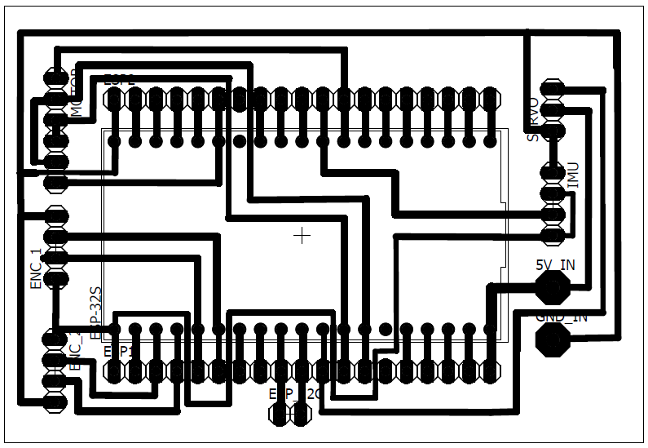

Motor_PWM1
Motor_DIR2 |  |  |  | W | Servo PWM
Motor_DIR1 |  |  |  |  | Servo VCC
Motor_DIR1 | - |  |  |  | Servo GND
Motor_DIR2 | -
Motor_PWM2 | - |  |  | W | IMU GND
 |  |  |  |  | IMU VCC
ENC_1 GND |  |  |  |  | IMU TXD (SDA)
ENC_1 B |  |  |  |  | IMU PS0
ENC_1 A
ENC_1 VCC |  |  |  |  | PDU 5V

ENC_0 VCC | - |  |  |  | PDU GND
ENC_0 A | -
ENC_0 B | -
ENC_0 GND | -

 |  |  | W
 |  | PI TTL RXD | PI TTL TXD

M ctrl
 |  | - | -
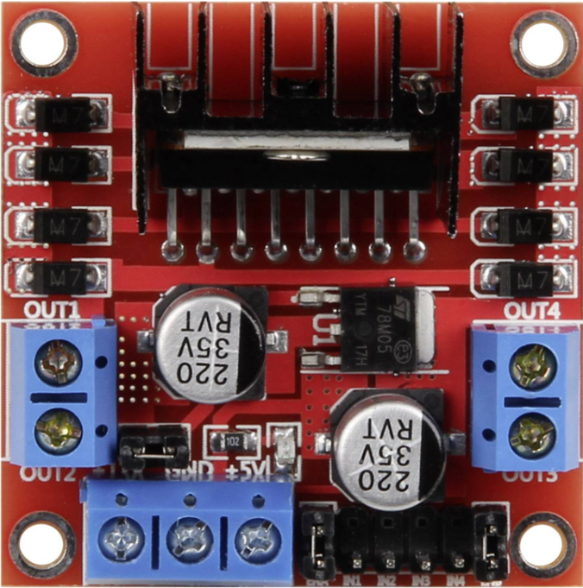

12V IN

GND IN

 | -

 | -
 | -
 | -
Motor_DIR1
Motor_DIR2
Motor_PWM1

 |  |  | W

 |  | M+ | M-

