ESP32
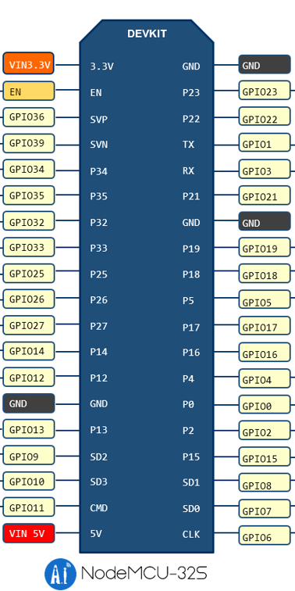

(IMU VCC) | D | ! ENC1 VCC |  | (IMU PS0) | D |  | PSU GND | (SERVO GND) | D | (IMU GND)

 |  |  | ! | ENC_1 A | W
 |  |  | ! | ENC_1 B |  |  | LiDAR PWM |  | -

 |  |  |  | UART (PI) RXD
 |  |  |  | UART (PI) TXD | W
 |  |  |  | Servo PWM | W | D | IMU_RXD
 |  |  |  |  |  |  | Motor_PWM2

 |  |  | ! | ENC1 GND
 |  |  |  | Motor_PWM1

 |  | (Servo VCC) |  | PSU 5V

ESP Board new
 |  | Jumper A | Jumper A | PI TX | PI RX

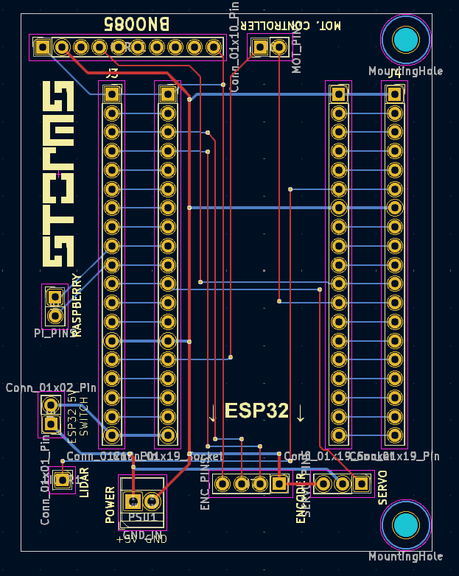
 |  | D |  |  | W

 |  |  |  |  |  | D | IMU

LiDAR PWM

VCC | W
GND

 | -
 | -
 | - |  |  |  |  |  | Motor PWM1
 | - |  |  |  |  |  | Motor PWM2

Servo GND
Servo VCC
Servo PWM | W

M ctrl
 |  | - | -
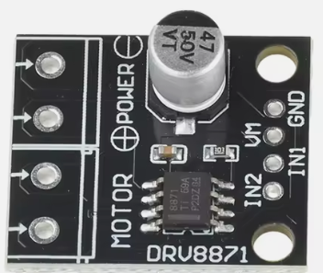

GND IN
12V IN

 |  |  |  | Motor_PWM1
M+ |  |  |  | Motor_PWM2
M- | W

