PIVOT1_State by Category
country | (All)

Campaign State by Category
 | successful | failed | canceled | live
film & video | 300 | 180 | 40
food | 34 | 140 | 20 | 6
games | 80 | 140
journalism |  |  | 24
music | 540 | 120 | 20 | 20
photography | 103 | 117
publishing | 80 | 127 | 30
technology | 209 | 213 | 178
theater | 839 | 493 | 37 | 24
Count of state | Column Labels
Row Labels | successful | failed | canceled | live | Grand Total
film & video | 300 | 180 | 40 |  | 520
food | 34 | 140 | 20 | 6 | 200
games | 80 | 140 |  |  | 220
journalism |  |  | 24 |  | 24
music | 540 | 120 | 20 | 20 | 700
photography | 103 | 117 |  |  | 220
publishing | 80 | 127 | 30 |  | 237
technology | 209 | 213 | 178 |  | 600
theater | 839 | 493 | 37 | 24 | 1393
Grand Total | 2185 | 1530 | 349 | 50 | 4114

PIVOT2_State by Sub-Category
country | (All)
Category | (All)

Count of state | Column Labels
Row Labels | successful | failed | canceled | live | Grand Total
animation |  | 100 |  |  | 100
 | successful | failed | canceled | live
animation |  | 100
art books |  |  | 20
audio |  |  | 24
children's books |  | 40
classical music | 40
documentary | 180
drama |  | 80
electronic music | 40
faith |  | 40 |  | 20
fiction |  | 40
food trucks |  | 120 | 20
gadgets |  | 20
hardware | 140
indie rock | 140 | 20
jazz |  | 60
makerspaces | 9 | 11
metal | 20
mobile games |  | 40
musical | 60 | 60 | 20
nature |  | 20
nonfiction | 60
people |  | 20
photobooks | 103 | 57
places |  | 20
plays | 694 | 353 |  | 19
pop | 40
radio & podcasts | 20
restaurants |  | 20
rock | 260
science fiction |  |  | 40
shorts | 60
small batch | 34 |  |  | 6
space exploration | 40 | 2 | 18
spaces | 85 | 80 | 17 | 5
tabletop games | 80
television | 60
translations |  | 47 | 10
video games |  | 100
wearables | 20 | 120 | 60
web |  | 60 | 100
world music |  |  | 20
art books |  |  | 20 |  | 20
audio |  |  | 24 |  | 24
children's books |  | 40 |  |  | 40
classical music | 40 |  |  |  | 40
documentary | 180 |  |  |  | 180
drama |  | 80 |  |  | 80
electronic music | 40 |  |  |  | 40
faith |  | 40 |  | 20 | 60
fiction |  | 40 |  |  | 40
food trucks |  | 120 | 20 |  | 140
gadgets |  | 20 |  |  | 20
hardware | 140 |  |  |  | 140
indie rock | 140 | 20 |  |  | 160
jazz |  | 60 |  |  | 60
makerspaces | 9 | 11 |  |  | 20
metal | 20 |  |  |  | 20
mobile games |  | 40 |  |  | 40
musical | 60 | 60 | 20 |  | 140
nature |  | 20 |  |  | 20
nonfiction | 60 |  |  |  | 60
people |  | 20 |  |  | 20
photobooks | 103 | 57 |  |  | 160
places |  | 20 |  |  | 20
plays | 694 | 353 |  | 19 | 1066
pop | 40 |  |  |  | 40
radio & podcasts | 20 |  |  |  | 20
restaurants |  | 20 |  |  | 20
rock | 260 |  |  |  | 260
science fiction |  |  | 40 |  | 40
shorts | 60 |  |  |  | 60
small batch | 34 |  |  | 6 | 40
space exploration | 40 | 2 | 18 |  | 60
spaces | 85 | 80 | 17 | 5 | 187
tabletop games | 80 |  |  |  | 80
television | 60 |  |  |  | 60
translations |  | 47 | 10 |  | 57
video games |  | 100 |  |  | 100
wearables | 20 | 120 | 60 |  | 200
web |  | 60 | 100 |  | 160
world music |  |  | 20 |  | 20
Grand Total | 2185 | 1530 | 349 | 50 | 4114

PIVOT3_State by Month
Category | (All)
Year Created Conversion | (All)

Count of state | Column Labels
Row Labels | successful | failed | canceled | Grand Total
Jan | 182 | 149 | 34 | 365
Feb | 202 | 106 | 27 | 335
Mar | 180 | 108 | 28 | 316
Apr | 192 | 102 | 27 | 321
May | 234 | 126 | 26 | 386
Jun | 211 | 147 | 27 | 385
Jul | 194 | 150 | 43 | 387
Aug | 166 | 134 | 33 | 333
Sep | 147 | 127 | 24 | 298
Oct | 183 | 149 | 20 | 352
Nov | 183 | 114 | 37 | 334
Dec | 111 | 118 | 23 | 252
Grand Total | 2185 | 1530 | 349 | 4064

Outcomes Based on Goals
Goal | Number Successful | Number Failed | Number Canceled | Total Projects | Percentage Successful | Percentage Failed | Percentage Canceled
Less than 1000 | 322 | 113 | 18 | 453 | 71% | 25% | 4%
1000 to 4999 | 932 | 420 | 60 | 1412 | 66% | 30% | 4%
5000 to 9999 | 381 | 283 | 52 | 716 | 53% | 40% | 7%
10000 to 14999 | 168 | 144 | 40 | 352 | 48% | 41% | 11%
15000 to 19999 | 94 | 90 | 17 | 201 | 47% | 45% | 8%
20000 to 24999 | 62 | 72 | 14 | 148 | 42% | 49% | 9%
25000 to 29999 | 55 | 64 | 18 | 137 | 40% | 47% | 13%
30000 to 34999 | 32 | 37 | 13 | 82 | 39% | 45% | 16%
35000 to 39999 | 26 | 22 | 7 | 55 | 47% | 40% | 13%
40000 to 44999 | 21 | 16 | 6 | 43 | 49% | 37% | 14%
45000 to 49999 | 6 | 11 | 4 | 21 | 29% | 52% | 19%
Greater than or equal to 50000 | 86 | 258 | 100 | 444 | 19% | 58% | 23%

Outcomes Based on Goals

Statistical Analysis_#ofBackers
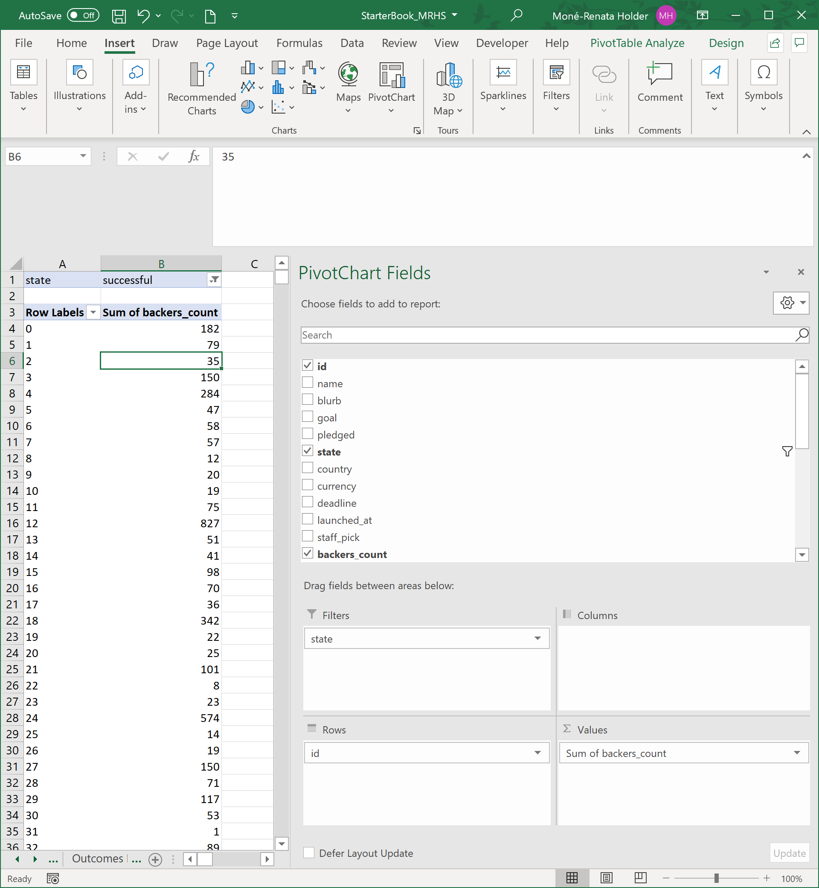
state | successful |  |  | state | failed |  |  | state | successful | state | failed | Source of Hardcoded Values in Columns K and L | Source of Hardcoded Values in Columns N and O
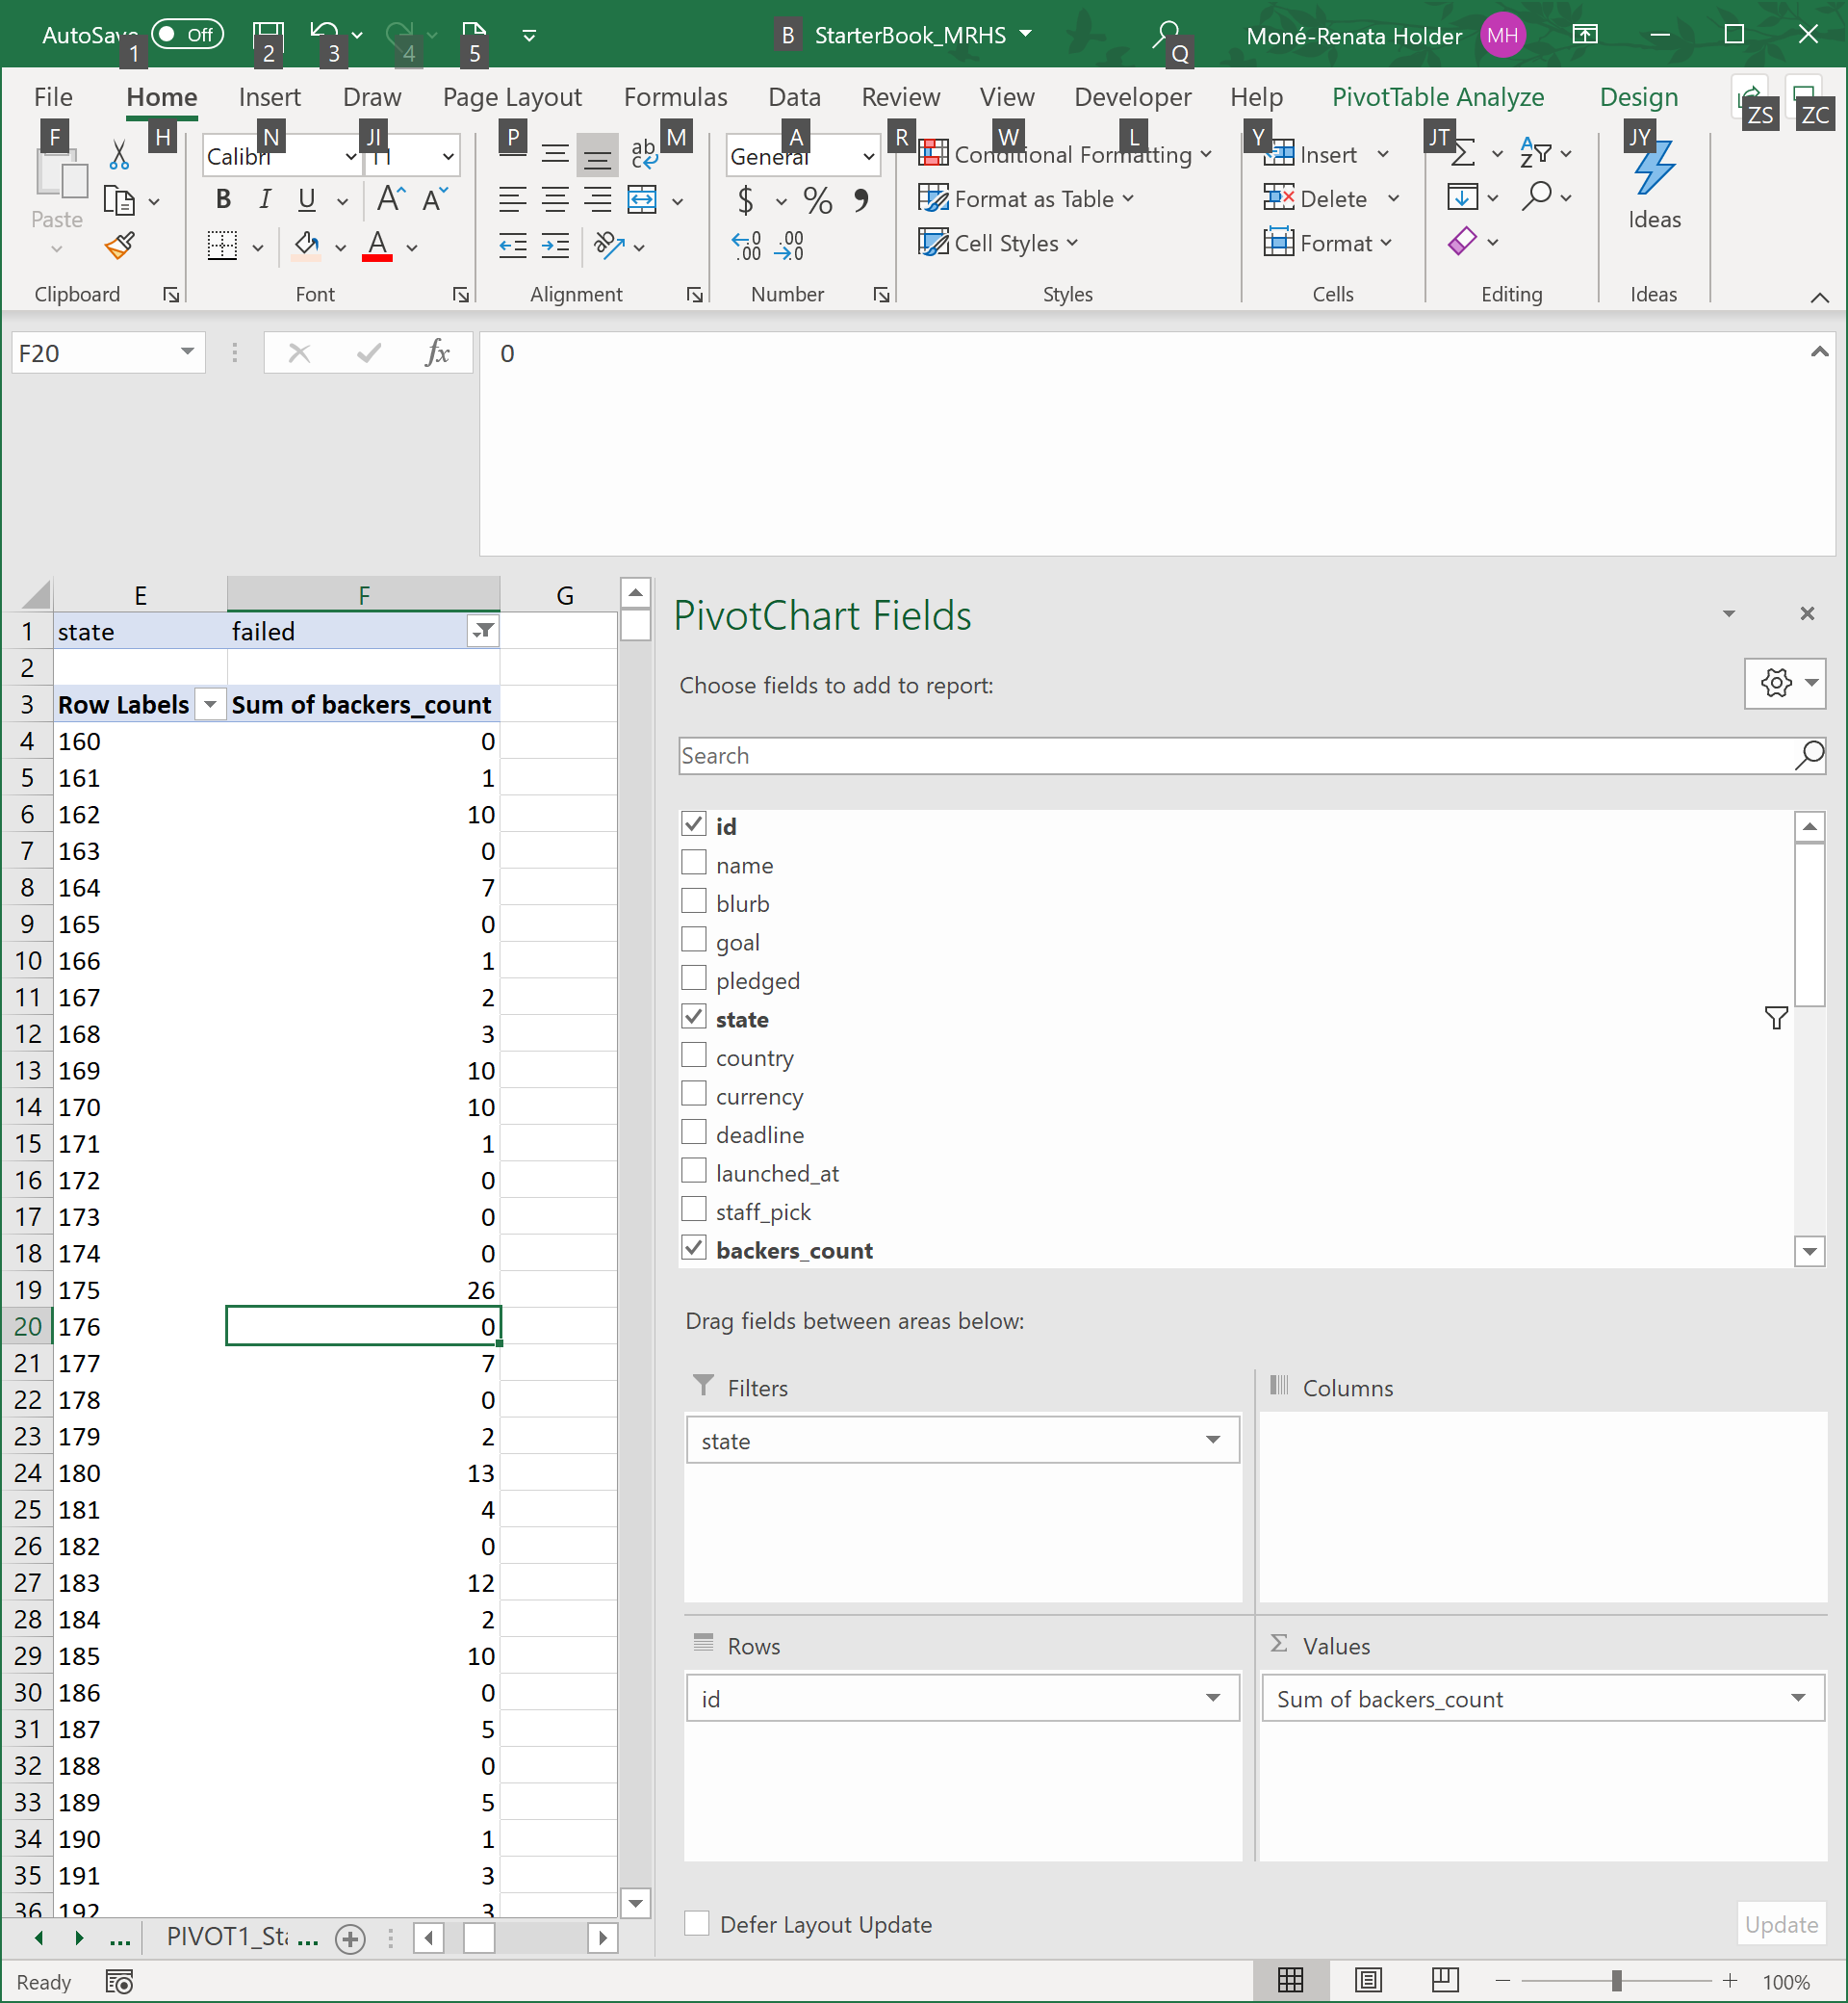
Values |  |  |  | Values |  |  |  | outcome | backers_count | outcome | backers_count
Average of backers_count | 194.43 |  |  | Average of backers_count | 17.71 |  |  | successful | 182 | failed | 0
Min of backers_count | 1 |  |  | Min of backers_count | 0 |  |  | successful | 79 | failed | 1
Max of backers_count | 26,457 |  |  | Max of backers_count | 1,293 |  |  | successful | 35 | failed | 10
Var of backers_count | 713,167.38 |  |  | Var of backers_count | 3,775.69 |  |  | successful | 150 | failed | 0
StdDev of backers_count | 844.49 |  |  | StdDev of backers_count | 61.45 |  |  | successful | 284 | failed | 7
 |  |  |  |  |  |  |  | successful | 47 | failed | 0
 |  |  |  |  |  |  |  | successful | 58 | failed | 1
Summary - Successful Campaigns |  |  |  | Summary - Failed Campaigns |  |  |  | successful | 57 | failed | 2
The mean number of backers. | 194.43 |  |  | The mean number of backers. | 17.71 |  |  | successful | 12 | failed | 3
 |  |  |  |  |  |  |  | successful | 20 | failed | 10
The median number of backers. | 62 |  |  | The median number of backers. | 4 |  |  | successful | 19 | failed | 10
 |  |  |  |  |  |  |  | successful | 75 | failed | 1
The minimum number of backers. | 1 |  |  | The minimum number of backers. | 0 |  |  | successful | 827 | failed | 0
 |  |  |  |  |  |  |  | successful | 51 | failed | 0
The maximum number of backers. | 26,457 |  |  | The maximum number of backers. | 1,293 |  |  | successful | 41 | failed | 0
 |  |  |  |  |  |  |  | successful | 98 | failed | 26
The variance (sample)1 of the number of backers. | 713,167.38 |  |  | The variance (sample)1 of the number of backers. | 3,775.69 |  |  | successful | 70 | failed | 0
 |  |  |  |  |  |  |  | successful | 36 | failed | 7
The standard deviation (sample)1 of the number of backers. | 844.49 |  |  | The standard deviation (sample)1 of the number of backers. | 61.45 |  |  | successful | 342 | failed | 0
 |  |  |  |  |  |  |  | successful | 22 | failed | 2
Additional Statistics |  |  |  | Additional Statistics |  |  |  | successful | 25 | failed | 13
Q1 | 29 |  |  | Q1 | 1 |  |  | successful | 101 | failed | 4
Q3 | 141 |  |  | Q3 | 12 |  |  | successful | 8 | failed | 0
IQR | 112 |  |  | IQR | 11 |  |  | successful | 23 | failed | 12
 |  | Count of Outliers | Percentage |  |  | Count of Outliers | Percentage | successful | 574 | failed | 2
Lower Bound | -139 | 0 |  | Lower Bound | -15.5 | 0 |  | successful | 14 | failed | 10
Upper Bound | 309 | 244 | 11% | Upper Bound | 28.5 | 192 | 13% | successful | 19 | failed | 0
 |  |  |  |  |  |  |  | successful | 150 | failed | 5
 |  |  |  |  |  |  |  | successful | 71 | failed | 0
 |  |  |  |  |  |  |  | successful | 117 | failed | 5
 |  |  |  |  |  |  |  | successful | 53 | failed | 1
 |  |  |  |  |  |  |  | successful | 1 | failed | 3
 |  |  |  |  |  |  |  | successful | 89 | failed | 3
 |  |  |  |  |  |  |  | successful | 64 | failed | 0
 |  |  |  |  |  |  |  | successful | 68 | failed | 3
 |  |  |  |  |  |  |  | successful | 28 | failed | 0
 |  |  |  |  |  |  |  | successful | 44 | failed | 19
 |  |  |  |  |  |  |  | successful | 253 | failed | 8
 |  |  |  |  |  |  |  | successful | 66 | failed | 6
 |  |  |  |  |  |  |  | successful | 217 | failed | 0
 |  |  |  |  |  |  |  | successful | 16 | failed | 18
 |  |  |  |  |  |  |  | successful | 19 | failed | 7
 |  |  |  |  |  |  |  | successful | 169 | failed | 0
 |  |  |  |  |  |  |  | successful | 263 | failed | 8
 |  |  |  |  |  |  |  | successful | 15 | failed | 1293
Conclusion |  |  |  |  |  |  |  | successful | 61 | failed | 17
The mean is ideally used for normal distributions which have a low number of outliers ("thin tails"). For both successful and failed campaigns, more than 11 percent of records are outliers. A frequency diagram for each also displays that the distributions are positively skewed2. The median summarizes the data more meaningfully. |  |  |  |  |  |  |  | successful | 45 | failed | 0
 |  |  |  |  |  |  |  | successful | 70 | failed | 13
The successful campaigns have a higher standard deviation than the failed campaigns, indicating the data points in the successful campaigns are spread further away from the mean and thus have higher variability than failed campaigns. This is unexpected since it is contrary to the apriori expectation that number of campaign backers is commonly used as a metric of success to describe asuccessful crowdfunding campaign. |  |  |  |  |  |  |  | successful | 38 | failed | 0
 |  |  |  |  |  |  |  | successful | 87 | failed | 0
 |  |  |  |  |  |  |  | successful | 22 | failed | 33
Note |  |  |  |  |  |  |  | successful | 119 | failed | 12
1 See notes tab to explain use of sample variance and sample standard deviation |  |  |  |  |  |  |  | successful | 52 | failed | 1
2 See "Skew of Backers Count" tab for diagrams referenced |  |  |  |  |  |  |  | successful | 117 | failed | 1
 |  |  |  |  |  |  |  | successful | 52 | failed | 1
 |  |  |  |  |  |  |  | successful | 86 | failed | 1
 |  |  |  |  |  |  |  | successful | 174 | failed | 84
 |  |  |  |  |  |  |  | successful | 69 | failed | 38
 |  |  |  |  |  |  |  | successful | 75 | failed | 1
 |  |  |  |  |  |  |  | successful | 33 | failed | 76
 |  |  |  |  |  |  |  | successful | 108 | failed | 3
 |  |  |  |  |  |  |  | successful | 23 | failed | 0
 |  |  |  |  |  |  |  | successful | 48 | failed | 2
 |  |  |  |  |  |  |  | successful | 64 | failed | 0
 |  |  |  |  |  |  |  | successful | 24 | failed | 0
 |  |  |  |  |  |  |  | successful | 57 | failed | 0
 |  |  |  |  |  |  |  | successful | 26 | failed | 2
 |  |  |  |  |  |  |  | successful | 20 | failed | 0
 |  |  |  |  |  |  |  | successful | 36 | failed | 0
 |  |  |  |  |  |  |  | successful | 178 | failed | 0
 |  |  |  |  |  |  |  | successful | 17 | failed | 2
 |  |  |  |  |  |  |  | successful | 32 | failed | 0
 |  |  |  |  |  |  |  | successful | 41 | failed | 7
 |  |  |  |  |  |  |  | successful | 18 | failed | 0
 |  |  |  |  |  |  |  | successful | 29 | failed | 5
 |  |  |  |  |  |  |  | successful | 47 | failed | 0
 |  |  |  |  |  |  |  | successful | 15 | failed | 0
 |  |  |  |  |  |  |  | successful | 26 | failed | 1
 |  |  |  |  |  |  |  | successful | 35 | failed | 0
 |  |  |  |  |  |  |  | successful | 41 | failed | 5
 |  |  |  |  |  |  |  | successful | 47 | failed | 3
 |  |  |  |  |  |  |  | successful | 28 | failed | 6
 |  |  |  |  |  |  |  | successful | 100 | failed | 12
 |  |  |  |  |  |  |  | successful | 13 | failed | 13
 |  |  |  |  |  |  |  | successful | 7 | failed | 5
 |  |  |  |  |  |  |  | successful | 21 | failed | 2
 |  |  |  |  |  |  |  | successful | 17 | failed | 8
 |  |  |  |  |  |  |  | successful | 25 | failed | 0
 |  |  |  |  |  |  |  | successful | 60 | failed | 13
 |  |  |  |  |  |  |  | successful | 56 | failed | 0
 |  |  |  |  |  |  |  | successful | 16 | failed | 5
 |  |  |  |  |  |  |  | successful | 46 | failed | 8
 |  |  |  |  |  |  |  | successful | 43 | failed | 8
 |  |  |  |  |  |  |  | successful | 15 | failed | 0
 |  |  |  |  |  |  |  | successful | 12 | failed | 2
 |  |  |  |  |  |  |  | successful | 21 | failed | 3
 |  |  |  |  |  |  |  | successful | 34 | failed | 0
 |  |  |  |  |  |  |  | successful | 8 | failed | 0
 |  |  |  |  |  |  |  | successful | 60 | failed | 11
 |  |  |  |  |  |  |  | successful | 39 | failed | 0
 |  |  |  |  |  |  |  | successful | 26 | failed | 1
 |  |  |  |  |  |  |  | successful | 35 | failed | 0
 |  |  |  |  |  |  |  | successful | 65 | failed | 17
 |  |  |  |  |  |  |  | successful | 49 | failed | 2
 |  |  |  |  |  |  |  | successful | 10 | failed | 1
 |  |  |  |  |  |  |  | successful | 60 | failed | 2
 |  |  |  |  |  |  |  | successful | 27 | failed | 16
 |  |  |  |  |  |  |  | successful | 69 | failed | 1
 |  |  |  |  |  |  |  | successful | 47 | failed | 4
 |  |  |  |  |  |  |  | successful | 47 | failed | 5
 |  |  |  |  |  |  |  | successful | 26 | failed | 7
 |  |  |  |  |  |  |  | successful | 53 | failed | 0
 |  |  |  |  |  |  |  | successful | 81 | failed | 12
 |  |  |  |  |  |  |  | successful | 78 | failed | 2
 |  |  |  |  |  |  |  | successful | 35 | failed | 5
 |  |  |  |  |  |  |  | successful | 22 | failed | 2
 |  |  |  |  |  |  |  | successful | 57 | failed | 3
 |  |  |  |  |  |  |  | successful | 27 | failed | 0
 |  |  |  |  |  |  |  | successful | 39 | failed | 49
 |  |  |  |  |  |  |  | successful | 37 | failed | 1
 |  |  |  |  |  |  |  | successful | 137 | failed | 2
 |  |  |  |  |  |  |  | successful | 376 | failed | 0
 |  |  |  |  |  |  |  | successful | 202 | failed | 0
 |  |  |  |  |  |  |  | successful | 328 | failed | 11
 |  |  |  |  |  |  |  | successful | 84 | failed | 1
 |  |  |  |  |  |  |  | successful | 96 | failed | 8
 |  |  |  |  |  |  |  | successful | 223 | failed | 5
 |  |  |  |  |  |  |  | successful | 62 | failed | 39
 |  |  |  |  |  |  |  | successful | 146 | failed | 0
 |  |  |  |  |  |  |  | successful | 235 | failed | 0
 |  |  |  |  |  |  |  | successful | 437 | failed | 2
 |  |  |  |  |  |  |  | successful | 77 | failed | 170
 |  |  |  |  |  |  |  | successful | 108 | failed | 5
 |  |  |  |  |  |  |  | successful | 7 | failed | 14
 |  |  |  |  |  |  |  | successful | 314 | failed | 1
 |  |  |  |  |  |  |  | successful | 188 | failed | 0
 |  |  |  |  |  |  |  | successful | 275 | failed | 124
 |  |  |  |  |  |  |  | successful | 560 | failed | 0
 |  |  |  |  |  |  |  | successful | 688 | failed | 0
 |  |  |  |  |  |  |  | successful | 942 | failed | 55
 |  |  |  |  |  |  |  | successful | 88 | failed | 140
 |  |  |  |  |  |  |  | successful | 220 | failed | 21
 |  |  |  |  |  |  |  | successful | 145 | failed | 1
 |  |  |  |  |  |  |  | successful | 963 | failed | 147
 |  |  |  |  |  |  |  | successful | 91 | failed | 11
 |  |  |  |  |  |  |  | successful | 58 | failed | 125
 |  |  |  |  |  |  |  | successful | 36 | failed | 1
 |  |  |  |  |  |  |  | successful | 165 | failed | 0
 |  |  |  |  |  |  |  | successful | 111 | failed | 0
 |  |  |  |  |  |  |  | successful | 1596 | failed | 3
 |  |  |  |  |  |  |  | successful | 61 | failed | 0
 |  |  |  |  |  |  |  | successful | 287 | failed | 0
 |  |  |  |  |  |  |  | successful | 65 | failed | 0
 |  |  |  |  |  |  |  | successful | 118 | failed | 0
 |  |  |  |  |  |  |  | successful | 113 | failed | 3
 |  |  |  |  |  |  |  | successful | 332 | failed | 0
 |  |  |  |  |  |  |  | successful | 62 | failed | 1
 |  |  |  |  |  |  |  | successful | 951 | failed | 3
 |  |  |  |  |  |  |  | successful | 415 | failed | 22
 |  |  |  |  |  |  |  | successful | 305 | failed | 26
 |  |  |  |  |  |  |  | successful | 2139 | failed | 4
 |  |  |  |  |  |  |  | successful | 79 | failed | 0
 |  |  |  |  |  |  |  | successful | 179 | failed | 4
 |  |  |  |  |  |  |  | successful | 202 | failed | 9
 |  |  |  |  |  |  |  | successful | 760 | failed | 5
 |  |  |  |  |  |  |  | successful | 563 | failed | 14
 |  |  |  |  |  |  |  | successful | 135 | failed | 1
 |  |  |  |  |  |  |  | successful | 290 | failed | 10
 |  |  |  |  |  |  |  | successful | 447 | failed | 3
 |  |  |  |  |  |  |  | successful | 232 | failed | 1
 |  |  |  |  |  |  |  | successful | 168 | failed | 0
 |  |  |  |  |  |  |  | successful | 128 | failed | 5
 |  |  |  |  |  |  |  | successful | 493 | failed | 2
 |  |  |  |  |  |  |  | successful | 131 | failed | 68
 |  |  |  |  |  |  |  | successful | 50 | failed | 3
 |  |  |  |  |  |  |  | successful | 665 | failed | 34
 |  |  |  |  |  |  |  | successful | 129 | failed | 0
 |  |  |  |  |  |  |  | successful | 142 | failed | 3
 |  |  |  |  |  |  |  | successful | 2436 | failed | 0
 |  |  |  |  |  |  |  | successful | 244 | failed | 70
 |  |  |  |  |  |  |  | successful | 298 | failed | 1
 |  |  |  |  |  |  |  | successful | 251 | failed | 1
 |  |  |  |  |  |  |  | successful | 108 | failed | 1
 |  |  |  |  |  |  |  | successful | 82 | failed | 2
 |  |  |  |  |  |  |  | successful | 74 | failed | 2
 |  |  |  |  |  |  |  | successful | 189 | failed | 34
 |  |  |  |  |  |  |  | successful | 80 | failed | 2
 |  |  |  |  |  |  |  | successful | 576 | failed | 0
 |  |  |  |  |  |  |  | successful | 202 | failed | 1
 |  |  |  |  |  |  |  | successful | 238 | failed | 8
 |  |  |  |  |  |  |  | successful | 36 | failed | 4
 |  |  |  |  |  |  |  | successful | 150 | failed | 28
 |  |  |  |  |  |  |  | successful | 146 | failed | 0
 |  |  |  |  |  |  |  | successful | 222 | failed | 6
 |  |  |  |  |  |  |  | successful | 120 | failed | 22
 |  |  |  |  |  |  |  | successful | 126 | failed | 0
 |  |  |  |  |  |  |  | successful | 158 | failed | 1
 |  |  |  |  |  |  |  | successful | 316 | failed | 20
 |  |  |  |  |  |  |  | successful | 284 | failed | 0
 |  |  |  |  |  |  |  | successful | 51 | failed | 1
 |  |  |  |  |  |  |  | successful | 158 | failed | 3
 |  |  |  |  |  |  |  | successful | 337 | failed | 2
 |  |  |  |  |  |  |  | successful | 186 | failed | 0
 |  |  |  |  |  |  |  | successful | 58 | failed | 2
 |  |  |  |  |  |  |  | successful | 82 | failed | 1
 |  |  |  |  |  |  |  | successful | 736 | failed | 0
 |  |  |  |  |  |  |  | successful | 1151 | failed | 1
 |  |  |  |  |  |  |  | successful | 34 | failed | 0
 |  |  |  |  |  |  |  | successful | 498 | failed | 5
 |  |  |  |  |  |  |  | successful | 167 | failed | 1
 |  |  |  |  |  |  |  | successful | 340 | failed | 1
 |  |  |  |  |  |  |  | successful | 438 | failed | 2
 |  |  |  |  |  |  |  | successful | 555 | failed | 0
 |  |  |  |  |  |  |  | successful | 266 | failed | 9
 |  |  |  |  |  |  |  | successful | 69 | failed | 4
 |  |  |  |  |  |  |  | successful | 80 | failed | 4
 |  |  |  |  |  |  |  | successful | 493 | failed | 1
 |  |  |  |  |  |  |  | successful | 31 | failed | 1
 |  |  |  |  |  |  |  | successful | 236 | failed | 7
 |  |  |  |  |  |  |  | successful | 89 | failed | 5
 |  |  |  |  |  |  |  | successful | 299 | failed | 1
 |  |  |  |  |  |  |  | successful | 55 | failed | 0
 |  |  |  |  |  |  |  | successful | 325 | failed | 0
 |  |  |  |  |  |  |  | successful | 524 | failed | 1
 |  |  |  |  |  |  |  | successful | 285 | failed | 2
 |  |  |  |  |  |  |  | successful | 179 | failed | 0
 |  |  |  |  |  |  |  | successful | 188 | failed | 4
 |  |  |  |  |  |  |  | successful | 379 | failed | 7
 |  |  |  |  |  |  |  | successful | 119 | failed | 2
 |  |  |  |  |  |  |  | successful | 167 | failed | 1
 |  |  |  |  |  |  |  | successful | 221 | failed | 9
 |  |  |  |  |  |  |  | successful | 964 | failed | 2
 |  |  |  |  |  |  |  | successful | 286 | failed | 1
 |  |  |  |  |  |  |  | successful | 613 | failed | 7
 |  |  |  |  |  |  |  | successful | 29 | failed | 2
 |  |  |  |  |  |  |  | successful | 165 | failed | 8
 |  |  |  |  |  |  |  | successful | 97 | failed | 2
 |  |  |  |  |  |  |  | successful | 303 | failed | 2
 |  |  |  |  |  |  |  | successful | 267 | failed | 7
 |  |  |  |  |  |  |  | successful | 302 | failed | 2
 |  |  |  |  |  |  |  | successful | 87 | failed | 18
 |  |  |  |  |  |  |  | successful | 354 | failed | 9
 |  |  |  |  |  |  |  | successful | 86 | failed | 4
 |  |  |  |  |  |  |  | successful | 26 | failed | 7
 |  |  |  |  |  |  |  | successful | 113 | failed | 29
 |  |  |  |  |  |  |  | successful | 65 | failed | 12
 |  |  |  |  |  |  |  | successful | 134 | failed | 4
 |  |  |  |  |  |  |  | successful | 119 | failed | 28
 |  |  |  |  |  |  |  | successful | 159 | failed | 25
 |  |  |  |  |  |  |  | successful | 167 | failed | 28
 |  |  |  |  |  |  |  | successful | 43 | failed | 310
 |  |  |  |  |  |  |  | successful | 1062 | failed | 15
 |  |  |  |  |  |  |  | successful | 9 | failed | 215
 |  |  |  |  |  |  |  | successful | 89 | failed | 3
 |  |  |  |  |  |  |  | successful | 174 | failed | 2
 |  |  |  |  |  |  |  | successful | 14 | failed | 26
 |  |  |  |  |  |  |  | successful | 48 | failed | 24
 |  |  |  |  |  |  |  | successful | 133 | failed | 96
 |  |  |  |  |  |  |  | successful | 83 | failed | 17
 |  |  |  |  |  |  |  | successful | 149 | failed | 94
 |  |  |  |  |  |  |  | successful | 49 | failed | 129
 |  |  |  |  |  |  |  | successful | 251 | failed | 1
 |  |  |  |  |  |  |  | successful | 22 | failed | 4
 |  |  |  |  |  |  |  | successful | 48 | failed | 3
 |  |  |  |  |  |  |  | successful | 383 | failed | 135
 |  |  |  |  |  |  |  | successful | 237 | failed | 10
 |  |  |  |  |  |  |  | successful | 13 | failed | 0
 |  |  |  |  |  |  |  | successful | 562 | failed | 6
 |  |  |  |  |  |  |  | successful | 71 | failed | 36
 |  |  |  |  |  |  |  | successful | 1510 | failed | 336
 |  |  |  |  |  |  |  | successful | 14 | failed | 34
 |  |  |  |  |  |  |  | successful | 193 | failed | 10
 |  |  |  |  |  |  |  | successful | 206 | failed | 201
 |  |  |  |  |  |  |  | successful | 351 | failed | 296
 |  |  |  |  |  |  |  | successful | 50 | failed | 7
 |  |  |  |  |  |  |  | successful | 184 | failed | 7
 |  |  |  |  |  |  |  | successful | 196 | failed | 1
 |  |  |  |  |  |  |  | successful | 229 | failed | 114
 |  |  |  |  |  |  |  | successful | 67 | failed | 29
 |  |  |  |  |  |  |  | successful | 95 | failed | 890
 |  |  |  |  |  |  |  | successful | 62 | failed | 31
 |  |  |  |  |  |  |  | successful | 73 | failed | 21
 |  |  |  |  |  |  |  | successful | 43 | failed | 37
 |  |  |  |  |  |  |  | successful | 70 | failed | 7
 |  |  |  |  |  |  |  | successful | 271 | failed | 4
 |  |  |  |  |  |  |  | successful | 55 | failed | 5
 |  |  |  |  |  |  |  | successful | 35 | failed | 0
 |  |  |  |  |  |  |  | successful | 22 | failed | 456
 |  |  |  |  |  |  |  | successful | 38 | failed | 369
 |  |  |  |  |  |  |  | successful | 15 | failed | 2
 |  |  |  |  |  |  |  | successful | 7 | failed | 0
 |  |  |  |  |  |  |  | successful | 241 | failed | 338
 |  |  |  |  |  |  |  | successful | 55 | failed | 4
 |  |  |  |  |  |  |  | successful | 171 | failed | 1
 |  |  |  |  |  |  |  | successful | 208 | failed | 28
 |  |  |  |  |  |  |  | successful | 21 | failed | 12
 |  |  |  |  |  |  |  | successful | 25 | failed | 16
 |  |  |  |  |  |  |  | successful | 52 | failed | 4
 |  |  |  |  |  |  |  | successful | 104 | failed | 4
 |  |  |  |  |  |  |  | successful | 73 | failed | 10
 |  |  |  |  |  |  |  | successful | 34 | failed | 0
 |  |  |  |  |  |  |  | successful | 56 | failed | 6
 |  |  |  |  |  |  |  | successful | 31 | failed | 0
 |  |  |  |  |  |  |  | successful | 84 | failed | 1
 |  |  |  |  |  |  |  | successful | 130 | failed | 0
 |  |  |  |  |  |  |  | successful | 12 | failed | 44
 |  |  |  |  |  |  |  | successful | 23 | failed | 0
 |  |  |  |  |  |  |  | successful | 158 | failed | 3
 |  |  |  |  |  |  |  | successful | 30 | failed | 0
 |  |  |  |  |  |  |  | successful | 18 | failed | 52
 |  |  |  |  |  |  |  | successful | 29 | failed | 0
 |  |  |  |  |  |  |  | successful | 31 | failed | 1
 |  |  |  |  |  |  |  | successful | 173 | failed | 1
 |  |  |  |  |  |  |  | successful | 17 | failed | 2
 |  |  |  |  |  |  |  | successful | 48 | failed | 9
 |  |  |  |  |  |  |  | successful | 59 | failed | 5
 |  |  |  |  |  |  |  | successful | 39 | failed | 57
 |  |  |  |  |  |  |  | successful | 59 | failed | 3
 |  |  |  |  |  |  |  | successful | 60 | failed | 1
 |  |  |  |  |  |  |  | successful | 20 | failed | 6
 |  |  |  |  |  |  |  | successful | 2 | failed | 48
 |  |  |  |  |  |  |  | successful | 315 | failed | 2
 |  |  |  |  |  |  |  | successful | 2174 | failed | 4
 |  |  |  |  |  |  |  | successful | 152 | failed | 5
 |  |  |  |  |  |  |  | successful | 1021 | failed | 79
 |  |  |  |  |  |  |  | successful | 237 | failed | 2
 |  |  |  |  |  |  |  | successful | 27 | failed | 11
 |  |  |  |  |  |  |  | successful | 17 | failed | 11
 |  |  |  |  |  |  |  | successful | 27 | failed | 1
 |  |  |  |  |  |  |  | successful | 82 | failed | 3
 |  |  |  |  |  |  |  | successful | 48 | failed | 5
 |  |  |  |  |  |  |  | successful | 105 | failed | 12
 |  |  |  |  |  |  |  | successful | 28 | failed | 2
 |  |  |  |  |  |  |  | successful | 1107 | failed | 5
 |  |  |  |  |  |  |  | successful | 1013 | failed | 21
 |  |  |  |  |  |  |  | successful | 274 | failed | 0
 |  |  |  |  |  |  |  | successful | 87 | failed | 45
 |  |  |  |  |  |  |  | successful | 99 | failed | 29
 |  |  |  |  |  |  |  | successful | 276 | failed | 2
 |  |  |  |  |  |  |  | successful | 21 | failed | 30
 |  |  |  |  |  |  |  | successful | 41 | failed | 8
 |  |  |  |  |  |  |  | successful | 119 | failed | 1
 |  |  |  |  |  |  |  | successful | 153 | failed | 14
 |  |  |  |  |  |  |  | successful | 100 | failed | 24
 |  |  |  |  |  |  |  | successful | 143 | failed | 2
 |  |  |  |  |  |  |  | successful | 140 | failed | 21
 |  |  |  |  |  |  |  | successful | 35 | failed | 7
 |  |  |  |  |  |  |  | successful | 149 | failed | 0
 |  |  |  |  |  |  |  | successful | 130 | failed | 4
 |  |  |  |  |  |  |  | successful | 120 | failed | 32
 |  |  |  |  |  |  |  | successful | 265 | failed | 4
 |  |  |  |  |  |  |  | successful | 71 | failed | 9
 |  |  |  |  |  |  |  | successful | 13 | failed | 17
 |  |  |  |  |  |  |  | successful | 169 | failed | 5
 |  |  |  |  |  |  |  | successful | 57 | failed | 53
 |  |  |  |  |  |  |  | successful | 229 | failed | 7
 |  |  |  |  |  |  |  | successful | 108 | failed | 72
 |  |  |  |  |  |  |  | successful | 108 | failed | 0
 |  |  |  |  |  |  |  | successful | 41 | failed | 2
 |  |  |  |  |  |  |  | successful | 139 | failed | 8
 |  |  |  |  |  |  |  | successful | 19 | failed | 2
 |  |  |  |  |  |  |  | successful | 94 | failed | 0
 |  |  |  |  |  |  |  | successful | 23 | failed | 3
 |  |  |  |  |  |  |  | successful | 15 | failed | 4
 |  |  |  |  |  |  |  | successful | 62 | failed | 3
 |  |  |  |  |  |  |  | successful | 74 | failed | 6
 |  |  |  |  |  |  |  | successful | 97 | failed | 0
 |  |  |  |  |  |  |  | successful | 55 | failed | 0
 |  |  |  |  |  |  |  | successful | 44 | failed | 0
 |  |  |  |  |  |  |  | successful | 110 | failed | 8
 |  |  |  |  |  |  |  | successful | 59 | failed | 5
 |  |  |  |  |  |  |  | successful | 62 | failed | 0
 |  |  |  |  |  |  |  | successful | 105 | failed | 2
 |  |  |  |  |  |  |  | successful | 26 | failed | 24
 |  |  |  |  |  |  |  | successful | 49 | failed | 0
 |  |  |  |  |  |  |  | successful | 68 | failed | 9
 |  |  |  |  |  |  |  | successful | 22 | failed | 0
 |  |  |  |  |  |  |  | successful | 18 | failed | 1
 |  |  |  |  |  |  |  | successful | 19 | failed | 10
 |  |  |  |  |  |  |  | successful | 99 | failed | 1
 |  |  |  |  |  |  |  | successful | 27 | failed | 0
 |  |  |  |  |  |  |  | successful | 25 | failed | 20
 |  |  |  |  |  |  |  | successful | 14 | failed | 30
 |  |  |  |  |  |  |  | successful | 35 | failed | 6
 |  |  |  |  |  |  |  | successful | 10 | failed | 15
 |  |  |  |  |  |  |  | successful | 29 | failed | 5
 |  |  |  |  |  |  |  | successful | 44 | failed | 0
 |  |  |  |  |  |  |  | successful | 17 | failed | 0
 |  |  |  |  |  |  |  | successful | 34 | failed | 28
 |  |  |  |  |  |  |  | successful | 14 | failed | 0
 |  |  |  |  |  |  |  | successful | 156 | failed | 5
 |  |  |  |  |  |  |  | successful | 128 | failed | 7
 |  |  |  |  |  |  |  | successful | 60 | failed | 30
 |  |  |  |  |  |  |  | successful | 32 | failed | 2
 |  |  |  |  |  |  |  | successful | 53 | failed | 30
 |  |  |  |  |  |  |  | successful | 184 | failed | 2
 |  |  |  |  |  |  |  | successful | 90 | failed | 0
 |  |  |  |  |  |  |  | successful | 71 | failed | 2
 |  |  |  |  |  |  |  | successful | 87 | failed | 1
 |  |  |  |  |  |  |  | successful | 28 | failed | 2
 |  |  |  |  |  |  |  | successful | 56 | failed | 14
...

Skew of Backers Count
 | Total
1 | 3
2 | 1
3 | 10
4 | 5
5 | 3
6 | 5
7 | 10
8 | 15
9 | 16
10 | 15
11 | 15
12 | 11
13 | 23
14 | 31
15 | 26
16 | 13
17 | 34
18 | 21
19 | 25
20 | 35
21 | 28
22 | 18
23 | 24
24 | 19
25 | 32
26 | 28
27 | 37
28 | 29
29 | 18
30 | 24
31 | 20
32 | 19
33 | 24
34 | 26
35 | 23
36 | 15
37 | 17
38 | 29
39 | 17
40 | 11
41 | 19
42 | 14
43 | 13
44 | 15
45 | 15
46 | 21
47 | 21
48 | 14
49 | 17
50 | 19
...
 | Total
0 | 287
1 | 205
2 | 152
3 | 107
4 | 98
5 | 61
6 | 50
7 | 47
8 | 38
9 | 36
10 | 27
11 | 20
12 | 31
13 | 22
14 | 21
15 | 13
16 | 16
17 | 16
18 | 8
19 | 11
20 | 8
21 | 9
22 | 7
23 | 7
24 | 13
25 | 7
26 | 6
27 | 7
28 | 8
29 | 9
30 | 7
31 | 7
32 | 3
33 | 7
34 | 5
35 | 1
36 | 5
37 | 8
38 | 5
39 | 6
40 | 3
41 | 3
42 | 2
43 | 1
44 | 1
45 | 3
46 | 1
47 | 2
48 | 2
49 | 3
...
Row Labels | Count of outcome | outcome | backers_count | Row Labels | Count of outcome
1 | 3 | failed | 0 | 0 | 287
2 | 1 | failed | 1 | 1 | 205
3 | 10 | failed | 10 | 2 | 152
4 | 5 | failed | 0 | 3 | 107
5 | 3 | failed | 7 | 4 | 98
6 | 5 | failed | 0 | 5 | 61
7 | 10 | failed | 1 | 6 | 50
8 | 15 | failed | 2 | 7 | 47
9 | 16 | failed | 3 | 8 | 38
10 | 15 | failed | 10 | 9 | 36
11 | 15 | failed | 10 | 10 | 27
12 | 11 | failed | 1 | 11 | 20
13 | 23 | failed | 0 | 12 | 31
14 | 31 | failed | 0 | 13 | 22
15 | 26 | failed | 0 | 14 | 21
16 | 13 | failed | 26 | 15 | 13
17 | 34 | failed | 0 | 16 | 16
18 | 21 | failed | 7 | 17 | 16
19 | 25 | failed | 0 | 18 | 8
20 | 35 | failed | 2 | 19 | 11
21 | 28 | failed | 13 | 20 | 8
22 | 18 | failed | 4 | 21 | 9
23 | 24 | failed | 0 | 22 | 7
24 | 19 | failed | 12 | 23 | 7
25 | 32 | failed | 2 | 24 | 13
 |  |  | 10 | 25 | 7
...

