Sheet1
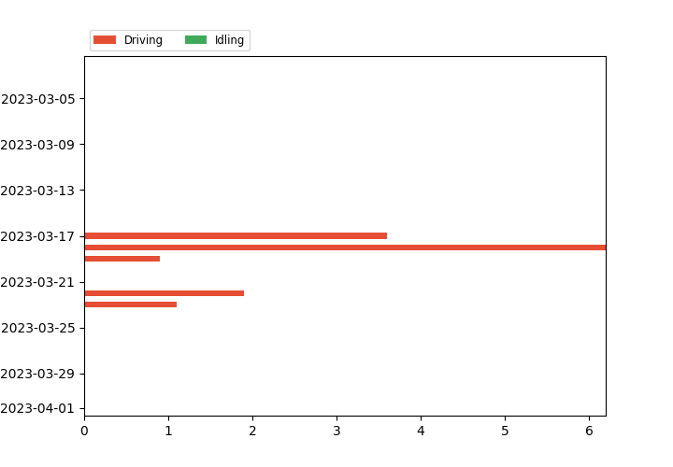
Utilization Report
2023-04-20 11:57:58 Africa/Luburrbashi
Assets: any Vehicle
From: 2023-03-03
To: 2023-03-31
Utilization Mode: 24 hours
Schedule: UTILIZATION REPORTS
273
Distance | Parked | Parked Percent | Driving | Driving Percent | Idling | Idling Percent | Total Hours
2023-03-03 | 0 | 23:59:59 | 100 | 00:00:00 | 0.0 | 00:00:00 | 0.0 | 23:59:59
2023-03-04 | 0 | 23:59:59 | 100 | 00:00:00 | 0.0 | 00:00:00 | 0.0 | 23:59:59
2023-03-05 | 0 | 23:59:59 | 100 | 00:00:00 | 0.0 | 00:00:00 | 0.0 | 23:59:59
2023-03-06 | 0 | 23:59:59 | 100 | 00:00:00 | 0.0 | 00:00:00 | 0.0 | 23:59:59
2023-03-07 | 0 | 23:59:59 | 100 | 00:00:00 | 0.0 | 00:00:00 | 0.0 | 23:59:59
2023-03-08 | 0 | 23:59:59 | 100 | 00:00:00 | 0.0 | 00:00:00 | 0.0 | 23:59:59
2023-03-09 | 0 | 23:59:59 | 100 | 00:00:00 | 0.0 | 00:00:00 | 0.0 | 23:59:59
2023-03-10 | 0 | 23:59:59 | 100 | 00:00:00 | 0.0 | 00:00:00 | 0.0 | 23:59:59
2023-03-11 | 0 | 23:59:59 | 100 | 00:00:00 | 0.0 | 00:00:00 | 0.0 | 23:59:59
2023-03-12 | 0 | 23:59:59 | 100 | 00:00:00 | 0.0 | 00:00:00 | 0.0 | 23:59:59
2023-03-13 | 0 | 23:59:59 | 100 | 00:00:00 | 0.0 | 00:00:00 | 0.0 | 23:59:59
2023-03-14 | 0 | 23:59:59 | 100 | 00:00:00 | 0.0 | 00:00:00 | 0.0 | 23:59:59
2023-03-15 | 0 | 23:59:59 | 100 | 00:00:00 | 0.0 | 00:00:00 | 0.0 | 23:59:59
2023-03-16 | 0 | 23:59:59 | 100 | 00:00:00 | 0.0 | 00:00:00 | 0.0 | 23:59:59
2023-03-17 | 27.8 | 23:07:31 | 96.4 | 00:52:28 | 3.6 | 00:00:00 | 0.0 | 23:59:59
2023-03-18 | 35.2 | 22:30:35 | 93.8 | 01:29:24 | 6.2 | 00:00:00 | 0.0 | 23:59:59
2023-03-19 | 0.7 | 23:47:00 | 99.1 | 00:12:59 | 0.9 | 00:00:00 | 0.0 | 23:59:59
2023-03-20 | 0 | 23:59:59 | 100 | 00:00:00 | 0.0 | 00:00:00 | 0.0 | 23:59:59
2023-03-21 | 0 | 23:59:59 | 100 | 00:00:00 | 0.0 | 00:00:00 | 0.0 | 23:59:59
2023-03-22 | 3.9 | 23:32:25 | 98.1 | 00:27:34 | 1.9 | 00:00:00 | 0.0 | 23:59:59
2023-03-23 | 1.9 | 23:43:59 | 98.9 | 00:16:00 | 1.1 | 00:00:00 | 0.0 | 23:59:59
2023-03-24 | 0 | 23:59:59 | 100 | 00:00:00 | 0.0 | 00:00:00 | 0.0 | 23:59:59
2023-03-25 | 0 | 23:59:59 | 100 | 00:00:00 | 0.0 | 00:00:00 | 0.0 | 23:59:59
2023-03-26 | 0 | 23:59:59 | 100 | 00:00:00 | 0.0 | 00:00:00 | 0.0 | 23:59:59
2023-03-27 | 0 | 23:59:59 | 100 | 00:00:00 | 0.0 | 00:00:00 | 0.0 | 23:59:59
2023-03-28 | 0 | 23:59:59 | 100 | 00:00:00 | 0.0 | 00:00:00 | 0.0 | 23:59:59
2023-03-29 | 0 | 23:59:59 | 100 | 00:00:00 | 0.0 | 00:00:00 | 0.0 | 23:59:59
2023-03-30 | 0 | 23:59:59 | 100 | 00:00:00 | 0.0 | 00:00:00 | 0.0 | 23:59:59
2023-03-31 | 0 | 23:59:59 | 100 | 00:00:00 | 0.0 | 00:00:00 | 0.0 | 23:59:59

