Sheet1
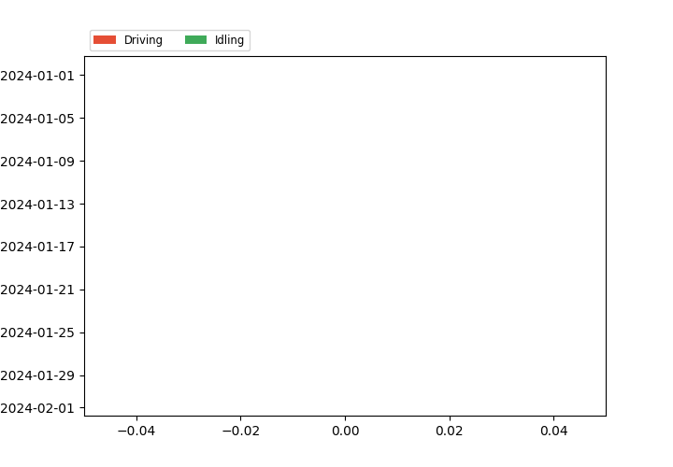
Utilization Report
2024-01-22 17:15:47 Africa/Luburrbashi
Assets: any Vehicle
From: 2024-01-01
To: 2024-01-31
Utilization Mode: 24 hours
Schedule: UTILIZATION REPORTS
361
Date | Distance | Parked | Parked Percent | Driving | Driving Percent | Idling | Idling Percent | Total Hours
2024-01-01 | 0 | 23:59:59 | 100 | 00:00:00 | 0.0 | 00:00:00 | 0.0 | 23:59:59
2024-01-02 | 0 | 23:59:59 | 100 | 00:00:00 | 0.0 | 00:00:00 | 0.0 | 23:59:59
2024-01-03 | 0 | 23:59:59 | 100 | 00:00:00 | 0.0 | 00:00:00 | 0.0 | 23:59:59
2024-01-04 | 0 | 23:59:59 | 100 | 00:00:00 | 0.0 | 00:00:00 | 0.0 | 23:59:59
2024-01-05 | 0 | 23:59:59 | 100 | 00:00:00 | 0.0 | 00:00:00 | 0.0 | 23:59:59
2024-01-06 | 0 | 23:59:59 | 100 | 00:00:00 | 0.0 | 00:00:00 | 0.0 | 23:59:59
2024-01-07 | 0 | 23:59:59 | 100 | 00:00:00 | 0.0 | 00:00:00 | 0.0 | 23:59:59
2024-01-08 | 0 | 23:59:59 | 100 | 00:00:00 | 0.0 | 00:00:00 | 0.0 | 23:59:59
2024-01-09 | 0 | 23:59:59 | 100 | 00:00:00 | 0.0 | 00:00:00 | 0.0 | 23:59:59
2024-01-10 | 0 | 23:59:59 | 100 | 00:00:00 | 0.0 | 00:00:00 | 0.0 | 23:59:59
2024-01-11 | 0 | 23:59:59 | 100 | 00:00:00 | 0.0 | 00:00:00 | 0.0 | 23:59:59
2024-01-12 | 0 | 23:59:59 | 100 | 00:00:00 | 0.0 | 00:00:00 | 0.0 | 23:59:59
2024-01-13 | 0 | 23:59:59 | 100 | 00:00:00 | 0.0 | 00:00:00 | 0.0 | 23:59:59
2024-01-14 | 0 | 23:59:59 | 100 | 00:00:00 | 0.0 | 00:00:00 | 0.0 | 23:59:59
2024-01-15 | 0 | 23:59:59 | 100 | 00:00:00 | 0.0 | 00:00:00 | 0.0 | 23:59:59
2024-01-16 | 0 | 23:59:59 | 100 | 00:00:00 | 0.0 | 00:00:00 | 0.0 | 23:59:59
2024-01-17 | 0 | 23:59:59 | 100 | 00:00:00 | 0.0 | 00:00:00 | 0.0 | 23:59:59
2024-01-18 | 0 | 23:59:59 | 100 | 00:00:00 | 0.0 | 00:00:00 | 0.0 | 23:59:59
2024-01-19 | 0 | 23:59:59 | 100 | 00:00:00 | 0.0 | 00:00:00 | 0.0 | 23:59:59
2024-01-20 | 0 | 23:59:59 | 100 | 00:00:00 | 0.0 | 00:00:00 | 0.0 | 23:59:59
2024-01-21 | 0 | 23:59:59 | 100 | 00:00:00 | 0.0 | 00:00:00 | 0.0 | 23:59:59
2024-01-22 | 0 | 23:59:59 | 100 | 00:00:00 | 0.0 | 00:00:00 | 0.0 | 23:59:59
2024-01-23 | 0 | 23:59:59 | 100 | 00:00:00 | 0.0 | 00:00:00 | 0.0 | 23:59:59
2024-01-24 | 0 | 23:59:59 | 100 | 00:00:00 | 0.0 | 00:00:00 | 0.0 | 23:59:59
2024-01-25 | 0 | 23:59:59 | 100 | 00:00:00 | 0.0 | 00:00:00 | 0.0 | 23:59:59
2024-01-26 | 0 | 23:59:59 | 100 | 00:00:00 | 0.0 | 00:00:00 | 0.0 | 23:59:59
2024-01-27 | 0 | 23:59:59 | 100 | 00:00:00 | 0.0 | 00:00:00 | 0.0 | 23:59:59
2024-01-28 | 0 | 23:59:59 | 100 | 00:00:00 | 0.0 | 00:00:00 | 0.0 | 23:59:59
2024-01-29 | 0 | 23:59:59 | 100 | 00:00:00 | 0.0 | 00:00:00 | 0.0 | 23:59:59
2024-01-30 | 0 | 23:59:59 | 100 | 00:00:00 | 0.0 | 00:00:00 | 0.0 | 23:59:59
2024-01-31 | 0 | 23:59:59 | 100 | 00:00:00 | 0.0 | 00:00:00 | 0.0 | 23:59:59

