AccountOverview
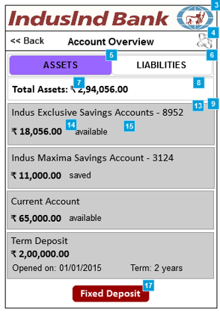
# | Item Name | Kony Widget Type | Description | Actionable/Editable | Reference (Based on TS document) | Service
3 | Account Overview | Form | Account Overview page
4 | Payment/Transfer | Image | Payment / Transfer image | Yes | Clickable icon. Navigate toe Payment/Transfer form. If the icon is clicked from account details page, select the appropriate account by default in Account combo.
5 | Assets tab | Tab | Assets tab that will display all that the customer owns | Yes | On click, display all the accounts belonging to Assets along with the total value (after adding assets value)
6 | Liabilities tab | Tab | Liabilities tab that will display only what the customers owe to bank | Yes | On click, display all the accounts belonging to Liabilities along with the total value (after adding total value)
7 | Total Assets label | Label | Total Assets label | No | Static Value
8 | Total Assets value | Label | Total Assets value in rupee | No | the value will be sum of all the amount from AccountDetailsFromCore service (which belongs to assets based on account_type).
9 | Individual Assets | Segment | Individual Assets grouped by asset type | Yes | segmented record in the UI. Each record will be based on output from AccountDetailsFromCore service.
10 | Total Liabilities label | Label | Total Liabilities label | No | Static Value
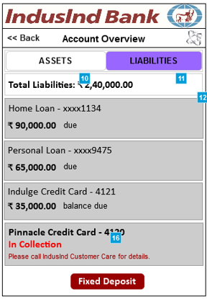
11 | Total Liabilities value | Label | Total Liabilities value | No | the value will be sum of all the amount from Liabilities section (which belongs to liability based on account_type).
12 | Individual Liabilities | Segment | Individual liabilities grouped by liability type | Yes | Tapping will take to Account Enquiry grid page for the tapped liability type
13 | Asset Name | Label | Asset Name concatenated with last 4-digit of the account/card number | No | ???
14 | Balance Amount | Label | Balance for the asset type | No | the amount as received from service response for each account that customer holds.
15 | Available label | Label | Available label | No | Static text based on the account type. For savings account, it will be available, etc. To be confirmed
16 | In Collection notification | Label | In Collection notification in case if a liability is over-due for a long time then the details will not be displayed | No | ???
17 | Fixed Deposit | Button | Fixed Deposit button | Yes | Tapping will take to Fixed Deposits page

Preshow: AccountDetailsFromCore,

AccountDetails
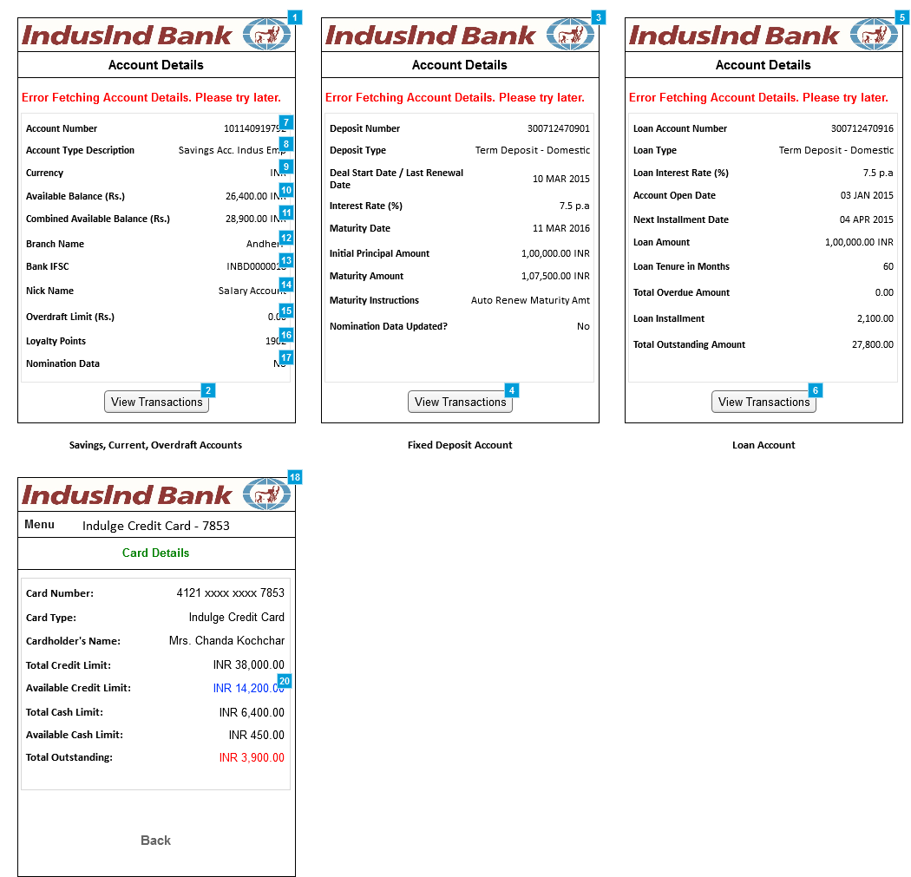
# | Item Name | Kony Widget Type | Description | Actionable/Editable | Reference | Service
1 | Account Details | Form | Account Details page | No
2 | View Transactions button | Button | View Transactions button | Yes | Onclick will take to Account Enquiry page
3 | Account Details | Form | Account Details page | NO
4 | View Transactions button | Button | View Transactions button | Yes | On click will take to Account Enquiry page
5 | Account Details | Form | Account Details page | NO
6 | View Transactions button | Button | View Transactions button | Yes | On click will take to Account Enquiry page
7 | Account no. | Label | Account no. | NO | Static text based on the account no.
8 | Account Type | Label | Account Type | NO | Static text based on the account type.
9 | Currency | Label | Currency | NO | Static text
10 | Available Balance | Label | Available Balance | NO | Static value
11 | Combined Available Balance | Label | Combined Available Balance = Available balance from savings/current/Overdraft account + FD | NO | Static value
12 | Branch Name | Label | Branch Name - where the customer has opened the account | NO | Static value
13 | Bank IFSC | Label | Bank IFSC - In recent change, there is no more IFSC by branch but has been moved up at Bank level. Which mean, each bank will have just one IFSC | NO | Static value
14 | Nick Name | Label | Nick Name for the account given by the customer | NO | ??
15 | Overdraft Limit | Label | Overdraft Limit - the amount that a customer can withdraw even if the available balance is zero (0.00). | No | Static value
 |  |  | This limit will depend on the customer's banking history and account type
16 | Loyalty Points | Label | Loyalty Points earned by using the debit card | No | Static value
17 | Nomination Data | Label | Nomination Data - in case if customer has specified any nominee while opening the account | No | Static value
18 | Split Payment Confirmation | Form | Split Payment Confirmation page | No | Static value
20 | Available Credit Limit | Link | Available Credit Limit - will appear as a hyperlink | Yes | On click will navigate to Unbilled Transactions page
 | Total out standing amount -Loan | Label |  | NO | ??

Preshow: AccountDetailsByAccountNumber_FDRD, AccountDetailsByAccountNumber_LAA ,AccountDetailsByAccountNumber_CASA

Account Enquiry - Grid View
Preshow: AccountDetailsFromCoreWithCustomTags

# | Item Name | Kony Widget Type | Description | Actionable/Editable | Reference | Service
1 | Account Inquiry grid | Form | Account Inquiry grid | No
3 | Last 10 Transaction | List Box | Transaction options, | Yes | Customer can change the selection
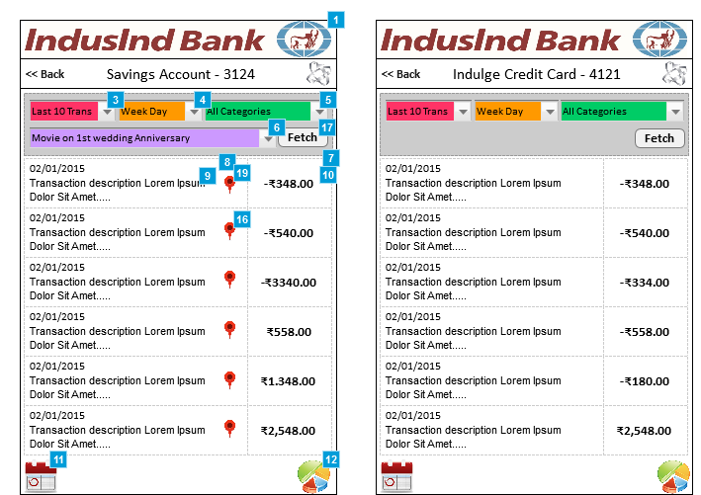
 |  |  | Last 10 Trans |  | Last 10 transactions will be displayed. (Transactions beyond three months will not be displayed)
 |  |  | Custom Fetch |  | In case of custom fetch, date range option will be displayed.
4 | Date & Time option | List Box | Date & Time option which will display, | Yes | Customer can change the selection to filter the transactions by day-time.
 |  |  | Week Day |  | List of all transactions based on the selection will be displayed for the last three months with lazy loading effect
 |  |  | Week Night
 |  |  | Weekend Day
 |  |  | Weekend Night
5 | Transaction Categories | List Box | Transaction Categories - Bank assigned and pre-defined as provided by the backend | Yes | Customer can change the selection to filter the transactions by categories
6 | Tags | List Box | List of all custom tags identified in the queried transactions provided by CBS will be populated | Yes | List of all transactions based on the selection will be displayed for the last three months with lazy loading
7 | Transaction grid | Segment | Transaction grid that displays all transactions made on a chosen account/asset-type. At a time there will only be 10 transactions that will get displayed. | No | Scroll to load more transactions.Maximum of 50 transactions can be displayed.
8 | Transaction Date | Label | Transaction Date in DD/MM/YYYY format | No
9 | Transaction Short Description | Label | Transaction Short Description - Fixed length | No
10 | Transaction amount | Label | Transaction amount - debits will be displayed in red and all credits will be displayed in green color | No
11 | Calendar view icon | Image | Calendar view icon | Yes | On click will take to calendar view of account inquiry
12 | Chart view icon | Image | Chart view icon | Yes | On click will take to chart view of account inquiry
16 | Tagging a transaction | Image | Customers can tag a transaction with their own comment | Yes | On click will open a popup where customer can enter the tag text for a transaction | UpdateTagAgasintTransaction
17 | Fetch button | Button | Fetch button to apply the filter criteria | Yes | On click will send the filter criteria to backend and will fetch the transactions based on the criteria
19 | Custom Tagging | Image | Custom Tagging - customer can tag a particular transaction and once a transaction is tagged, the transaction cannot be tagged again | Yes

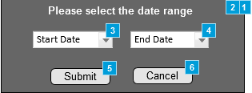
# | Item Name | Kony Widget Type | Description | Actionable/Editable | Reference | Service
1 | Date Selection Popup | Form | Date Selection Popup | No
2 | Popup header | Label | Popup header | No
3 | Start Date Selector | List Box | Start Date Selector | Yes | Tap to select a start date
4 | End Date Selector | List Box | End Date Selector | Yes | Tap to select an end date
5 | Submit button | Button | Submit button | Yes | Tapping will close the popup and will refresh the transactions listing as per the date range selected
6 | Cancel button | Button | Cancel button | Yes | Close the pop up

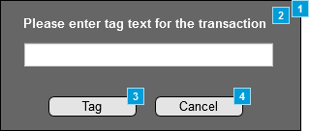
# | Item Name | Kony Widget Type | Description | Actionable/Editable | Reference | Service
1 | Tagging Popup | Form | Date Selection Popup | No
2 | Popup header | Label | Popup header | NO
3 | Submit button | Button | Submit button | Yes | Services call | UpdateTagAgasintTransaction
4 | Submit button | Button | Submit button | Yes | Close the pop up

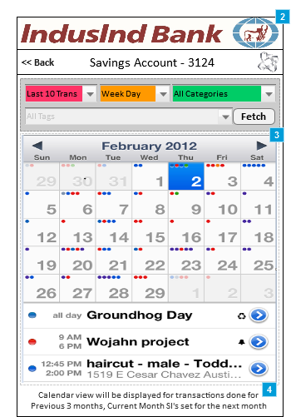
# | Item Name | Kony Widget Type | Description | Actionable/Editable | Reference | Service
2 | Account Enquiry - Calendar view | Form | Account Enquiry - Calendar view | No
3 | Calendar view | Calendar | Calendar view - by default it will display current month and customers can go back to 3 months. Current month SI's set for next month | Yes | Tapping Left and Right arrows will move the calendar month back (up to 3 months) and forth (up to current month)
4 | Instruction label | Label | Instruction label | No

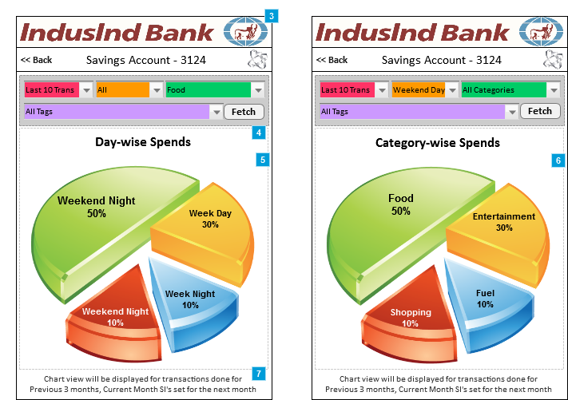
# | Item Name | Kony Widget Type | Description | Actionable/Editable | Reference | Service
3 | Account Enquiry - Chart view | Image | Account Inquiry - Chart view
4 | Page title | Label | Page title
5 | Chart by Day and Time of spends | Chart | Chart by Day and Time of spends
6 | Chart by Category of spends | Chart | Chart by Category of spends
7 | Instruction label | Label | Instruction label

