GROW
ani | Clusters | Total Genomes | Singletons
99 | 4563 | 4829 | 4485
98 | 4208 | 5282 | 3894
97 | 3646 | 5663 | 3084
96 | 3387 | 5875 | 2710
95 | 3288 | 6160 | 2543
94 | 3242 | 6442 | 2469
93 | 3204 | 6618 | 2406
92 | 3165 | 6748 | 2337
91 | 3134 | 6864 | 2278
90 | 3085 | 7096 | 2219
89 | 3040 | 7378 | 2158
88 | 2985 | 7664 | 2091
87 | 2923 | 8040 | 2009
86 | 2843 | 8921 | 1926
85 | 2742 | 9649 | 1810

GROW + GTDB ANI clustering
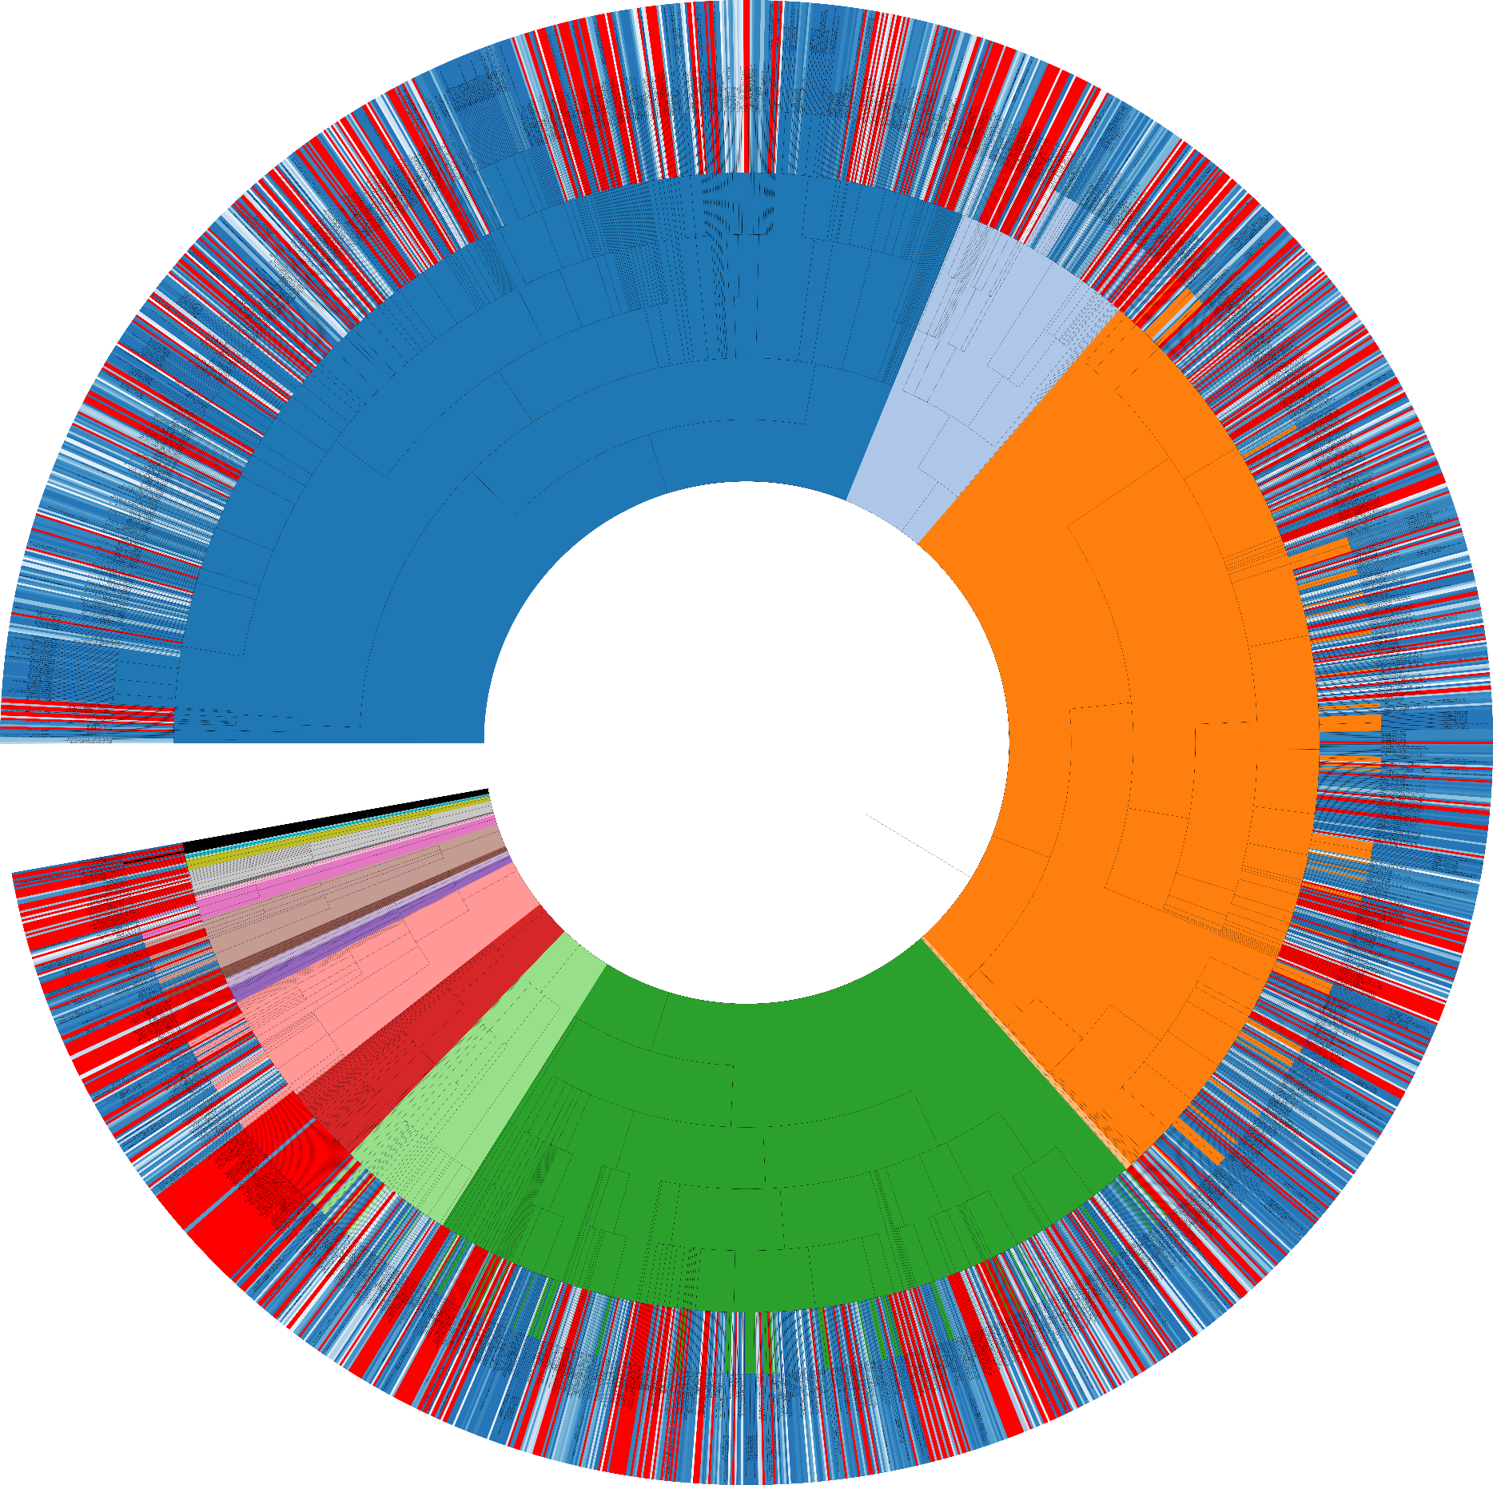

 |  |  |  | X

cliff
ani | Clusters | Total Genomes | Singletons
99 | 310 | 367 | 283
98 | 310 | 486 | 250
MAGS + GTDB ANI clustering
97 | 309 | 539 | 231
96 | 301 | 575 | 215
95 | 298 | 582 | 210
94 | 293 | 585 | 203
93 | 292 | 591 | 200
92 | 290 | 605 | 197
91 | 288 | 639 | 192
90 | 287 | 672 | 187
89 | 286 | 714 | 182
88 | 284 | 747 | 179
87 | 282 | 815 | 175
86 | 278 | 895 | 170
85 | 268 | 944 | 159
84 | 266 | 999 | 151
83 | 263 | 1055 | 148
82 | 260 | 1157 | 144
81 | 249 | 1360 | 137
80 | 240 | 1630 | 121
79 | 219 | 2211 | 97
78 | 199 | 3720 | 71
77 | 175 | 12809 | 53
76 | 167 | 19546 | 48
75 | 150 | 21566 | 44
74 | 137 | 22177 | 39
73 | 137 | 22177 | 39
72 | 137 | 22177 | 39
71 | 137 | 22177 | 39
70 | 137 | 22177 | 39

