Sheet1
 | Min rectangle area | Max rectangle area
Small object | 0×0 | 32×32
Medium object | 32×32 | 96×96
Large object | 96×96 | ∞×∞

IObject Images|Total |Matched|Average |Average Count||Object|Anchors matchinglmax AreaanchorsIoU small ||41.43%|51.82%|1.23%|29.96%|1.00|0.29
medium |34.32%|70.07% |10.18%|25.54% |1.03 |0.57
large |24.24%|82.28%|88.59%|44.49%|2.54 |0.66

 |  |  |  | Object count | Images | Total object area | Matched anchors | Average matching anchors | average max IoU
 |  |  | small | 41.43% | 51.82% | 1.23% | 29.96% | 1 | 0.29
 |  |  | medium
 |  |  | large

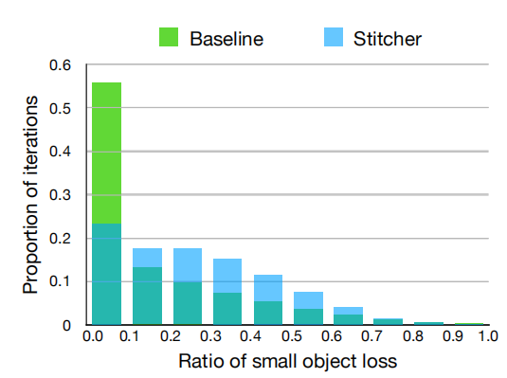

 |  |  |  | ration of small object loss | proportion of iterations
 |  |  |  | 0.0 | 0.56
 |  |  |  | 0.1 | 0.13
 |  |  |  | 0.2 | 0.11
 |  |  |  | 0.3 | 0.07
 |  |  |  | 0.4 | 0.05
 |  |  |  | 0.5 | 0.03
 |  |  |  | 0.6 | 0.02
 |  |  |  | 0.7 | 0.01
 |  |  |  | 0.8 | 0.009
 |  |  |  | 0.9 | 0.008
 |  |  |  | 1 | 0.003

