Munka1
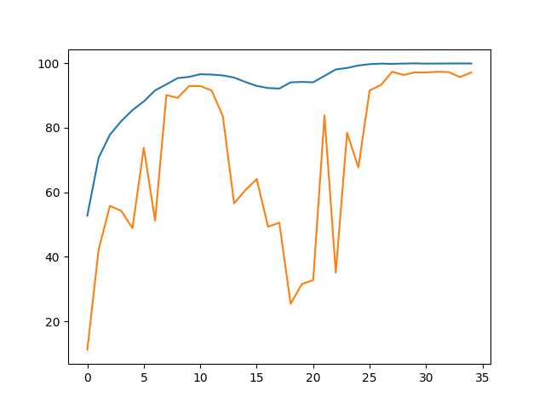
State | Seed | Epochs | Best train acc | In Epoch | Best val acc | In Epoch | Avg train time | Avg val time | Path to script

Önlab 1. vége | 42 | 31 | 99.76% | 31 | 92.60% | 30 | 26.29 | 4.38 | Link
5 sec spectogram | 42 | 35 | 98.76% | 31 | 91.78% | 32 | 16.12 | 2.15 | Link
6 sec spectogram 3s overlap | 42 | 35 | 99.92% | 30 | 97.33% | 32 | 26.71 | 2.21 | Link

