layers_lin
Illustration of layers in a NN with linear activation function

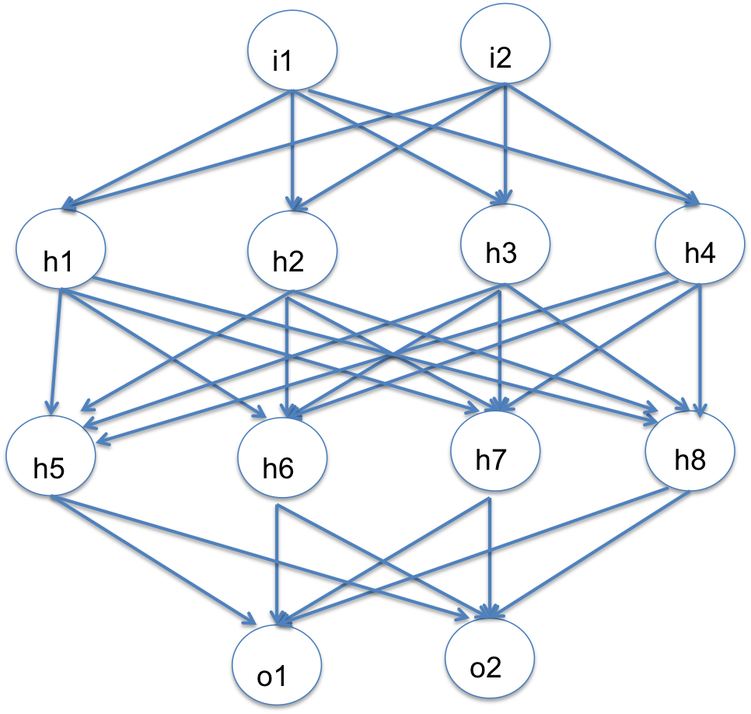
 |  | i1 | i2
 |  | 2 | 3 |  |  | inputs

 |  | h1 | h2 | h3 | h4
 | i1 | -1.107 | 1.266 | 0.313 | -0.277 | weights for hidden layer 1
 | i2 | 1.564 | 1.664 | -1.270 | -1.349

 |  | h1 | h2 | h3 | h4
 |  | 2.477 | 7.525 | -3.185 | -4.601 | (linear) outputs of 1st hidden layer

 |  | h5 | h6 | h7 | h8
 | h1 | 0.434 | 0.605 | -0.356 | 0.463 | weights for hidden layer 2
 | h2 | 0.962 | 0.296 | 0.456 | -0.903
 | h3 | -0.186 | 0.618 | 1.070 | -0.669
 | h4 | -0.009 | 0.509 | 0.514 | 0.575

 |  | h5 | h6 | h7 | h8
 |  | 8.949 | -0.584 | -3.225 | -6.166 | (linear) outputs of 2nd hidden layer

 |  |  | o1 | o2
 |  | h5 | -0.447 | -0.145 |  | weights for output layer
 |  | h6 | 0.034 | -1.864
 |  | h7 | -0.168 | 0.227
 |  | h8 | -1.022 | 0.113

 |  |  | o1 | o2 |  | (linear) outputs of output layer
 |  |  | 2.822 | -1.641

adapted from Jeremy Howard & Rachel Thomas' fast.ai course Part 1
https://github.com/fastai/courses/tree/master/deeplearning1/excel

backprop
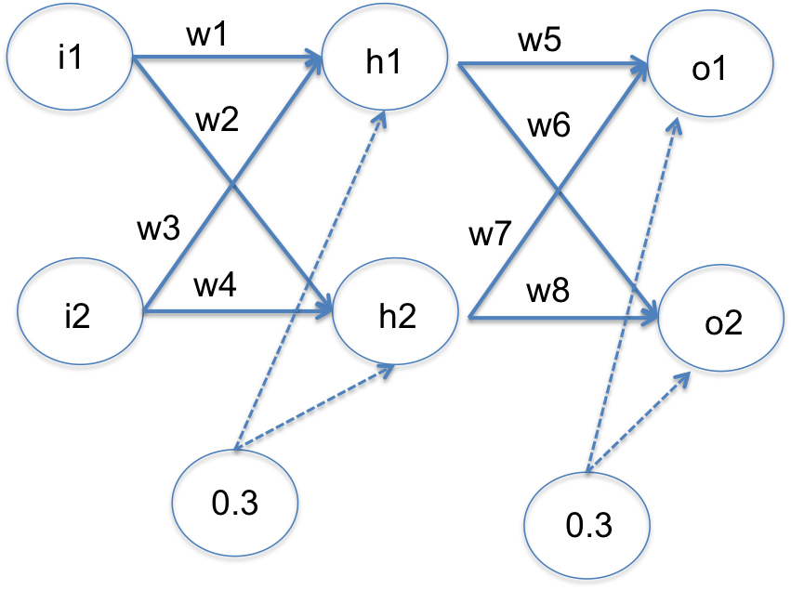
Example of backpropagation calculations for a NN with linear activation functions
 |  |  |  |  |  |  |  |  |  |  |  | Adapted from Matt Mazur's tutorial: https://mattmazur.com/2015/03/17/a-step-by-step-backpropagation-example/

 | INPUTS |  |  | TARGETS |  |  | LEARNING RATE
 | i1 | 0.05 |  | t1 | 0.01 |  | LR | 0.5
 | i2 | 0.1 |  | t2 | 0.99

 | Weights for hidden layer |  |  |  |  | Outputs of hidden layer |  | Weights for output layer |  |  |  |  | Outputs of output layer |  | Errors |  |  | dE/do: derivatives of error wrt each output neuron |  |  |  | do/dw: derivatives of each output neuron wrt each weight in output layer |  |  |  |  | dE/dw = dE/do * do/dw: derivatives of error wrt weights in output layer |  |  |  | Updated weights for output layer in next step |  |  |  | dE/dh = dE(o1)/dh + dE(o2)/dh: derivatives of error wrt outputs of hidden layer |  |  |  |  |  | dh/dw: derivatives of outputs of hidden layer wrt weights in hidden layer |  |  |  | dE/dw = dE/dh * dh/dw: derivatives of error wrt weights in the hidden layer |  |  |  | Updated weights for hidden layer in next step
 | w1 | w2 | w3 | w4 | b1 | h1 | h2 | w5 | w6 | w7 | w8 | b2 | o1 | o2 | e1^2 | e2^2 | E | E(o1+0.01) | dE/do1 | E(o2+0.01) | dE/do2 | o1(w5+0.01) | do1/ dw5 | do1/ dw7 | do2/ dw6 | do2/ dw8 | dE/dw5 | dE/dw6 | dE/dw7 | dE/dw8 | w5* | w6* | w7* | w8* | dE(o1)/dh1 | dE(o2)/dh1 | dE/dh1 | dE(o1)/dh2 | dE(o2)/dh2 | dE/dh2 | dh1/dw1 | dh1/dw3 | dh2/dw2 | dh2/dw4 | dE/dw1 | dE/dw2 | dE/dw3 | dE/dw4 | w1* | w2* | w3* | w4*
 | 0.15 | 0.2 | 0.25 | 0.3 | 0.3 | 0.3325 | 0.34 | 0.4 | 0.45 | 0.5 | 0.58 | 0.3 | 0.603 | 0.646825 | 0.351649 | 0.11776908063 | 0.46941808063 | 0.48137808062 | 1.196 | 0.46265458062 | -0.67635 | 0.606325 | 0.3325 | 0.34 | 0.3325 | 0.34 | 0.39767 | -0.224886375 | 0.40664 | -0.229959 | 0.201165 | 0.5624431875 | 0.29668 | 0.6949795 | 0.4784 | -0.3043575 | 0.1740425 | 0.598 | -0.392283 | 0.205717 | 0.05 | 0.1 | 0.05 | 0.1 | 0.0087 | 0.0103 | 0.0174 | 0.0206 | 0.1456 | 0.1949 | 0.2413 | 0.2897
 | 0.1456489375 | 0.194857075 | 0.241297875 | 0.28971415 | 0.3 | 0.33141223438 | 0.33871426875 | 0.201165 | 0.5624431875 | 0.29668 | 0.6949795 | 0.3 | 0.46715829138 | 0.72180002662 | 0.20899370338 | 0.071931225723 | 0.2809249291 | 0.29016809493 | 0.92431658276 | 0.27566092963 | -0.52639994677 | 0.47047241372 | 0.33141223438 | 0.33871426875 | 0.33141223438 | 0.33871426875 | 0.30632982396 | -0.17445538253 | 0.31307921542 | -0.17829917304 | 0.048000088019 | 0.64967087877 | 0.14014039229 | 0.78412908652 | 0.18594014537 | -0.29607006396 | -0.11012991859 | 0.27422624377 | -0.3658371718 | -0.09161092803 | 0.05 | 0.1 | 0.05 | 0.1 | -0.0055 | -0.0046 | -0.0110 | -0.0092 | 0.1484 | 0.1971 | 0.2468 | 0.2943
 | 0.14840218546 | 0.1971473482 | 0.24680437093 | 0.2942946964 | 0.3 | 0.33210054637 | 0.33928683705 | 0.048000088019 | 0.64967087877 | 0.14014039229 | 0.78412908652 | 0.3 | 0.3634886459 | 0.7818007314 | 0.12495422278 | 0.043346935445 | 0.16830115822 | 0.17547093114 | 0.7169772918 | 0.16423717285 | -0.4063985372 | 0.36680965136 | 0.33210054637 | 0.33928683705 | 0.33210054637 | 0.33928683705 | 0.23810855034 | -0.13496517625 | 0.24326095757 | -0.13788567427 | -0.071054187151 | 0.71715346689 | 0.018509913503 | 0.85307192365 | 0.034414973114 | -0.26402529479 | -0.22961032168 | 0.10047747893 | -0.31866891374 | -0.2181914348 | 0.05 | 0.1 | 0.05 | 0.1 | -0.0115 | -0.0109 | -0.0230 | -0.0218 | 0.1541 | 0.2026 | 0.2583 | 0.3052
 | 0.15414244351 | 0.20260213407 | 0.25828488701 | 0.30520426814 | 0.3 | 0.33353561088 | 0.34065053352 | -0.071054187151 | 0.71715346689 | 0.018509913503 | 0.85307192365 | 0.3 | 0.28260631019 | 0.82979562559 | 0.074314200357 | 0.025665441579 | 0.099979641937 | 0.10553176814 | 0.55521262039 | 0.096875554448 | -0.31040874881 | 0.2859416663 | 0.33353561088 | 0.34065053352 | 0.33353561088 | 0.34065053352 | 0.18518318051 | -0.10353237166 | 0.18913347535 | -0.10574090589 | -0.1636457774 | 0.76891965272 | -0.076056824173 | 0.9059423766 | -0.039450181437 | -0.22261071037 | -0.2620608918 | 0.010276937579 | -0.26480098847 | -0.25452405089 | 0.05 | 0.1 | 0.05 | 0.1 | -0.0131 | -0.0127 | -0.0262 | -0.0255 | 0.1607 | 0.2090 | 0.2714 | 0.3179
 | 0.1606939658 | 0.20896523534 | 0.2713879316 | 0.31793047069 | 0.3 | 0.33517349145 | 0.34224130884 | -0.1636457774 | 0.76891965272 | -0.076056824173 | 0.9059423766 | 0.3 | 0.21912048638 | 0.86777238934 | 0.043731377822 | 0.014939588807 | 0.058670966629 | 0.062953376356 | 0.42824097275 | 0.056326414416 | -0.23445522131 | 0.22247222129 | 0.33517349145 | 0.34224130884 | 0.33517349145 | 0.34224130884 | 0.14353502202 | -0.078583175116 | 0.14656175101 | -0.080240261806 | -0.23541328841 | 0.80821124028 | -0.14933769968 | 0.9460625075 | -0.070079826902 | -0.18027722735 | -0.25035705425 | -0.032570648368 | -0.2124029204 | -0.24497356877 | 0.05 | 0.1 | 0.05 | 0.1 | -0.0125 | -0.0122 | -0.0250 | -0.0245 | 0.1670 | 0.2151 | 0.2839 | 0.3302
 | 0.16695289216 | 0.21508957456 | 0.28390578432 | 0.33017914912 | 0.3 | 0.33673822304 | 0.34377239364 | -0.23541328841 | 0.80821124028 | -0.14933769968 | 0.9460625075 | 0.3 | 0.1693891691 | 0.89738578963 | 0.025404907227 | 0.0085773919627 | 0.033982299189 | 0.037270082571 | 0.3287783382 | 0.032230014982 | -0.17522842074 | 0.17275655133 | 0.33673822304 | 0.34377239364 | 0.33673822304 | 0.34377239364 | 0.11071223338 | -0.059006107027 | 0.1130249163 | -0.060238693632 | -0.2907694051 | 0.83771429379 | -0.20585015783 | 0.97618185432 | -0.077398789755 | -0.14162157926 | -0.21902036901 | -0.049099000731 | -0.16577703911 | -0.21487603984 | 0.05 | 0.1 | 0.05 | 0.1 | -0.0110 | -0.0107 | -0.0219 | -0.0215 | 0.1724 | 0.2205 | 0.2949 | 0.3409
 | 0.17242840138 | 0.22046147556 | 0.29485680277 | 0.34092295112 | 0.3 | 0.33810710035 | 0.34511536889 | -0.2907694051 | 0.83771429379 | -0.20585015783 | 0.97618185432 | 0.3 | 0.13064674642 | 0.92013251155 | 0.014555637421 | 0.0048814659426 | 0.019437103363 | 0.021950038292 | 0.25129349283 | 0.018139753594 | -0.1297349769 | 0.13402781742 | 0.33810710035 | 0.34511536889 | 0.33810710035 | 0.34511536889 | 0.084964114197 | -0.043864316855 | 0.086725246478 | -0.044773534412 | -0.3332514622 | 0.85964645222 | -0.24921278107 | 0.99856862152 | -0.073068459417 | -0.10868084456 | -0.18174930397 | -0.051728805161 | -0.12664493032 | -0.17837373549 | 0.05 | 0.1 | 0.05 | 0.1 | -0.0091 | -0.0089 | -0.0182 | -0.0178 | 0.1770 | 0.2249 | 0.3039 | 0.3498
 | 0.17697213398 | 0.22492081895 | 0.30394426797 | 0.34984163789 | 0.3 | 0.3392430335 | 0.34623020474 | -0.3332514622 | 0.85964645222 | -0.24921278107 | 0.99856862152 | 0.3 | 0.10066177083 | 0.93736368846 | 0.0082195566907 | 0.0027705812928 | 0.010990137983 | 0.0129033734 | 0.19132354167 | 0.010037411753 | -0.095272623085 | 0.10405420117 | 0.3392430335 | 0.34623020474 | 0.3392430335 | 0.34623020474 | 0.064905178654 | -0.032320573664 | 0.066241989002 | -0.032986259796 | -0.36570405153 | 0.87580673905 | -0.28233377557 | 1.0150617514 | -0.063758850014 | -0.081900772428 | -0.14565962244 | -0.047680271903 | -0.095136251903 | -0.14281652381 | 0.05 | 0.1 | 0.05 | 0.1 | -0.0073 | -0.0071 | -0.0146 | -0.0143 | 0.1806 | 0.2285 | 0.3112 | 0.3570
 | 0.18061362454 | 0.22849123204 | 0.31122724909 | 0.35698246408 | 0.3 | 0.34015340614 | 0.34712280801 | -0.36570405153 | 0.87580673905 | -0.28233377557 | 1.0150617514 | 0.3 | 0.077600028263 | 0.95025973086 | 0.0045697638212 | 0.0015792889912 | 0.0061490528123 | 0.0076010533776 | 0.14520005653 | 0.0054542474296 | -0.069480538276 | 0.081001562324 | 0.34015340614 | 0.34712280801 | 0.34015340614 | 0.34712280801 | 0.049390293798 | -0.023634041755 | 0.050402251345 | -0.024118279548 | -0.39039919843 | 0.88762375993 | -0.30753490124 | 1.0271208912 | -0.053100248954 | -0.060851523655 | -0.11395177261 | -0.040994880172 | -0.070527036872 | -0.11152191704 | 0.05 | 0.1 | 0.05 | 0.1 | -0.0057 | -0.0056 | -0.0114 | -0.0112 | 0.1835 | 0.2313 | 0.3169 | 0.3626
 | 0.18346241886 | 0.23127927997 | 0.31692483772 | 0.36255855993 | 0.3 | 0.34086560471 | 0.34781981999 | -0.39039919843 | 0.88762375993 | -0.30753490124 | 1.0271208912 | 0.3 | 0.059959607157 | 0.95981341317 | 0.0024959623472 | 0.0009112300243 | 0.0034071923715 | 0.0045063845147 | 0.10991921431 | 0.002903460635 | -0.050373173655 | 0.063368263204 | 0.34086560471 | 0.34781981999 | 0.34086560471 | 0.34781981999 | 0.037467679457 | -0.017170482299 | 0.038232081336 | -0.017520788193 | -0.40913303816 | 0.89620900108 | -0.32665094191 | 1.0358812853 | -0.04291237316 | -0.044712425799 | -0.087624798959 | -0.033803994718 | -0.051739339017 | -0.085543333736 | 0.05 | 0.1 | 0.05 | 0.1 | -0.0044 | -0.0043 | -0.0088 | -0.0086 | 0.1857 | 0.2334 | 0.3213 | 0.3668
 | 0.18565303883 | 0.23341786331 | 0.32130607767 | 0.36683572662 | 0.3 | 0.34141325971 | 0.34835446583 | -0.40913303816 | 0.89620900108 | -0.32665094191 | 1.0358812853 | 0.3 | 0.046526241408 | 0.96683150824 | 0.0013341663114 | 0.0005367790106 | 0.001870945322 | 0.0027014701501 | 0.083052482815 | 0.0015075754867 | -0.036336983527 | 0.049940374005 | 0.34141325971 | 0.34835446583 | 0.34141325971 | 0.34835446583 | 0.028355218885 | -0.012405927994 | 0.028931703287 | -0.012658150486 | -0.4233106476 | 0.90241196507 | -0.34111679355 | 1.0422103605 | -0.033979514621 | -0.032565531709 | -0.06654504633 | -0.02712917174 | -0.0376408012 | -0.064769972939 | 0.05 | 0.1 | 0.05 | 0.1 | -0.0033 | -0.0032 | -0.0067 | -0.0065 | 0.1873 | 0.2350 | 0.3246 | 0.3701
 | 0.18731666499 | 0.23503711263 | 0.32463332998 | 0.37007422527 | 0.3 | 0.34182916625 | 0.34875927816 | -0.4233106476 | 0.90241196507 | -0.34111679355 | 1.0422103605 | 0.3 | 0.03633242758 | 0.97195126266 | 0.00069339674227 | 0.00032575691946 | 0.0010191536617 | 0.0016458022133 | 0.06266485516 | 0.00075817891499 | -0.026097474674 | 0.039750719243 | 0.34182916625 | 0.34875927816 | 0.34182916625 | 0.34875927816 | 0.021420675193 | -0.008920878009 | 0.021854949652 | -0.0091017364291 | -0.4340209852 | 0.90687240408 | -0.35204426838 | 1.0467612288 | -0.02652670042 | -0.023550673404 | -0.050077373824 | -0.021376034461 | -0.027199058489 | -0.04857509295 | 0.05 | 0.1 | 0.05 | 0.1 | -0.0025 | -0.0024 | -0.0050 | -0.0049 | 0.1886 | 0.2363 | 0.3271 | 0.3725
 | 0.18856859934 | 0.23625148996 | 0.32713719867 | 0.37250297991 | 0.3 | 0.34214214983 | 0.34906287249 | -0.4340209852 | 0.90687240408 | -0.35204426838 | 1.0467612288 | 0.3 | 0.028617543488 | 0.97566475527 | 0.00034661292554 | 0.00020549924133 | 0.00055211216687 | 0.0010244630366 | 0.047235086977 | 0.00036540727237 | -0.01867048945 | 0.032038964987 | 0.34214214983 | 0.34906287249 | 0.34214214983 | 0.34906287249 | 0.016161114206 | -0.006387961399 | 0.016488015142 | -0.0065171746783 | -0.4421015423 | 0.91006638478 | -0.36028827595 | 1.0500198161 | -0.020501018986 | -0.016931751653 | -0.037432770639 | -0.016628841637 | -0.019543544478 | -0.036172386115 | 0.05 | 0.1 | 0.05 | 0.1 | -0.0019 | -0.0018 | -0.0037 | -0.0036 | 0.1895 | 0.2372 | 0.3290 | 0.3743

