Sheet1
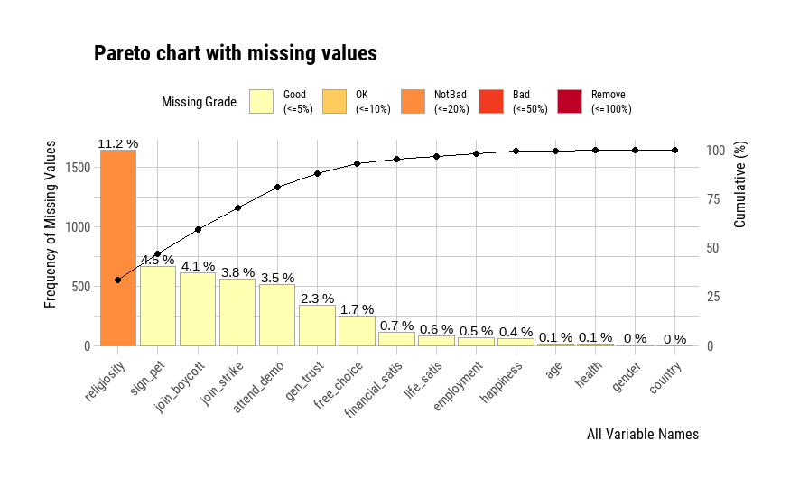
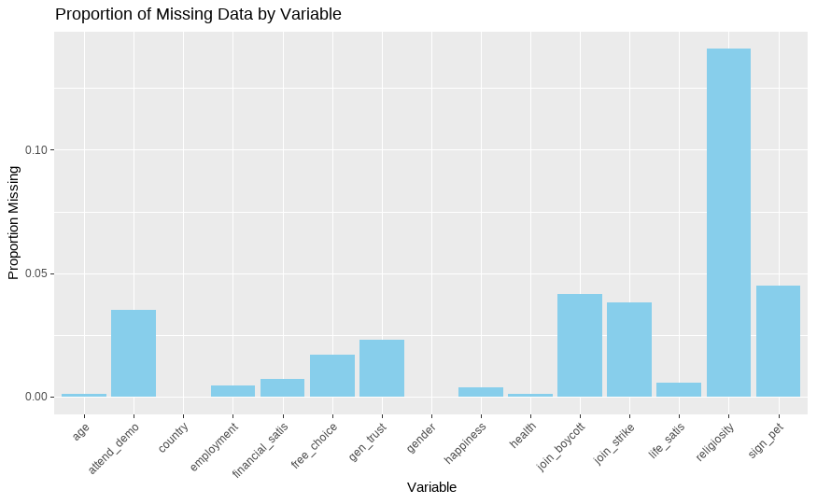
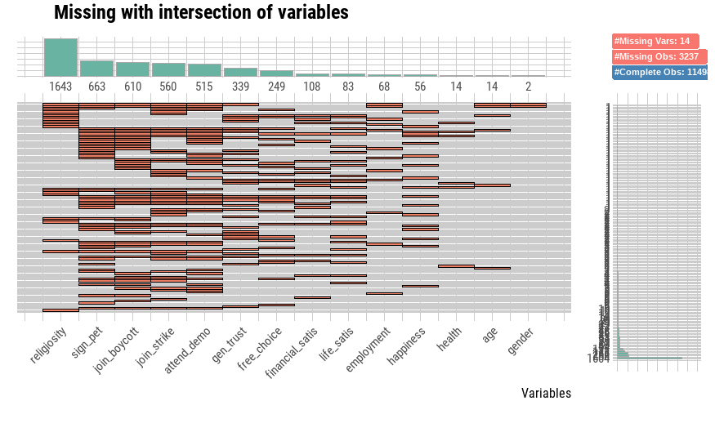
country | happiness_missing_proportion | health_missing_proportion | free_choice_missing_proportion | life_satis_missing_proportion | financial_satis_missing_proportion | gen_trust_missing_proportion | sign_pet_missing_proportion | join_boycott_missing_proportion | attend_demo_missing_proportion | join_strike_missing_proportion | religiosity_missing_proportion | age_missing_proportion | gender_missing_proportion | employment_missing_proportion
EGY | 0.00036724201249 | 0 | 0.0084465662872 | 0.0011017260375 | 0.00036724201249 | 0.0011017260375 | 0.012853470437 | 0.0091810503122 | 0.0099155343371 | 0.010650018362 | 0.58685273595 | 0 | 0 | 0.00036724201249
IRQ | 0.013333333333 | 0.0020833333333 | 0.0016666666667 | 0.00375 | 0.0020833333333 | 0.041666666667 | 0.034166666667 | 0.035833333333 | 0.02375 | 0.0375 | 0.072916666667 | 0 | 0 | 0.0095833333333
JOR | 0.0016645859342 | 0.00041614648356 | 0 | 0 | 0 | 0.0029130253849 | 0.027465667915 | 0.01872659176 | 0.020391177695 | 0.019142738244 | 0.0070744902206 | 0 | 0 | 0
LEB | 0.005 | 0.0033333333333 | 0.0033333333333 | 0.0058333333333 | 0.00083333333333 | 0.098333333333 | 0.075833333333 | 0.089166666667 | 0.060833333333 | 0.066666666667 | 0.039166666667 | 0 | 0 | 0
LIB | 0.0041806020067 | 0 | 0.02508361204 | 0.024247491639 | 0.069397993311 | 0.016722408027 | 0.05602006689 | 0.038461538462 | 0.028428093645 | 0.029264214047 | 0.028428093645 | 0.0091973244147 | 0 | 0.014214046823
MOR | 0.00125 | 0.00041666666667 | 0.060833333333 | 0.01125 | 0.0045833333333 | 0.0079166666667 | 0.038333333333 | 0.038333333333 | 0.037083333333 | 0.035 | 0.037083333333 | 0 | 0 | 0
TUN | 0.0020721094074 | 0.0012432656444 | 0.017405719022 | 0.0033153750518 | 0.0029009531703 | 0.029838375466 | 0.095317032739 | 0.086614173228 | 0.077082469954 | 0.081226688769 | 0.048487360133 | 0.0012432656444 | 0.00082884376295 | 0.0111893908

