Sheet1
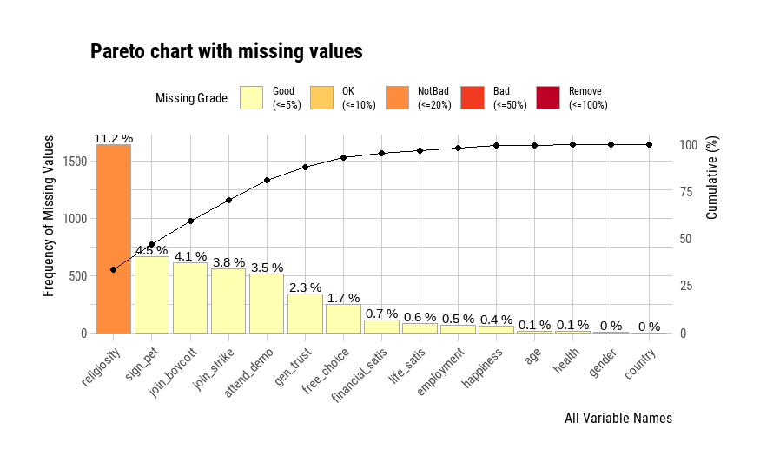
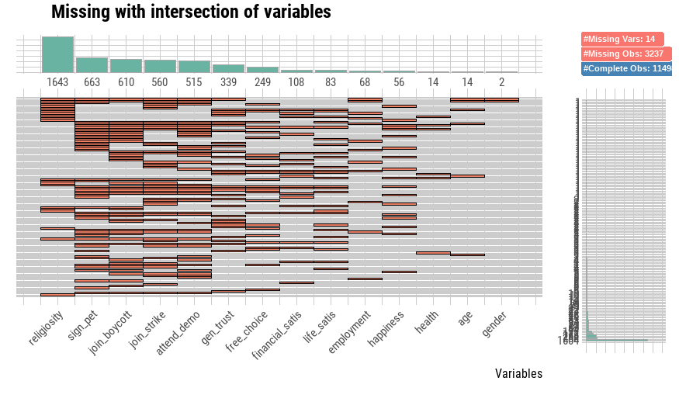
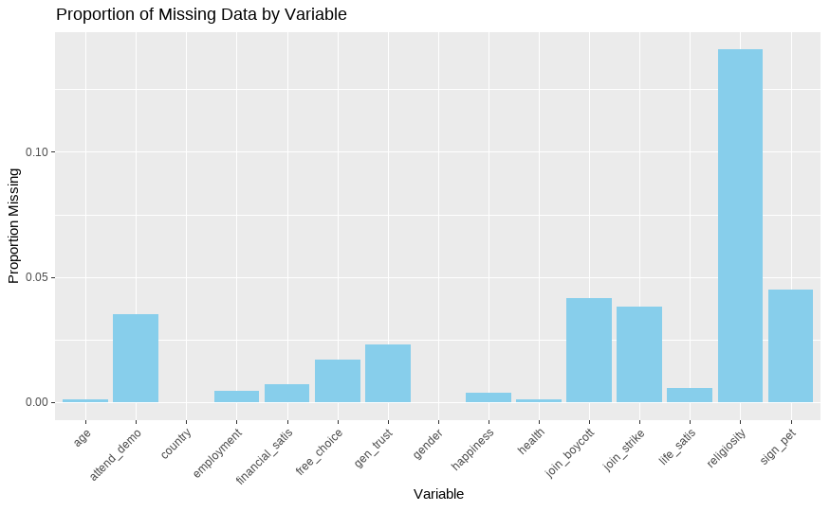
variable_name | mean | median | mode | variance | standard_deviation | range | iqr | skewness | kurtosis
happiness | 2.7139184723 | 3 | 2 | 0.83987600658 | 0.91644749254 | 1 - 4 | 2 | 0.11974003917 | 1.9001862312
gen_trust | 1.852735953 | 2 | 2 | 0.12562348169 | 0.35443403009 | 1 - 2 | 0 | -1.9907836755 | 4.9632196425
health | 2.4285714286 | 2 | 2 | 0.79458381442 | 0.89139430917 | 1 - 5 | 1 | 0.35268476174 | 2.6020381329
free_choice | 6.3966213735 | 7 | 8 | 5.4245587497 | 2.3290682149 | 1 - 10 | 3 | -0.53824654552 | 2.7117939412
life_satis | 5.3881748072 | 5 | 5 | 7.0707932508 | 2.6590963222 | 1 - 10 | 5 | -0.14269300804 | 2.022352446
financial_satis | 4.8501652589 | 5 | 1 | 6.7732797302 | 2.6025525413 | 1 - 10 | 4 | 0.079638996495 | 2.0051795293
sign_pet | 2.8898273963 | 3 | 3 | 0.16640272552 | 0.40792490182 | 1 - 3 | 0 | -3.8143904683 | 16.697761999
join_boycott | 2.8931325744 | 3 | 3 | 0.16160969109 | 0.4020070784 | 1 - 3 | 0 | -3.8834849569 | 17.265325365
attend_demo | 2.911494675 | 3 | 3 | 0.13727781656 | 0.37051021114 | 1 - 3 | 0 | -4.3482361379 | 21.221397881
join_strike | 2.9654792508 | 3 | 3 | 0.047301634672 | 0.21748938979 | 1 - 3 | 0 | -6.9489178346 | 54.567372344
religiosity | 1.6327579875 | 2 | 1 | 0.65127038483 | 0.80701324948 | 2023-01-08 | 1 | 2.5936950312 | 17.673859412
employment | 3.7873668748 | 5 | 5 | 3.418032851 | 1.8487922682 | 1 - 8 | 3 | -0.33422190665 | 1.8083044158

