Invoice
27 Al Hayah St. Tanta Qism 2
Tanta City - 31511 | Sales Quotation
Phone: (002) 040-3572556 |  | Quotation No |  | DATE
 |  | 1 |  | 29/02/2024

Client Information: |  | TERMS
Name | Phone Number | Only attachements stamped by the company are valid
Dr. Ayman Gomaa | 0 | Payment is in cash or cheques or a bank transfer to the company's bank account
Rep Information: |  | All prices are in the Egyptian Pound and VAT is not included
Name | Phone Number
Mohamed Boraay | 2222
Product Name: | Product Description | QTY | UNIT PRICE | TOTAL
جهاز صدمات زول Zoll | Testing15 | 41 | 1,977.00 | EGP 81,057.00
طرابيزة سونار مستعمل | Testing24 | 12 | 1,995.00 | EGP 23,940.00
أوتوكلاف روسي مستعمل | Testing12 | 75 | 1,971.00 | EGP 147,825.00
بروب هوندا كونفكس مستعمل | Testing23 | 2 | 1,993.00 | EGP 3,986.00

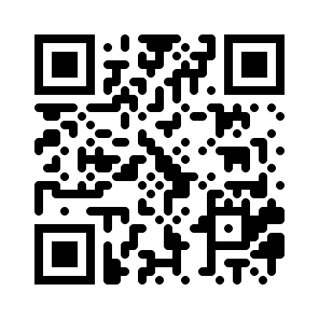
Thank you for your business! |  | SUBTOTAL
 |  | VAT |  | 14.00%
 |  | TAX
 |  | TOTAL

Need to know more? Visit our Website! multimedicasco.com
If you have any questions about this quotation, please contact
Eng. Amr Shalaby, +201111134452, amr@multimedicasco.com

