Invoice
27 Al Hayah St. Tanta Qism 2
Tanta City - 31511 | Sales Quotation
Phone: (002) 040-3572556 |  | Quotation No |  | DATE
 |  | 1 |  | 29/02/2024

Client Information: |  | TERMS
Name | Phone Number | Only attachements stamped by the company are valid
Dr. Ayman Gomaa | 0123456789 | Payment is in cash or cheques or a bank transfer to the company's bank account
Rep Information: |  | All prices are in the Egyptian Pound and VAT is not included
Name | Phone Number
Mohamed Boraay | 1234
Product Name: | Product Description | QTY | UNIT PRICE | TOTAL
ترابيزة عمليات 3008 | Testing1 | 4 | 1,950.00 | EGP 7,800.00
جهاز تنفس صناعى ماركة MEK كورى الصنع | Testing43 | 2 | 2,032.00 | EGP 4,064.00
كمودينو | Testing14 | 5 | 1,975.00 | EGP 9,875.00
رسم قلب بيوكير 3 قناة موديل iE300 | Testing52 | 3 | 2,049.00 | EGP 6,147.00
UBS2كيلو فولت | Testing53 | 1 | 2,051.00 | EGP 2,051.00

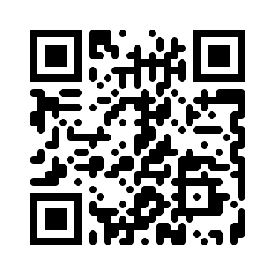
Thank you for your business! |  | SUBTOTAL
 |  | VAT |  | 14.00%
 |  | TAX
 |  | TOTAL

Need to know more? Visit our Website! multimedicasco.com
If you have any questions about this quotation, please contact
Eng. Amr Shalaby, +201111134452, amr@multimedicasco.com

