Invoice
27 Al Hayah St. Tanta Qism 2
Tanta City - 31511 | Sales Quotation
Phone: (002) 040-3572556 |  | Quotation No |  | DATE
 |  | 41 |  | 29/02/2024

Client Information: |  | TERMS
Name | Phone Number | Only attachements stamped by the company are valid
Luk Luk | 69420 | Payment is in cash or cheques or a bank transfer to the company's bank account
Rep Information: |  | All prices are in the Egyptian Pound and VAT is not included
Name | Phone Number
Mohamed Amr | 42069
Product Name: | Product Description | QTY | UNIT PRICE | TOTAL
طابعه جديدة | Testing69 | 123 | 2,083.00 | EGP 256,209.00
وصلة محطة اكسجين | Testing419 | 123 | 2,765.00 | EGP 340,095.00
كابل رسم قلب 10 اطراف | Testing122 | 45 | 2,186.00 | EGP 98,370.00
كابل co2 خاص بمونيتور HP | Testing455 | 54 | 2,835.00 | EGP 153,090.00
ترابيزة عمليات 3008 | Testing1 | 5 | 1,950.00 | EGP 9,750.00
سرير 1/2 فاولر - شكل قديم | Testing7 | 2 | 1,962.00 | EGP 3,924.00

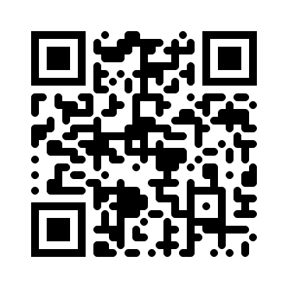
Thank you for your business! |  | SUBTOTAL
 |  | VAT |  | 14.00%
 |  | TAX
 |  | TOTAL

Need to know more? Visit our Website! multimedicasco.com
If you have any questions about this quotation, please contact
Eng. Amr Shalaby, +201111134452, amr@multimedicasco.com

