Invoice
27 Al Hayah St. Tanta Qism 2
Tanta City - 31511 | Sales Quotation
Phone: (002) 040-3572556 |  | Quotation No |  | DATE
 |  | 42 |  | 29/02/2024

Client Information: |  | TERMS
Name | Phone Number | Only attachements stamped by the company are valid
Dr. Ayman Gomaa | 69420 | Payment is in cash or cheques or a bank transfer to the company's bank account
Rep Information: |  | All prices are in the Egyptian Pound and VAT is not included
Name | Phone Number
Mohamed Boraay | 42069
Product Name: | Product Description | QTY | UNIT PRICE | TOTAL
ترابيزة عمليات 3008 | Testing1 | 3 | 1,950.00 | EGP 5,850.00
كمودينو | Testing14 | 6 | 1,975.00 | EGP 11,850.00
اجهزة بلس مستعمل بانواعه | Testing54 | 2 | 2,053.00 | EGP 4,106.00
DP10 - 1 socket | Testing64 | 2 | 2,073.00 | EGP 4,146.00
جهاز سونار اكيوسون إيكو | Testing45 | 2 | 2,036.00 | EGP 4,072.00

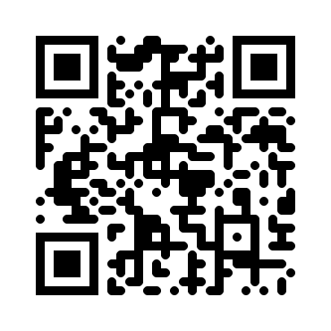
Thank you for your business! |  | SUBTOTAL
 |  | VAT |  | 14.00%
 |  | TAX
 |  | TOTAL

Need to know more? Visit our Website! multimedicasco.com
If you have any questions about this quotation, please contact
Eng. Amr Shalaby, +201111134452, amr@multimedicasco.com

