Invoice
27 Al Hayah St. Tanta Qism 2
Tanta City - 31511 | Sales Quotation
Phone: (002) 040-3572556 |  | Quotation No |  | DATE
 |  | 43 |  | 10/03/2024

Client Information: |  | TERMS
Name | Phone Number | Only attachements stamped by the company are valid
Testing Customer | 123456789 | Payment is in cash or cheques or a bank transfer to the company's bank account
Rep Information: |  | All prices are in the Egyptian Pound and VAT is not included
Name | Phone Number
Testing Rep | 1111
Product Name: | Product Description | QTY | UNIT PRICE | TOTAL
أوتوكلاف روسي مستعمل | Testing12 | 2 | 1,971.00 | EGP 3,942.00
دياثيرمي فاللي لاب فورس 2 | Testing5 | 8 | 1,958.00 | EGP 15,664.00
سيرفو محلى العربية | Testing9 | 2 | 1,966.00 | EGP 3,932.00
بكرة رسم قلب مستوردة 8 سم | Testing111 | 2 | 2,165.00 | EGP 4,330.00

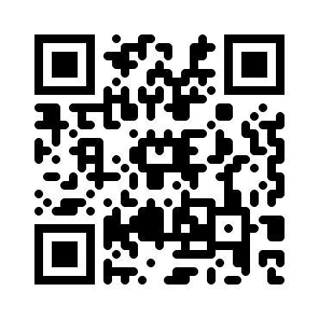
Thank you for your business! |  | SUBTOTAL
 |  | VAT |  | 14.00%
 |  | TAX
 |  | TOTAL

Need to know more? Visit our Website! multimedicasco.com
If you have any questions about this quotation, please contact
Eng. Amr Shalaby, +201111134452, amr@multimedicasco.com

