Invoice
27 Al Hayah St. Tanta Qism 2
Tanta City - 31511 | Sales Quotation
Phone: (002) 040-3572556 |  | Quotation No |  | DATE
 |  | 45 |  | 07/07/2024

Client Information: |  | TERMS
Name | Phone Number | Only attachements stamped by the company are valid
Fathy Elsaid | 11111 | Payment is in cash or cheques or a bank transfer to the company's bank account
Rep Information: |  | All prices are in the Egyptian Pound and VAT is not included
Name | Phone Number
Jane | 14223
Product Description |  | QTY | UNIT PRICE | TOTAL
Testing52 |  | 15 | 2,049.00 | EGP 30,735.00 | رسم قلب بيوكير 3 قناة موديل iE300
Testing3 |  | 4 | 1,954.00 | EGP 7,816.00 | جهاز تنفس صناعي دراجر ايفيتا2

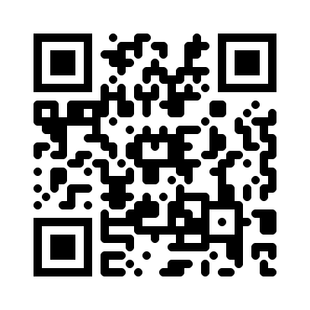
Thank you for your business! |  | SUBTOTAL
 |  | VAT |  | 14.00%
 |  | TAX
 |  | TOTAL

Need to know more? Visit our Website! multimedicasco.com
If you have any questions about this quotation, please contact
Eng. Amr Shalaby, +201111134452, amr@multimedicasco.com

