GRID A-DET1
PROJECT: |  | Construction of Mixed-use Building |  |  |  |  |  |  |  | DATE: |  | 23-Feb-26
CONTRACTOR: |  | Main Contractor |  |  |  |  |  |  |  | REF: No. |  | TR-01
CLIENT: |  | Client Project Management Team (Riyadh) |  |  |  |  |  |  |  | DRAWING REF: |  | SD-ST-053-R01

BOLTED CONNECTION INSPECTION REPORT (GRID A) - LEVEL-02

Detail No. | Connection Description | Beam/Column | Beam/Column | Type of Connection (shear/moment) | Approximate Torque Value (N.m) | Plate (mm) |  |  | Bolts |  | Weld Size (mm) | Status | Remarks (deviation from approved drawings, deformation and/or protrusion)
 |  |  |  |  |  | L | W | T | qty. | ø
1 | Beam to Column
1-a | Beam to Column | B-HEB400 | C-HEB220 | Moment | 476 | 230 | 230 | 20 | 9 | 20 | 10
1-b | Beam to Column | B-IPE300 | C-HEB220 | Moment | 476 | 350 | 160 | 15 | 8 | 20 | 10
 |  | B-IPE300 | C-HEB220 | Moment | 476 | 200 | 175 | 15 | 6 | 20 | 10
1-c | Beam to Column | B-IPE300 | B-HEB400 | Moment | 476 | 230 | 230 | 20 | 9 | 20 | 10
 |  | B-IPE300 | C-HEB220 | Moment |  | 187 | 105 | 10 |  |  | 10
 |  | B-IPE300 | C-HEB220 | Moment |  | 187 | 105 | 10 |  |  | 10

DETAIL -1
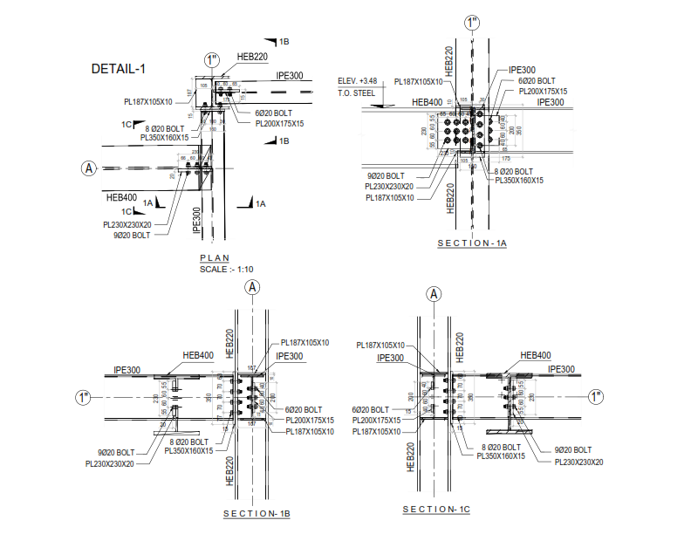

Notes:

 | PREPARED BY: |  |  |  |  |  |  |  |  | APPROVED BY:

 | SITE ENGINEER, STRUCTURAL / CIVIL |  |  |  |  |  |  |  |  | SENIOR QA/QC INSPECTOR, STRUCTURAL / CIVIL
 | Main Contractor |  |  |  |  |  |  |  |  | Client Project Management Team
 | 23-Feb-26 |  |  |  |  |  |  |  |  | 23-Feb-26

GRID A-DET2
PROJECT: |  | Construction of Mixed-use Building |  |  |  |  |  |  |  | DATE: |  | 23-Feb-26
CONTRACTOR: |  | Main Contractor |  |  |  |  |  |  |  | REF: No. |  | TR-02
CLIENT: |  | Client Project Management Team (Riyadh) |  |  |  |  |  |  |  | DRAWING REF: |  | SD-ST-054-R01

BOLTED CONNECTION INSPECTION REPORT (GRID A) - LEVEL-02

Detail No. | Connection Description | Beam/Column | Beam/Column | Type of Connection (shear/moment) | Approximate Torque Value (N.m) | Plate (mm) |  |  | Bolts |  | Weld Size (mm) | Status | Remarks (deviation from approved drawings, deformation and/or protrusion)
 |  |  |  |  |  | L | W | T | qty. | ø
2 | Beam to Column
2-a | Beam to Column | B-IPE330 | C-HEB300 | Moment | 244 | 200 | 200 | 20 | 9 | 16 | 10
 |  | B-IPE330 | C-HEB300 | Moment |  | 262 | 144 | 10 |  |  | 10
 |  | B-IPE330 | C-HEB300 | Moment |  | 262 | 144 | 10 |  |  | 10
 |  | B-IPE330 | C-HEB300 | Moment |  | 150 | 80 | 15 |  |  | 10
2-b | Beam to Column | B-IPE330 | C-HEB300 | Moment | 244 | 200 | 200 | 20 | 9 | 16 | 10
2-c | Beam to Column | B-IPE330 | C-HEB300 | Moment | 1634 | 680 | 280 | 20 | 10 | 30 | 10

DETAIL -2
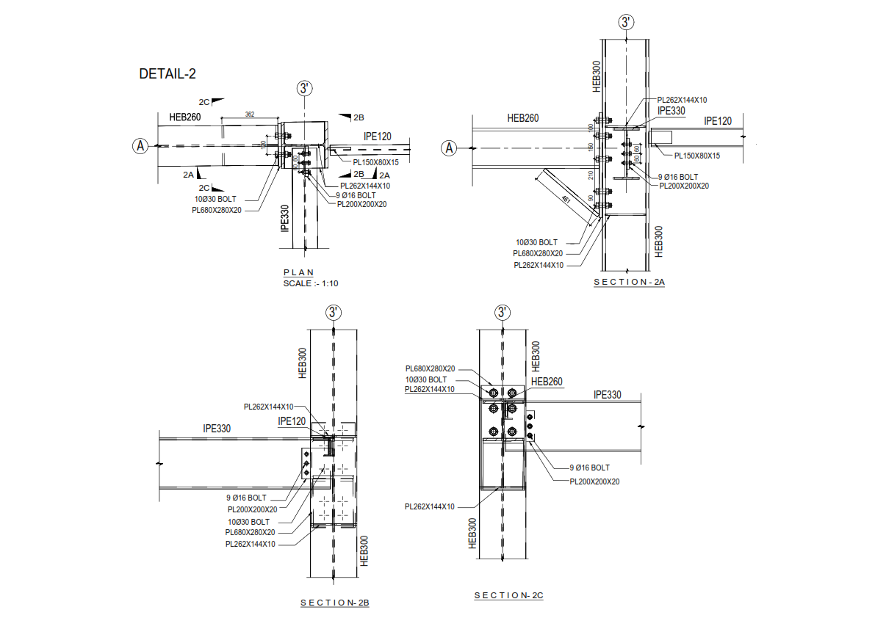

Notes:

 | PREPARED BY: |  |  |  |  |  |  |  |  | APPROVED BY:

 | SITE ENGINEER, STRUCTURAL / CIVIL |  |  |  |  |  |  |  |  | SENIOR QA/QC INSPECTOR, STRUCTURAL / CIVIL
 | Main Contractor |  |  |  |  |  |  |  |  | Client Project Management Team

