Sketching
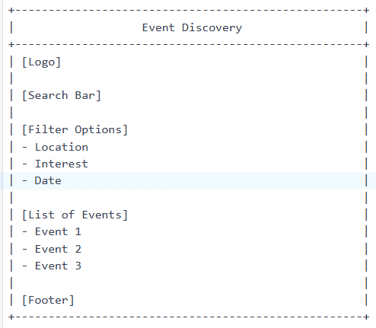

Code_W3
<!DOCTYPE html>
<html>
<head>
<title>Event Discovery</title>
<link rel="stylesheet" type="text/css" href="style.css">
</head>
<body>
<header>
<h1>Event Discovery</h1>
<nav>
<ul>
<li><a href="#">Home</a></li>
<li><a href="#">Events</a></li>
<li><a href="#">Recommendations</a></li>
<li><a href="#">Networking</a></li>
<li><a href="#">Feedback</a></li>
</ul>
</nav>
</header>
<main>
<section class="event-discovery">
<h2>Discover Events</h2>
<form>
<label for="location">Location:</label>
<input type="text" id="location" name="location">
<label for="interest">Interest:</label>
<select id="interest" name="interest">
<option value="">Select an interest</option>
<option value="technology">Technology</option>
<option value="business">Business</option>
<option value="arts">Arts</option>
</select>
<label for="date">Date:</label>
<input type="date" id="date" name="date">
<button type="submit">Search</button>
</form>
</section>
</main>
<footer>
<p>&copy; 2022 Event Discovery. All rights reserved.</p>
</footer>
</body>
</html>
/* style.css */
body {
font-family: Arial, sans-serif;
margin: 0;
padding: 0;
}
header {
background-color: #f2f2f2;
padding: 20px;
}
header h1 {
margin: 0;
}
nav ul {
list-style-type: none;
margin: 0;
padding: 0;
}
nav li {
display: inline-block;
margin-right: 10px;
}
nav a {
color: #333;
text-decoration: none;
}
.event-discovery {
padding: 20px;
}
.event-discovery form {
margin-bottom: 20px;
}
.event-discovery label {
display: block;
margin-bottom: 5px;
}
.event-discovery input[type="text"],
.event-discovery select,
.event-discovery input[type="date"] {
width: 100%;
padding: 10px;
margin-bottom: 10px;
border: 1px solid #ccc;
border-radius: 4px;
}
.event-discovery button {
background-color: #4CAF50;
color: white;
padding: 10px 20px;
border: none;
border-radius: 4px;
cursor: pointer;
}
footer {
background-color: #f2f2f2;
padding: 20px;
text-align: center;
}

Code_W4
<!-- Add new pages -->
<section class="recommendations">
<h2>Recommendations</h2>
<!-- List of recommended events goes here -->
</section>
<section class="networking">
<h2>Networking</h2>
<!-- In-app chat or video call options go here -->
</section>
<section class="feedback">
<h2>Feedback</h2>
<!-- Post-event feedback and connection tracking forms go here -->
</section>
.recommendations {
padding: 20px;
}
.networking {
padding: 20px;
}
.feedback {
padding: 20px;
}

