Bug Report Log
Bug ID | Related TC ID | Module | Bug Title / Summary | Steps to Reproduce | Test Data Used | Expected Result | Actual Result | Severity | Priority | Status | Screenshot
BUG_G5_01 | RequestLoanTest - TC03 | Request Loan | No validation error shown when Amount field is left empty | 1. Log in with valid credentials 2. Navigate to 'Request Loan' 3. Leave the Amount field empty, enter Down Payment = 100 4. Click 'Apply Now' | Amount = (empty), Down Payment = 100 | An error message containing 'amount is required' should be displayed | No such validation message is returned by the page; the request is processed by the server (assertion failed — expected error text not found) | Medium | Medium | Open
BUG_G5_02 | RequestLoanTest - TC04 | Request Loan | No validation error shown when Down Payment field is left empty | 1. Log in with valid credentials 2. Navigate to 'Request Loan' 3. Enter Amount = 1000, leave Down Payment field empty 4. Click 'Apply Now' | Amount = 1000, Down Payment = (empty) | An error message containing 'down payment is required' should be displayed | No such validation message is returned by the page (assertion failed expected error text not found) | Medium | Medium | Open | 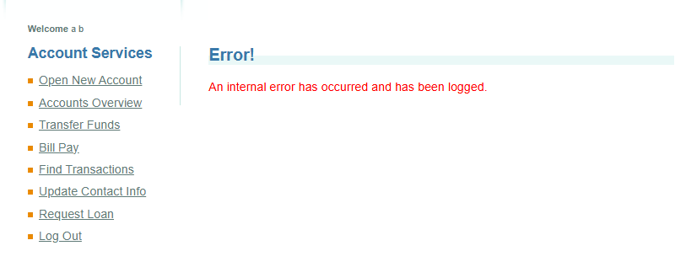
BUG_G5_03 | UpdateContactInfoTest - TC02 | Update Contact Info | No validation error shown when First Name field is left empty | 1. Log in with valid credentials 2. Navigate to 'Update Contact Info' 3. Clear the First Name field, keep Last Name and Address valid 4. Click 'Update Profile' | First Name = (empty) | An error message containing 'First name is required' should be displayed | No such validation message is returned by the page (assertion failed expected error text not found) | Medium | Medium | Open
BUG_G5_04 | UpdateContactInfoTest - TC03 | Update Contact Info | No validation error shown when Address field is left empty | 1. Log in with valid credentials 2. Navigate to 'Update Contact Info' 3. Clear the Address field, keep First/Last Name valid 4. Click 'Update Profile' | Address = (empty) | An error message containing 'Address is required' should be displayed | No such validation message is returned by the page (assertion failed expected error text not found) | Medium | Medium | Open
BUG_G5_05 | UpdateContactInfoTest - TC04 | Update Contact Info | Phone# field accepts non-numeric text without validation | 1. Log in with valid credentials 2. Navigate to 'Update Contact Info' 3. Enter 'InvalidPhoneLetters' in the Phone# field 4. Click 'Update Profile' | Phone# = InvalidPhoneLetters | An error message should be displayed rejecting the invalid phone format | Profile is updated successfully with the invalid text saved as the phone number; no error message is shown (assertion failed error string was empty) | Medium | Medium | Open
BUG_G5_06 | UpdateContactInfoTest - TC08 | Update Contact Info | Zip Code field accepts invalid characters without validation | 1. Log in with valid credentials 2. Navigate to 'Update Contact Info' 3. Enter 'Zip@123!' in the Zip Code field 4. Click 'Update Profile' | Zip Code = Zip@123! | An error message should be displayed rejecting the invalid zip code format | Profile is updated successfully with the invalid value saved as the zip code; no error message is shown (assertion failed error string was empty) | Medium | Medium | Open

