Design of Section
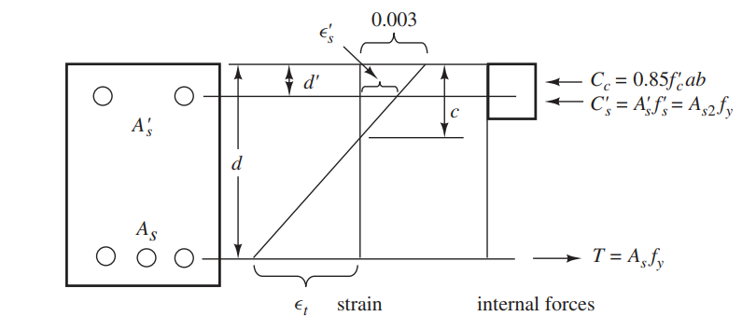
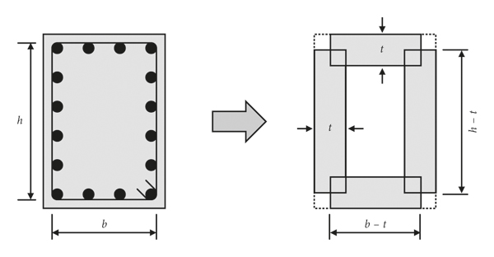
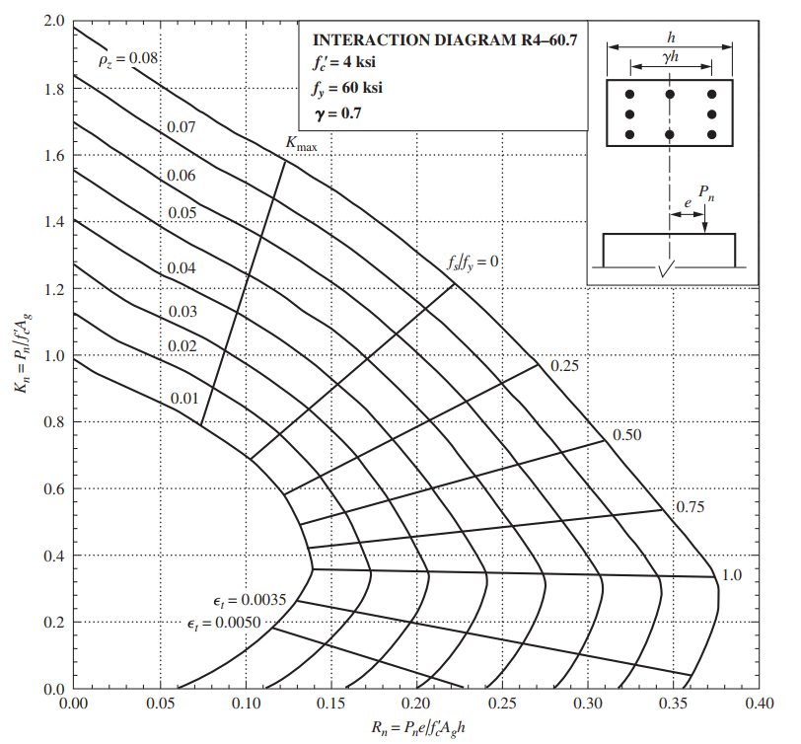
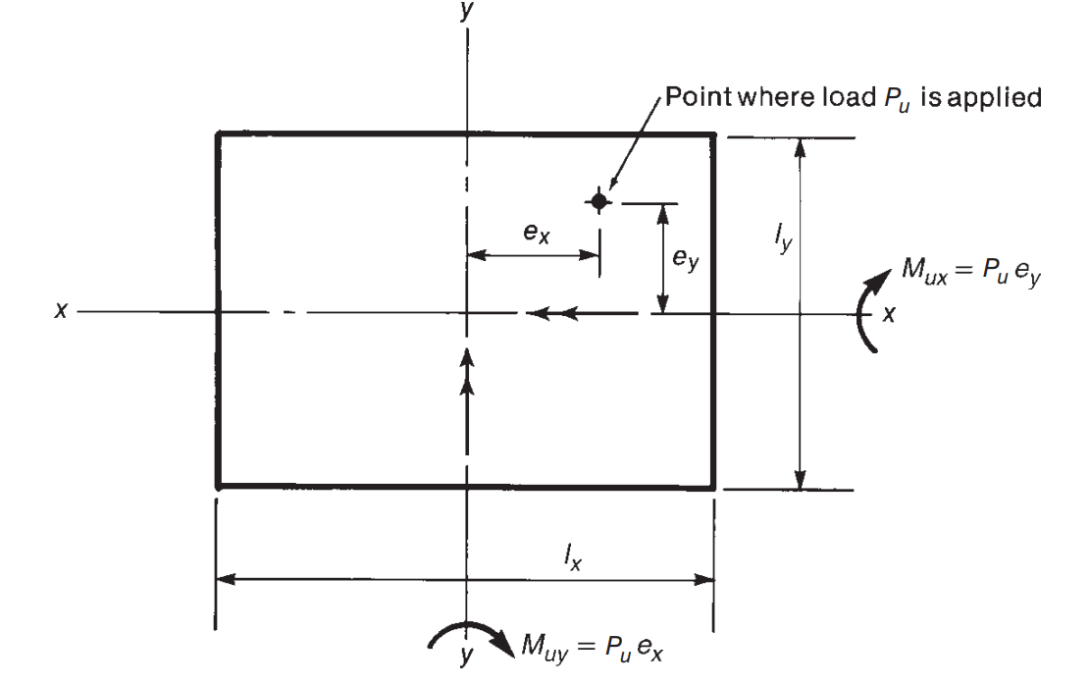
Design of section for Pure Bending |  |  |  |  |  |  |  |  |  |  |  |  |  |  |  |  | Design of Biaxially loaded Section |  |  |  |  |  | Design of Axially loaded Section two faces equally reinforced |  |  |  |  |  |  |  |  |  |  |  | Design of Axially loaded uniformly reinforced Section |  |  |  |  |  |  |  |  |  |  |  | Design of Section for Diagonal tension |  |  |  |  |  |  |  |  |  |  |  |  |  |  | Design of slap for Pure Bending
code specifications |  |  |  |  | Concrete proberties |  |  | steel proberties |  |  |  |  |  |  |  |  |  |  |  |  | Concrete |  | Concrete |  |  |  |  |  |  |  |  |  |  |  | Concrete |  |  |  |  |  |  |  |  |  |  |  | Concrete |  |  |  |  |  |  |  |  |  |  |  |  |  |  | code specifications |  |  |  |  | Concrete proberties |  |  | steel proberties
factor of long term strength (k1) |  |  | 0.8 |  | fcu | 30 |  | fy | 360 |  |  |  |  |  |  |  |  |  |  |  | fcu | 25 | fcu | 40 |  |  |  |  |  |  |  |  |  |  | fcu | 40 |  |  |  |  |  |  |  |  |  |  | fcu | 25 | B(max) | 0.7 |  | depth for 60deg reinf. |  | 600 |  |  |  |  |  |  |  | factor of long term strength (k1) |  |  | 0.8 |  | fcu | 30 |  | fy | 360
factor of sample correction (k2) |  |  | 0.825 |  | ec | 0.003 |  | E | 2.00E+05 |  |  |  |  |  |  |  |  |  |  |  | ec | 0.003 | ec | 0.003 |  |  |  |  |  |  |  |  |  |  | ec | 0.003 |  |  |  |  |  |  |  |  |  |  | ec | 0.003 | B (cr) | 0.24 |  |  |  |  |  |  |  |  |  |  |  | factor of sample correction (k2) |  |  | 0.825 |  | ec | 0.003 |  | E | 2.00E+05
factor of stress distribution (k3) |  |  | 0.8 |  | yc | 1.5 |  | ys | 1.15 |  |  |  |  |  |  |  |  |  |  |  | yc | 1.5 | yc | 1.5 |  |  |  |  |  |  |  |  |  |  | yc | 1.5 |  |  |  |  |  |  |  |  |  |  | yc | 1.5 | qu (max) | 2.8577380332 |  | width for 2 branch |  | 200 |  |  |  |  |  |  |  | factor of stress distribution (k3) |  |  | 0.8 |  | yc | 1.5 |  | ys | 1.15
factor of fallier criteria |  |  | 0.66666666667 |  |  |  |  |  |  |  |  |  |  |  |  |  |  |  |  |  | k1 | 0.8 | k1 | 0.8 |  |  |  |  |  |  |  |  |  |  | k1 | 0.8 |  |  |  |  |  |  |  |  |  |  | k1 | 0.8 | qcu | 0.97979589711 |  | max spacing |  | 250 |  |  |  |  |  |  |  | factor of fallier criteria |  |  | 0.66666666667
 |  |  |  |  | fc | 13.2 |  | fs | 313.04347826 |  |  |  |  |  |  |  |  |  |  |  | k2 | 0.85 | k2 | 0.85 |  |  |  |  |  |  |  |  |  |  | k2 | 0.85 |  |  |  |  |  |  |  |  |  |  | k2 | 0.85 |  |  |  |  |  |  |  |  |  |  |  |  |  |  |  |  |  |  | fc | 13.2 |  | fs | 313.04347826
T section |  |  |  | L section |  |  |  |  |  |  |  |  |  |  |  |  |  |  |  |  | k3 | 0.8 | k3 | 0.8 |  |  |  |  |  |  |  |  |  |  | k3 | 0.8 |  |  |  |  |  |  |  |  |  |  | k3 | 0.8 | fc | 11.333333333 |  |  |  |  |  |  |  |  |  |  |  | T section |  |  |  | L section
effective width (B) ≤ |  | b+span/5 |  | effective width (B) ≤ |  | b+span/10 |  |  | total span of beam |  |  |  |  |  |  |  |  |  |  |  | fc | 11.333333333 | fc | 18.133333333 |  |  |  |  |  |  |  |  |  |  | fc | 18.133333333 |  |  |  |  |  |  |  |  |  |  |  |  |  |  |  |  |  |  |  |  |  |  |  |  |  | effective width (B) ≤ |  | b+span/5 |  | effective width (B) ≤ |  | b+span/10 |  | total span of beam
 |  | b+(s1+s2)/2 |  |  |  | b+(s1+s2)/2 |  |  | transverse span |  |  |  |  |  |  |  |  |  |  |  |  |  |  |  |  |  |  |  |  |  |  |  |  |  |  |  |  |  |  |  |  |  |  |  |  |  |  |  |  |  |  |  |  |  |  |  |  |  |  |  |  |  |  | b+(s1+s2)/2 |  |  |  | b+(s1+s2)/2 |  | transverse span
 |  | b+16*(ts) |  |  |  | b+6*(ts) |  |  | slap thickness |  |  |  |  |  |  |  |  |  |  |  | steel |  | steel |  |  |  |  |  |  |  |  |  |  |  | steel |  |  |  |  |  |  |  |  |  |  |  | steel |  |  |  |  |  |  |  |  |  |  |  |  |  |  |  |  | b+16*(ts) |  |  |  | b+6*(ts) |  | slap thickness
w= | fs* As /(b*d*fc) |  |  | conditions |  |  |  |  |  |  |  |  |  |  |  |  |  |  |  |  | fy | 360 | fy | 420 |  |  |  |  |  |  |  |  |  |  | fy | 420 |  |  |  |  |  |  |  |  |  |  | fy | 420 | fystr | 240 |  |  |  |  |  |  |  |  |  |  |  | w= | fs* As /(b*d*fc) |  |  | conditions
r = | w/k3 |  |  | r * d < | ts | if ts>0 |  |  |  |  |  |  |  |  |  |  |  |  |  |  | E | 2.00E+05 | E | 2.00E+05 |  | μ(min)= | 0.8% |  |  |  |  |  |  |  | E | 2.00E+05 |  | μ(min)= | 0.8% |  |  |  |  |  |  |  | E | 2.00E+05 | fstr | 208.69565217 |  |  |  |  |  |  |  |  |  |  |  | r = | w/k3 |  |  | r * d < | ts | if ts>0
R1 = | w * ( 1 - w/2) |  |  | r < | factor of fallier criteria * ec /(ec+fy/E) |  |  |  |  |  |  |  |  |  |  |  |  |  |  |  | ys | 1.15 | ys | 1.15 |  | μ(max)= | 2.5% |  |  |  |  |  |  |  | ys | 1.15 |  | μ(max)= | 2.5% |  |  |  |  |  |  |  | ys | 1.15 | fs | 365.2173913 |  |  |  |  |  |  |  |  |  |  |  | R1 = | w * ( 1 - w/2) |  |  | r < | factor of fallier criteria * ec /(ec+fy/E)
Mu = | R1 * fc*b*d^2 |  |  |  |  |  |  |  |  |  |  |  |  |  |  |  |  |  |  |  | fs | 313.04347826 | fs | 365.2173913 |  | ey | 2.10E-03 |  |  |  |  |  |  |  | fs | 365.2173913 |  |  |  |  |  |  |  |  |  |  |  |  |  |  |  |  |  |  |  |  |  |  |  |  |  | Mu = | R1 * fc*b*d^2
w = | PureBendingDesign(R1) |  |  |  |  |  |  |  |  |  |  |  |  |  |  |  |  |  |  |  |  |  | AxialForceAndBendingSectionDesign_2F( P , R ,fy/E,n, ec = 0.003, k1 = 0.8) |  |  |  |  |  |  |  |  |  |  |  | AxialForceAndBendingSectionDesign_UF( P , R ,fy/E,rec, ec = 0.003, k1 = 0.8,n = 4) |  |  |  |  |  |  |  |  |  |  |  |  |  |  |  |  |  |  |  |  |  |  |  |  |  |  | w = | PureBendingDesign(R1)
 |  |  |  |  |  |  |  |  |  |  |  |  |  |  |  |  |  |  |  |  | Rpu | 0.47 |  |  |  |  |  |  |  |  |  |  |  |  |  |  |  |  |  |  |  |  |  |  |  |  |  |  |  |  |  |  |  |  |  |  |  |  |  |  |  |  |  |  |  |  |  |  |  | min comp rein |  | 0
 |  | PureBendingDesign(R1 , Wmax , k) ->(w_main, w_comp) |  |  |  |  |  | r max = | 0.41667 |  |  |  |  |  |  |  | Diminsions |  | loads |  | Rp | 1.03 | b | t | Pu | Mu | n | Rp | Rp*e/t | t/e | B | wd | μ | As | b | t | Pu | Mu | Rp | Rp*e/t | t/e | B | rec | wd | μ | As | b | d | n | D | Asb | Q | q | qs | alpha | qsb | qstr | D | Branches | Astr | s |  |  | PureBendingDesign(R1 , Wmax , k) ->(w_main, w_comp) |  |  |  |  |  | r max = |  | 0.41667
 |  |  |  |  |  |  |  |  |  |  |  |  |  |  |  |  | lx | 500 | Pu | 7.00E+06 | ex/lx | 0.20 | 300.00 | 900 | 6.00E+05 | 8.00E+08 | 5.00E-01 | 0.12 | 0.18 | 0.68 | 1 | 0.25512737647 | 1.27% | 3420.16 | 300.00 | 900 | 6.00E+05 | 8.00E+08 | 0.12 | 0.18 | 0.68 | 1 | 3 | 0.37629919 | 1.87% | 5044.56 | 350 | 550 | 2 | 16 | 401.92 | 2.50E+05 | 1.30E+00 | 0.80880335014 | 45 | 0.53919435414 | 0.269608996 | 8 | 3 | 150.72 | 200
b | span | ts1 | s1 | s2 | B | t | cover | MU | b | d | R1 | r_max | As main | As comp | As main | As comp | ly | 1200 | Mx | 7.00E+08 | ey/ly | 0.10 | 300.00 | 1000 | 7.00E+05 | 4.50E+08 | 5.00E-01 | 0.13 | 0.08 | 1.56 | 1 | 0.083911327973 | 0.42% | 2400.00 | 300.00 | 1000 | 7.00E+05 | 4.50E+08 | 0.13 | 0.08 | 1.56 | 1 | 3.3333333333 | 0.071163032055 | 0.35% | 2400.00 | 350 | 550 | 2 | 16 | 401.92 | 4.50E+05 | 2.34E+00 | 1.8477643891 | 45 | 0.53919435414 | 1.308570035 | 10 | 3 | 235.5 | 107.30977823 | b | t | cover | MU | d | R1 | r_max | As main | As comp | D | N main
120 | 3870 | 120 | 1410 | 2780 | 894 | 600 | 50 | 5.40E+09 | 894 | 550.00 | 1.5127 | 0.4166667 | 35075.93 | 28164.81 | 35075.926389 | 28164.809722 | rectangularty | 0.41666666667 | My | 7.98E+08 |  |  | 300.00 | 1000 | 8.00E+05 | 5.00E+08 | 5.00E-01 | 0.15 | 0.09 | 1.60 | 1 | 0.058456230851 | 0.29% | 2400.00 | 300.00 | 1000 | 8.00E+05 | 5.00E+08 | 0.15 | 0.09 | 1.60 | 1 | 3.3333333333 | 0.08080768642 | 0.40% | 2400.00 | 350 | 550 | 2 | 16 | 401.92 | 3.50E+05 | 1.82E+00 | 1.3282838696 | 45 | 0.53919435414 | 0.78908951549 | 8 | 3 | 150.72 | 113.8911477 | 1000 | 120 | 25 | 1.80E+07 | 95 | 1.51E-01 | 0.33333 | 659.5617 | 0.00E+00 | 8.00 | 5
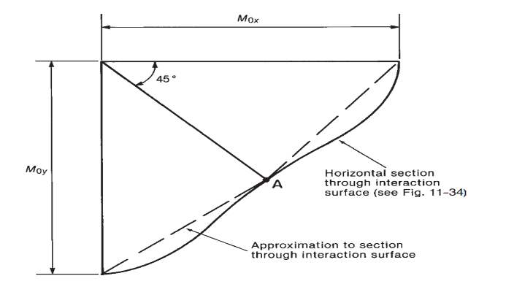
120 | 3870 | 120 | 1410 | 2780 | 894 | 600 | 50 | 1.80E+07 | 894 | 550.00 | 0.0050 | 0.4166667 | 104.81 | 0.00 | 204.6 | 20.46 | EX | 0.20 |  |  |  |  | 300.00 | 1000 | 9.00E+05 | 5.50E+08 | 5.00E-01 | 0.17 | 0.10 | 1.64 | 1 | 0.096279805519 | 0.48% | 2400.00 | 300.00 | 1000 | 9.00E+05 | 5.50E+08 | 0.17 | 0.10 | 1.64 | 1 | 3.3333333333 | 0.092015939175 | 0.46% | 2400.00
120 | 3870 | 120 | 1410 | 2780 | 894 | 600 | 50 | -4.20E+07 | 120 | 550.00 | 0.0877 | 0.4166667 | 255.68 | 0.00 | 255.68475782 | 25.568475782 | EY | 0.10
120 | 3870 | 120 | 1410 | 2780 | 894 | 600 | 50 | 3.50E+07 | 894 | 550.00 | 0.0098 | 0.4166667 | 204.29 | 0.00 | 204.6 | 20.46 | B | 0.66666666667
120 | 3870 | 120 | 1410 | 2780 | 894 | 600 | 50 | -4.30E+07 | 120 | 550.00 | 0.0897 | 0.4166667 | 262.09 | 0.00 | 262.08854667 | 26.208854667 | alpha | 0.66666666667
120 | 3870 | 120 | 1410 | 2780 | 894 | 600 | 50 | 1.80E+07 | 894 | 550.00 | 0.0050 | 0.4166667 | 104.81 | 0.00 | 204.6 | 20.46 | e/t | 0.26333333333
 |  |  |  |  |  |  |  |  |  |  |  |  |  |  |  |  | rectangularty | 2.40

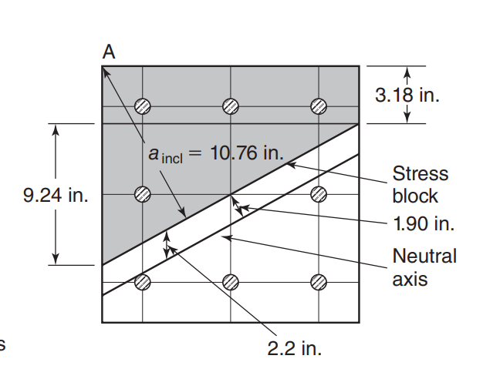
 |  |  |  |  |  |  |  |  |  |  |  |  |  |  |  |  |  |  |  |  | reinforcment
 |  |  |  |  |  |  |  |  |  |  |  |  |  |  |  |  |  |  |  |  | wd | 0.89115844663
 |  |  |  |  |  |  |  |  |  |  |  |  |  |  |  |  |  |  |  |  | μ(req) | 3.23%
 |  |  |  |  |  |  |  |  |  |  |  |  |  |  |  |  |  |  |  |  | μ(min) | 8.00E-03
 |  |  |  |  |  |  |  |  |  |  |  |  |  |  |  |  |  |  |  |  | μ(max) | 2.50E-02
 |  |  |  |  |  |  |  |  |  |  |  |  |  |  |  |  |  |  |  |  | As | 19357.94

 |  |  |  |  |  |  |  |  |  |  |  |  |  |  |  |  | AxialForceAndBendingSectionDesign_UF( P , R ,fy/E,rec, ec = 0.003, k1 = 0.8,n = 4)

Falnged Section Design
Design of T section for Pure Bending |  |  |  |  |  |  | Design of L section for Pure Bending
code specifications |  |  |  |  |  |  | code specifications
K1 |  | 0.80 | factor of long term strength |  |  |  | K1 |  | 0.80 | factor of long term strength
K2 |  | 0.83 | factor of sample correction |  |  |  | K2 |  | 0.83 | factor of sample correction
K3 |  | 0.80 | factor of stress distribution |  |  |  | K3 |  | 0.80 | factor of stress distribution
phi |  | 0.67 | factor of fallier criteria |  |  |  | phi |  | 0.67 | factor of fallier criteria

Concrete proberties |  |  |  |  | steel proberties |  | Concrete proberties |  |  |  |  | steel proberties
fcu |  | 30.00 |  | fy |  | 360.00 | fcu |  | 30.00 |  | fy |  | 360.00
ec |  | 0.00 |  | E |  | 200000 | ec |  | 0.00 |  | E |  | 200000
yc |  | 1.50 |  | ys |  | 1.15 | yc |  | 1.50 |  | ys |  | 1.15
fc |  | 13.20 |  | fs |  | 313.04 | fc |  | 13.20 |  | fs |  | 313.04
r < |  | 0.42 | factor of fallier criteria * ec /(ec+fy/E) |  |  |  | r < |  | 0.42 | factor of fallier criteria * ec /(ec+fy/E)
min. reinforc |  | 0.31% |  |  |  |  | min. reinforc |  | 0.31%

M |  | -6.0E+07 |  |  |  |  | M |  | 9.0E+08
 | web |  |  |  | flange |  |  | web |  |  |  | flange
b |  | 120.00 |  | span |  | 3000 | b |  | 120.00 |  | span |  | 3000
t |  | 600.00 |  | transvers span 1 |  | 1200 | t |  | 600.00 |  | transvers span 1 |  | 1200
cover |  | 50.00 |  | transvers span 2 |  | 1400 | cover |  | 50.00 |  | slap thickness |  | 120
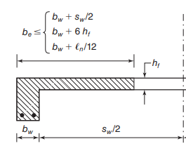
d |  | 550.00 |  | slap thickness |  | 120 | d |  | 550.00
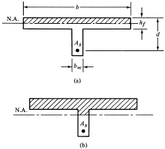
effective width (B) ≤ |  |  |  |  |  |  | effective width (B) ≤
b+span/5 |  | 720.00 |  |  |  |  | b+span/5 |  | 420.00
b+(s1+s2)/2 |  | 1420.00 |  |  |  |  | b+(s1+s2)/2 |  | 720.00
b+16*(ts) |  | 2040.00 |  |  |  |  | b+16*(ts) |  | 840.00
effective width (B) = |  | 720.00 |  |  |  |  | effective width (B) = |  | 420.00

assume rectangular T beam |  |  |  |  |  |  | assume rectangular T beam
R1 |  | 0.13 | =M/(fc*b*d*d) |  |  |  | R1 |  | 0.54 | =M/(fc*b*d*d)
w | tension | 0.13 | R1=w * ( 1 - w/2) |  |  |  | w | tension | 0.71 | R1=w * ( 1 - w/2)
 | comp | 0.00 |  |  |  |  |  | comp | 0.19
r |  | 0.17 |  | a | 92.28 |  | r |  | 0.89 |  | a | 488.2
As | tension | 2241.33 |  | safe | TRUE |  | As | tension | 6917.22 |  | safe | FALSE
 | comp | 224.13 |  |  |  |  |  | comp | 1844.04
 |  |  |  |  |  |  | true t beam
true t beam |  |  |  |  |  |  | Mf |  | 2.33E+08
Mf |  | 4.7E+08 |  |  |  |  | Mw |  | 667152000.00
Mw |  | 0.00 |  |  |  |  | As1 |  | 1518.00
As1 |  | 3036.00 |  |  |  |  | R1 |  | 1.39 | '=M/(fc*b*d*d) |  | Reinforcment Area
R1 |  | 0.00 | '=M/(fc*b*d*d) |  | Reinforcment Area |  | w | tension | 1.78 |  |  | lower | upper
w | tension | 0.00 |  |  | lower | upper |  | comp | 1.26 |  |  | 6471.06 | 6471.0567837
 | comp | 0.00 |  |  | 224.13 | 2241.3335793 | As2 |  | 4953.06 |  | D | 12 | 20
As2 |  | 0.00 |  | D | 12 | 20 | Ast |  | 6471.06 |  | Abar | 113.04 | 314
Ast |  | 3036.00 |  | Abar | 113.04 | 314 |  |  |  |  | N | 58.00 | 21.00
 |  |  |  | N | 2.00 | 8.00

Section Analysis
 |  |  |  |  |  |  |  |  |  |  |  |  |  |  | Analysis of Section competability Method discriptive analysis |  |  |  |  |  |  | Analysis of Axially loaded Section two faces equally reinforced |  |  |  |  |  |  |  |  |  |  |  |  |  |  |  | Analysis of Axially loaded uniformly reinforced Section |  |  |  |  |  |  |  |  |  |  |  |  |  |  | analysis of slap for Pure Bending
analysis of section |  |  |  |  |  |  |  |  |  |  |  |  |  |  | Define proberties objects |  |  |  |  |  |  | Concrete |  |  |  |  |  |  |  |  |  |  |  |  |  |  |  | Concrete |  |  |  |  |  |  |  |  |  |  |  |  |  |  | code specifications |  |  |  |  | Concrete proberties |  |  | steel proberties
code specifications |  |  |  |  | Concrete proberties |  |  | steel proberties |  |  |  |  |  |  | diminsions |  |  | concrete |  | steel |  | fcu | 40 |  |  |  |  |  |  |  |  |  |  |  |  |  |  | fcu | 40 |  |  |  |  |  |  |  |  |  |  |  |  |  | factor of long term strength (k1) |  |  | 0.8 |  | fcu | 300 |  | fy | 3600
factor of long term strength (k1) |  |  | 0.8 |  | fcu | 30 |  | fy | 360 |  |  |  |  |  |  | bredth(b) | 300 | fcu | 40 | fy | 4.20E+02 | ec | 0.003 |  |  |  |  |  |  |  |  |  |  |  |  |  |  | ec | 0.003 |  |  |  |  |  |  |  |  |  |  |  |  |  | factor of sample correction (k2) |  |  | 0.825 |  | ec | 0.003 |  | E | 2.00E+06
factor of sample correction (k2) |  |  | 0.825 |  | ec | 0.003 |  | E | 2.00E+05 |  |  |  |  |  |  | width(h) | 1800 | ec | 0.003 | E | 2.00E+05 | yc | 1.5 |  |  |  |  |  |  |  |  |  |  |  |  |  |  | yc | 1.5 |  |  |  |  |  |  |  |  |  |  |  |  |  | factor of stress distribution (k3) |  |  | 0.8 |  | yc | 1.5 |  | ys | 1.15
factor of stress distribution (k3) |  |  | 0.8 |  | yc | 1.5 |  | ys | 1.15 |  |  |  |  |  |  | cover(cr) | 90 |  |  | ey = fy /E | 2.10E-03 | k1 | 0.8 |  |  |  |  |  |  |  |  |  |  |  |  |  |  | k1 | 0.8 |  |  |  |  |  |  |  |  |  |  |  |  |  | factor of fallier criteria |  |  | 0.66666666667
factor of fallier criteria |  |  | 0.66666666667 |  |  |  |  |  |  |  |  |  |  |  | Define layers |  |  |  |  |  |  | k2 | 0.85 |  |  |  |  |  |  |  |  |  |  |  |  |  |  | k2 | 0.85 |  |  |  |  |  |  |  |  |  |  |  |  |  |  |  |  |  |  | fc | 132 |  | fs | 3130.4347826
 |  |  |  |  | fc | 13.2 |  | fs | 313.04347826 |  |  |  |  |  | layer index |  | depth | Area | A |  |  | k3 | 0.8 |  |  |  |  |  |  |  |  |  |  |  |  |  |  | k3 | 0.8 |  |  |  |  |  |  |  |  |  |  |  |  |  | T section |  |  |  | L section
 |  |  |  |  |  |  |  |  |  |  |  |  |  |  | 0 | d0 | 90 | 0.33 | 396 |  |  | fc | 18.133333333 |  |  |  |  |  |  |  |  |  |  |  |  |  |  | fc | 18.133333333 |  |  |  |  |  |  |  |  |  |  |  |  |  | effective width (B) ≤ |  | b+span/5 |  | effective width (B) ≤ |  | b+span/10 |  | total span of beam
 | effective width (B) ≤ |  | b+span/5 |  |  | total span of beam |  |  |  |  |  |  |  |  | 1 | d1 | 630 | 0.17 | 200.4 |  |  |  |  |  |  |  |  |  |  |  |  |  |  |  |  |  |  |  |  |  |  |  |  |  |  |  |  |  |  |  |  |  |  |  | b+(s1+s2)/2 |  |  |  | b+(s1+s2)/2 |  | transverse span
 |  |  | b+(s1+s2)/2 |  |  | transverse span |  |  |  |  |  |  |  |  | 2 | d2 | 1170 | 0.17 | 200.4 |  |  | steel |  |  |  |  |  |  |  |  |  |  |  |  |  |  |  | steel |  |  |  |  |  |  |  |  |  |  |  |  |  |  |  |  | b+16*(ts) |  |  |  | b+6*(ts) |  | slap thickness
 |  |  | b+16*(ts) |  |  | slap thickness |  |  |  |  |  |  |  |  | 3 | d3 | 1710 | 0.33 | 399.96 |  |  | fy | 420 |  |  |  |  |  |  |  |  |  |  |  |  |  |  | fy | 420 |  |  |  |  |  |  |  |  |  |  |  |  |  | w= | fs* As /(b*d*fc) |  |  | conditions
 |  | w= | fs* As /(b*d*fc) |  |  |  |  |  |  |  |  |  |  |  |  |  |  | 0.9973 | 1200.00 |  |  | E | 2.00E+05 |  |  |  |  |  |  |  |  |  |  |  |  |  |  | E | 2.00E+05 |  |  |  |  |  |  |  |  |  |  |  |  |  | r = | w/k3 |  |  | r * d < | ts | if ts>0
 |  | r = | w/k3 |  |  | conditions |  |  |  |  |  |  |  |  |  |  |  |  |  |  |  | ys | 1.15 |  | es = AxialForceAndBendingSectionAnalysis_ecc_4F(reinforcment ratio , ey, t/e,ec=0.003 ,k1=0.8,n=0.5) |  |  |  |  |  |  |  |  |  |  |  |  | ys | 1.15 |  |  |  |  |  |  |  |  |  |  |  |  |  | R1 = | w * ( 1 - w/2) |  |  | r < | factor of fallier criteria * ec /(ec+fy/E)
 |  | R1 = | w * ( 1 - w/2) |  |  |  | r < | ts | if ts>0 |  |  |  |  |  |  |  |  |  |  |  |  | fs | 365.2173913 |  | Rb, Kp = AxialForceAndBendingSectionAnalysis_4F(reinforcment ratio , ey, es,ec=0.003 ,k1=0.8,n=0.5) |  |  |  |  |  |  |  |  |  |  |  |  | fs | 365.2173913 |  |  |  |  |  | 50 |  |  |  |  |  |  |  | Mu = | R1 * fc*b*d^2
 |  | Mu = | R1 * fc*b*d^2 |  |  |  | r < | factor of fallier criteria * ec /(ec+fy/E) |  |  |  |  |  |  | code requrments |  |  |  |  |  |  | ey | 2.10E-03 |  |  |  |  |  |  |  |  |  |  |  |  |  |  | es = AxialForceAndBendingSectionAnalysis_UF_eccentricity(reinforcment ratio , ey, t/e,rec,ec=0.003 ,k1=0.8,n=4) |  |  |  |  |  |  |  |  |  |  |  |  |  |  | w = | PureBendingDesign(R1)
 |  |  |  |  |  |  |  |  |  |  |  |  |  |  |  | factor of stress distribution |  | 0.8 |  |  |  |  |  |  |  |  |  |  |  |  |  |  |  |  |  |  |  | Rb, Kp = AxialForceAndBendingSectionAnalysis_UF(reinforcment ratio , ey, es,rec,ec=0.003 ,k1=0.8,n=4) |  |  |  |  |  |  |  |  |  |  |  |  |  |  |  |  |  |  |  |  |  |  | min comp rein |  | 0
 |  |  |  |  |  |  |  |  |  |  |  |  |  |  |  | factor of long run loadding |  | 0.85 |  |  |  | b | t | N | D | As | wd | n | Pu | Mu | Rp | t/e | B | es | R1 | R2 | safty factor | b | t | N | D | As | wd | Pu | Mu | Rp | t/e | B | es | R1 | R2 | safty factor |  |  | PureBendingDesign(R1 , Wmax , k) ->(w_main, w_comp) |  |  |  |  |  | w max |  | 0.33333
 |  |  |  |  |  |  |  |  |  |  |  |  |  |  |  | factor of sample correcton |  | 0.8 |  |  |  | 300.00 | 900 | 4 | 14 | 1200 | 0.09 | 0.50 | 1.00E+06 | 1.00E+09 | 0.20 | 0.90 | 1 | -0.040596491065 | 0.042506591652 | 0.04722954628 | 0.208 | 300.00 | 900 | 12 | 12 | 1356.48 | 0.10 | 6.00E+05 | 4.00E+08 | 0.12 | 1.35 | 1 | -0.01019949405 | 0.12482831626 | 0.092465419453 | 1.019
 |  |  |  |  |  |  |  |  |  |  |  |  |  |  |  | safty factor of concrete |  | 1.5 |  |  |  | 300.00 | 1200 | 5 | 12 | 1200 | 0.07 | 0.50 | 1.00E+06 | 1.00E+09 | 0.15 | 1.20 | 1 | -0.036213931731 | 0.055715253869 | 0.046429378224 | 0.364 | 300.00 | 1000 | 4 | 18 | 1017.36 | 0.07 | 7.00E+05 | 4.50E+08 | 0.13 | 1.56 | 1 | -0.010766488362 | 0.13082805369 | 0.0841037488 | 1.017 | b | t | cover | D | N main | As | d | w | R1 | Mu |  | notes
b | span | ts1 | s1 | s2 | B | t | cover | As(main) | d | w | r | R1 | Mu | notes |  | safty factor of steel |  | 1.15 |  |  |  | 300.00 | 1500 | 3 | 20 | 1200 | 0.05 | 1.00 | 1.00E+06 | 1.00E+09 | 0.12 | 1.50 | 1 | -0.01753445955 | 0.10872134897 | 0.072480899316 | 0.887 | 300.00 | 1000 | 8 | 14 | 1230.88 | 0.08 | 8.00E+05 | 5.00E+08 | 0.15 | 1.60 | 1 | -0.0090672654557 | 0.15316398921 | 0.095727493259 | 1.042 | 100 | 12 | 2.5 | 1.20 | 8 | 9.0432 | 9.50 | 0.23 | 0.20 | 238580.55
250 | 5000 | 150 | 2500 | 2500 | 1250 | 750 | 50 | 2.50E+03 | 700.00 | 0.07 | 0.08 | 0.07 | 5.29E+08 | 0.00 |  | correction for min. ec. |  | 1 |  |  |  | 300.00 | 1800 | 6 | 12 | 1200 | 0.04 | 0.50 | 1.00E+06 | 1.00E+09 | 0.10 | 1.80 | 1 | -0.017750762329 | 0.122064379 | 0.067813543889 | 1.195 | 300.00 | 1000 | 8 | 16 | 1607.68 | 0.11 | 9.00E+05 | 5.50E+08 | 0.17 | 1.64 | 1 | -0.0072512279273 | 0.18450069162 | 0.11275042266 | 1.115
250 | 0 | 0 | 0 | 0 | 250 | 750 | 50 | 1000 | 700.00 | 0.14 | 0.17 | 0.13 | 2.04E+08 | 0.00
500 | 0 | 0 | 0 | 0 | 500 | 750 | 50 | -5.00E+02 | 700.00 | (0.03) | (0.04) | (0.03) | -1.11E+08 | 0.00 |  |  | fc | 18.133333333
 |  |  |  |  |  |  |  |  |  |  |  |  |  |  |  |  | fs | 3.65E+02

 |  |  |  |  |  |  |  |  |  |  |  |  |  |  |  | (pu, Mu) = AxialForceAndBendingSectionAnalysis(b , h, cover , area , esmax , fs, E,ec, fc,k1)
 |  |  |  |  |  |  |  |  |  |  |  | 192 |  |  |  | es = AxialForceAndBendingSectionAnalysis_EcentricityRatio(b, h , cover , area, x , fs, E, ec, fc, k1)

 |  |  |  |  |  |  |  |  |  |  |  |  |  |  |  | strain in far steel layer = |  | -0.0019382970819
 |  |  |  |  |  |  |  |  |  |  |  |  |  |  |  |  | Pu | Mu | t/e | B
 |  |  |  |  |  |  |  |  |  |  |  |  |  |  |  | design loads | 6.00E+05 | 3.20E+08 | 3.38 | 1
 |  |  |  |  |  |  |  |  |  |  |  |  |  |  |  | ultimate loads | 4.56E+06 | 2.43E+09 | 3.38 | 1
 |  |  |  |  |  |  |  |  |  |  |  |  |  |  |  |  | safty factor | 7.60
 |  |  |  |  |  |  |  |  |  |  |  |  |  |  | Draw Interaction digram
 |  |  |  |  |  |  |  |  |  |  |  |  |  |  | index | state | B | es | Pu | Mu | t/e | e/t
 |  |  |  |  |  |  |  |  |  |  |  |  |  |  | 1 |  | 1.167 | 3.00E-03 | 8.00537E+06 | 0.00E+00 | 1000.00 | 0.00
 |  |  |  |  |  |  |  |  |  |  |  |  |  |  | 2 |  | 1.150 | 3.00E-03 | 8.00537E+06 | 7.20E+08 | 20.00 | 0.05
 |  |  |  |  |  |  |  |  |  |  |  |  |  |  | 3 |  | 1.146 | 4.20E-04 | 7.80453E+06 | 8.78E+08 | 16 | 0.06
 |  |  |  |  |  |  |  |  |  |  |  |  |  |  | 4 |  | 1.139 | 2.93E-04 | 7.48431E+06 | 1.12E+09 | 12 | 0.08
 |  |  |  |  |  |  |  |  |  |  |  |  |  |  | 5 |  | 1.130 | 1.05E-04 | 7.05362E+06 | 1.41E+09 | 9 | 0.11
 |  |  |  |  |  |  |  |  |  |  |  |  |  |  | 6 |  | 1.111 | -3.49E-04 | 6.18567E+06 | 1.86E+09 | 6 | 0.17
 |  |  |  |  |  |  |  |  |  |  |  |  |  |  | 7 |  | 1.083 | -1.28E-03 | 4.91438E+06 | 2.21E+09 | 4 | 0.25
 |  |  |  |  |  |  |  |  |  |  |  |  |  |  | 8 |  | 1.067 | -1.99E-03 | 4.22049E+06 | 2.28E+09 | 3.3335 | 0.30
 |  |  |  |  |  |  |  |  |  |  |  |  |  |  | 9 |  | 1.044 | -3.47E-03 | 3.27436E+06 | 2.17E+09 | 2.7162222222 | 0.37
 |  |  |  |  |  |  |  |  |  |  |  |  |  |  | 10 |  | 1.017 | -6.20E-03 | 2.30096E+06 | 1.86E+09 | 2.2224 | 0.45
 |  |  |  |  |  |  |  |  |  |  |  |  |  |  | 11 |  | 1.000 | -1.09E-02 | 1.45910E+06 | 1.44E+09 | 1.8183636364 | 0.55
 |  |  |  |  |  |  |  |  |  |  |  |  |  |  | 12 |  | 1.000 | -1.87E-02 | 8.65515E+05 | 1.05E+09 | 1.4816666667 | 0.67
 |  |  |  |  |  |  |  |  |  |  |  |  |  |  | 13 |  | 1.000 | -2.75E-02 | 5.35741E+05 | 8.06E+08 | 1.1967692308 | 0.84
 |  |  |  |  |  |  |  |  |  |  |  |  |  |  | 14 |  | 1.000 | -3.58E-02 | 3.48790E+05 | 6.59E+08 | 0.95257142857 | 1.05
 |  |  |  |  |  |  |  |  |  |  |  |  |  |  | 15 |  | 1.000 | -4.30E-02 | 2.32952E+05 | 5.66E+08 | 0.74093333333 | 1.35
 |  |  |  |  |  |  |  |  |  |  |  |  |  |  | 16 |  | 1.000 | -4.90E-02 | 1.55177E+05 | 5.03E+08 | 0.55575 | 1.80
 |  |  |  |  |  |  |  |  |  |  |  |  |  |  | 17 |  | 1.000 | -5.40E-02 | 9.96265E+04 | 4.57E+08 | 0.39235294118 | 2.55
 |  |  |  |  |  |  |  |  |  |  |  |  |  |  | 18 |  | 1.000 | -5.81E-02 | 5.80488E+04 | 4.23E+08 | 0.24711111111 | 4.05
 |  |  |  |  |  |  |  |  |  |  |  |  |  |  | 19 |  | 1.000 | -6.16E-02 | 2.57892E+04 | 3.96E+08 | 0.11715789474 | 8.54
 |  |  |  |  |  |  |  |  |  |  |  |  |  |  | 20 | ultimate moment | 1.000 | -6.45E-02 | 0.00000E+00 | 3.75E+08 | 0

 |  |  |  |  |  |  |  |  |  |  |  |  |  |  | Analysis of rectangular section of known Steel and strain value
 |  |  |  |  |  |  |  |  |  |  |  |  |  |  | Define strain
 |  |  |  |  |  |  |  |  |  |  |  |  |  |  |  | esmax | -1.94E-03
$$\frac{ec}{c}= \frac{ei}{c−di}= \frac{ec−ei}{di}$$
 |  |  |  |  |  |  |  |  |  |  |  |  |  |  | Strain digram

 |  |  |  |  |  |  |  |  |  |  |  |  |  |  | The position of natural axis
 |  |  |  |  |  |  |  |  |  |  |  |  |  |  |  | c | 1038.82
 |  |  |  |  |  |  |  |  |  |  |  |  |  |  |  | ei =ec * ( c - di) / c

 |  |  |  |  |  |  |  |  |  |  |  |  |  |  | Stress:
 |  |  |  |  |  |  |  |  |  |  |  |  |  |  | layer | Area | depth | strain | stress | force | Moment
 |  |  |  |  |  |  |  |  |  |  |  |  |  |  | 1 | 0.33 | 90 | 2.74E-03 | 365.2173913 | 120.52173913 | 10846.956522
 |  |  |  |  |  |  |  |  |  |  |  |  |  |  | 2 | 0.167 | 630 | 1.18E-03 | 205.32650276 | 34.289525961 | 21602.401355
 |  |  |  |  |  |  |  |  |  |  |  |  |  |  | 3 | 0.167 | 1170 | -3.79E-04 | -65.884320963 | -11.002681601 | -12873.137473
 |  |  |  |  |  |  |  |  |  |  |  |  |  |  | 4 | 0.3333 | 1710 | -1.94E-03 | -337.09514468 | -112.35381172 | -192125.01805
 |  |  |  |  |  |  |  |  |  |  |  |  |  |  |  |  |  |  |  | 31.454771767 | -172548.79764

 |  |  |  |  |  |  |  |  |  |  |  |  |  |  | Force in concrete
 |  |  |  |  |  |  |  |  |  |  |  |  |  |  |  | a = min(k1*c, h) | 300
 |  |  |  |  |  |  |  |  |  |  |  |  |  |  |  | Pc = a*b*fc | 1632000

 |  |  |  |  |  |  |  |  |  |  |  |  |  |  | Ultimate Forces |  |  | AxialForceAndBendingSectionAnalysis(b , h, cover , area , esmax , fs, E,ec, fc,k1)
 |  |  |  |  |  |  |  |  |  |  |  |  |  |  |  | Pu | 1.63E+06
 |  |  |  |  |  |  |  |  |  |  |  |  |  |  |  | Mu | 1.22E+09

 |  |  |  |  |  |  |  |  |  |  |  |  |  |  |  | AxialForceAndBendingSectionAnalysis_ecc_4F(reinforcment ratio , ey, t/e,ec=0.003 ,k1=0.8,n=4)
 |  |  |  |  |  |  |  |  |  |  |  |  |  |  |  | AxialForceAndBendingSectionAnalysis_4F(reinforcment ratio , ey, es,ec=0.003 ,k1=0.8,n=4)

ContinousBeam
Design of contionous Beam |  |  |  |  |  |  |  |  |  |  |  |  |  |  | flexural Design |  |  |  |  |  |  |  | flexural design |  |  |  |  |  |  | Shear design |  |  |  |  |  |  |  |  |  | i | n | x | m
code specifications |  |  |  | Concrete proberties |  |  |  |  |  |  |  |  |  |  | Member | Section | Position | M | B | d | As(lower) | As(upper) |  |  |  |  |  |  |  |  |  |  |  |  |  |  |  |  |  | 0 | 1 | 0 | 0.00E+00
factor of long term strength (k1) |  | 0.8 |  | fcu | 30 |  | the sheet follow in consistante units example mm for length , Mpa for stress and N for forces , N.mm for momment |  |  |  |  |  |  |  | Cantiliver | 0.00 | cantiliver | 0.00E+00 | 120.00 | 450.00 | 0.00 | 165.00 | minium number of bars |  | 2.00 |  |  |  |  | max spacing of stirubs |  |  | 200.00 |  |  |  |  |  |  | 1 | 1 | 1690 | 73147340.5
factor of sample correction (k2) |  | 0.825 |  | ec | 0.003 |  |  |  |  |  |  |  |  |  | 1 | 1.00 | start | 0.00E+00 | 120.00 | 450.00 | 0.00 | 165.00 | main steel Diameters |  | 16.00 | As | 200.96 | Ld/D | 20 | min spacing of stirubs |  |  | 100.00 |  |  |  |  |  |  | 2 | 1 | 3380 | -6.74E+07
factor of stress distribution (k3) |  | 0.8 |  | yc | 1.5 |  |  |  |  |  |  |  |  |  | 1 | 2.00 | middel | 7.31E+07 | 895.00 | 450.00 | 527.45 | 0.00 | secondry steel diameter |  | 12.00 | As | 113.04 |  |  | stirubs Diameters |  |  | 8.00 | As | 50.24 |  |  |  |  | 3 | 2 | 3380.00 | -6.74E+07
factor of fallier criteria |  | 0.66666666667 |  | fc | 13.2 |  |  |  |  |  |  |  |  |  | 1 | 3.00 | end | -6.74E+07 | 120.00 | 450.00 | 0.00 | 542.92 |  |  |  |  |  |  |  | sec stirubs diameter |  |  | 10.00 | As | 78.5 |  |  |  |  | 4 | 2 | 5070.00 | 73147340.5
shear factor(max) |  | 0.7 |  | qcu(max) | 3.1304951685 |  |  |  |  |  |  |  |  |  | 2 | 4.00 | start | -6.74E+07 | 120.00 | 450.00 | 0.00 | 542.92 |  |  |  |  |  |  |  | max branches space |  |  | 100 |  |  |  |  |  |  | 5 | 2 | 6760.00 | -3.13E+07
shear factor |  | 0.24 |  | qcu | 1.0733126292 |  |  |  |  |  |  |  |  |  | 2 | 5.00 | middel | 5.78E+06 | 895.00 | 450.00 | 165.00 | 0.00 |  |  |  |  |  |  |  | N in length |  |  | 1000 |  |  |  |  |  |  | 6 | 3 | 6760.00 | -3.13E+07
 |  |  |  |  |  |  |  |  |  |  |  |  |  |  | 2 | 6.00 | end | -3.13E+07 | 120.00 | 450.00 | 0.00 | 234.18 |  |  |  |  |  |  |  |  |  |  |  |  |  |  |  |  |  | 7 | 3 | 7360.00 | 3501300
 |  |  |  |  |  |  |  |  |  |  |  |  |  |  | 3 | 7.00 | start | -3.13E+07 | 120.00 | 450.00 | 0.00 | 234.18 |  |  |  |  |  |  |  |  |  |  |  |  |  |  |  |  |  | 8 | 3 | 7960.00 | -5.36E+07
 |  |  |  | steel proberties |  |  |  |  |  |  |  |  |  |  | 3 | 8.00 | middel | -2.78E+07 | 120.00 | 450.00 | 0.00 | 206.66 |  |  | lower steel |  |  |  |  |  |  |  |  |  |  |  |  |  |  | 9 | 4 | 7960.00 | -5.36E+07
dead load factor |  | 1.40 |  | fy | 360 |  |  |  |  |  |  |  |  |  | 3 | 9.00 | end | -5.36E+07 | 120.00 | 450.00 | 0.00 | 419.09 | member | As(lower) | N | D | N1 | N2 | As actual |  |  |  |  |  |  |  |  |  |  | 10 | 4 | 9960.00 | 107865000
live load factor |  | 1.60 |  | E | 2.00E+05 |  |  |  |  |  |  |  |  |  | 4 | 10.00 | start | -5.36E+07 | 120.00 | 450.00 | 0.00 | 419.09 | 1 | 527.45 | 5 | 12.00 | 3 | 2 | 565.2 |  |  |  |  |  |  |  |  |  |  | 11 | 4 | 11960.00 | -9.56E+07
minium longtudinal rein. |  | 0.31% |  | ys | 1.15 |  |  |  |  |  |  |  |  |  | 4 | 11.00 | middel | 5.43E+07 | 895.00 | 450.00 | 389.66 | 0.00 | 2 | 226.08 | 2 | 12.00 | 2 | 2 | 452.16 |  |  |  |  |  |  |  |  |  |  | 12 | 5 | 11960.00 | -9.56E+07
cover |  | 50 |  | fy(str) | 240 |  |  |  |  |  |  |  |  |  | 4 | 12.00 | end | -9.56E+07 | 120.00 | 450.00 | 0.00 | 829.52 | 3 | 226.08 | 2 | 12.00 | 2 | 2 | 452.16 |  |  |  |  |  |  |  |  |  |  | 13 | 5 | 14210.00 | 140697063.84
concrete weight |  | 0.000025 |  | fs | 313.04347826 |  |  |  |  |  |  |  |  |  | 5 | 13.00 | start | -9.56E+07 | 120.00 | 450.00 | 0.00 | 829.52 | 4 | 389.66 | 4 | 12.00 | 2 | 2 | 452.16 |  |  |  |  |  |  |  |  |  |  | 14 | 5 | 16460.00 | -8.44E+07
 |  |  |  | fstr | 208.69565217 |  |  |  |  |  |  |  |  |  | 5 | 14.00 | middel | 4.51E+07 | 895.00 | 450.00 | 323.43 | 0.00 | 5 | 323.43 | 3 | 12.00 | 2 | 2 | 452.16 |  |  |  |  |  |  |  |  |  |  | 15 | 6 | 16460.00 | -8.44E+07
 |  |  |  |  |  |  |  |  |  |  |  |  |  |  | 5 | 15.00 | end | -8.44E+07 | 120.00 | 450.00 | 0.00 | 709.87 | 6 | 226.08 | 2 | 12.00 | 2 | 2 | 452.16 |  |  |  |  |  |  |  |  |  |  | 16 | 6 | 18150.00 | 73167436.29
0 | 0
1690 | 73147340.5
3380 | -67363303.07
3380 | -67363303.07
5070 | 73147340.5
6760 | -31291833.99
6760 | -31291833.99
7360 | 3501300
7960 | -53603677.29
7960 | -53603677.29
9960 | 107865000
11960 | -95568989.74
11960 | -95568989.74
14210 | 140697063.84
16460 | -84411439.91
16460 | -84411439.91
18150 | 73167436.29
19840 | -28918582.96
19840 | -28918582.96
20840 | 19577474.125
21840 | -42621248.07
21840 | -42621248.07
23590 | 79396763.25
25340 | -45960310.44
25340 | -45960310.44
26340 | 19577428.125
27340 | 0
27340 | 0
13670 | 0
0 | 0
0 | 0
0 | 0
0 | 0
0 | 0
0 | 0
0 | 0
0 | 0
0 | 0
0 | 0
0 | 0
0 | 0
0 | 0
0 | 0
0 | 0
0 | 0
0 | 0
0 | 0
0 | 0
0 | 0
0 | 0
...
 |  |  |  |  |  |  |  |  |  |  |  |  |  |  | 6 | 16.00 | start | -8.44E+07 | 120.00 | 450.00 | 0.00 | 709.87 | 7 | 226.08 | 2 | 12.00 | 2 | 2 | 452.16 | member | Qu_Design | A = b*d | qu | qs | Stirubs branches | s | D | N/m | State | 17 | 6 | 19840.00 | -2.89E+07
 |  |  |  |  |  |  |  |  |  |  |  |  |  |  | 6 | 17.00 | middel | -1.12E+07 | 120.00 | 450.00 | 0.00 | 165.00 | 8 | 263.10 | 3 | 12.00 | 2 | 2 | 452.16 | 1 | 7.94E+04 | 54000 | 1.47 | 0.40 | 1 | 200 | 8 | 5 |  | 18 | 7 | 19840.00 | -2.89E+07
 |  |  |  |  |  |  |  |  |  |  |  |  |  |  | 6 | 18.00 | end | -2.89E+07 | 120.00 | 450.00 | 0.00 | 215.48 | 9 | 226.08 | 2 | 12.00 | 2 | 2 | 452.16 | 2 | 3.84E+04 | 54000 | 0.71 | 0.00 | 1 | 200 | 8 | 5 |  | 19 | 7 | 20840.00 | 19577474.125
 |  |  |  |  |  |  |  |  |  |  |  |  |  |  | 7 | 19.00 | start | -2.89E+07 | 120.00 | 450.00 | 0.00 | 215.48 |  |  |  |  |  |  |  | 3 | 1.05E+04 | 54000 | 0.19 | 0.00 | 1 | 200 | 8 | 5 |  | 20 | 7 | 21840.00 | -4.26E+07
 |  |  |  |  |  |  |  |  |  |  |  |  |  |  | 7 | 20.00 | middel | -9.34E+06 | 120.00 | 450.00 | 0.00 | 165.00 |  |  |  |  |  |  |  | 4 | 1.15E+05 | 54000 | 2.13 | 1.06 | 1 | 129.37097722 | 10 | 8 |  | 21 | 8 | 21840.00 | -4.26E+07
 |  |  |  |  |  |  |  |  |  |  |  |  |  |  | 7 | 21.00 | end | -4.26E+07 | 120.00 | 450.00 | 0.00 | 325.88 |  |  |  |  |  |  |  | 5 | 1.00E+05 | 54000 | 1.85 | 0.78 | 1 | 111.79612558 | 8 | 9 |  | 22 | 8 | 23590.00 | 79396763.25
 |  |  |  |  |  |  |  |  |  |  |  |  |  |  | 8 | 22.00 | start | -4.26E+07 | 120.00 | 450.00 | 0.00 | 325.88 |  |  |  |  |  |  |  | 6 | 5.35E+04 | 54000 | 0.99 | 0.00 | 1 | 200 | 8 | 5 |  | 23 | 8 | 25340.00 | -4.60E+07
 |  |  |  |  |  |  |  |  |  |  |  |  |  |  | 8 | 23.00 | middel | 3.68E+07 | 895.00 | 450.00 | 263.10 | 0.00 |  |  |  |  |  |  |  | 7 | 4.31E+04 | 54000 | 0.80 | 0.00 | 1 | 200 | 8 | 5 |  | 24 | 9 | 25340.00 | -4.60E+07
 |  |  |  |  |  |  |  |  |  |  |  |  |  |  | 8 | 24.00 | end | -4.60E+07 | 120.00 | 450.00 | 0.00 | 353.74 |  |  |  |  |  |  |  | 8 | 5.54E+04 | 54000 | 1.03 | 0.00 | 1 | 200 | 8 | 5 |  | 25 | 9 | 26340.00 | 19577428.125
 |  |  |  |  |  |  |  |  |  |  |  |  |  |  | 9 | 25.00 | start | -4.60E+07 | 120.00 | 450.00 | 0.00 | 353.74 |  |  |  |  |  |  |  | 9 | 5.38E+03 | 54000 | 0.10 | 0.00 | 1 | 200 | 8 | 5 |  | 26 | 9 | 27340.00 | 0.00E+00
 |  |  |  |  |  |  |  |  |  |  |  |  |  |  | 9 | 26.00 | middel | -2.64E+07 | 120.00 | 450.00 | 0.00 | 195.70 |  |  |  |  |  |  |  |  |  | 0 |  |  |  |  |  |  |  |  |  | 27340.00 | 0.00E+00
 |  |  |  |  |  |  |  |  |  |  |  |  |  |  | 9 | 27.00 | end | 0.00E+00 | 120.00 | 450.00 | 0.00 | 165.00 |  |  |  |  |  |  |  |  |  | 0 |  |  |  |  |  |  |  |  |  | 13670.00
 |  |  |  |  |  |  |  |  |  |  |  |  |  |  | Cantiliver | 28.00 | cantiliver | 0.00E+00 | 120.00 | 450.00 | 0.00 | 165.00 |  |  |  |  |  |  |  |  |  | 0 |  |  |  |  |  |  |  |  |  | 0.00 | 0.00E+00
 |  |  |  |  |  |  |  |  |  |  |  |  |  |  |  |  |  |  |  |  |  |  |  |  |  |  |  |  |  |  |  | 0 |  |  |  |  |  |  |  |  |  | 0.00 | 0.00E+00
 |  |  |  |  |  |  |  |  |  |  |  |  |  |  |  |  |  |  |  |  |  |  |  |  |  |  |  |  |  |  |  | 0 |  |  |  |  |  |  |  |  |  | 0.00
Cantilivers |  |  |  |  |  |  |  |  |  |  |  |  |  |  |  |  |  |  |  |  |  |  |  |  |  |  |  |  |  |  |  | 0 |  |  |  |  |  |  |  |  |  | 0.00 | 0.00E+00
 | length | b | t | WD | Wl |  |  | MD | ML |  |  |  |  |  |  |  |  |  |  |  |  |  |  |  |  |  |  |  |  |  |  | 0 |  |  |  |  |  |  |  |  |  | 0.00 | 0.00E+00
start | 0.00 | 120 | 500 | 0 | 0 | 0 | 0 | 0 | 0 |  |  |  |  |  |  |  |  |  |  |  |  |  |  |  |  |  |  |  |  |  |  | 0 |  |  |  |  |  |  |  |  |  | 0.00
end | 0.00 | 120 | 500 | 0 | 0 | 0 | 0 | 0 | 0 |  |  |  |  |  |  |  |  |  |  |  |  |  |  |  | upper steel |  |  |  |  |  |  | 0 |  |  |  |  |  |  |  |  |  | 0.00 | 0.00E+00
 |  |  |  |  | unfactored loads |  |  |  |  |  |  |  |  |  |  |  |  |  |  |  |  |  | member | As | N | D | N1 | N2 | As actual |  |  | 0 |  |  |  |  |  |  |  |  |  | 0.00 | 0.00E+00
 | The beam dimminsions |  |  |  | beam |  | right |  | left |  | slap load |  |  |  |  |  |  |  |  |  |  |  | 1 | 226.08 | 2.00 | 12.00 | 2 | 2 | 452.16 |  |  | 0 |  |  |  |  |  |  |  |  |  | 0.00
Member | length | breadth | thickness | B | own weight | wall load | slap width | trapzoid | slap width | trapzoid | WD | WL | WDU | WLU |  |  |  |  |  |  |  |  | 2 | 542.92298083 | 5.00 | 12.00 | 3 | 2 | 565.2 |  |  |  |  |  |  |  |  |  |  |  |  | 0.00 | 0.00E+00
1 | 3380.00 | 120 | 500 | 895 | 1.5 | 8.15 | 1700 | TRUE | 1500 | TRUE | 0.00775 | 0.004 | 37.230197239 | 13.991637081 |  |  |  |  |  |  |  |  | 3 | 234.17510674 | 2.00 | 12.00 | 2 | 2 | 452.16 |  |  |  |  |  |  |  |  |  |  |  |  | 0.00 | 0.00E+00
2 | 3380.00 | 120 | 500 | 895 | 1.5 | 8.15 | 1700 | TRUE | 1500 | TRUE | 0.00775 | 0.004 | 37.230197239 | 13.991637081 |  |  |  |  |  |  |  |  | 4 | 419.08686088 | 4.00 | 12.00 | 2 | 2 | 452.16 |  |  |  |  |  |  |  |  |  |  |  |  | 0.00
3 | 1200.00 | 120 | 500 | 895 | 1.5 | 8.15 | 1700 | TRUE | 1500 | TRUE | 0.00775 | 0.004 | 17.247222222 | 2.2044444444 |  |  |  |  |  |  |  |  | 5 | 829.52079044 | 4.00 | 16.00 | 2 | 2 | 803.84 |  |  |  |  |  |  |  |  |  |  |  |  | 0.00 | 0.00E+00
4 | 4000.00 | 120 | 500 | 895 | 1.5 | 8.15 | 1700 | TRUE | 1500 | TRUE | 0.00775 | 0.004 | 38.935166667 | 14.997333333 |  |  |  |  |  |  |  |  | 6 | 709.87054008 | 4.00 | 16.00 | 2 | 2 | 803.84 |  |  |  |  |  |  |  |  |  |  |  |  | 0.00 | 0.00E+00
5 | 4500.00 | 120 | 500 | 895 | 1.5 | 8.15 | 1700 | TRUE | 1501 | TRUE | 0.00775 | 0.004 | 39.973952096 | 15.610073126 |  |  |  |  |  |  |  |  | 7 | 226.08 | 2.00 | 12.00 | 2 | 2 | 452.16 |  |  |  |  |  |  |  |  |  |  |  |  | 0.00
6 | 3380.00 | 120 | 500 | 895 | 1.5 | 8.15 | 1700 | TRUE | 1502 | TRUE | 0.00775 | 0.004 | 37.239048442 | 13.996858067 |  |  |  |  |  |  |  |  | 8 | 325.8775631 | 3.00 | 12.00 | 2 | 2 | 452.16 |  |  |  |  |  |  |  |  |  |  |  |  | 0.00 | 0.00E+00
7 | 2000.00 | 120 | 500 | 895 | 1.5 | 8.15 | 1700 | TRUE | 1503 | TRUE | 0.00775 | 0.004 | 29.640300783 | 9.5146474667 |  |  |  |  |  |  |  |  | 9 | 353.73862996 | 3.00 | 12.00 | 2 | 2 | 452.16 |  |  |  |  |  |  |  |  |  |  |  |  | 0.00 | 0.00E+00
8 | 3500.00 | 120 | 500 | 895 | 1.5 | 8.15 | 1700 | TRUE | 1504 | TRUE | 0.00775 | 0.004 | 37.625900267 | 14.225047162 |  |  |  |  |  |  |  |  | 10 | 226.08 | 2.00 | 12.00 | 2 | 2 | 452.16 |  |  |  |  |  |  |  |  |  |  |  |  | 0.00
9 | 2000.00 | 120 | 500 | 895 | 1.5 | 8.15 | 1700 | TRUE | 1505 | TRUE | 0.00775 | 0.004 | 29.640242917 | 9.5146133333 |  |  |  |  |  |  |  |  |  |  |  |  |  |  |  |  |  |  |  |  |  |  |  |  |  |  |  | 0.00 | 0.00E+00
10 |  |  |  |  |  |  |  |  |  |  |  |  | 0 | 0 |  |  |  |  |  |  |  |  |  |  |  |  |  |  |  |  |  |  |  |  |  |  |  |  |  |  |  | 0.00 | 0.00E+00
11 |  |  |  |  |  |  |  |  |  |  |  |  | 0 | 0 |  |  |  |  |  |  |  |  |  |  |  |  |  |  |  |  |  |  |  |  |  |  |  |  |  |  |  | 0.00
12 |  |  |  |  |  |  |  |  |  |  |  |  | 0 | 0 |  |  |  |  |  |  |  |  |  |  |  |  |  |  |  |  |  |  |  |  |  |  |  |  |  |  |  | 0.00 | 0.00E+00
13 |  |  |  |  |  |  |  |  |  |  |  |  | 0 | 0 |  |  |  |  |  |  |  |  |  |  |  |  |  |  |  |  |  |  |  |  |  |  |  |  |  |  |  | 0.00 | 0.00E+00
14 |  |  |  |  |  |  |  |  |  |  |  |  | 0 | 0 |  |  |  |  |  |  |  |  |  |  |  |  |  |  |  |  |  |  |  |  |  |  |  |  |  |  |  | 0.00
15 |  |  |  |  |  |  |  |  |  |  |  |  | 0 | 0 |  |  |  |  |  |  |  |  |  |  |  |  |  |  |  |  |  |  |  |  |  |  |  |  |  |  |  | 0.00 | 0.00E+00
16 |  |  |  |  |  |  |  |  |  |  |  |  | 0 | 0 |  |  |  |  |  |  |  |  |  |  |  |  |  |  |  |  |  |  |  |  |  |  |  |  |  |  |  | 0.00 | 0.00E+00
17 |  |  |  |  |  |  |  |  |  |  |  |  | 0 | 0 |  |  |  |  |  |  |  |  |  |  |  |  |  |  |  |  |  |  |  |  |  |  |  |  |  |  |  | 0.00
18 |  |  |  |  |  |  |  |  |  |  |  |  | 0 | 0 |  |  |  |  |  |  |  |  |  |  |  |  |  |  |  |  |  |  |  |  |  |  |  |  |  |  |  | 0.00 | 0.00E+00
19 |  |  |  |  |  |  |  |  |  |  |  |  | 0 | 0 |  |  |  |  |  |  |  |  |  |  |  |  |  |  |  |  |  |  |  |  |  |  |  |  |  |  |  | 0.00 | 0.00E+00
20 |  |  |  |  |  |  |  |  |  |  |  |  | 0 | 0 |  |  |  |  |  |  |  |  |  |  |  |  |  |  |  |  |  |  |  |  |  |  |  |  |  |  |  | 0.00
count | 9.00 |  |  |  |  |  |  |  |  |  |  |  |  |  |  |  |  |  |  |  |  |  |  |  |  |  |  |  |  |  |  |  |  |  |  |  |  |  |  |  |  | 0.00 | 0.00E+00
 |  |  |  |  |  |  |  |  |  |  |  |  |  |  |  |  |  |  |  |  |  |  |  |  |  |  |  |  |  |  |  |  |  |  |  |  |  |  |  |  |  | 0.00 | 0.00E+00

Coulmns
coulmns

code specifications |  |  |  |  | 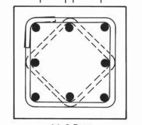 " the sheet follow in consistante units example mm for length , Mpa for stress and N for forces , N.mm for momment"
factor of long term strength (k1) |  |  | 0.8
factor of sample correction (k2) |  |  | 0.825
factor of stress distribution (k3) |  |  | 0.8
factor of fallier criteria |  |  | 0.66666666667
shear factor(max) |  |  | 0.7
shear factor |  |  | 0.24
minium distance longtudinal steel |  |  | 300
minium longtudinal rein. |  |  | 0.01
max stirub spacing |  |  | 200

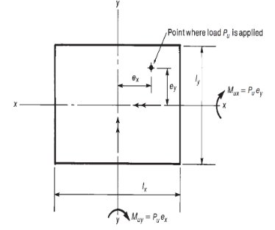
Concrete proberties |  |  |  |  | steel proberties
fcu |  | 25 |  |  | fy |  | 360
ec |  | 0.003 |  |  | E |  | 2.00E+05
yc |  | 1.5 |  |  | ys |  | 1.15
fc |  | 11 |  |  | fy(str) |  | 240
qcu(max) |  | 2.8577380332 |  |  | fs |  | 313.04347826
qcu |  | 0.97979589711 |  |  | fstr |  | 208.69565217
 |  |  |  |  | ey |  | 0.00180
Loads
Ultimate Comperision PU |  |  | 7.00E+06
Bending about minor axis Mx1 |  |  | 7.00E+07 |  | Bending about major axis My1 |  |  | 8.00E+08
Bending about minor axis Mx2 |  |  | 0.00E+00 |  | Bending about major axis My2 |  |  | 1.60E+09

EX1 |  |  | 10 |  | EY1 |  |  | 114.28571429
EX2 |  |  | 0 |  | EY2 |  |  | 228.57142857
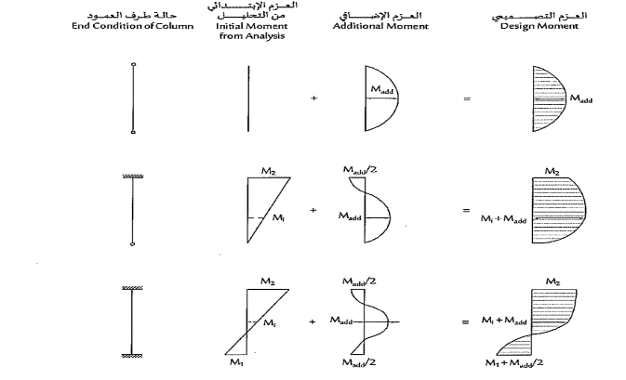
Coulmn Dimminsions

Cross section Dimminsions
breadth |  |  | 600
thickness |  |  | 1200
cover |  |  | 25
Buckling
non sway |  |  | TRUE
Length |  |  | 5000
 | x |  |  |  |  | y
upper fixation condition |  |  | 2 |  | upper fixation condition |  |  | 2
lower fixation condition |  |  | 2 |  | lower fixation condition |  |  | 2
buckling factor |  |  | 0.85 |  | buckling factor |  |  | 0.85
buckling length |  |  | 4250 |  | buckling length |  |  | 4250

Aditional loads
selender ratio x |  |  | 3.5416666667 |  | selender ratio y |  |  | 7.0833333333
delta x |  |  | 7.5260416667 |  | delta y |  |  | 15.052083333
ex I = 0.4*e1+0.6*e2>0.4* e2 |  |  | 6 |  | ey i |  |  | 182.85714286

exi + deltax |  |  | 13.526041667 |  | eyi + deltax |  |  | 197.90922619
ex1 + delta /2 |  |  | 3.7630208333 |  | ey1 + delta /2 |  |  | 121.81175595

EX |  |  | 13.526041667 |  | EY |  |  | 228.57142857

design of section
ex/t |  |  | 0.011271701389 |  | ey/b |  |  | 0.38095238095

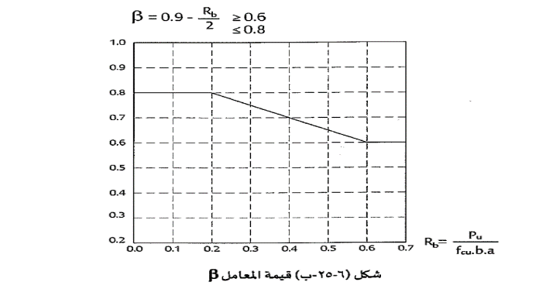
rectangularty |  |  | 2
Rpu |  |  | 0.38888888889
Rp |  |  | 0.88383838384
EX |  |  | 0.38095238095
EY |  |  | 0.011271701389
B |  |  | 0.70555555556
alpha |  |  | 0.70555555556
e/t |  |  | 0.38890519249
rectangularty |  |  | 0.5

wd = AxialForceAndBendingSectionDesign_UF(Rp, Rp*e/t ,fy/E, rec , ec=0.03, k1=0.8, n =14)

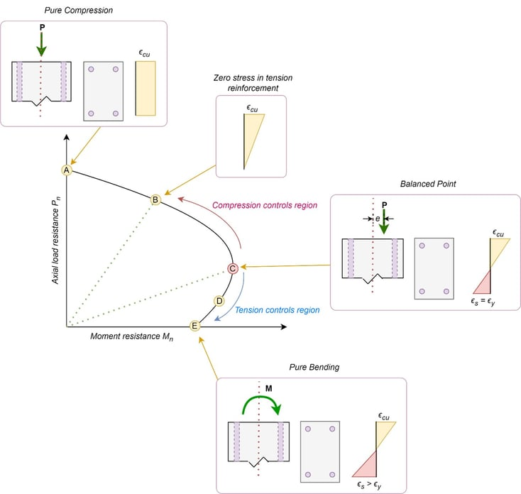


w |  |  | 0.84491559616
µ |  |  | 0.4%
AS |  |  | 2914.9588067

 |  |  | Reinforcment
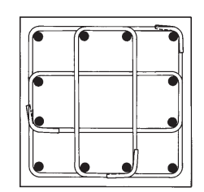

longtudinal corner steel diameter |  |  | 12 | As | 113.04
longtudinal steel diameter |  |  | 10 | As | 78.5
strirubs diameter |  |  | 10
 |  |  | N | D | As | S
corners |  |  | 4 | 12 | 452.16
thickness direction |  |  | 11 | 10 | 863.50 | 95.83 | 0.33
breadth Direction |  |  | 5 | 10 | 392.50 | 91.67
As total |  |  |  |  | 2964.16

Volume of stirubs in meter |  |  | 1800

