T-Section Beam
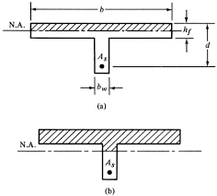
T-Section Beam
code specifications
K1 |  | 0.8 | factor of long term strength (k1)
K2 |  | 0.825 | factor of sample correction (k2)
K3 |  | 0.8 | factor of stress distribution (k3)
alpha |  | 0.66666666667 | factor of fallier criteria
Concrete proberties
fcu |  | 30 | Mpa
ec |  | 0.003
yc |  | 1.5
Steel proberties
fy |  | 360 | Mpa |  | r max = | 0.41667
fystr |  | 240 | Mpa
E |  | 200000 | Gpa
ys |  | 1.15
min. reinforcment |  | 0.31%
fs |  | 313.04347826 | Mpa
fc |  | 13.2 | Mpa
fstr |  | 208.69565217
qc (cracked) |  | 1.0733126292 | Mpa
qc(max) |  | 3.1304951685 | Mpa
qt (min) |  | 0.2683281573 |  |  |  | flange
Beam Number |  | 21 |  |  | Flange span |  | 300 | mm
Section Dimminsions |  |  |  |  | Flange thickness |  | 120 | mm
section name |  | B R 25x60
b |  | 250 | mm |  | effective width (B) = |  | 850.0
t |  | 600 | mm
cover |  | 50 | mm
d |  | 550 | mm
span |  | 4365.0 | mm

No | load case | name | M+ve | M-ve | Q1 | Q2 | T +ve | T -ve
1 | 105 | COMB1 | 41.215146957 | -67.141323901 | -72.07 | 45.387441328 | 11.717396348 | -5.3842066202
2
3
4
5
6
7
8
9
10

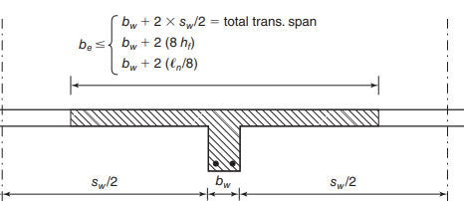

Design values
M+ve |  | 41.22 | KN.m
M-ve |  | -67.14 | KN.m

 |  |  |  | Design section
+ve moment section |  |  |  | -ve moment section
assume rectangular T beam
R1 |  | 0.01214 |  | R1 |  | 0.06726
w | tension | 0.01 |  | w | tension | 0.08
 | comp | 0.01 |  |  | comp | 0.08
safe |  | TRUE
As | tension | 465.00 | mm2 | As | tension | 485.19 | mm2
 | comp | 260.69 | mm2 |  | comp | 476.12 | mm2

true t beam
Mf |  | 3.9E+06 |  | Reinforcment
Mw |  | 0.00 |  | Upper steel |  | 485.19 | mm2
As1 |  | 3036.00 |  |  | D | 16.00 | mm
R1 |  | 0.00 |  |  | A bar | 200.96 | mm2
w | tension | 0.0000 |  |  | N | 3.00
 | comp | 0.0000
As2 |  | 0 |  | Lower steel |  | 476.12 | mm2
Ast |  | 3036 |  |  | D | 12.00 | mm
 | final |  |  |  | A bar | 113.04 | mm2
 | tension | 465.00 | mm2 |  | N | 5.00
 | comp | 260.69 | mm2

Design of section for Shear and Torsion
Design Loads |  |  |  |  | Torsion State |  | TRUE
Q |  | 72.1 | KN | if made true torsion will be considered as equilibruim torsion , and designed for .else will be considered compitability torssion and will be considered to be killed in the relaxation process due to plastic deformation
T |  | 11.7 | KN.m

 | web |  |  |  |  | Flange
x |  | 200 | mm |  | xf |  | 275 | mm
y |  | 550 | mm |  | yf |  | 70 | mm
cover |  | 25 | mm |  | cover |  | 25 | mm
A (inclosed) |  | 110000 | mm2 |  | A (inclosed) |  | 19250 | mm2
P (inclosed) |  | 1500 | mm |  | P (inclosed) |  | 690 | mm
A^2/p |  | 8.07E+06 |  |  | A^2/p |  | 5.37E+05

qu (shear) |  | 0.52 | Mpa
qu (torsion) |  | 0.75 | Mpa
qu (equvilant) |  | 0.92 | Mpa | max strength |  | Safe
 | shear design
qsu |  | 0.00 | Mpa
branches number |  | 2
Astr/S |  | 0
stirub Diameter |  | 8 | mm | A bar | 50.24 | mm2
S |  | 200

 | torsion design
neglect |  | FALSE
Astr/S |  | 0.30024522729
stirub Diameter |  | 8 | mm | A bar | 50.24 | mm2
S |  | 167.33 | mm
As (longitudinal) |  | 300.2 | mm2
longitudinal bars |  | USE | N | 8.00 | D | 8 | (on four faces )

 | Reinforcment
stirubs
S |  | 167.3 | mm |  | N | 5

As (shear) |  | 0.0
As (open stirubs) |  | 0.0 | mm2 | NO USE | D | 8 | braches | 0
As (clossed stirubs) |  | 50.2 | mm2 | USE | D | 8

Coulmn
coulmns

code specifications |  |  |  |  | 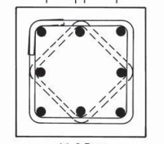 " the sheet follow in consistante units example mm for length , Mpa for stress and N for forces , N.mm for momment"
factor of long term strength (k1) |  |  | 0.8
factor of sample correction (k2) |  |  | 0.825
factor of stress distribution (k3) |  |  | 0.8
factor of fallier criteria |  |  | 0.66666666667
shear factor(max) |  |  | 0.7
shear factor |  |  | 0.24
minium distance longtudinal steel |  |  | 300
minium longtudinal rein. |  |  | 0.01

Concrete proberties |  |  |  |  | steel proberties
fcu |  | 25 | Mpa |  | fy |  | 360 | Mpa
ec |  | 0.003 |  |  | E |  | 2.00E+05 | Gpa
yc |  | 1.5 |  |  | ys |  | 1.15
fc |  | 11 | Mpa |  | fy(str) |  | 240 | Mpa
qcu(max) |  | 2.8577380332 | Mpa |  | fs |  | 313.04347826 | Mpa
qcu |  | 0.97979589711 | Mpa |  | fstr |  | 208.69565217 | Mpa
 |  |  |  |  | ey |  | 0.00180

Member Number |  |  | 420

Coulmn Dimminsions
Length |  |  | 3000 | mm
Cross section Dimminsions
Section Name |  |  | C R30x65
breadth |  |  | 300 | mm
thickness |  |  | 650 | mm
cover |  |  | 25 | mm

Loads
Num | case | case Name | Mx1 | Mx2 | My1 | My2 | N1 | N2
 |  |  | KN.m | KN.m | KN.m | KN.m | KN | KN
1 | 105 | #No RSA structure | 0.17182181103 | 2.1047424012 | 9.0344430093 | 10.751016621 | 956.87998679 | 956.87998679
2
3
4
5
6
7
8
9
10
11
12
13
14
15
16
17
18
19
20

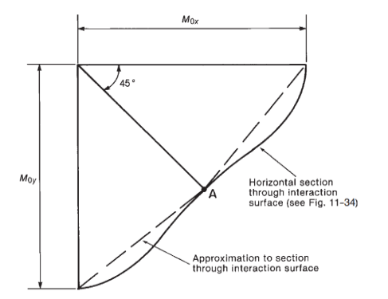
design loads on section
Case | Index | Mx | My | N | ex/t | ey/b
Max Mx1 | 1 | 0.17182181103 | 9.0344430093 | 956.87998679 | 0.00059854880238 | 0.01452548207
Max Mx2 | 1 | 2.1047424012 | 10.751016621 | 956.87998679 | 0.007331962316 | 0.017285370997
Max My1 | 1 | 0.17182181103 | 9.0344430093 | 956.87998679 | 0.00059854880238 | 0.01452548207
Max My2 | 1 | 2.1047424012 | 10.751016621 | 956.87998679 | 0.007331962316 | 0.017285370997
Max N1 | 1 | 0.17182181103 | 9.0344430093 | 956.87998679 | 0.00059854880238 | 0.01452548207
Max N2 | 1 | 2.1047424012 | 10.751016621 | 956.87998679 | 0.007331962316 | 0.017285370997

rectangularty |  |  | 2.1666666667

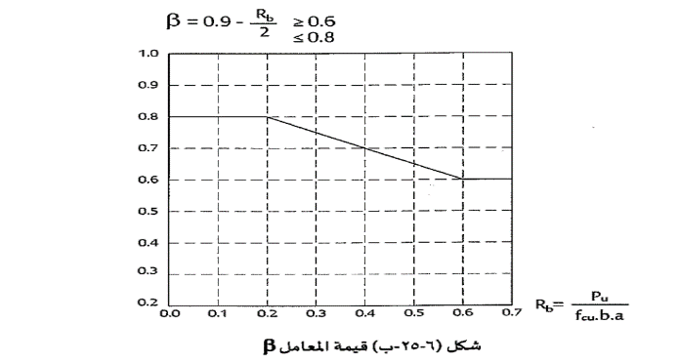
Case | Rb (Mpa) | beta | e/t | rec | w
Max Mx1 | 0.44609789594 | 0.8 | 0.015004321112 | 0.46153846154 | 0.008
Max Mx2 | 0.44609789594 | 0.8 | 0.02315094085 | 0.46153846154 | 0.008
Max My1 | 0.44609789594 | 0.8 | 0.015004321112 | 0.46153846154 | 0.008
Max My2 | 0.44609789594 | 0.8 | 0.02315094085 | 0.46153846154 | 0.008
Max N1 | 0.44609789594 | 0.8 | 0.015004321112 | 0.46153846154 | 0.008
Max N2 | 0.44609789594 | 0.8 | 0.02315094085 | 0.46153846154 | 0.008

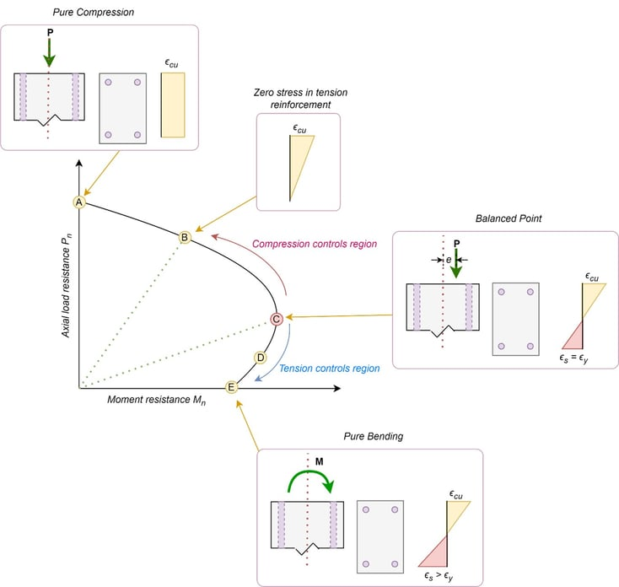
 | Reinforcment
 | the coulmn is designed using the interaction
 | digram for two sections at top and bottom
 | three loading cases are considered at each section

 | w | 0.008
 | µ | 1.0%
 | AS | 1950

 | Reinforcment details

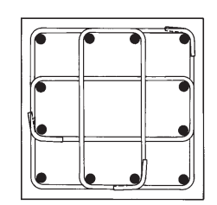
 | long. corner steel diameter |  |  | 18 | As | 254.34
 | longtudinal steel diameter |  |  | 16 | As | 200.96
 | strirubs diameter |  |  | 8

 |  |  |  | N | D | As | S
 | corners |  |  | 4 | 18 | 1017.36
 | thickness direction |  |  | 2 | 16 | 401.92 | 200.00 | 0.34
 | breadth Direction |  |  | 1 | 16 | 200.96 | 125.00
 | As total |  |  |  |  | 2223.12

