Dashboard
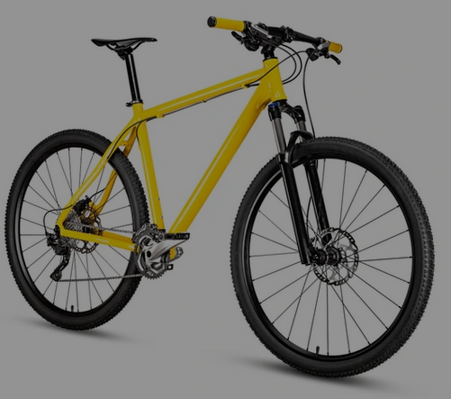
Bike Sales Dashboard
Sample
1000

Bike v No Bike
 | Total
No Bike | 519
Bike | 481
Commute Distance
 | No Bike | Bike
0-1 Miles | 166 | 200
1-2 Miles | 92 | 77
2-5 Miles | 67 | 95
5-10 Miles | 116 | 76
Above 10 | 78 | 33
Age
 | Female | Male
Young | 3 | 3
Middle Age | 286 | 290
Old | 200 | 218
Marital Status
 | No Bike | Bike
Married | 307 | 231
Single | 212 | 250

Average Income
 | Total
No | 54,875
Yes | 57,963
R
 | No Bike | Bike
Europe | 152 | 148
North America | 288 | 220
Pacific | 79 | 113
G
 | No Bike | Bike
Female | 250 | 239
Male | 269 | 242
a
 | No Bike | Bike
Have Car | 423 | 330
No Car | 96 | 151
H
 | No Bike | Bike
Home Owner | 358 | 325
Not Home Owner | 161 | 156

