IranMap
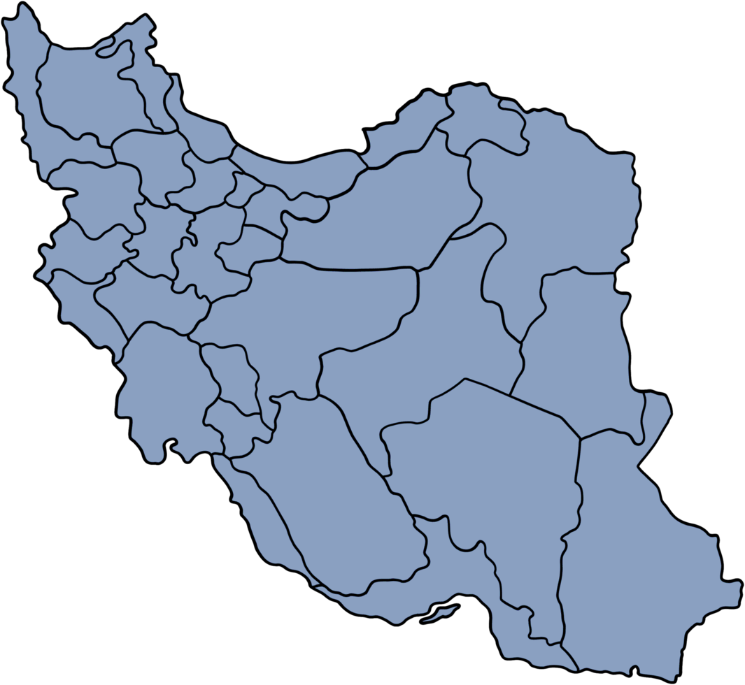
Digikala Dynamic Map
 |  |  | Dummy Values |  |  |  |  | Select Assortment | Phone
Assortment | Region | Sales (MT) | X | Y | Region | Revenue | Max Revenue
Perfume | North | 860 | 4 | 7.5 | North | 468
Perfume | South | 792 | 6 | 2 | South | 138
Perfume | East | 133 | 7 | 6 | East | 813 | 813
Perfume | West | 288 | 1.5 | 6 | West | 496
Perfume | Center | 238 | 4.5 | 5 | Center | 108
Toy | North | 919
Toy | South | 877
Toy | East | 669
Toy | West | 911
Toy | Center | 572
Laptop | North | 340
Laptop | South | 862
Laptop | East | 560
Laptop | West | 849
Laptop | Center | 217
Phone | North | 468
Phone | South | 138
Phone | East | 813
Phone | West | 496
Phone | Center | 108

