Sheet1
 |  |  | Tree Based Algorithms
Experiment IDA2:I3K7A2:K3A2:J3A2:J4A2:J5A2:I5A2:H5A2:H4 | Training Date Range | Testing Date Range | Imputation Method | Features | Model Type | Model Name | Model Evaluation | Hyper-parameter Tuning | Model Hyper-parameters | Results | Confusion Matrix | Challenges | Top 10 Features | Top 15 Features
1 | 2019 | 2019 | Mean, Median & KNN | All Features in the Tabular Dataset including all borough codes | Classification | Decision Tree | Precision, recall, f1-score and AUC ROC | GridSearchCV with CV 5 and 10 | max_depth=6, min_samples_split=4, min_samples_leaf=6 | Results for all 3 imputation methods Training Report: precision recall f1-score support 0 0.98 1.00 0.99 96 1 1.00 0.83 0.91 12 accuracy 0.98 108 macro avg 0.99 0.92 0.95 108 weighted avg 0.98 0.98 0.98 108 Testing Report: precision recall f1-score support 0 1.00 1.00 1.00 34 1 1.00 1.00 1.00 2 accuracy 1.00 36 macro avg 1.00 1.00 1.00 36 weighted avg 1.00 1.00 1.00 36 | [[34 0] [ 0 2]] | imbalance issue Class 0 had 130 and class 1 had 14 records only | Mean: Male Full Time Workers - mean_annual 0.9499072356215212 Female Part Time Workers - median_annual 0.05009276437847876 Median: Full Time Workers - median_annual 0.9499072356215212 Unemployment rate - aged 16+ 0.05009276437847876 KNN: % who are economically inactive - aged 16+ 0.900774102744546 duration_minutes 0.051724137931034475 % of all 16+ who are aged 20-24 0.04750175932441951
3 | 2016-2018 | 2019 | Mean, Median & KNN | All Features in the Tabular Dataset including all borough codes | Classification | Decision Tree | Precision, recall, f1-score and AUC ROC | RandomSearch with cv: 5 and 10 | min_samples_split=19, min_samples_leaf=12, max_depth=18 | Results for all 3 imputation methods Training Report: precision recall f1-score support 0 0.98 0.99 0.99 382 1 0.90 0.88 0.89 50 accuracy 0.97 432 macro avg 0.94 0.93 0.94 432 weighted avg 0.97 0.97 0.97 432 Testing Report: precision recall f1-score support 0 1.00 0.97 0.98 130 1 0.78 1.00 0.88 14 accuracy 0.97 144 macro avg 0.89 0.98 0.93 144 weighted avg 0.98 0.97 0.97 144 Training accuracy Score: 0.9722222222222222 Testing accuracy Score: 0.9745370370370371 Training ROC AUC Score 0.9334554973821989 Testing ROC AUC Score 0.9846153846153847 | [[126 4] [ 0 14]] | Imbalance issue but the model was able to generalize better especially on the KNN imputation as shown on the left | Mean: borough_code_E09000033 0.7501633093589962 humidity 0.13669359973963124 IDAOPI - Rank of average score 0.06206213602724097 start_number_of_docks 0.044900026885904804 % of all 16+ who are aged 65+ 0.006180927988226812 KNN: borough_code_E09000033 0.7501633093589962 humidity 0.13669359973963124 % of all 16+ who are aged 65+ 0.06206213602724097 start_number_of_docks 0.044900026885904804 % of all people aged 16+ who are female 0.006180927988226812 Median: borough_code_E09000033 0.7501633093589962 humidity 0.13669359973963124 IDAOPI - Average score 0.06206213602724097 start_number_of_docks 0.044900026885904804 % of all people aged 16+ who are female 0.006180927988226812 | 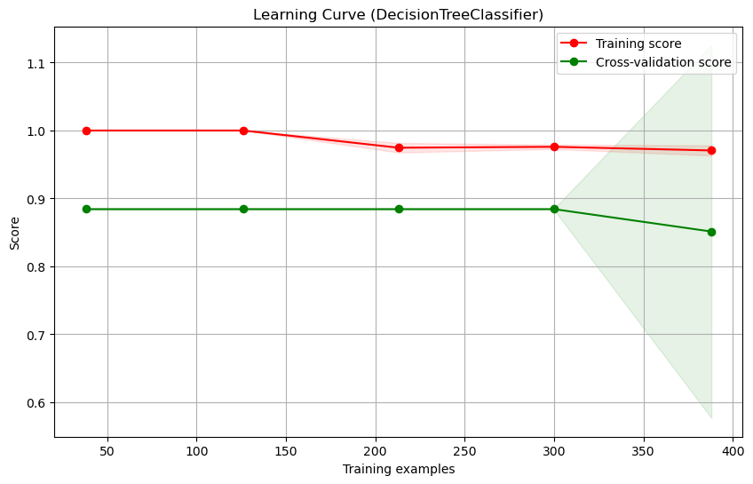 |  |  |  |  | 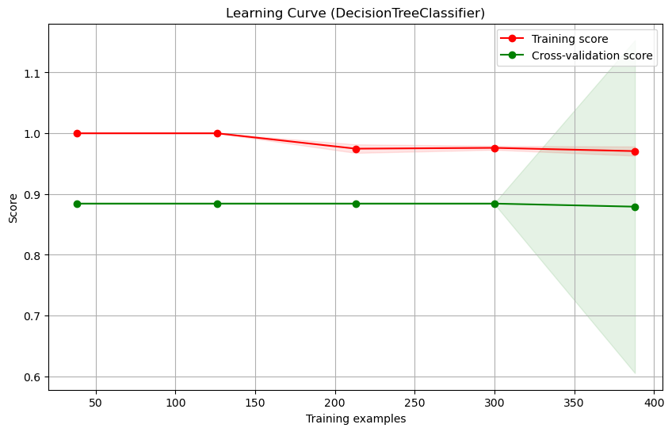
4 | 2016-2018 | 2019 | Mean, Median & KNN | All Features in the Tabular Dataset except for borough codes | Classification | Decision Tree | Precision, recall, f1-score and AUC ROC | RandomSearch with cv: 5 and 10 | min_samples_split=19, min_samples_leaf=12, max_depth=18 | Results for all 3 imputation methods Training Report: precision recall f1-score support 0 0.98 0.99 0.99 382 1 0.90 0.88 0.89 50 accuracy 0.97 432 macro avg 0.94 0.93 0.94 432 weighted avg 0.97 0.97 0.97 432 Testing Report: precision recall f1-score support 0 1.00 0.97 0.98 130 1 0.78 1.00 0.88 14 accuracy 0.97 144 macro avg 0.89 0.98 0.93 144 weighted avg 0.98 0.97 0.97 144 Training accuracy Score: 0.9722222222222222 Testing accuracy Score: 0.9745370370370371 Training ROC AUC Score 0.9334554973821989 Testing ROC AUC Score 0.9846153846153847" | "[[126 4] [ 0 14]]" | Same results as previous except that with more data it is not being able to produce better results as shown on the left images. | Mean: Full Time Workers - median_annual 0.527439188328687 IMD - Proportion of LSOAs in most deprived 10% nationally 0.22328602357469324 humidity 0.13669359973963122 IDAOPI - Average score 0.06159614443439817 start_number_of_docks 0.044804115934363495 % of all 16+ who are aged 16-19 0.006180927988226811 KNN: Male Full Time Workers - mean_annual 0.48382855619152176 % in employment working part-time - aged 50+ 0.2606622780321125 humidity 0.13197406422737792 IDAOPI - Average score 0.06721660414065238 feelslike 0.05035097450414093 % in employment working full-time - aged 50+ 0.005967522904194488 Median: Full Time Workers - median_annual 0.527439188328687 IMD - Proportion of LSOAs in most deprived 10% nationally 0.22328602357469324 humidity 0.13669359973963122 IDAOPI - Average score 0.06159614443439817 start_number_of_docks 0.044804115934363495 % of all 16+ who are aged 16-19 0.006180927988226811 | 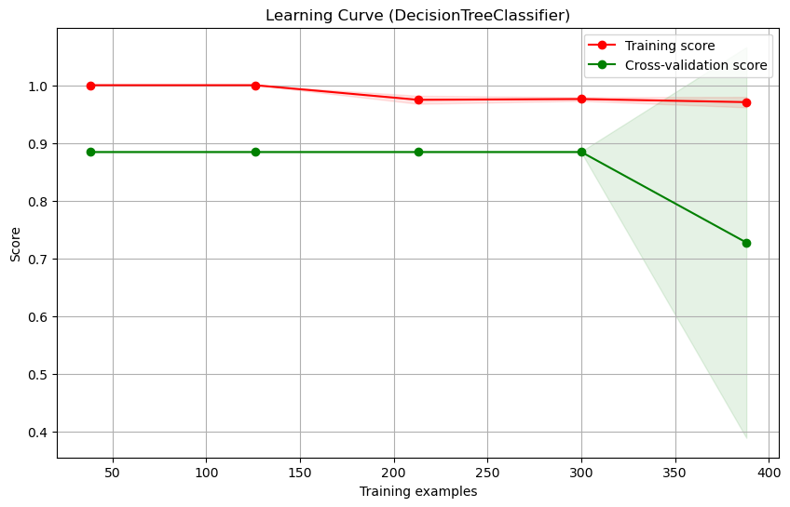 |  |  |  | 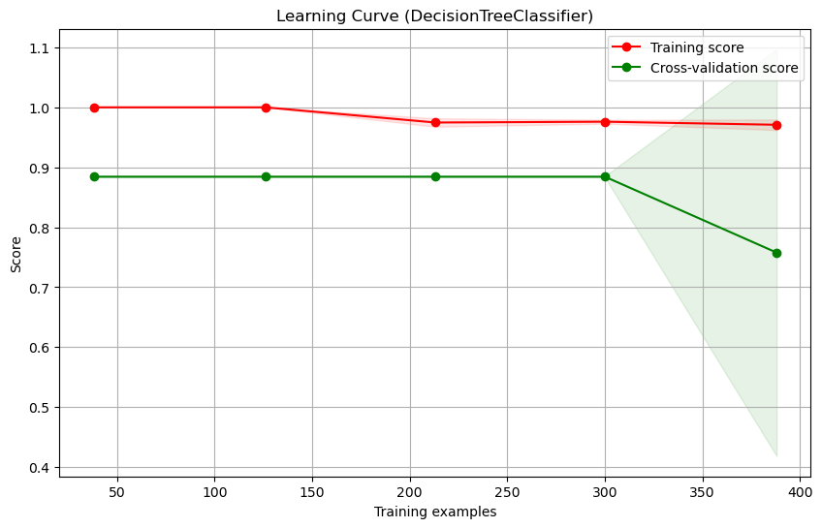 |  |  | 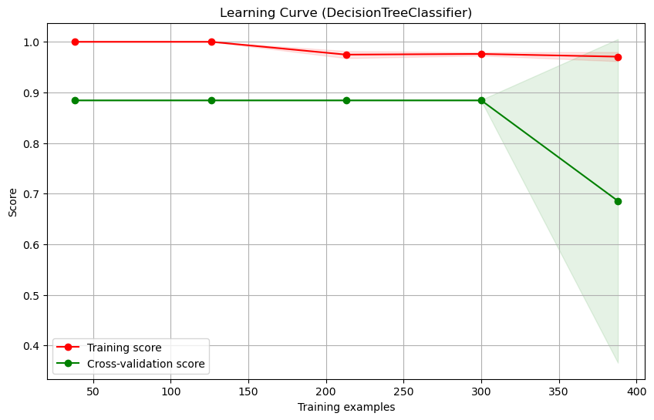
5 | 2016-2018 | 2019 | Mean, Median & KNN | All Features in the Tabular Dataset except for borough codes | Classification | Random Forest | Precision, recall, f1-score and AUC ROC | RandomSearch with cv: 5 and 10 | n_estimators=150, min_samples_split=8, min_samples_leaf= 3, max_depth=14 | Mean: Training Report: precision recall f1-score support 0 0.99 0.99 0.99 382 1 0.96 0.90 0.93 50 accuracy 0.98 432 macro avg 0.97 0.95 0.96 432 weighted avg 0.98 0.98 0.98 432 Testing Report: precision recall f1-score support 0 0.98 1.00 0.99 130 1 1.00 0.86 0.92 14 accuracy 0.99 144 macro avg 0.99 0.93 0.96 144 weighted avg 0.99 0.99 0.99 144 Confusion Matrix: [[130 0] [ 2 12]] Training accuracy Score: 0.9837962962962963 Testing accuracy Score: 0.9861111111111112 Training ROC AUC Score 0.9473821989528796 Testing ROC AUC Score 0.9285714285714286 KNN: Training Report: precision recall f1-score support 0 0.99 0.99 0.99 382 1 0.96 0.92 0.94 50 accuracy 0.99 432 macro avg 0.97 0.96 0.97 432 weighted avg 0.99 0.99 0.99 432 Testing Report: precision recall f1-score support 0 0.98 1.00 0.99 130 1 1.00 0.86 0.92 14 accuracy 0.99 144 macro avg 0.99 0.93 0.96 144 weighted avg 0.99 0.99 0.99 144 Confusion Matrix: [[130 0] [ 2 12]] Training accuracy Score: 0.9861111111111112 Testing accuracy Score: 0.9861111111111112 Training ROC AUC Score 0.9573821989528797 Testing ROC AUC Score 0.9285714285714286 Median: Training Report: precision recall f1-score support 0 0.96 0.99 0.98 382 | [[130 0] [ 2 12]] | We got higher f1 score but there are 2 records that were wrongly identified as class 0. there is an Imbalance issue | Mean: Full Time Workers - median_annual 0.04171970898635198 Employment - Proportion of LSOAs in most deprived 10% nationally 0.03796530439865354 Employment - Rank of proportion of LSOAs in most deprived 10% nationally 0.031126537775493467 Female Full Time Workers - mean_annual 0.030553069860045648 Full Time Workers - mean_annual 0.030262293260538572 average_house_price 0.029305204095021777 start_number_of_bikes 0.029047913955927332 Health Deprivation and Disability - Average score 0.02576358851564944 % who are economically inactive - aged 16+ 0.022784892271644788 humidity 0.021228897810042127 KNN: Male Full Time Workers - mean_annual 0.06528745244338771 Employment - Proportion of LSOAs in most deprived 10% nationally 0.03393102543496438 Employment - Rank of proportion of LSOAs in most deprived 10% nationally 0.029371064864101754 average_house_price 0.029241664928547635 Health Deprivation and Disability - Average score 0.02809689752439711 duration_minutes 0.022582926039843063 Crime - Rank of average rank 0.021115419855511592 Female Full Time Workers - mean_annual 0.020568988951971852 IDACI - Rank of average rank 0.019190344555687747 Economic activity rate - aged 16+ 0.018228214177901134 Median: Employment - Proportion of LSOAs in most deprived 10% nationally 0.06307001335475045 Full Time Workers - median_annual 0.0495447593544281 Full Time Workers - mean_annual 0.0406908527313368 Female Full Time Workers - mean_annual 0.03666416082728068 Male Full Time Workers - median_weekly 0.03330930689985925 Employment - Rank of proportion of LSOAs in most deprived 10% nationally 0.03324449281370682 % who are economically inactive - aged 16+ 0.028377354496646863 Health Deprivation and Disability - Average score 0.02832126746334746 average_house_price 0.02759734184944318 Economic activity rate - aged 16+ 0.024628934511493096 | Mean: Full Time Workers - median_annual 0.04171970898635198 Employment - Proportion of LSOAs in most deprived 10% nationally 0.03796530439865354 Employment - Rank of proportion of LSOAs in most deprived 10% nationally 0.031126537775493467 Female Full Time Workers - mean_annual 0.030553069860045648 Full Time Workers - mean_annual 0.030262293260538572 average_house_price 0.029305204095021777 start_number_of_bikes 0.029047913955927332 Health Deprivation and Disability - Average score 0.02576358851564944 % who are economically inactive - aged 16+ 0.022784892271644788 humidity 0.021228897810042127 start_number_of_empty_docks 0.020707691858243872 Economic activity rate - aged 16+ 0.020052917278139494 duration_minutes 0.01999280859752167 feelslike 0.017538423729985205 temp 0.01703123617922495 KNN: Male Full Time Workers - mean_annual 0.06528745244338771 Employment - Proportion of LSOAs in most deprived 10% nationally 0.03393102543496438 Employment - Rank of proportion of LSOAs in most deprived 10% nationally 0.029371064864101754 average_house_price 0.029241664928547635 Health Deprivation and Disability - Average score 0.02809689752439711 duration_minutes 0.022582926039843063 Crime - Rank of average rank 0.021115419855511592 Female Full Time Workers - mean_annual 0.020568988951971852 IDACI - Rank of average rank 0.019190344555687747 Economic activity rate - aged 16+ 0.018228214177901134 start_number_standard_bikes 0.018045236405267347 Barriers to Housing and Services - Proportion of LSOAs in most deprived 10% nationally 0.017990409158829043 start_number_of_bikes 0.017680136707280393 Crime - Average score 0.017246481826042874 start_number_of_empty_docks 0.01672660724281158 Median: Employment - Proportion of LSOAs in most deprived 10% nationally 0.06307001335475045 Full Time Workers - median_annual 0.0495447593544281 Full Time Workers - mean_annual 0.0406908527313368 Female Full Time Workers - mean_annual 0.03666416082 | 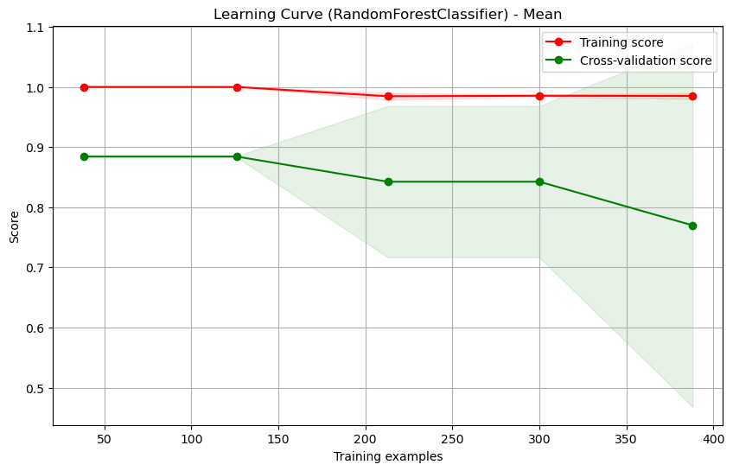 |  |  |  |  |  |  | 
6 | 2016-2018 | 2019 | Mean, Median & KNN | All Features in the Tabular Dataset except for borough codes | Classification | Gradient Boost | Precision, recall, f1-score and AUC ROC | RandomSearch with cv: 5 and 10 | n_estimators=150, min_samples_split=13, min_samples_leaf= 8, max_depth=7, learning_rate=0.01 | Mean: Training Report: precision recall f1-score support 0 1.00 0.99 1.00 382 1 0.96 0.98 0.97 50 accuracy 0.99 432 macro avg 0.98 0.99 0.98 432 weighted avg 0.99 0.99 0.99 432 Testing Report: precision recall f1-score support 0 1.00 0.99 1.00 130 1 0.93 1.00 0.97 14 accuracy 0.99 144 macro avg 0.97 1.00 0.98 144 weighted avg 0.99 0.99 0.99 144 Training accuracy Score: 0.9930555555555556 Testing accuracy Score: 0.9930555555555556 Training ROC AUC Score 0.9873821989528797 Testing ROC AUC Score 0.9961538461538462 KNN: Training Report: precision recall f1-score support 0 1.00 0.99 1.00 382 1 0.96 1.00 0.98 50 accuracy 1.00 432 macro avg 0.98 1.00 0.99 432 weighted avg 1.00 1.00 1.00 432 Testing Report: precision recall f1-score support 0 1.00 0.99 1.00 130 1 0.93 1.00 0.97 14 accuracy 0.99 144 macro avg 0.97 1.00 0.98 144 weighted avg 0.99 0.99 0.99 144 Training accuracy Score: 0.9930555555555556 Testing accuracy Score: 0.9953703703703703 Training ROC AUC Score 0.9973821989528796 Testing ROC AUC Score 0.9961538461538462 Median: Training Report: precision recall f1-score support 0 1.00 0.99 1.00 382 1 0.96 0.98 0.97 50 accuracy | [[129 1] [ 0 14]] | It is generalizing better and able to capture more relationships than random forest or decision tree especially for KNN imputation it had higher f1-score on the training set | Mean: Full Time Workers - median_annual 0.48548072217419513 humidity 0.08109434611991308 Unemployment rate - aged 16+ 0.039024545372011575 start_number_of_docks 0.035612252967019205 feelslike 0.03179862149745574 % with NVQ2 only - aged 16-64 0.02970400379897771 duration_minutes 0.025036228923840123 temp 0.017734740177056268 start_number_standard_bikes 0.01347723424130308 % of all 16+ who are aged 25-34 0.012210198865259213 KNN: Male Full Time Workers - mean_annual 0.458090820161939 humidity 0.09253269355242529 start_number_of_empty_docks 0.04084313109341787 feelslike 0.03429520450728657 temp 0.03377920976299593 % with NVQ2 only - aged 16-64 0.025175669638016963 % in employment working part-time - aged 50+ 0.01806071947562131 Unemployment rate - aged 16+ 0.016193322205814237 duration_minutes 0.015197048050642353 % of all 16+ who are aged 65+ 0.014232579114449695 Median: Full Time Workers - median_annual 0.48626767133897103 humidity 0.0833959537474365 start_number_of_docks 0.03615623999488645 Unemployment rate - aged 16+ 0.032050335561282735 feelslike 0.029953822782859206 % with NVQ2 only - aged 16-64 0.029130298565072044 duration_minutes 0.02462077684787507 temp 0.019704463126772216 % of all 16+ who are aged 25-34 0.012232707373213907 % of all 16+ who are aged 16-19 0.011466938939226594 | Mean: Full Time Workers - median_annual 0.48548072217419513 humidity 0.08109434611991308 Unemployment rate - aged 16+ 0.039024545372011575 start_number_of_docks 0.035612252967019205 feelslike 0.03179862149745574 % with NVQ2 only - aged 16-64 0.02970400379897771 duration_minutes 0.025036228923840123 temp 0.017734740177056268 start_number_standard_bikes 0.01347723424130308 % of all 16+ who are aged 25-34 0.012210198865259213 start_number_ebikes 0.009571962343650632 % of all 16+ who are aged 16-19 0.009402354362711597 cloudcover 0.009228470477277467 % in employment working part-time - aged 25-49 0.00837083935379516 Female Part Time Workers - mean_hourly 0.008084284615893075 Part Time Workers - median_hourly 0.007657964474294814 KNN: Male Full Time Workers - mean_annual 0.458090820161939 humidity 0.09253269355242529 start_number_of_empty_docks 0.04084313109341787 feelslike 0.03429520450728657 temp 0.03377920976299593 % with NVQ2 only - aged 16-64 0.025175669638016963 % in employment working part-time - aged 50+ 0.01806071947562131 Unemployment rate - aged 16+ 0.016193322205814237 duration_minutes 0.015197048050642353 % of all 16+ who are aged 65+ 0.014232579114449695 Male Full Time Workers - median_weekly 0.012822005647861285 % of all 16+ who are aged 16-19 0.011936759349978624 IDAOPI - Average score 0.011783354249783376 start_number_standard_bikes 0.011057258936139978 % of all people aged 16+ who are female 0.01024478904336968 Median: Full Time Workers - median_annual 0.48626767133897103 humidity 0.0833959537474365 start_number_of_docks 0.03615623999488645 Unemployment rate - aged 16+ 0.032050335561282735 feelslike 0.029953822782859206 % with NVQ2 only - aged 16-64 0.029130298565072044 duration_minutes 0.02462077684787507 temp 0.019704463126772216 % of all 16+ who are aged 25-34 0.012232707373213907 % of all 16+ who are aged 16-19 0.011466938939226594 Income - Proportion of LSOAs in most deprived 10% nationally 0.00 | 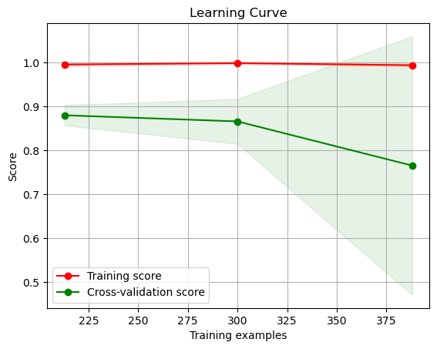 |  | 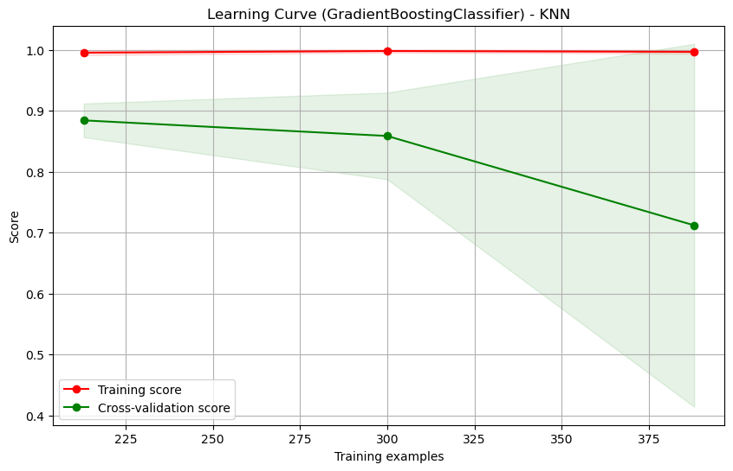
7 | 2016-2018 | 2019 | KNN | All Features in the Tabular Dataset except for borough codes | Classification | Gradient Boost | Precision, recall, f1-score and AUC ROC |  | n_estimators=150, min_samples_split=13, min_samples_leaf= 8, max_depth=7, learning_rate=0.01 | Training Report: precision recall f1-score support 0 1.00 0.99 1.00 382 1 0.96 1.00 0.98 50 accuracy 1.00 432 macro avg 0.98 1.00 0.99 432 weighted avg 1.00 1.00 1.00 432 Testing Report: precision recall f1-score support 0 1.00 0.99 1.00 130 1 0.93 1.00 0.97 14 accuracy 0.99 144 macro avg 0.97 1.00 0.98 144 weighted avg 0.99 0.99 0.99 144 Training accuracy Score: 0.9953703703703703 Testing accuracy Score: 0.9930555555555556 Training ROC AUC Score 0.9973821989528796 Testing ROC AUC Score 0.9961538461538462 | [[129 1] [ 0 14]] |  | 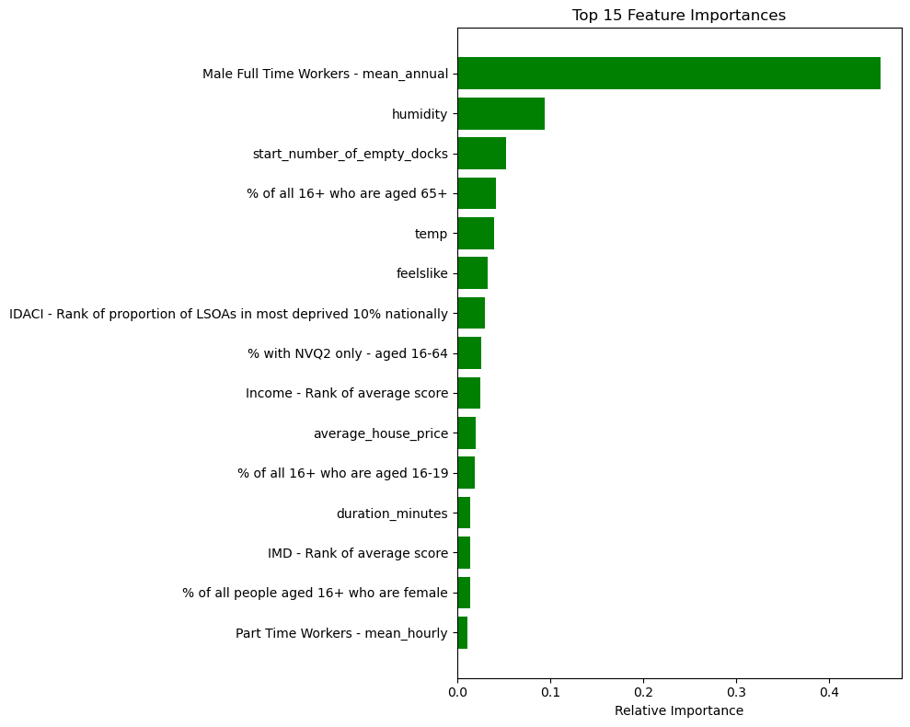 |  | 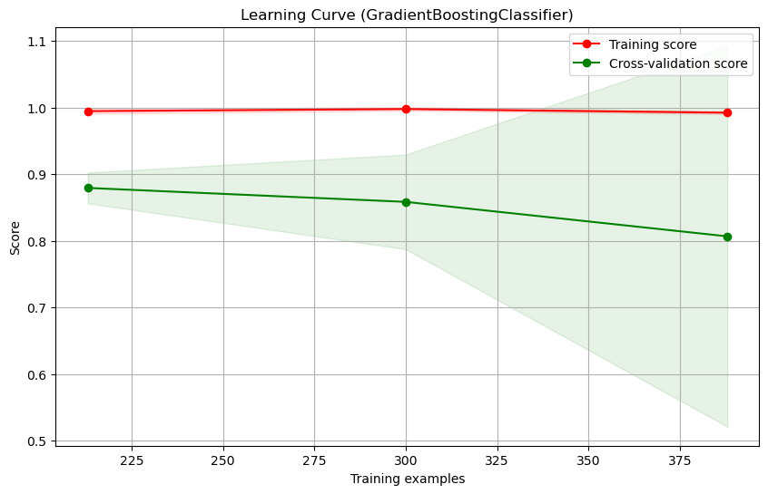 |  |  |  |  | 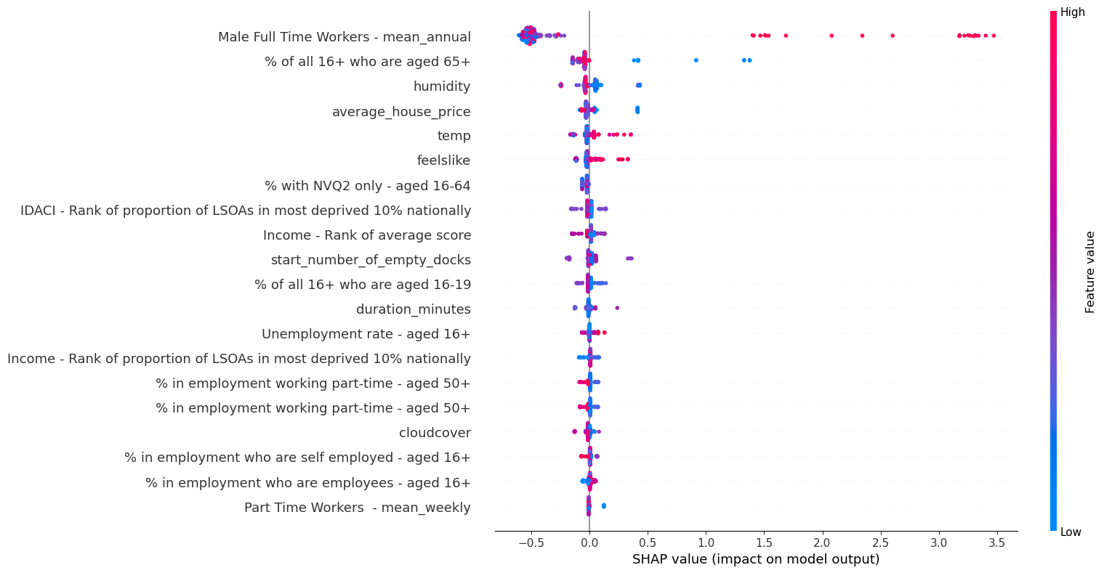 |  |  | The Gradient Boosted Classifier provides a mechanism to determine the influence of each feature in predicting a target class. The values presented here represent the relative importance of each feature for predicting the occurrence of Class 1 ("high demand"). Magnitude of Values: The magnitude of the value signifies the importance of the feature. A larger absolute value indicates that the feature plays a significant role in the decision-making process, whereas a value close to zero suggests that the feature has little to no importance in predicting Class 1. Features with the largest absolute values can be considered the most impactful in influencing the model's decision towards predicting "high demand". Positive vs. Negative Values: A positive value indicates that an increase in the feature's value pushes the model's prediction towards Class 1 ("high demand"). A negative value suggests that an increase in the feature's value moves the model's prediction away from Class 1, or towards the opposite class. For instance, if average_house_price has a positive value, it means that higher house prices increase the likelihood of predicting "high demand". Conversely, a negative value for a feature like dew means that as dew increases, the likelihood of "high demand" decreases. Key Takeaways: The features with the highest absolute importance values can provide stakeholders with actionable insights. For instance, if economic factors like "Male Full Time Workers - mean_annual" have high importance, then economic trends might be a key driver of demand. Weather conditions like dew, uvindex, humidity, and cloudcover also seem to influence the demand, suggesting that environmental factors play a role in predicting high demand. | 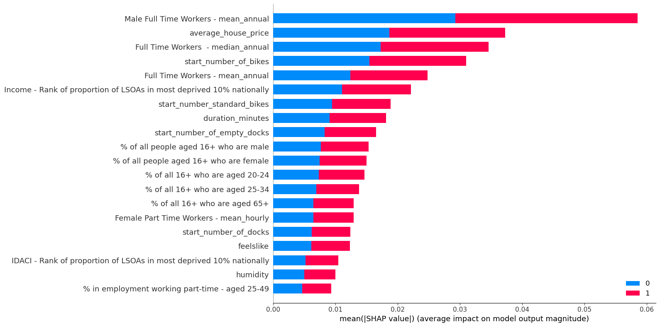 | Random Forest SHAP values
8 | 2016-2018 | 2019 | Mean, Median & KNN | All Features in the Tabular Dataset including all borough codes | Regression | Decision Tree | RMSE and precision vs recall | RandomSearch with cv: 5 and 10 | max_depth': 10, 'min_samples_leaf': 2, 'min_samples_split': 5 | KNN: 0.9518355842889141 0.9416568506576146 Root Mean Squared Error: 11323.063965842526 12213.404533359706 Mean: 0.9912258254465162 0.9187715301747138 Root Mean Squared Error (training, testing): 5028.030995964206 10038.423159632624 Median: 0.9923445432355434 0.9034633556644456 Root Mean Squared Error (training, testing): 5700.053674357 11055.854325746 |  | High variance between training and testing RMSE for mean and median imputation. While KNN has better results and they are close to each other | KNN Fill: borough_code_E09000033 0.6045088294930475 start_number_of_docks 0.13974754331611905 start_number_standard_bikes 0.12453218512996723 duration_minutes 0.05944818036542901 temp 0.021635799266016626 humidity 0.013328110060767302 cloudcover 0.006498413470539014 average_house_price 0.0059477093442699865 start_number_of_bikes 0.005879252471104422 dew 0.0051674379393754485 % with NVQ1 only - aged 16-64 0.004536504666814102 precip 0.004207653861449353 Living Environment - Rank of average rank 0.003239264397429789 holiday 0.0009307979666874721 feelslike 0.000392318250983526 Mean Fill: (0.7165904979587036, 'Female Full Time Workers - mean_weekly'), (0.08954130769648767, 'borough_code_E09000025'), (0.06533178230072201, 'Unemployment rate - aged 16+'), (0.04687387616255801, 'temp'), (0.029582338486864333, 'feelslike'), (0.020306182316632677, '% of all 16+ who are aged 50-64'), (0.012005729547415286, 'humidity'), (0.004763539388397125, 'Living Environment - Rank of proportion of LSOAs in most deprived 10% nationally '), (0.0046145975186904446, 'Living Environment - Average rank '), (0.004219497950043474, 'start_number_of_empty_docks'), (0.0022355836989240655, 'visibility'), (0.0012223267478899248, 'holiday'), (0.0008932063914671752, 'average_house_price'), (0.0007218186768406169, 'dew'), (0.00034320120900292576, 'windspeed'), (0.0002746912779904955, 'cloudcover'), (0.00022530954109796747, 'duration_minutes'), (0.00019538558771044597, 'start_month'), (2.5758865943317635e-05, 'start_number_of_bikes'), (2.2203106794890714e-05, 'Employment - Rank of average score '), (1.1165569823533969e-05, 'uvindex')
9 | 2016-2018 | 2019 | Mean, Median & KNN | All Features in the Tabular Dataset including all borough codes | Regression | Random Forest | RMSE and precision vs recall | RandomSearch with cv: 5 and 10 | n_estimators=150, min_samples_split=12,min_samples_leaf=8, max_depth=15 | For KNN: Training R^2: 0.9508352650918999 Testing R^2: 0.9559456760173833 Training RMS: 11440.043176383278 Testing RMS: 10612.949030585425 For Median: Train RMSE: 19686.81740217521 Test RMSE: 12300.427471444873 For mean: 14531.526568324838 15675.248573236799 |  | KNN dataset had the best results and will be used in later models | All 3 imputation borough_code_E09000033 0.6042666747173294 start_number_of_docks 0.07500741790314042 duration_minutes 0.06494998794212438 start_number_of_bikes 0.05064053278274222 start_number_standard_bikes 0.042092393034333625 humidity 0.02397331992588364 start_number_of_empty_docks 0.015384736785623692 feelslike 0.01406407861459868 temp 0.01262782873727062 cloudcover 0.012190432429652377 | All 3 imputation borough_code_E09000033 0.6042666747173294 start_number_of_docks 0.07500741790314042 duration_minutes 0.06494998794212438 start_number_of_bikes 0.05064053278274222 start_number_standard_bikes 0.042092393034333625 humidity 0.02397331992588364 start_number_of_empty_docks 0.015384736785623692 feelslike 0.01406407861459868 temp 0.01262782873727062 cloudcover 0.012190432429652377 average_house_price 0.00823148511847504 Unemployment rate - aged 16+ 0.005484744555534154 dew 0.004884695096171824 visibility 0.00431210355392396 Living Environment - Average score 0.003989016853908657
10 | 2016-2018 | 2019 | KNN | All Features in the Tabular Dataset except for borough codes | Regression | Random Forest | RMSE and precision vs recall | RandomSearch with cv: 5 and 10 | max_depth=7, min_samples_leaf=5, min_samples_split=10, n_estimators=25 | Training MSE: 208361892.8019 Training RMSE: 14434.7460 Testing MSE: 195315019.2751 Testing RMSE: 13975.5150 Training R2: 0.9306 Training Adjusted R2: 1.1768 Testing R2: 0.8397 Testing Adjusted R2: 1.0492 |  |  | % who are economically inactive - aged 16+ 0.11993050507143829 Female Full Time Workers - mean_hourly 0.08746266265320106 Female Full Time Workers - mean_weekly 0.06958791692669317 Male Full Time Workers - mean_annual 0.06545669038761098 Unemployment rate - aged 16+ 0.06544541841166372 Female Full Time Workers - median_weekly 0.0635637432958918 Female Full Time Workers - median_annual 0.06271507119107571 % in employment working part-time - aged 25-49 0.05462862378008687 Economic activity rate - aged 16+ 0.05400626111475313 average_house_price 0.052399843485848085 | % who are economically inactive - aged 16+ 0.11993050507143829 Female Full Time Workers - mean_hourly 0.08746266265320106 Female Full Time Workers - mean_weekly 0.06958791692669317 Male Full Time Workers - mean_annual 0.06545669038761098 Unemployment rate - aged 16+ 0.06544541841166372 Female Full Time Workers - median_weekly 0.0635637432958918 Female Full Time Workers - median_annual 0.06271507119107571 % in employment working part-time - aged 25-49 0.05462862378008687 Economic activity rate - aged 16+ 0.05400626111475313 average_house_price 0.052399843485848085 Full Time Workers - mean_annual 0.03473309681793485 Full Time Workers - median_annual 0.03183736080357162 start_number_of_empty_docks 0.03042634133540047 start_number_of_docks 0.027248514954018397 % of all 16+ who are aged 65+ 0.02306059776895456 |  | 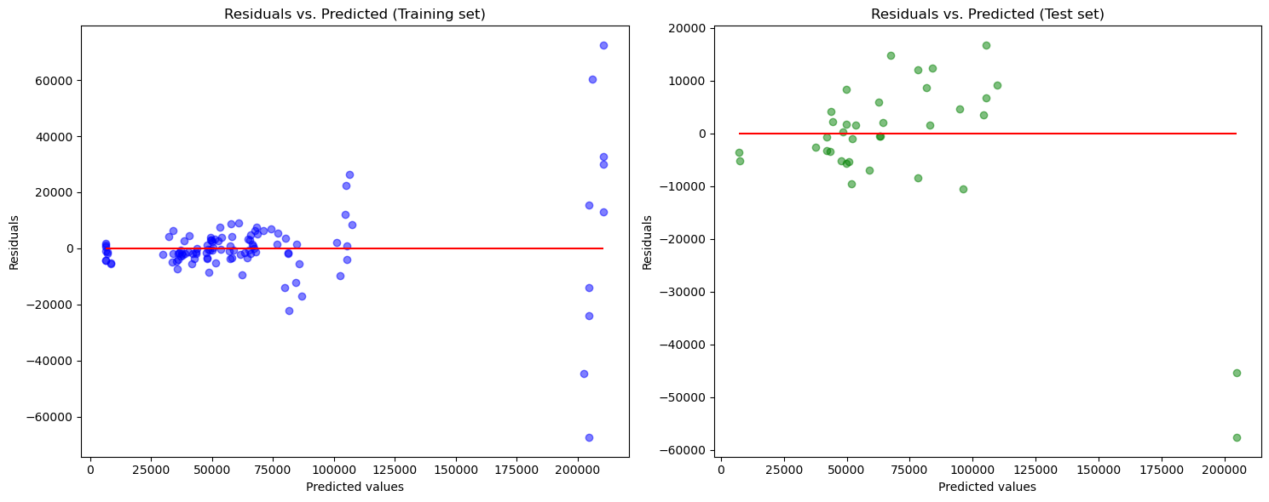
11 | 2016-2018 | 2019 | KNN | All Features in the Tabular Dataset except for borough codes | Regression | Gradient Boost | RMSE and precision vs recall | RandomSearch with cv: 5 and 10 | max_depth=7, min_samples_leaf=5, min_samples_split=10, n_estimators=25 | raining MSE: 45698289.5222 Training RMSE: 6760.0510 Testing MSE: 49399378.7042 Testing RMSE: 7028.4692 Training R2: 0.9848 Training Adjusted R2: 1.0388 Testing R2: 0.9595 Testing Adjusted R2: 1.0124 |  |  | % who are economically inactive - aged 16+ 0.2786388796072058 % in employment working part-time - aged 25-49 0.1383859995382571 Full Time Workers - median_annual 0.08757934903778537 Unemployment rate - aged 16+ 0.07856924444463106 Female Full Time Workers - median_weekly 0.07715141047837905 Full Time Workers - mean_annual 0.056999027441758485 Female Full Time Workers - median_annual 0.05464576810698617 Female Full Time Workers - mean_hourly 0.020608169084865503 temp 0.015415988850865685 visibility 0.01366836294781754 | % who are economically inactive - aged 16+ 0.2786388796072058 % in employment working part-time - aged 25-49 0.1383859995382571 Full Time Workers - median_annual 0.08757934903778537 Unemployment rate - aged 16+ 0.07856924444463106 Female Full Time Workers - median_weekly 0.07715141047837905 Full Time Workers - mean_annual 0.056999027441758485 Female Full Time Workers - median_annual 0.05464576810698617 Female Full Time Workers - mean_hourly 0.020608169084865503 temp 0.015415988850865685 visibility 0.01366836294781754 feelslike 0.013214453832130872 humidity 0.01252123457334183 uvindex 0.012470493485400537 Male Full Time Workers - mean_hourly 0.011779239720091204 Female Full Time Workers - mean_weekly 0.010622445694139624 |  | 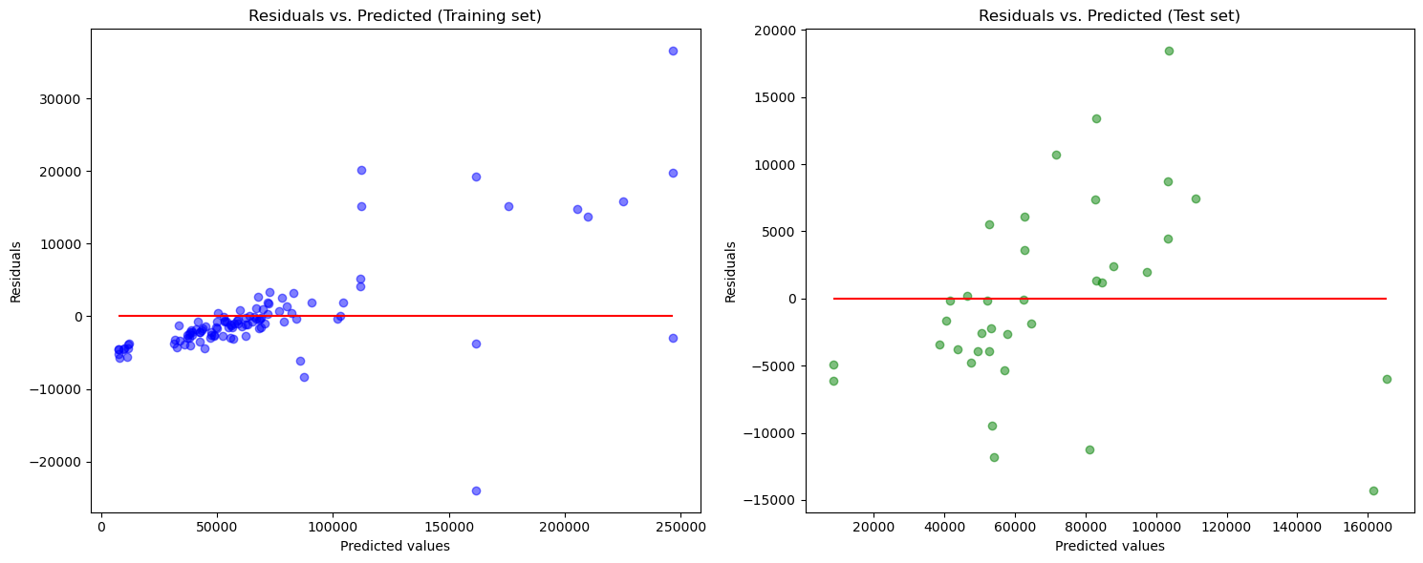 |  |  |  |  | 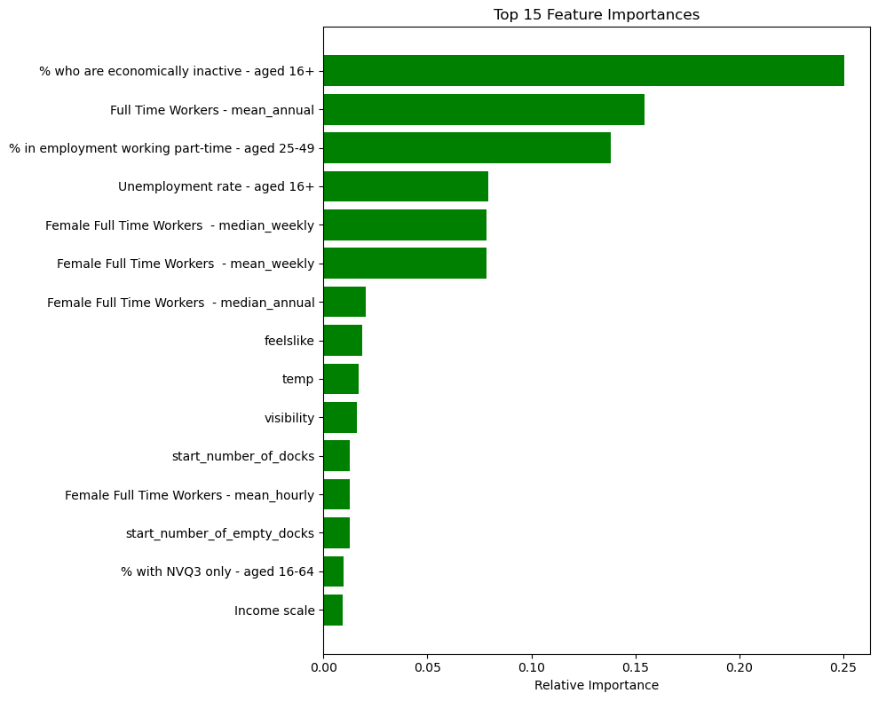 |  | 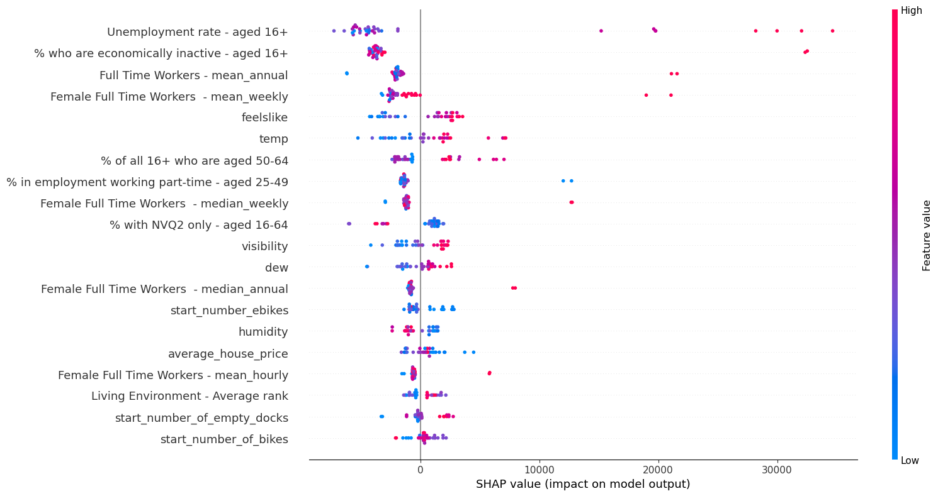 |  | % who are economically inactive - aged 16+: A negative SHAP value of -1744.53 indicates that, in regions where a higher percentage of people (aged 16+) are economically inactive, the model predicts about 1744.53 fewer pickups on average. % in employment working part-time - aged 25-49: A negative value of -657.76 suggests that a higher percentage of people (aged 25-49) working part-time leads to around 657.76 fewer pickups. Unemployment rate - aged 16+: This positive value of 1954.16 suggests that areas with a higher unemployment rate among those aged 16+ tend to have around 1954.16 more pickups on average. temp: A value of 492.30 indicates that as temperature rises, the model predicts approximately 492.30 more pickups. This could suggest that people might be more likely to use the service in warmer conditions. start_number_of_empty_docks: A positive value of 130.64 means that having more empty docks at the start can increase the predicted pickups by around 130.64. average_house_price: The positive value of 315.51 indicates that in areas with more expensive houses, there are around 315.51 more pickups predicted. This could perhaps reflect a higher disposable income or different transportation preferences in these areas. duration_minutes: A negative value of -331.31 suggests that longer durations might result in around 331.31 fewer pickups. holiday: The negative value of -33.97 suggests that on holidays, there are about 33.97 fewer pickups. | % who are economically inactive - aged 16+: -1744.5295484063029 % in employment working part-time - aged 25-49: -657.7553115676044 Full Time Workers - median_annual: -264.94537693064916 Unemployment rate - aged 16+: 1954.1568227232335 Female Full Time Workers - median_weekly: -511.1720695940123 Full Time Workers - mean_annual: -884.2571506400097 Female Full Time Workers - median_annual: -359.73956684990617 Female Full Time Workers - mean_hourly: -269.05534766784245 temp: 492.2969620625303 visibility: 24.97585040866499 feelslike: 253.23065068157146 humidity: -113.55747271509732 uvindex: 3.7117849043148854 Male Full Time Workers - mean_hourly: 0.0 Female Full Time Workers - mean_weekly: -677.4572345507041 Education, Skills and Training - Average score: 1.2434870406239231 dew: -208.62462195145596 % of all 16+ who are aged 50-64: 353.86876533078066 start_number_of_empty_docks: 130.6389911651894 Barriers to Housing and Services - Proportion of LSOAs in most deprived 10% nationally: 94.94364452666903 start_number_of_docks: 60.593814193438526 Male Full Time Workers - median_hourly: 176.51957872353574 average_house_price: 315.5119717969905 % with NVQ2 only - aged 16-64: 42.174628540343264 % with NVQ1 only - aged 16-64: 0.0 % with other qualifications (NVQ) - aged 16-64: 224.9377286771715 start_number_ebikes: 189.4508052622431 Barriers to Housing and Services - Average rank: 117.1795002489423 start_number_of_bikes: 296.97296434894866 Economic activity rate - aged 16+: 0.0 Income scale: 80.02167390172784 % of all 16+ who are aged 20-24: 96.35182318801299 Living Environment - Rank of average rank: 52.49233003733541 Living Environment - Proportion of LSOAs in most deprived 10% nationally: 99.3620203636678 start_number_standard_bikes: 22.67860885000046 Health Deprivation and Disability - Average score: 0.0 Male Part Time Workers - mean_weekly: 0.0 duration_minutes: -331.30623685525075 Living Environment - Average rank: 85.98894025201

